Sheet1
50 | 34% | 37% | 135.13513514 | 134
100 | 32% | 29% | 140.84507042 | 141
 |  |  | 5.7099352874 | 7

Maniswap - Constant Product Market Maker (CPMM) Function

$$y^{p}n^{1−p}=k$$

Market Probability

$$P=\frac{pn}{pn+\left(1−p\right)y}$$

 | k = | 100

p | y | n
0.05
0.10 |  |  |  |  | 0.5
0.15
0.20 |  |  |  |  | P= | 70%
0.25 |  |  |  |  | y= | 159
0.30 |  |  |  |  | n= | 294
0.35 |  |  |  |  | k | 191.19748978
0.40 |  |  |  |  | P= | 0.81183431953
0.45
0.50
0.55
0.60
0.65
0.70
0.75
0.80
0.85
0.90
0.95
1.00

DEX - CPMM
DEX – constant product function market-maker
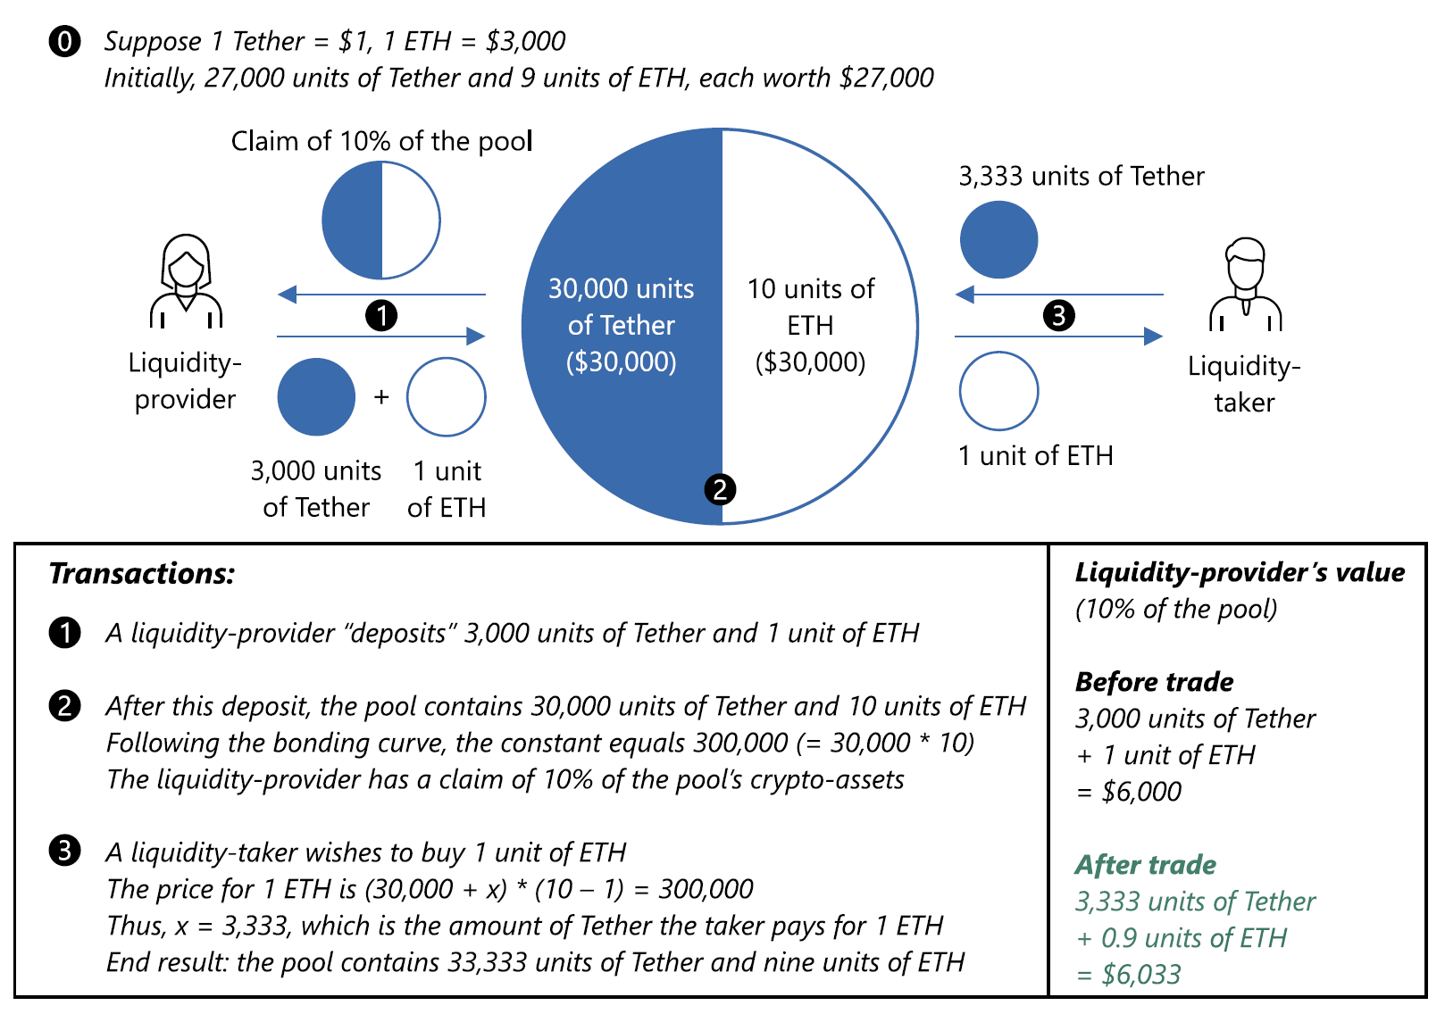
 | Qty | Price
Tether | 1 | 1
ETH | 1 | 3000

 | Quantity |  |  | Price/Unit |  | Value
 | Tether | ETH | Constant | Tether | ETH | Tether | ETH
Initial Pool | 27,000 | 9 | 243,000 | 1 | 3,000 | 27,000 | 27,000
Liquidity Provision | 30,000 | 10 | 300,000 | 1 | 3,000 | 30,000 | 30,000 | Before Trade | 6,000
Liquidity Taker | 33,333 | 9 | 300,000 | 1 | 3,333 | 33,333 | 30,000 | After Trade | 6,333

