Employee One
Employee ID | Employee Name | Date | Clock-In | Clock-Out | Location | Instructions
MAR-009 | David Young | 2025-10-01 | 8:00:00 | 17:00:00 | Office | Employee ID: To find your Employee ID, go to your UKG-HR dashboard, click on the third option titled “Employee”, and your Employee ID will be displayed there. Once you have the Employee ID, type it manually in the first cell (for example, in cell A2). Then, in the next cell below (A3), enter the formula: =$A$2 This formula uses absolute referencing, which means the $ signs lock the cell reference to A2. So, when you drag the formula down, every row will continue to show the same Employee ID as in the first cell — it won’t change or shift. Example: If your Employee ID is E001, Type E001 in cell A2 In cell A3, enter =$A$2 Drag the formula down through the remaining rows — all rows will display E001 automatically. | 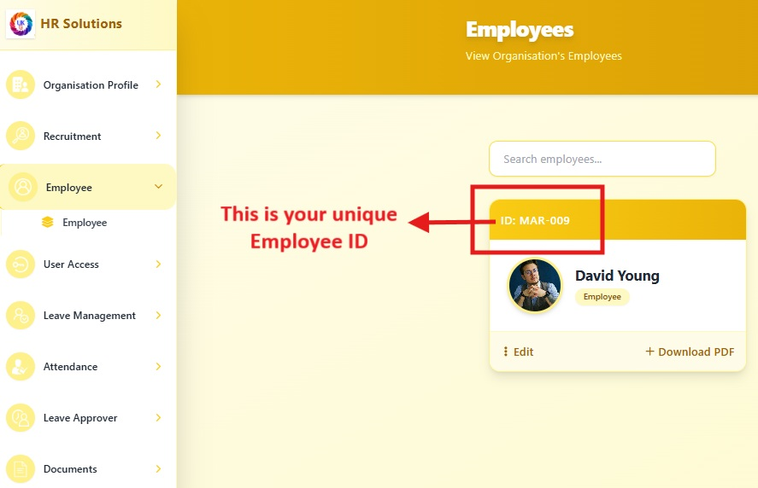
MAR-009 | David Young | 2025-10-02 | 8:00:00 | 17:00:00 | Remote
MAR-009 | David Young | 2025-10-03 | 8:00:00 | 17:00:00 | Remote
MAR-009 | David Young | 2025-10-04 | 8:00:00 | 17:00:00 | Office
MAR-009 | David Young | 2025-10-05 | 8:00:00 | 17:00:00 | Remote
MAR-009 | David Young | 2025-10-06 | 8:00:00 | 17:00:00 | Remote
MAR-009 | David Young | 2025-10-07 | 8:00:00 | 17:00:00 | Remote
MAR-009 | David Young | 2025-10-08 | 8:00:00 | 17:00:00 | Remote
MAR-009 | David Young | 2025-10-09 | 8:00:00 | 17:00:00 | Remote
MAR-009 | David Young | 2025-10-10 | 8:00:00 | 17:00:00 | Remote
MAR-009 | David Young | 2025-10-11 | 8:00:00 | 17:00:00 | Remote
MAR-009 | David Young | 2025-10-12 | 8:00:00 | 17:00:00 | Remote
MAR-009 | David Young | 2025-10-13 | 8:00:00 | 17:00:00 | Remote
MAR-009 | David Young | 2025-10-14 | 8:00:00 | 17:00:00 | Remote
MAR-009 | David Young | 2025-10-15 | 8:00:00 | 17:00:00 | Remote
MAR-009 | David Young | 2025-10-16 | 8:00:00 | 17:00:00 | Remote
MAR-009 | David Young | 2025-10-17 | 8:00:00 | 17:00:00 | Remote
MAR-009 | David Young | 2025-10-18 | 8:00:00 | 17:00:00 | Remote
MAR-009 | David Young | 2025-10-19 | 8:00:00 | 17:00:00 | Remote
MAR-009 | David Young | 2025-10-20 | 8:00:00 | 17:00:00 | Remote
MAR-009 | David Young | 2025-10-21 | 8:00:00 | 17:00:00 | Remote
MAR-009 | David Young | 2025-10-22 | 8:00:00 | 17:00:00 | Remote | Employee Name: Enter the employee’s name manually in the first cell, then drag down to copy it across all rows for that employee.
MAR-009 | David Young | 2025-10-23 | 8:00:00 | 17:00:00 | Remote
MAR-009 | David Young | 2025-10-24 | 8:00:00 | 17:00:00 | Remote | Date: Enter the date manually in the first cell, then drag down to automatically fill the subsequent dates in sequence.
MAR-009 | David Young | 2025-10-25 | 8:00:00 | 17:00:00 | Remote
MAR-009 | David Young | 2025-10-26 | 8:00:00 | 17:00:00 | Remote | Clock-In/Out: Make sure the time format is h:mm AM/PM, the same as shown in the sample file, if employee is not working on that day, just leave the cell blank.
MAR-009 | David Young | 2025-10-27 | 8:00:00 | 17:00:00 | Remote
MAR-009 | David Young | 2025-10-28 | 8:00:00 | 17:00:00 | Remote | Location: Enter the location manually. If the employee is working remotely or from the office, specify it in this field, then drag down to copy it to the next cells.
MAR-009 | David Young | 2025-10-29 | 8:00:00 | 17:00:00 | Remote

