Figure
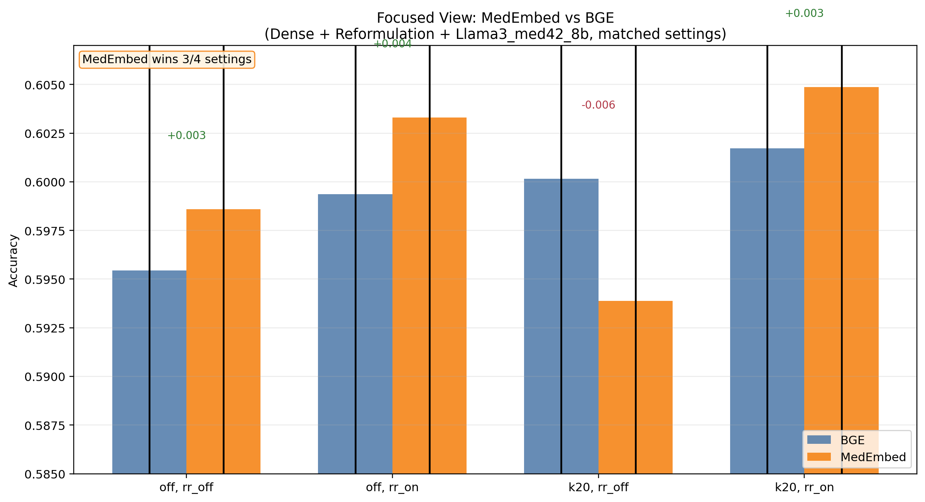
Figure: MedEmbed vs BGE (Focused Comparison)
Dense retrieval + reformulation + llama3_med42_8b (zero-shot). MedEmbed is higher in 3/4 matched settings.

