Part II
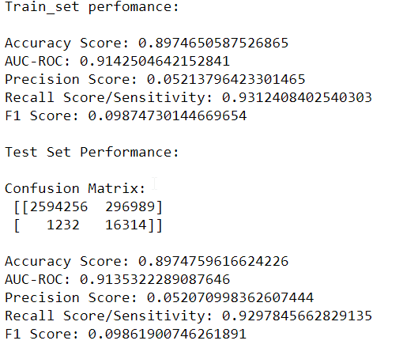
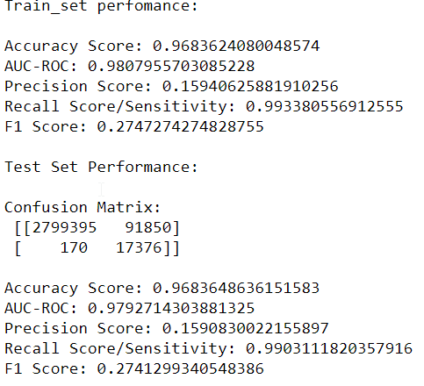
Cost Benefit Analysis
S. No | Questions | Answer(in $) (Model Comparison to choose the more profitable)
 |  | Decision Tree with Hyperparameter Tuning Model (5.4.2.1) | Decision Tree (5.4.2)
1 | Cost incurred per month before the model was deployed (b*c) | 426815.475 | 426815.475
2 | Average number of transactions per month detected as fraudulent by the model (TF) | 9102.1666667 | 26108.583333
3 | Cost of providing customer executive support per fraudulent transaction detected by the model | $1.5 | 1.5
4 | Total cost of providing customer support per month for fraudulent transactions detected by the model (TF*$1.5) | 13653.25 | 39162.875
5 | Average number of transactions per month that are fraudulent but not detected by the model (FN) | 170 | 1232
6 | Cost incurred due to fraudulent transactions left undetected by the model (FN*c) | 90219 | 653822.4
7 | Cost incurred per month after the model is built and deployed (4+6) | 103872.25 | 692985.275
8 | Final savings = Cost incurred before - Cost incurred after(1-7) | 322943.225 | 266169.8

 | Random Forest-Best_Model |  |  | Decision Tree

