Scenarios
Pump price scenarios vs statistical baseline
Scenarios vs statistical baseline (p/litre)
Fuel (select Petrol or Diesel) | Petrol
Starting pump price (Sep-26 monthly avg, p/litre) | 169.50
Fuel duty now (p/litre) | 52.95
VAT rate | 20%
Ex-tax cost now (p/litre: crude + refining, distribution, margin) | 88.30
Crude oil cost now (p/litre, from Brent and GBP/USD) | 42.71
Scenario assumptions (sourced, see Assumptions sheet) |  | Low | Central | High
DESNZ oil price assumption used |  | A (low) | B (central) | C (high)
Brent in 2036 (real 2024 $/bbl) |  | 50 | 79 | 112
Fuel duty step when the 5p cut ends, Jan-27 (p/litre) |  | 0.00 | 5.00 | 5.00
Annual fuel duty uprating from Apr-27 (RPI) |  | 0.00% | 2.55% | 2.55%
Summary (p/litre) |  | Low | Central | High | Statistical baseline (ARIMA) | ARIMA 80% low | ARIMA 80% high
In 5 years (Sep-31) |  | 154.2 | 186.0 | 207.0 | 169.1 | 114.2 | 224.1
In 10 years (Sep-36) |  | 166.5 | 213.5 | 237.5 | 169.1 | 91.3 | 247.0
Change vs today after 10 years |  | -3.0 | +44.0 | +68.0 | -0.4 | -78.2 | +77.5
Low: DESNZ low oil case with fuel duty frozen at today's rate (cut made permanent). Central and High: DESNZ central / high oil case with the stated policy (5p cut ends, then RPI uprating from Apr-27).
These are conditional projections, not forecasts. The Budget and OBR forecast on 28 Oct 2026 may change the duty assumptions. Sources and workings: Assumptions and Scenario_Calc sheets.
Month | Years ahead | Low | Central | High | Statistical baseline (ARIMA) | ARIMA 80% low | ARIMA 80% high
Oct-26 | 0.08 | 167.7 | 168.6 | 169.8 | 171.0 | 166.2 | 175.9
Nov-26 | 0.17 | 165.8 | 167.7 | 170.2 | 168.8 | 159.5 | 178.2
Dec-26 | 0.25 | 164.0 | 166.8 | 170.5 | 168.4 | 156.2 | 180.7
Jan-27 | 0.33 | 161.3 | 171.7 | 178.2 | 169.3 | 155.4 | 183.3
Feb-27 | 0.42 | 159.2 | 170.8 | 178.9 | 169.4 | 153.9 | 184.9
Mar-27 | 0.50 | 157.2 | 169.9 | 179.6 | 169.0 | 151.9 | 186.2
Apr-27 | 0.58 | 155.1 | 170.7 | 182.0 | 169.1 | 150.4 | 187.7
May-27 | 0.67 | 153.1 | 169.8 | 182.7 | 169.2 | 149.3 | 189.1
Jun-27 | 0.75 | 151.0 | 168.8 | 183.4 | 169.2 | 148.1 | 190.3
Jul-27 | 0.83 | 149.0 | 167.9 | 184.1 | 169.1 | 146.8 | 191.4
Aug-27 | 0.92 | 146.9 | 166.9 | 184.8 | 169.1 | 145.7 | 192.5
Sep-27 | 1.00 | 144.9 | 166.0 | 185.5 | 169.2 | 144.7 | 193.6
Oct-27 | 1.08 | 145.0 | 166.1 | 185.5 | 169.2 | 143.7 | 194.6
Nov-27 | 1.17 | 145.0 | 166.2 | 185.6 | 169.1 | 142.7 | 195.6
Dec-27 | 1.25 | 145.1 | 166.3 | 185.7 | 169.1 | 141.8 | 196.5
Jan-28 | 1.33 | 146.4 | 167.8 | 188.2 | 169.1 | 140.9 | 197.4
Feb-28 | 1.42 | 146.5 | 167.9 | 188.3 | 169.1 | 140.0 | 198.3
Mar-28 | 1.50 | 146.5 | 168.0 | 188.4 | 169.1 | 139.1 | 199.2
Apr-28 | 1.58 | 146.6 | 169.9 | 190.3 | 169.1 | 138.3 | 200.0
May-28 | 1.67 | 146.7 | 170.0 | 190.4 | 169.1 | 137.5 | 200.8
Jun-28 | 1.75 | 146.8 | 170.1 | 190.5 | 169.1 | 136.7 | 201.6
Jul-28 | 1.83 | 146.9 | 170.2 | 190.6 | 169.1 | 135.9 | 202.4
Aug-28 | 1.92 | 147.0 | 170.2 | 190.7 | 169.1 | 135.2 | 203.1
Sep-28 | 2.00 | 147.1 | 170.3 | 190.8 | 169.1 | 134.4 | 203.9
Oct-28 | 2.08 | 147.2 | 170.4 | 190.9 | 169.1 | 133.7 | 204.6
Nov-28 | 2.17 | 147.3 | 170.5 | 191.0 | 169.1 | 133.0 | 205.3
Dec-28 | 2.25 | 147.4 | 170.6 | 191.1 | 169.1 | 132.3 | 206.0
Jan-29 | 2.33 | 148.7 | 172.8 | 193.7 | 169.1 | 131.6 | 206.7
Feb-29 | 2.42 | 148.7 | 172.9 | 193.7 | 169.1 | 131.0 | 207.3
Mar-29 | 2.50 | 148.8 | 173.0 | 193.8 | 169.1 | 130.3 | 208.0
Apr-29 | 2.58 | 148.9 | 174.9 | 195.8 | 169.1 | 129.7 | 208.6
May-29 | 2.67 | 149.0 | 175.0 | 195.9 | 169.1 | 129.0 | 209.3
Jun-29 | 2.75 | 149.1 | 175.1 | 196.0 | 169.1 | 128.4 | 209.9
Jul-29 | 2.83 | 149.2 | 175.2 | 196.1 | 169.1 | 127.8 | 210.5
Aug-29 | 2.92 | 149.3 | 175.3 | 196.2 | 169.1 | 127.2 | 211.1
Sep-29 | 3.00 | 149.4 | 175.4 | 196.3 | 169.1 | 126.6 | 211.7
Oct-29 | 3.08 | 149.5 | 175.5 | 196.4 | 169.1 | 126.0 | 212.3
Nov-29 | 3.17 | 149.6 | 175.6 | 196.5 | 169.1 | 125.4 | 212.9
Dec-29 | 3.25 | 149.7 | 175.7 | 196.6 | 169.1 | 124.8 | 213.4
Jan-30 | 3.33 | 151.0 | 177.9 | 199.2 | 169.1 | 124.3 | 214.0
Feb-30 | 3.42 | 151.1 | 178.0 | 199.3 | 169.1 | 123.7 | 214.6
Mar-30 | 3.50 | 151.2 | 178.1 | 199.4 | 169.1 | 123.2 | 215.1
Apr-30 | 3.58 | 151.3 | 180.1 | 201.4 | 169.1 | 122.6 | 215.7
May-30 | 3.67 | 151.4 | 180.2 | 201.5 | 169.1 | 122.1 | 216.2
Jun-30 | 3.75 | 151.5 | 180.3 | 201.6 | 169.1 | 121.5 | 216.7
Jul-30 | 3.83 | 151.6 | 180.4 | 201.7 | 169.1 | 121.0 | 217.3
Aug-30 | 3.92 | 151.7 | 180.5 | 201.8 | 169.1 | 120.5 | 217.8
Sep-30 | 4.00 | 151.8 | 180.6 | 201.9 | 169.1 | 120.0 | 218.3
Oct-30 | 4.08 | 151.9 | 180.7 | 202.0 | 169.1 | 119.5 | 218.8
Nov-30 | 4.17 | 152.0 | 180.8 | 202.1 | 169.1 | 119.0 | 219.3
Dec-30 | 4.25 | 152.1 | 180.9 | 202.2 | 169.1 | 118.5 | 219.8
Jan-31 | 4.33 | 153.4 | 183.2 | 204.3 | 169.1 | 118.0 | 220.3
Feb-31 | 4.42 | 153.5 | 183.3 | 204.4 | 169.1 | 117.5 | 220.8
Mar-31 | 4.50 | 153.6 | 183.4 | 204.5 | 169.1 | 117.0 | 221.3
Apr-31 | 4.58 | 153.7 | 185.5 | 206.5 | 169.1 | 116.5 | 221.8
May-31 | 4.67 | 153.8 | 185.6 | 206.6 | 169.1 | 116.0 | 222.3
Jun-31 | 4.75 | 153.9 | 185.7 | 206.7 | 169.1 | 115.6 | 222.7
Jul-31 | 4.83 | 154.0 | 185.8 | 206.8 | 169.1 | 115.1 | 223.2
Aug-31 | 4.92 | 154.1 | 185.9 | 206.9 | 169.1 | 114.6 | 223.7
Sep-31 | 5.00 | 154.2 | 186.0 | 207.0 | 169.1 | 114.2 | 224.1
Oct-31 | 5.08 | 154.3 | 186.1 | 207.1 | 169.1 | 113.7 | 224.6
Nov-31 | 5.17 | 154.4 | 186.2 | 207.2 | 169.1 | 113.2 | 225.0
Dec-31 | 5.25 | 154.5 | 186.3 | 207.3 | 169.1 | 112.8 | 225.5
Jan-32 | 5.33 | 155.9 | 188.0 | 210.1 | 169.1 | 112.4 | 225.9
Feb-32 | 5.42 | 156.0 | 188.1 | 210.2 | 169.1 | 111.9 | 226.4
Mar-32 | 5.50 | 156.1 | 188.2 | 210.3 | 169.1 | 111.5 | 226.8
Apr-32 | 5.58 | 156.2 | 190.3 | 212.4 | 169.1 | 111.0 | 227.3
May-32 | 5.67 | 156.3 | 190.4 | 212.5 | 169.1 | 110.6 | 227.7
Jun-32 | 5.75 | 156.4 | 190.5 | 212.6 | 169.1 | 110.2 | 228.1
Jul-32 | 5.83 | 156.5 | 190.6 | 212.7 | 169.1 | 109.7 | 228.6
Aug-32 | 5.92 | 156.6 | 190.7 | 212.8 | 169.1 | 109.3 | 229.0
Sep-32 | 6.00 | 156.7 | 190.8 | 212.9 | 169.1 | 108.9 | 229.4
Oct-32 | 6.08 | 156.8 | 190.9 | 213.0 | 169.1 | 108.5 | 229.8
Nov-32 | 6.17 | 156.9 | 191.0 | 213.1 | 169.1 | 108.1 | 230.2
Dec-32 | 6.25 | 157.0 | 191.1 | 213.2 | 169.1 | 107.7 | 230.6
Jan-33 | 6.33 | 157.7 | 193.5 | 216.1 | 169.1 | 107.2 | 231.1
Feb-33 | 6.42 | 157.8 | 193.6 | 216.2 | 169.1 | 106.8 | 231.5
Mar-33 | 6.50 | 157.9 | 193.7 | 216.3 | 169.1 | 106.4 | 231.9
Apr-33 | 6.58 | 158.0 | 195.9 | 218.5 | 169.1 | 106.0 | 232.3
May-33 | 6.67 | 158.1 | 196.0 | 218.6 | 169.1 | 105.6 | 232.7
Jun-33 | 6.75 | 158.2 | 196.1 | 218.7 | 169.1 | 105.2 | 233.1
Jul-33 | 6.83 | 158.3 | 196.2 | 218.8 | 169.1 | 104.8 | 233.5
Aug-33 | 6.92 | 158.4 | 196.3 | 218.9 | 169.1 | 104.5 | 233.8
Sep-33 | 7.00 | 158.5 | 196.4 | 219.0 | 169.1 | 104.1 | 234.2
Oct-33 | 7.08 | 158.6 | 196.5 | 219.1 | 169.1 | 103.7 | 234.6
Nov-33 | 7.17 | 158.8 | 196.6 | 219.2 | 169.1 | 103.3 | 235.0
Dec-33 | 7.25 | 158.9 | 196.7 | 219.3 | 169.1 | 102.9 | 235.4
Jan-34 | 7.33 | 160.3 | 199.3 | 222.3 | 169.1 | 102.5 | 235.8
Feb-34 | 7.42 | 160.4 | 199.4 | 222.4 | 169.1 | 102.1 | 236.1
Mar-34 | 7.50 | 160.5 | 199.5 | 222.5 | 169.1 | 101.8 | 236.5
Apr-34 | 7.58 | 160.6 | 201.7 | 224.7 | 169.1 | 101.4 | 236.9
May-34 | 7.67 | 160.7 | 201.8 | 224.8 | 169.1 | 101.0 | 237.3
Jun-34 | 7.75 | 160.8 | 201.9 | 224.9 | 169.1 | 100.7 | 237.6
Jul-34 | 7.83 | 160.9 | 202.0 | 225.0 | 169.1 | 100.3 | 238.0
Aug-34 | 7.92 | 161.0 | 202.1 | 225.1 | 169.1 | 99.9 | 238.4
Sep-34 | 8.00 | 161.1 | 202.2 | 225.2 | 169.1 | 99.6 | 238.7
Oct-34 | 8.08 | 161.3 | 202.3 | 225.4 | 169.1 | 99.2 | 239.1
Nov-34 | 8.17 | 161.4 | 202.4 | 225.5 | 169.1 | 98.8 | 239.5
Dec-34 | 8.25 | 161.5 | 202.5 | 225.6 | 169.1 | 98.5 | 239.8
Jan-35 | 8.33 | 163.0 | 204.4 | 227.9 | 169.1 | 98.1 | 240.2
Feb-35 | 8.42 | 163.1 | 204.5 | 228.0 | 169.1 | 97.8 | 240.5
Mar-35 | 8.50 | 163.2 | 204.6 | 228.1 | 169.1 | 97.4 | 240.9
Apr-35 | 8.58 | 163.3 | 206.9 | 230.4 | 169.1 | 97.1 | 241.2
May-35 | 8.67 | 163.4 | 207.0 | 230.5 | 169.1 | 96.7 | 241.6
Jun-35 | 8.75 | 163.5 | 207.1 | 230.6 | 169.1 | 96.4 | 241.9
Jul-35 | 8.83 | 163.6 | 207.2 | 230.7 | 169.1 | 96.0 | 242.3
Aug-35 | 8.92 | 163.7 | 207.3 | 230.8 | 169.1 | 95.7 | 242.6
Sep-35 | 9.00 | 163.8 | 207.4 | 230.9 | 169.1 | 95.3 | 243.0
Oct-35 | 9.08 | 163.9 | 207.5 | 231.0 | 169.1 | 95.0 | 243.3
Nov-35 | 9.17 | 164.0 | 207.6 | 231.1 | 169.1 | 94.6 | 243.6
Dec-35 | 9.25 | 164.1 | 207.8 | 231.3 | 169.1 | 94.3 | 244.0
Jan-36 | 9.33 | 165.7 | 210.4 | 234.4 | 169.1 | 94.0 | 244.3
Feb-36 | 9.42 | 165.8 | 210.5 | 234.5 | 169.1 | 93.6 | 244.7
Mar-36 | 9.50 | 165.9 | 210.6 | 234.6 | 169.1 | 93.3 | 245.0
Apr-36 | 9.58 | 166.0 | 213.0 | 236.9 | 169.1 | 93.0 | 245.3
May-36 | 9.67 | 166.1 | 213.1 | 237.0 | 169.1 | 92.6 | 245.7
Jun-36 | 9.75 | 166.2 | 213.2 | 237.2 | 169.1 | 92.3 | 246.0
Jul-36 | 9.83 | 166.3 | 213.3 | 237.3 | 169.1 | 92.0 | 246.3
Aug-36 | 9.92 | 166.4 | 213.4 | 237.4 | 169.1 | 91.7 | 246.6
Sep-36 | 10.00 | 166.5 | 213.5 | 237.5 | 169.1 | 91.3 | 247.0

Charts
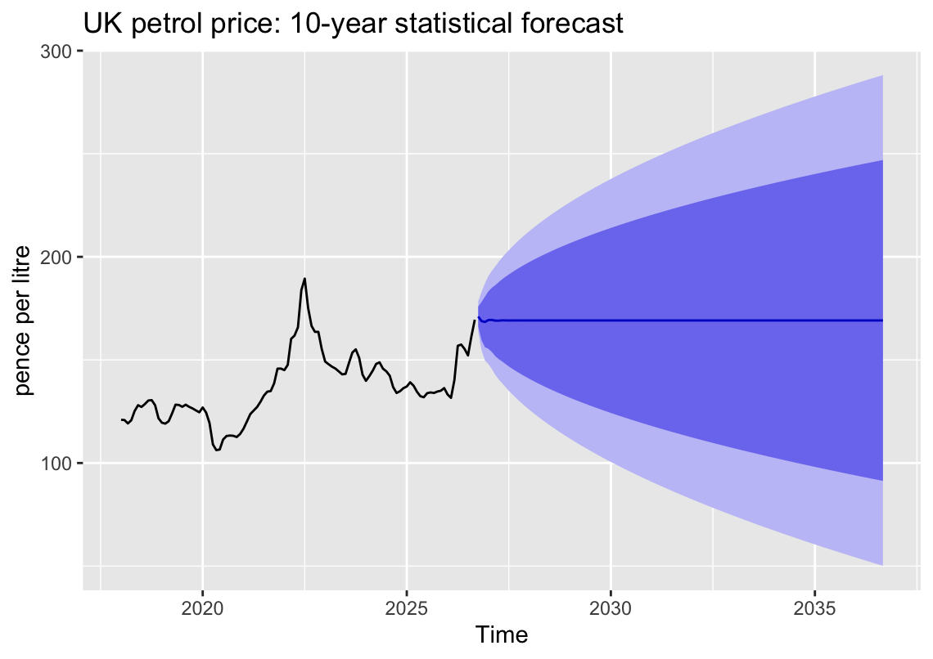
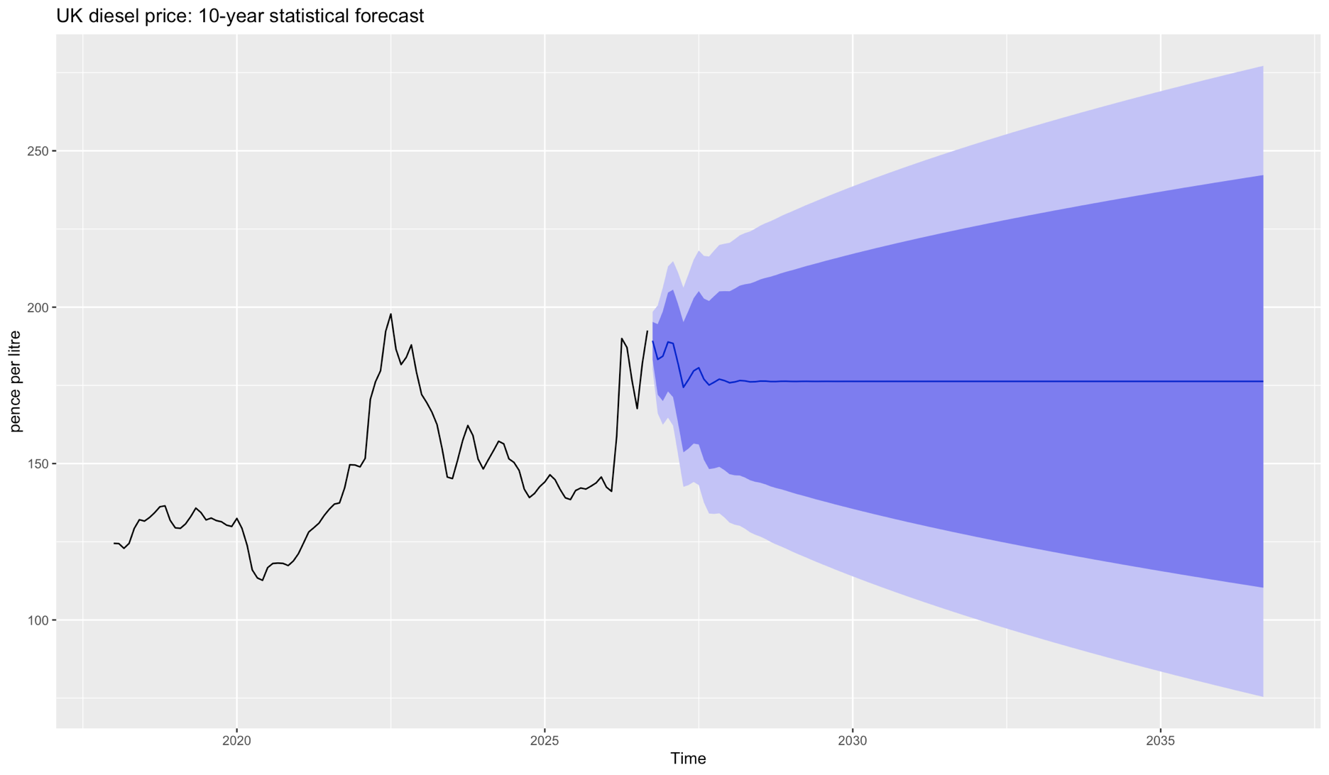
Charts
UK weekly pump prices (p/litre), 2018 to Sep 2026
 | Petrol (ULSP) pump price (p/litre) | Diesel (ULSD) pump price (p/litre)
1/1/2018 | 120.19 | 123.51
1/8/2018 | 120.52 | 123.97
1/15/2018 | 120.96 | 124.58
1/22/2018 | 121.50 | 125.07
1/29/2018 | 121.69 | 125.32
2/5/2018 | 121.73 | 125.36
2/12/2018 | 121.58 | 125.02
2/19/2018 | 120.52 | 124.18
2/26/2018 | 119.55 | 123.09
3/5/2018 | 119.29 | 122.92
3/12/2018 | 119.11 | 122.96
3/19/2018 | 119.17 | 122.84
3/26/2018 | 119.23 | 122.90
4/2/2018 | 119.43 | 123.05
4/9/2018 | 119.96 | 123.58
4/16/2018 | 120.56 | 124.29
4/23/2018 | 121.44 | 125.39
4/30/2018 | 122.22 | 126.01
5/7/2018 | 123.27 | 126.99
5/14/2018 | 124.32 | 128.28
5/21/2018 | 125.93 | 130.04
5/28/2018 | 127.58 | 131.66
6/4/2018 | 128.43 | 132.34
6/11/2018 | 128.61 | 132.62
6/18/2018 | 127.92 | 131.98
6/25/2018 | 127.18 | 131.27
7/2/2018 | 126.54 | 130.83
7/9/2018 | 126.97 | 131.53
7/16/2018 | 127.47 | 131.85
7/23/2018 | 127.50 | 131.90
7/30/2018 | 127.54 | 131.94
8/6/2018 | 128.02 | 132.39
8/13/2018 | 128.39 | 132.56
8/20/2018 | 128.79 | 132.97
8/27/2018 | 129.18 | 133.20
9/3/2018 | 129.76 | 133.67
9/10/2018 | 130.24 | 134.31
9/17/2018 | 130.59 | 134.57
9/24/2018 | 130.59 | 134.77
10/1/2018 | 129.98 | 134.86
10/8/2018 | 130.15 | 135.53
10/15/2018 | 130.81 | 136.63
10/22/2018 | 130.98 | 136.93
10/29/2018 | 130.64 | 136.99
11/5/2018 | 130.11 | 137.03
11/12/2018 | 128.94 | 137.08
11/19/2018 | 127.40 | 136.38
11/26/2018 | 125.77 | 135.43
12/3/2018 | 124.30 | 134.38
12/10/2018 | 122.37 | 132.50
...

Monthly average pump prices (p/litre)
 | Avg petrol (p/litre) | Avg diesel (p/litre)
Jan-18 | 120.97 | 124.49
Feb-18 | 120.85 | 124.41
Mar-18 | 119.20 | 122.91
Apr-18 | 120.72 | 124.46
May-18 | 125.28 | 129.24
Jun-18 | 128.04 | 132.05
Jul-18 | 127.20 | 131.61
Aug-18 | 128.60 | 132.78
Sep-18 | 130.30 | 134.33
Oct-18 | 130.51 | 136.19
Nov-18 | 128.06 | 136.48
Dec-18 | 121.70 | 131.86
Jan-19 | 119.55 | 129.46
Feb-19 | 119.09 | 129.30
Mar-19 | 120.28 | 130.71
Apr-19 | 124.06 | 133.02
May-19 | 128.28 | 135.76
Jun-19 | 128.16 | 134.34
Jul-19 | 127.26 | 131.98
Aug-19 | 128.28 | 132.58
Sep-19 | 127.25 | 131.78
Oct-19 | 126.49 | 131.40
Nov-19 | 125.51 | 130.31
Dec-19 | 124.60 | 129.90
Jan-20 | 126.94 | 132.47
Feb-20 | 124.46 | 129.26
Mar-20 | 119.42 | 123.85
Apr-20 | 109.00 | 115.98
May-20 | 106.24 | 113.42
Jun-20 | 106.54 | 112.67
Jul-20 | 111.39 | 116.73
Aug-20 | 113.10 | 118.06
Sep-20 | 113.33 | 118.18
Oct-20 | 113.19 | 118.08
Nov-20 | 112.60 | 117.39
Dec-20 | 114.08 | 118.85
Jan-21 | 116.64 | 121.20
Feb-21 | 120.15 | 124.63
Mar-21 | 123.74 | 128.12
Apr-21 | 125.48 | 129.50
May-21 | 127.17 | 130.96
Jun-21 | 129.75 | 133.38
Jul-21 | 132.71 | 135.39
Aug-21 | 134.60 | 137.05
Sep-21 | 134.89 | 137.42
Oct-21 | 138.64 | 142.24
Nov-21 | 145.78 | 149.62
Dec-21 | 145.80 | 149.55
Jan-22 | 145.05 | 148.94
Feb-22 | 147.57 | 151.68
...

Annual average pump prices (p/litre)
 | Avg petrol (p/litre) | Avg diesel (p/litre)
2018 | 125.03 | 130.04
2019 | 124.97 | 131.71
2020 | 114.09 | 119.46
2021 | 131.40 | 135.04
2022 | 164.64 | 177.78
2023 | 147.65 | 158.12
2024 | 141.47 | 148.36
2025 | 135.05 | 142.70
2026 (YTD) | 150.97 | 171.00

