Screens & Flow
# | Screen | User action | APIs called (all on Java host) | Expected | Actual (Java) | Result | Screenshot
1 | Welcome sheet ("You are on table Dine In") | Open QR link | POST qr_online_order | Restaurant name, logo, Start Your Order / Pay your bill | As expected | PASS | 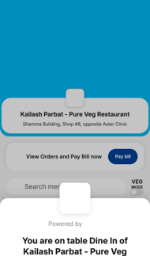
2 | Menu / catalogue | Tap Start Your Order; open "Offers" tab | — (menu data from step 1) | Search, VEG mode, category tabs, items with prices | As expected | PASS | —
3 | Add simple item | Tap Add on Dahi ke Kebab | None (cart is client-side) | "1 items added" bar | As expected | PASS | 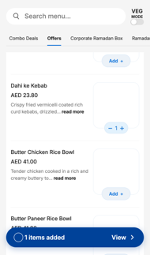
4 | Item customisation sheet | Tap Add on Paneer Dum Biryani, tick Biryani Salan Dip + Special Spiced Dates, Add item | GET items/{id}/options | Add-ons listed with prices, "2 items added" | As expected | PASS | 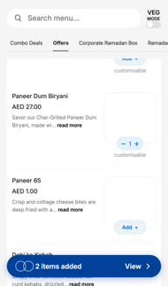
5 | Cart | Tap View | POST qr_recommended_items | Both items, add-ons listed, total AED 55.30 | As expected (AED 55.30) | PASS | 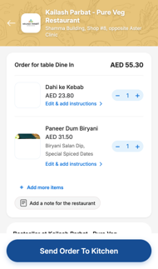
6 | Place your order (name + phone) | Send Order To Kitchen, enter name & +971 mobile, swipe | GET view_cart, POST qr_code_order_create, GET customer_orders | Order created with both items AND add-ons | Order created but add-ons missing (customizations = []) | FAIL | —
7 | Order in kitchen (PIN shown) | — | GET customer_orders | "Your order is in the kitchen", PIN = last 4 digits of mobile | As expected (PIN 4567); add-ons not shown under item | FAIL | 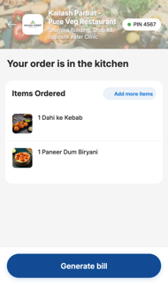
8 | Second guest: Join table with PIN | New phone opens QR → Pay bill → enter PIN → Join Table | POST qr_online_order, GET view_cart, GET customer_orders?pin= | Guest sees the same order | As expected | PASS | 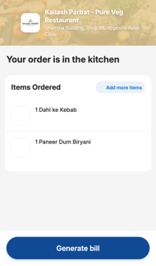
9 | Pay bill (bill screen) | Generate bill | GET qr_print?pay_now=true | Item total incl. add-ons, VAT, tip AED 4, total AED 59.30 | Total AED 54.80 (add-ons AED 4.50 missing) | FAIL | 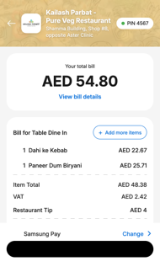
10 | Select payment method → card form | Change → Debit/Credit Cards | POST initiate_payment?tip=4, POST http_logs | Telr card form, Pay AED 59.30 | Telr form shown, Pay AED 54.80 | FAIL | 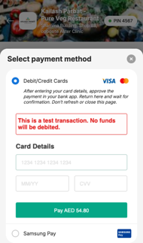
11 | Telr payment (3rd party) | Card 4000 0000 0000 0002, 06/28, CVV 123, Pay | secure.telr.com (payment gateway, not ours) | Payment authorised, redirect back | status=authorised, redirected | PASS | —
12 | Payment success | — | POST add_tip, GET fetch_payment_status (poll), GET qr_print?ct, POST http_logs | "Paid successfully" with amount charged (AED 54.80) | Shows AED 48.38 | FAIL | 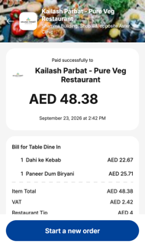
13 | Re-open payment return link | Reload the from_pg link | POST add_tip (again), GET qr_print | Tip stays AED 4 (not doubled), AED currency | Tip stays 4.0, AED shown | PASS | 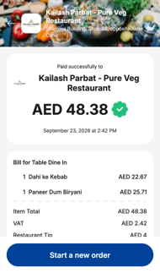
14 | Rating & feedback | 5 stars → Food, Prompt Service → Submit | POST post_order_feedback | rating 5, tags "food, prompt_service", status success | As expected | PASS | 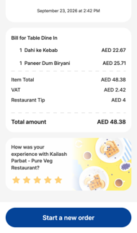
15 | Table released | — | GET view_cart | next_step = customer_details (table free) | As expected | PASS | —
16 | Start a new order | Tap "Start a new order" on the success screen, then add Dahi ke Kebab | POST qr_online_order (sends saved user_name + mobile), GET view_cart | Back to menu for same QR, empty cart, customer details prefilled, no active order, table still free | Menu reloaded on Java host with name/mobile prefilled; active_orders = false; cart empty; new item shows "1 items added"; table free. Welcome sheet skipped (same as Ruby) | PASS | 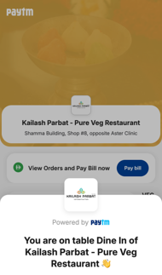
17 | Soups & Snacks → Add → "Complete your meal" sheet (linked items) | Tap Add on Onion Samosa | None (uses linked_item_ids from POST qr_online_order) | Bottom sheet with linked items 7 UP (10.00) and Pepsi (4.50); linked item can be added with the item | Java: no sheet, Onion Samosa added directly (linked_item_ids empty). Ruby: sheet shown with 7 UP, Pepsi | FAIL | 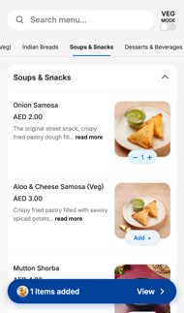
18 | "Often bought with" section (recommended items) | After adding Onion Samosa | None (uses recommended_item_ids from POST qr_online_order) | Carousel under the item: Gulab Jamun, 7 UP, Pepsi | Java: section not shown (recommended_item_ids empty). Ruby: shown | FAIL
19 | Cart "Bestseller at Kailash Parbat" (recommended items) | Open cart | POST qr_recommended_items | Bestseller carousel with recommended items | Shown on Java and Ruby (Gulab Jamun, 7 UP / Double ka meetha, Pepsi – depends on cart) | PASS | 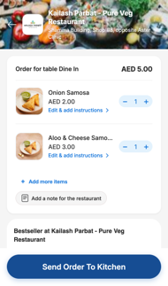

Linked & Recommended
Feature | Item / where | Data source | Ruby UI (old APIs) | Java UI – live | Java UI – Ruby ids injected (diagnostic) | Java result | Ruby screenshot | Java screenshot
"Complete your meal" bottom sheet on Add | Onion Samosa (Soups & Snacks) | linked_item_ids in POST qr_online_order | Yes | No | Yes | FAIL | 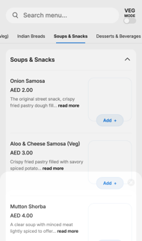
Linked items listed in the sheet | Onion Samosa | linked_item_ids → 7 UP, Pepsi | 7 UP, Pepsi | none | 7 UP, Pepsi | FAIL
Add a linked item from the sheet | Aloo & Cheese Samosa (Veg) + 7 UP | linked_item_ids | Onion Samosa, Aloo & Cheese Samosa (Veg), 7 UP | Onion Samosa, Aloo & Cheese Samosa (Veg) | Onion Samosa, Aloo & Cheese Samosa (Veg), 7 UP | FAIL | 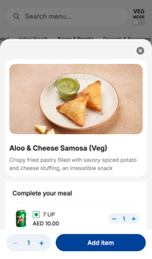 | 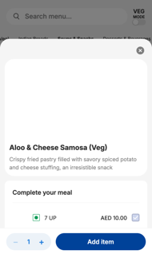
"Often bought with" section after adding | Onion Samosa | recommended_item_ids in POST qr_online_order | Yes | No | Yes | FAIL | 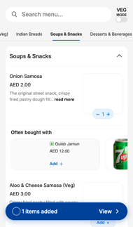
Recommended items listed | Onion Samosa | recommended_item_ids → Gulab Jamun, 7 UP, Pepsi | Gulab Jamun, 7 UP, Pepsi | none | Gulab Jamun, 7 UP, Pepsi | FAIL
Cart "Bestseller at Kailash Parbat - Pure Veg Restaurant" | Cart | POST qr_recommended_items (add_on_items) | Gulab Jamun, Double ka meetha, Pepsi | Gulab Jamun, 7 UP, Pepsi | Gulab Jamun, Double ka meetha, Pepsi | PASS | 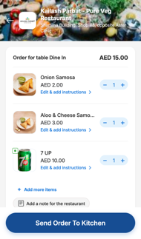

Conclusion: Java menu API returns empty linked_item_ids / recommended_item_ids. With Ruby ids injected, the v3 UI shows and handles both sections exactly like Ruby, so the fix is in the Java API (qr_online_order). Java screenshot for "Add a linked item" is from the diagnostic run (not possible live).

