Test Cases
Dine-in QR (qr_menu_v3) – Java migration – all test cases
Total: 57 · Passed: 44 · Failed: 12 · Not tested: 1
All API calls from qr_menu_v3 go to dine-in-service-staging.paytmcheckout.com (0 calls to the Ruby host). Failed cases are linked to the Issues sheet.

S.No | Test ID | Type | Area | Screen / feature | Test case | Steps / input | Expected | Actual | Result | Issue ref | Screenshot – Java (qr_menu_v3) | Screenshot – Ruby (qr_menu)
1 | API-01 | API | API contract (Java) | API | CORS preflight allows web app for qr_online_order | OPTIONS from origin biz.test | Allow-Origin = biz.test, credentials true, method + content-type/session-token allowed | As expected | PASS |  | — | —
2 | API-02 | API | API contract (Java) | API | CORS preflight allows web app for items/{id}/options | OPTIONS from origin biz.test | Allow-Origin = biz.test, credentials true, method + content-type/session-token allowed | As expected | PASS |  | — | —
3 | API-03 | API | API contract (Java) | API | CORS preflight allows web app for qr_recommended_items | OPTIONS from origin biz.test | Allow-Origin = biz.test, credentials true, method + content-type/session-token allowed | As expected | PASS |  | — | —
4 | API-04 | API | API contract (Java) | API | CORS preflight allows web app for view_cart | OPTIONS from origin biz.test | Allow-Origin = biz.test, credentials true, method + content-type/session-token allowed | As expected | PASS |  | — | —
5 | API-05 | API | API contract (Java) | API | CORS preflight allows web app for qr_view_cart | OPTIONS from origin biz.test | Allow-Origin = biz.test, credentials true, method + content-type/session-token allowed | As expected | PASS |  | — | —
6 | API-06 | API | API contract (Java) | API | CORS preflight allows web app for qr_code_order_create | OPTIONS from origin biz.test | Allow-Origin = biz.test, credentials true, method + content-type/session-token allowed | As expected | PASS |  | — | —
7 | API-07 | API | API contract (Java) | API | CORS preflight allows web app for customer_orders | OPTIONS from origin biz.test | Allow-Origin = biz.test, credentials true, method + content-type/session-token allowed | As expected | PASS |  | — | —
8 | API-08 | API | API contract (Java) | API | CORS preflight allows web app for qr_print | OPTIONS from origin biz.test | Allow-Origin = biz.test, credentials true, method + content-type/session-token allowed | As expected | PASS |  | — | —
9 | API-09 | API | API contract (Java) | API | CORS preflight allows web app for initiate_payment | OPTIONS from origin biz.test | Allow-Origin = biz.test, credentials true, method + content-type/session-token allowed | As expected | PASS |  | — | —
10 | API-10 | API | API contract (Java) | API | CORS preflight allows web app for apple_pay/validate_merchant | OPTIONS from origin biz.test | Allow-Origin = biz.test, credentials true, method + content-type/session-token allowed | As expected | PASS |  | — | —
11 | API-11 | API | API contract (Java) | API | CORS preflight allows web app for qr_orders/add_tip | OPTIONS from origin biz.test | Allow-Origin = biz.test, credentials true, method + content-type/session-token allowed | As expected | PASS |  | — | —
12 | API-12 | API | API contract (Java) | API | CORS preflight allows web app for fetch_payment_status_by_session_id | OPTIONS from origin biz.test | Allow-Origin = biz.test, credentials true, method + content-type/session-token allowed | As expected | PASS |  | — | —
13 | API-13 | API | API contract (Java) | API | CORS preflight allows web app for post_order_feedback | OPTIONS from origin biz.test | Allow-Origin = biz.test, credentials true, method + content-type/session-token allowed | As expected | PASS |  | — | —
14 | API-14 | API | API contract (Java) | API | CORS preflight allows web app for api/http_logs | OPTIONS from origin biz.test | Allow-Origin = biz.test, credentials true, method + content-type/session-token allowed | As expected | PASS |  | — | —
15 | API-15 | API | API contract (Java) | API | Menu returns restaurant, AED currency, categories | POST qr_online_order | 200, account, AED, categories, numeric prices | As expected (≈0.6 s) | PASS |  | — | —
16 | API-16 | API | API contract (Java) | API | Cart preview prices items together with add-ons | POST qr_view_cart with 2 items + 2 add-ons | net_payable_amount = 55.30, 2 add-on lines | As expected | PASS |  | — | —
17 | API-17 | API | API contract (Java) | API | Recommended items for cart items | POST qr_recommended_items | 200, add_on_items.items array | As expected | PASS |  | — | —
18 | API-18 | API | API contract (Java) | API | Table session state reported | GET view_cart | next_step customer_details / verify_otp | As expected | PASS |  | — | —
19 | API-19 | API | API contract (Java) | API | Invalid QR code rejected | POST qr_online_order/INVALID123 | 422 "Invalid QR Code" | As expected | PASS |  | — | —
20 | API-20 | API | API contract (Java) | API | Unknown item options rejected | GET items/999999/options | 422 "Item not found" | As expected | PASS |  | — | —
21 | PAR-01 | API | Ruby vs Java parity | API | Menu response identical | Same request to both hosts | No field differences | 338 differences (recommended_item_ids, linked_item_ids, multilingual_enabled) | FAIL | ISS-04 | — | —
22 | PAR-02 | API | Ruby vs Java parity | API | Item options identical | Same request to both hosts | No differences | 0 differences (261 fields) | PASS |  | — | —
23 | PAR-03 | API | Ruby vs Java parity | API | Recommended items identical | Same request to both hosts | No differences | 0 differences | PASS |  | — | —
24 | PAR-04 | API | Ruby vs Java parity | API | Table session state identical | Same request to both hosts | No differences | 0 differences | PASS |  | — | —
25 | PAR-05 | API | Ruby vs Java parity | API | Cart preview with add-ons identical | Same request to both hosts | No differences (temporary ids ignored) | base_mrp 0 vs 1.5/3, offer_amount 0 vs null, notes null vs "", order_id & uuid missing | FAIL | ISS-05 | — | —
26 | PAR-06 | API | Ruby vs Java parity | API | Invalid QR error identical | Same request to both hosts | Same status & message | 422 "Invalid QR Code" on both | PASS |  | — | —
27 | E2E-01 | UI flow | End-to-end (Java) | Precondition | Precondition: table free / auto-settle open table | view_cart; if busy join with PIN and pay | Table free before run | As expected (auto-settle also verified) | PASS |  | — | —
28 | E2E-02 | UI flow | End-to-end (Java) | Welcome sheet / Menu | Welcome sheet and menu load | Open QR link | Welcome sheet, menu, AED | As expected | PASS |  | 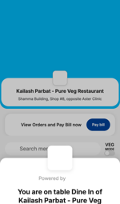 | 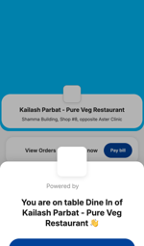
29 | E2E-03 | UI flow | End-to-end (Java) | Menu | Add simple item | Offers tab → Add Dahi ke Kebab | "1 items added" | As expected | PASS |  | 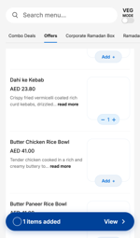 | 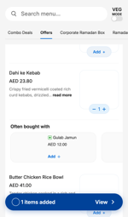
30 | E2E-04 | UI flow | End-to-end (Java) | Item customisation sheet | Add customisable item with 2 add-ons | Paneer Dum Biryani + 2 add-ons | "2 items added" | As expected | PASS |  | 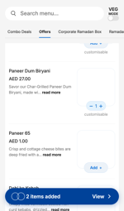 | 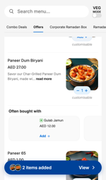
31 | E2E-05 | UI flow | End-to-end (Java) | Cart | Cart shows items, add-ons, total | View cart | AED 55.30 (= menu + option prices) | As expected | PASS |  | 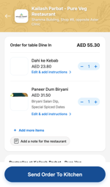 | 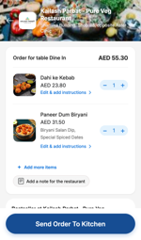
32 | E2E-06 | UI flow | End-to-end (Java) | Place your order | Order creation keeps add-ons | Name, mobile, swipe | Add-ons present on created order | customizations = [] → add-ons lost | FAIL | ISS-01 | 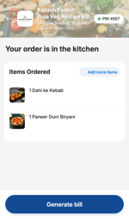 | 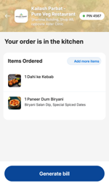
33 | E2E-07 | UI flow | End-to-end (Java) | Join table (PIN) | Second guest joins with PIN | New browser → Pay bill → PIN 4567 | Guest sees the order | As expected | PASS |  | 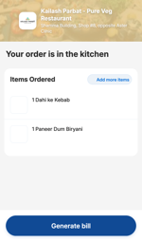 | —
34 | E2E-08 | UI flow | End-to-end (Java) | Pay bill | Bill equals cart total + tip | Generate bill | Bill 55.30, total with tip 59.30 | Bill 50.80, total 54.80 | FAIL | ISS-02 | 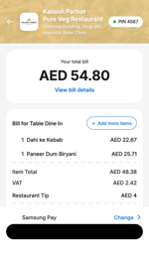 | 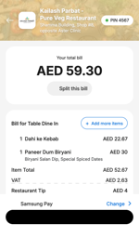
35 | E2E-09 | UI flow | End-to-end (Java) | Payment method / Telr | Card payment opens Telr with correct amount | Change → Debit/Credit Cards | initiate_payment tip=4, Telr "Pay AED 59.30" | tip=4 correct, Telr shows AED 54.80 | FAIL | ISS-02 | 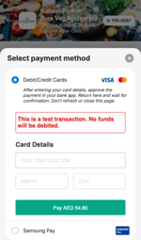 | 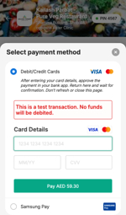
36 | E2E-10 | UI flow | End-to-end (Java) | Payment success | Pay with test card, payment success | Card 4000…0002, 06/28, 123 | authorised → payment_success, tip saved | As expected | PASS |  | 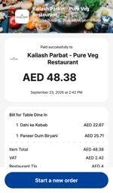 | 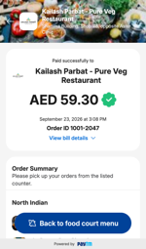
37 | E2E-11 | UI flow | End-to-end (Java) | Payment success | Success screen shows amount charged | Read "Paid successfully" amount | AED 54.80 (charged) | AED 48.38 | FAIL | ISS-03
38 | E2E-12 | UI flow | End-to-end (Java) | Payment success (reopened) | Re-open return link does not double the tip | Reload from_pg link | Tip remains 4.0; AED; table name shown | As expected | PASS |  | 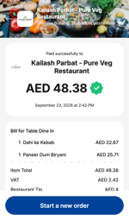 | 
39 | E2E-13 | UI flow | End-to-end (Java) | Rating & feedback | Rating & feedback submitted | 5 stars + 2 tags + Submit | status success, rating 5, correct tags | As expected | PASS |  | 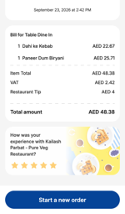 | 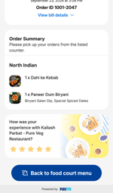
40 | E2E-14 | UI flow | End-to-end (Java) | Table released | Table released after payment | view_cart | customer_details | As expected | PASS |  | — | —
41 | E2E-15 | UI flow | End-to-end (Java) | All screens | All API calls go to Java host | Network recorder on every page | 0 calls off dine-in-service-staging | 0 calls off host (12 endpoints, ~27 calls) | PASS |  | — | —
42 | E2E-16 | UI flow | End-to-end (Java) | All screens | No API call fails | Network recorder | No 4xx/5xx/network errors | None | PASS |  | — | —
43 | E2E-17 | UI flow | End-to-end (Java) | All screens | Every flow endpoint was exercised | Compare with expected list of 12 | All 12 called | All 12 called | PASS |  | — | —
44 | E2E-18 | UI flow | End-to-end (Java) | Start a new order | Start a new order after payment | Tap "Start a new order", add an item | Menu for same QR, empty cart, customer prefilled, table free | As expected (menu call on Java host, active_orders false, "1 items added") | PASS |  | 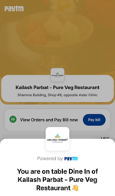
45 | ITEM-01 | Order data | Item comparison |  | Same items added in Java and Ruby flows | Compare order request lines of both runs | Identical item ids, quantities, unit prices, add-ons | Identical: Dahi ke Kebab 23.80; Paneer Dum Biryani 27.00 + Biryani Salan Dip 1.50 + Special Spiced Dates 3.00 = 55.30 | PASS | See "Item Details"
46 | ITEM-02 | Order data | Item comparison |  | Stored order keeps add-ons | order_create response per item | Paneer Dum Biryani stored with 2 add-ons | Ruby: 2 add-ons, line 30.00 ex VAT · Java: none, line 25.71 ex VAT | FAIL | ISS-01
47 | ITEM-03 | Order data | Item comparison |  | Bill lines include add-ons | qr_print (bill) per item | Add-ons shown on bill, VAT on add-ons included | Ruby: add-ons listed, VAT 2.63 · Java: none, VAT 2.42 | FAIL | ISS-01
48 | ITEM-04 | Order data | Item comparison |  | Java bills a Ruby-created order with add-ons correctly | Create order via Ruby, pay it via Java UI (settle tool) | Bill 55.30, Telr charge 59.30 | Bill 55.30, Telr "Pay AED 59.30" → Java billing/payment is correct; defect is only in Java order creation | PASS | ISS-01, ISS-11 | — | —
49 | LR-01 | UI flow | Linked & recommended | Complete your meal sheet | "Complete your meal" bottom sheet opens on Add (Soups & Snacks) | Tap Add on Onion Samosa | Sheet with linked items 7 UP, Pepsi | Java: no sheet · Ruby: shown | FAIL | ISS-04 | 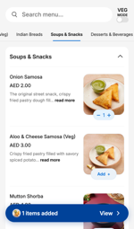 | 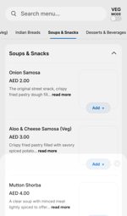
50 | LR-02 | UI flow | Linked & recommended | Complete your meal sheet | Linked item can be added from "Complete your meal" | Aloo & Cheese Samosa → select 7 UP → Add item | Cart has the item + 7 UP | Java: not possible (no sheet) · Ruby: cart = Onion Samosa, Aloo & Cheese Samosa, 7 UP | FAIL | ISS-04 | 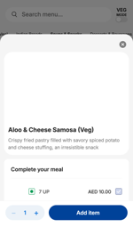 | 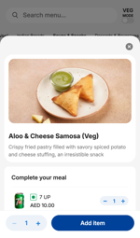
51 | LR-03 | UI flow | Linked & recommended | Often bought with | "Often bought with" shown after adding item | Add Onion Samosa | Gulab Jamun, 7 UP, Pepsi | Java: not shown · Ruby: shown | FAIL | ISS-04 |  | 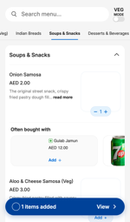
52 | LR-04 | UI flow | Linked & recommended | Cart Bestseller | Cart "Bestseller" shows recommended items | Open cart | Items from qr_recommended_items | Shown on Java and Ruby | PASS |  | 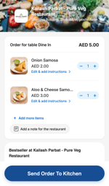 | 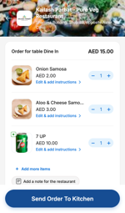
53 | LR-05 | UI flow | Linked & recommended | Complete your meal / Often bought with | Root cause diagnostic: v3 UI with Ruby ids injected into Java menu response | Intercept Java qr_online_order, copy linked/recommended ids from Ruby | If sections appear, v3 frontend is fine and the Java API is the cause | All sections appear and work in v3 → Java API defect | PASS | ISS-04 |  | —
54 | LR-06 | UI flow | Linked & recommended | Menu API | Menu data: linked / recommended ids present | Compare Ruby vs Java qr_online_order | 14 items with linked ids, 83 with recommended ids | Java: 0 and 0 (all 155 items empty) | FAIL | ISS-04 | — | —
55 | BASE-03 | Control run | Ruby baseline |  | Ruby baseline full flow (16:38) | npm run test:ruby-baseline | Same flow as Java incl. payment and feedback | Passed all order/bill/payment checks: add-ons stored, bill 55.30, charged 59.30, success screen 59.30, tip 4 saved. Last step differs: Ruby success page shows "Back to food court menu" instead of "Start a new order" (old UI build) | PASS | Control for ISS-01..03 | —
56 | BASE-02 | Control run | Ruby baseline |  | Re-run of Ruby baseline (16:10) | npm run test:ruby-baseline | Full bill with tip, card payment | Old /qr_menu/ UI opened the bill in split-bill mode ("This bill is split", "Proceed to your share") even with one payer; no tip shown. Intermittent: the 16:38 run showed the full bill | NOT TESTED | ISS-10 | — | 
57 | BASE-01 | Control run | Ruby baseline |  | Same end-to-end flow via old /qr_menu/ (Ruby APIs) | npm run test:ruby-baseline | All checks pass | All checks pass (add-ons kept, amounts correct) | PASS | Control for ISS-01..03 | —

