🏠 INSTRUCTIONS
C2 Capstone project: Heart disease prevention

Grading Once you complete the exercises in this spreadsheet, you can use your answers to complete the graded quiz. You will not upload your spreadsheet for grading. Only the quiz is graded; however, you will need to complete each step to collect the right insights for the quiz questions.

Check off each step as you go:
TRUE | 1. Read the background and data set information below
TRUE | 2. Review the Data sheet. Think about what insights you can gain and how the features provide context for your business problem. After the data sheet, there are two more sheets that contain filtered data. You can have a look at them now, but you will only use them for Exercise 3.
TRUE | 3. Move on to the next Exercise 1 - Descriptive statistics!

Background You are collaborating with a group of cardiologists from a local hospital. They want to see if they can use the power of statistics to predict heart diseases in a more automated way, without the need of a professional to make a diagnosis. You have been tasked with helping this effort!

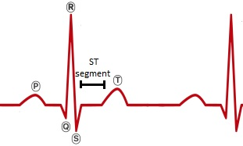
Fields Every row (observation) in the dataset represents one patient and the columns (features) are: Features used in this lab: ● age: age of the patient ● oldpeak: ST depression induced by exercise relative to rest. This means how much the ST segment lowered after exercise, in relation with the ST segment under rest conditions. ● fbs: fasting blood sugar > 120 mg/dl (1 = true; 0 = false) ● maxheartrate: maximum heart rate achieved ● diagnosis: diagnosis of heart disease (angiographic disease status). 0 = < 50% diameter narrowing, 1 = > 50% diameter narrowing Other features you can explore: ● sex: sex of the patient (1=male, 0=female) ● trestbps: resting blood pressure (in mm Hg on admission to the hospital) ● chol: serum cholesterol in mg/dl ● restecg: resting electrocardiographic results (0 = normal,1 = having ST-T wave abnormality, 2 = showing probable or definite left ventricular hypertrophy) ● exang: exercise induced angina ● slope: the slope of the peak exercise ST segment ● ca: number of major vessels (0-3) colored by fluoroscopy ● thal: 0 = normal; 1 = fixed defect; 2 = reversible defect ● cp: chest pain type (0 = typical angina, 1 = atypical angina, 2 = non-anginal pain, 3 = asymptomatic)

1 - Descriptive stats
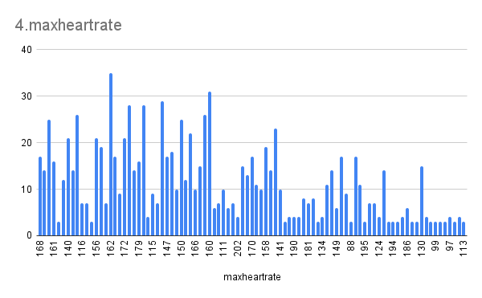
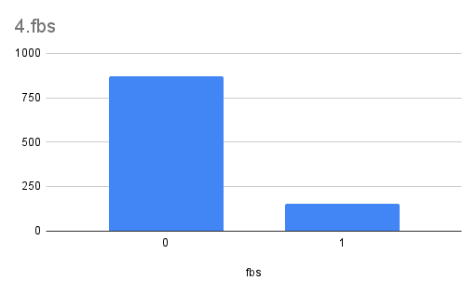
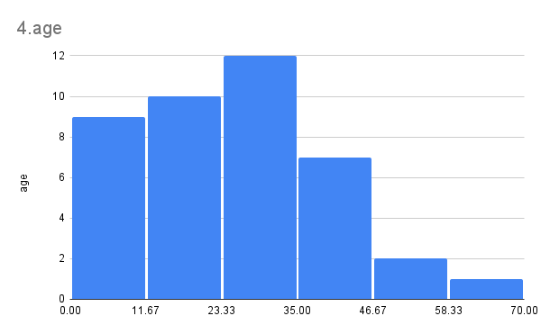
Exercise 1 - Descriptive statistics Doctors believe there is great potential in the features oldpeak (the ST depression induced by exercise relative to rest), fbs (whether the fasting blood sugar is abobe 120 mg/dl or not), and of course the age of the patient in predicting heart disease. You have decided to start your analysis by analyzing these variables.

Check off each step as you go:
TRUE | 1. Enter a formula in cell C14:F14 to calculate mean of age, oldpeak, maxheartrate and fbs.
TRUE | 2. Enter a formula in cell C15:F15 to calculate the median of age, oldpeak, maxheartrate and fbs.
TRUE | 3. Enter a formula in cell C16:F16 to find the standard deviation of age, oldpeak, maxheartrate and fbs.
TRUE | 4. Plot the distributions of these features. For each feature, decide if you should use a histogram or a column chart. Check that each descriptive statistic matches with the plotted distributions.
TRUE | 5. Answer the three questions under Exercise 1 - Descriptive statistics in the Answer sheet.
TRUE | 6. When you are done, move to the next sheet.

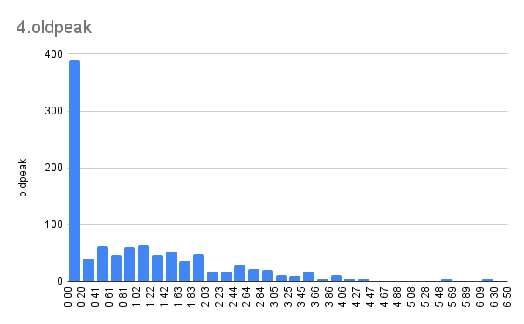
Feature | age | oldpeak | maxheartrate | fbs
Mean | 54.43414634 | 1.071512195 | 149.1141463 | 0.1492682927 | upper_maxhr | 172.1198701
Median | 56 | 0.8 | 152 | 0 | lower_maxhr | 126.1084226
Standard deviation | 9.072290233 | 1.175053255 | 23.00572375 | 0.3565266897

