2 - Distributions
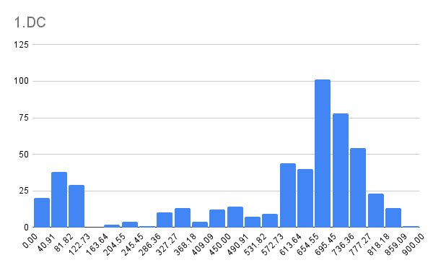
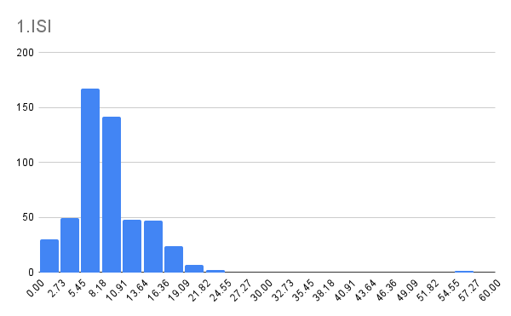
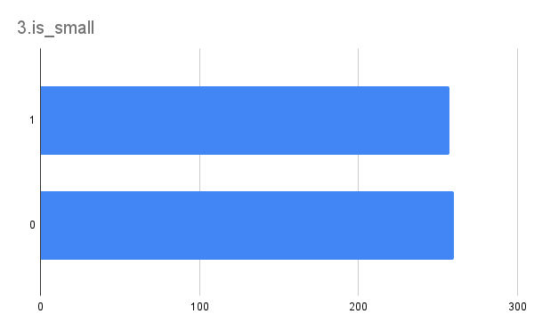
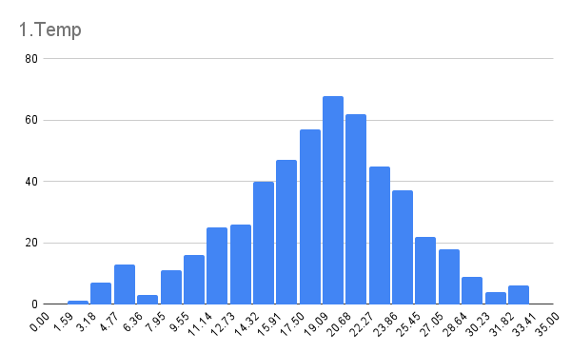
Exercise 2 - Distributions Your next step is to see if you can identify the distributions that might best model some of the features in the dataset. You can visualize the distributions to find the best model. Remember that to really prove that the data comes from a particular distribution, you would need to perform some statistical testing that is outside of the scope of this course.

Check off each step as you go:
TRUE | 1. Create three histograms to plot the distribution of temp, DC, and ISI. These are the same charts you created in the Module 1 assignment.
TRUE | 2. In Column N of the Data tab, create a new feature based on area called is_small. If the burned area is small (<0.5ha), you want the feature to take the value 1; otherwise, it should be 0.
TRUE | 3. Create a bar chart to show the distribution of this new variable.
TRUE | 4. Do any of these features follow any of the probability distributions you are familiar with (normal, power law, uniform, bernoulli, binomial).?
TRUE | 5. When you are done, move to the next sheet.

