2 - Visualization
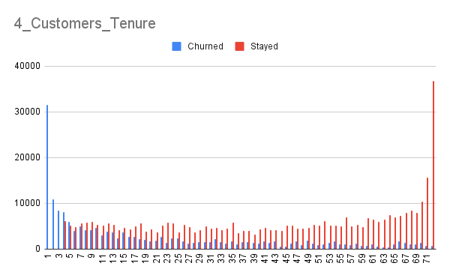
Exercise 2 - Visualization In this exercise, you will explore the behavior of customers who churn and who stay with the company using visualization.

Check off each step as you go:
TRUE | 1. Create a new column in the Data sheet, Churned. If the customer's 'Customer Status' is 'Churned', put their average monthly revenue (i.e. total revenue divided by tenure in months) in the 'Churned' column. Otherwise, leave it blank. HINT: Use the IF function.
TRUE | 2. Create another new column in the Data sheet, Stayed. If the customer's 'Customer Status' is 'Stayed', put their average monthly revenue in the 'Stayed' column. Otherwise, leave it blank. HINT: Use the IF function.
TRUE | 3. Sort the table by tenure from low to high. Make sure you sort the whole sheet, not just one column.
TRUE | 4. Use the columns you just created to create a grouped column chart showing the number of customers that churned and stayed by their tenure. Add tenure on the X-axis and aggregate it. Then add churned and stayed to the y axis, using the sum aggregation function. What can you say about the relationship between tenure and churn?
TRUE | 5. Use these new columns to create a scatter plot for Avg Monthly Long Distance Charges vs. Average Monthly Revenue. You should have one color per Customer Status value. What does this plot tell you? Are there any outliers?
TRUE | 6. Answer the questions under Exercise 2 - Visualization in the Answer sheet.
TRUE | 7. When you are done, move to the next sheet.

5_AvgLongDistaceCharges_Churned
5_

3 - Churn reason
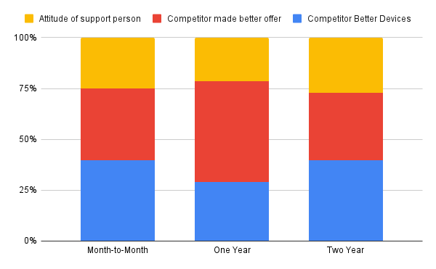
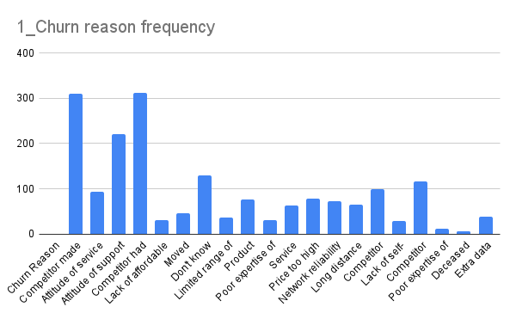
Exercise 3 - Churn reason Another important factor to consider is the reason the customers are churning. This might help the company create better retention strategies.

Check off each step as you go:
TRUE | 1. Create a column chart showing the number of churned customers per Churn Reason. You'll need to add Churn Reason to the x axis and aggregate it.
TRUE | 2. Create a new column in the Data sheet, for the most common churn reason. If the customer listed the given churn reason, put their average monthly revenue into this column. Otherwise, leave it blank. HINT: Use the IF function. This task is similar to the one you performed in Exercise 2 - Visualization Step 1
TRUE | 3. Create a new column in the Data sheet, for the second most common churn reason. If the customer listed the given churn reason, put their average monthly revenue into this column. Otherwise, leave it blank.
TRUE | 4. Create a new column in the Data sheet, for the third most common churn reason. If the customer listed the given churn reason, put their average monthly revenue into this column. Otherwise, leave it blank.
TRUE | 5. Use the three columns you just created to create a 100% stacked column chart showing the average monthly revenue for each of the three churn reasons. Use Contract for the x-axis and aggregate it. You should have three columns in series, aggregated by sum. Is the lost revenue from the churned customers equally distributed across the different contracts?
TRUE | 6. Answer the three questions under Exercise 3 - Churn reason in the Answer sheet.
TRUE | 7. When you are done, go back to Coursera and answer the quiz.

