1 - Distributions
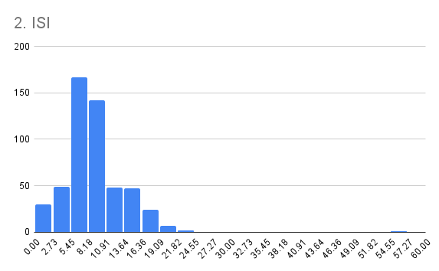
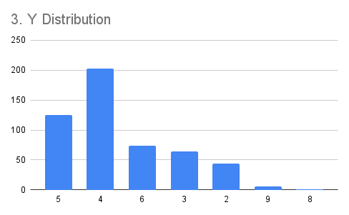
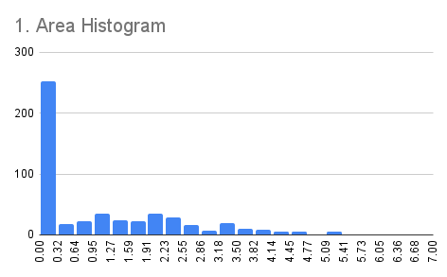
Exercise 1 - Plotting distributions You will begin by plotting the distributions of different features in the dataset. This step will help you better understand the conditions under which forest fires occur.

Check off each step as you go:
TRUE | 1. Plot the distribution of the area column. What type of chart should you use?
TRUE | 2. Plot the distributions for temp and ISI columns in separate charts.
TRUE | 3. Plot the distribution for the Y column. How is it different from the other features? HINT: You may need to move the data from "Series" to "X axis" in the chart editor, and aggregate. Try sorting the data by the Y column to get sorted values on the horizontal axis.
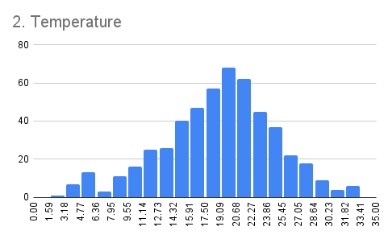
TRUE | 4. Reflect on the following question for each of the distributions: - Which are the most frequent values? - Where is the center of mass of the distribution? - Is the distribution skewed? - Are there any highly unusual values (outliers)?
TRUE | 5. When you are done, move to the next sheet.

3 - Correlation
RH vs Temp
Exercise 3 - Correlation In the previous exercises, you examined how some of the features in the dataset behave individually. Your next step is to take a look at relationships between features. You will conduct this analysis by analyzing correlations between features.

Check off each step as you go:
TRUE | 1. Create a scatter plot showing the features ISI and temp.
TRUE | 2. Create a scatter plot showin RH vs. temp.
TRUE | 3. Refrect on the plots you just created: - How well do the data points fit a straight line? - What is the sign of the correlation? - Do you expect it to be weak, moderate or strong? Why?
TRUE | 4. Use cells B13 and B14 to calculate the correlation between ISI and temp, and RH and temp. Where your plot interpretations correct?
TRUE | 5. When you are done, move to the next sheet.

1. ISI vs Temp
Features | Correlation
ISI - temp | 0.3942871042
RH - temp | -0.5273903386

4 - Segmentation
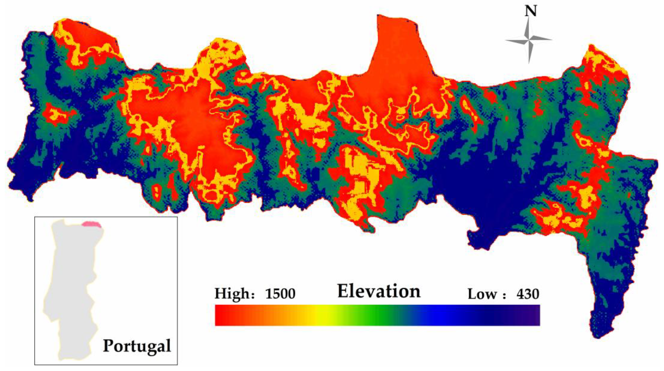
2
1
3
4
5
6
7
8
9
Exercise 4 - Segmentation The image on the right shows the varied elevations of the Montesinhos natural park. The vertical lines divide the park based on the feature X from this data set. Since different sections have distinct elevation profiles, you want to see if there are different forest fire patterns in each section.

Check off each step as you go:
TRUE | 1. Create a pivot table in cell B18. For rows add X, and for values select area and DC. Set the summarization of all variables to AVERAGE. HINT: To insert the pivot table into this sheet, select the Data in the Data tab, then use Insert → Pivot table. Then choose the option "Existing sheet" and select cell B18 below.
TRUE | 2. Add a value for area and set the summarization to COUNT. Which X regions had the greatest number of fires?
TRUE | 3. Add two values, showing the STDEV for area and DC.
TRUE | 4. Create a new column showing the MEDIAN for DC.
TRUE | 5. Complete the reflection questions below.
TRUE | 6. Great work! When you are done, you are ready to complete the Quiz!

Reflect on the following questions
TRUE | 1. Which is the coordinate with greatest number of fires? |  |  |  |  | Source: Dong H, Wu H, Sun P, Ding Y. Wildfire Prediction Model Based on Spatial and Temporal Characteristics: A Case Study of a Wildfire in Portugal’s Montesinho Natural Park. Sustainability. 2022; 14(16):10107.
TRUE | 2. Which X coordinate tends to have the wildfires with lowest area? You should analyze mean and standard deviation
TRUE | 3. What about lowest DC?
TRUE | 4. Look at the difference between AVERAGE and MEDIAN for DC. Does it suggest the same direction and degree of skewness for all the segments?

X | AVERAGE of area | AVERAGE of DC | COUNT of area | STDEV of area | STDEV of DC | MEDIAN of DC
1 | 1.1520220242 | 659.72708333 | 48 | 1.5227454982 | 134.29558181 | 692.6
2 | 1.1274070232 | 590.15616438 | 73 | 1.2958300224 | 203.8869778 | 658.2
3 | 0.5526769693 | 497.79636364 | 55 | 0.96407386467 | 271.95925891 | 608.2
4 | 1.2553931245 | 531.16593407 | 91 | 1.4575177334 | 260.98163376 | 661.8
5 | 0.79593910806 | 505.81 | 30 | 1.0096183128 | 303.16758806 | 689.4
6 | 1.1851797749 | 488.15116279 | 86 | 1.4533858027 | 300.13188895 | 657.95
7 | 1.0824323344 | 571.9 | 60 | 1.413517129 | 233.55382351 | 671.2
8 | 1.3250812907 | 592.73606557 | 61 | 1.5681259669 | 178.21128942 | 664.2
9 | 1.5834623442 | 399.66153846 | 13 | 1.706941528 | 231.87467354 | 355.2
Grand Total | 1.1110257653 | 547.94003868 | 517 | 1.3984359559 | 248.06619171 | 664.2

