1 - Time series
total over time
 | Total Rentals | Moving Average
Exercise 1 - Time series analysis Your first step is to conduct a time series analysis of this data to analyze the usage of bike rentals over time. Your client is only planning on expanding if the demand for bike rentals is increasing. Your client is also interested in seasonality to identify the busiest and slowest times of year. This analysis will help them take bikes off the streets for maintenance during off-peak seasons.

Check off each step as you go:
TRUE | 1. (Optional) Assign named ranges to each of the columns using Data → Named Ranges. This step makes remembering the names easier when you're typing formulas later.
TRUE | 2. Create a line chart of the total number of rentals over time. Use date as the x-axis. Can you see any patterns? How does season affect rentals? Remember the data was gathered in Washington, DC, USA where there are four seasons. You can widen the plot to better see the details.
TRUE | 3. Create a new column that calculates the 10 day moving average of the total column.
TRUE | 4. Create a new line chart with the moving average or add the moving average as a new series to your chart. Does the moving average help you better identify the patterns in the data?
Registered vs Casuals
 | Registered | Casual
TRUE | 5. Create a new line chart with the columns casual and registered. Are there any differences in the behaviour between casual and registered users?
TRUE | 6. (Optional) Can you think of a better way to visualize these three series? Try selecting the stacked area chart option from the 'Chart type' drop down menu in the Chart editor.
TRUE | 7. When you are done, move to the next sheet.

total over time
 | Total Rentals | Moving Average

Registered vs Casuals
 | Registered | Casual

2 - Bar charts
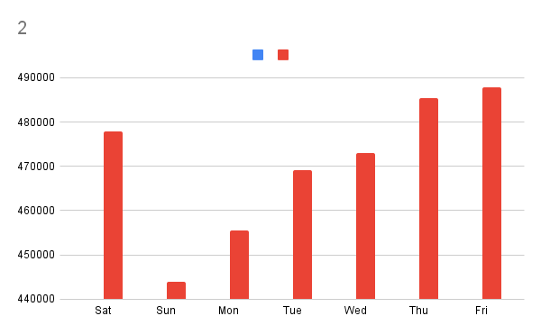
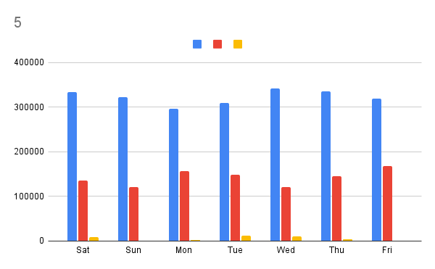
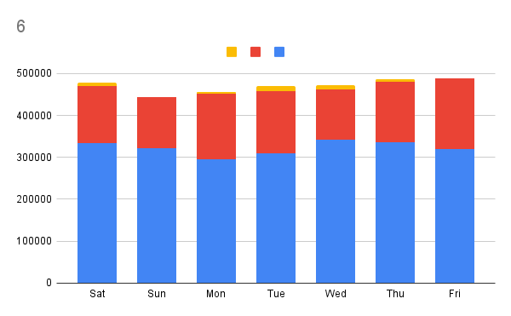
Exercise 2 - Day of week and weather situation You learned in the previous exercise that the number of bike rentals is really dependent on the season. Now you will look at the bike rentals across different weather conditions. Understanding how customer demand behaves in these different weather conditions can help with planning strategic maintenance and marketing initiatives.

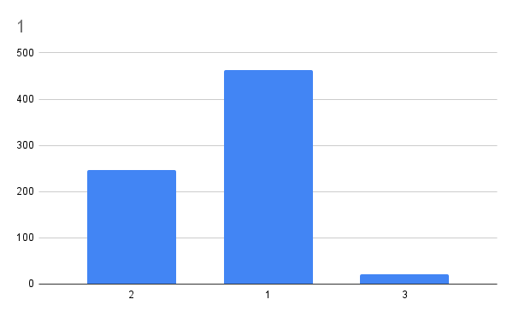
Check off each step as you go:
TRUE | 1. Create a new column chart showing number of rentals per weather situation. Don't forget to aggregate the X-axis. Based on the graph, how does the weather situation appear to affect the number of bike rentals? HINT: For more information on aggregation, check the practice lab earlier in this module.
TRUE | 2. Create a column chart of the number of rentals per weekday. Don't forget to aggregate the X-axis by sum. Can you see any patterns across different days of the week?
TRUE | 3. In the Customize tab, under Vertical axis, set the minimum value for the weekday chart to 440,000.
TRUE | 4. To create a visualization of rentals by weekday and weather situation, you will need to create 3 more columns: total_1, total_2, and total_3. Each column needs to display the total number of rentals, only if they happened on that particular weather situation. Add them to the Data sheet. HINT: Use a formula with a conditional function. For example, if the weather situation matches 1, display the total under total_1 for that row and display nothing under total_2 and total_3 for that row (represented as empty quotes - ""). HINT 2: If you are stuck, check cell Q500 in the Data tab for an example formula.
TRUE | 5. Insert a new grouped column chart showing number of rentals by day of week. Group by weekday. You'll need weekday on the X-axis, and your three new columns as series. Is it better to aggregate by count, sum, or average?
TRUE | 6. Repeat the visualization using a stacked column chart. Is it better to aggregate by sum or by average? Compare the information between the group bar charts and the stacked bar charts. What insights can you draw from each? Do they convey the same information?
TRUE | 7. When you are done, move to the next sheet.

3 - Scatter plots
Exercise 3 - Weather variables In the previous exercise you analyzed the influence of the 'weather situation' variable on the number of bike rentals. Now you will look into the effect of specific weather variables like temperature, windspeed, and humidity. This plots should help you and the company better understand which weather variables have most impact on the bike rental demand.
1
Check off each step as you go:
TRUE | 1. Create a scatter plot of temperature and total number of rentals. Note that temperature is "normalized", meaning that you'll see values between 0 and 1 representing that temperature compared with the minimum and maximum temperatures.
TRUE | 2. Create a scatter plot of humidity and total number of rentals.
TRUE | 3. Add the trend line for each chart using the Customize tab, under Series. What trends or behaviors can you infer from each one? Does the data match closely with the trend lines?
TRUE | 4. Repeat the scatter plots, but this time identify points happening on each of the weather situations. You should have 3 colors per plot. Reflect on the new information you've uncovered. HINT: Use the 3 extra columns you created in the previous exercise.
TRUE | 5. Take a look at the scatterplot for humidity. Can you spot the most unusual value, also known as an outlier? Use the format data point feature to give it a special appearance.
TRUE | 6. When you are done, you're ready to answer the graded quiz! Return to Coursera and complete the quiz questions. | 623

2
4T

4H

