中国のDeepseekとの比較表
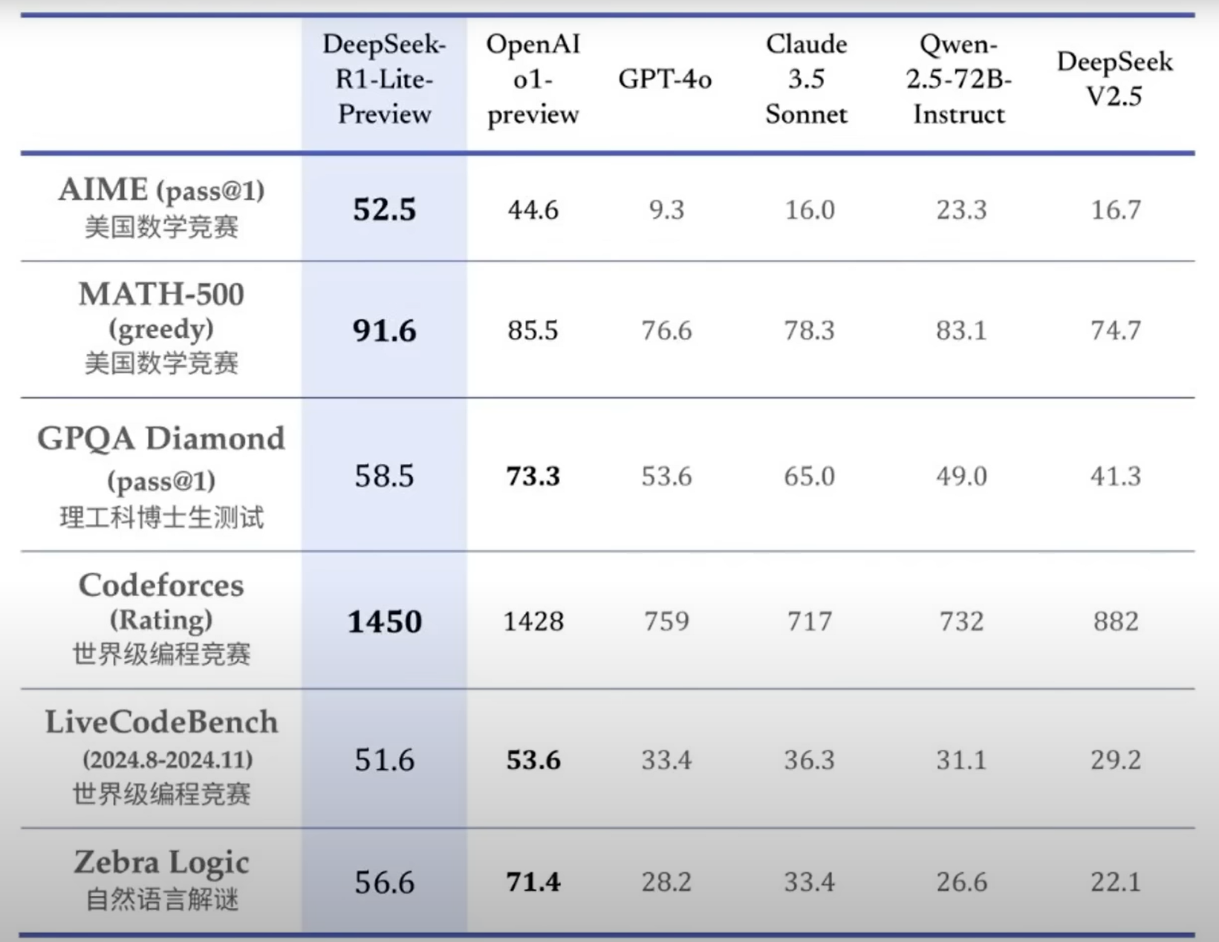
 | DeepSeek R1-Lite-Preview | OpenA o1 preview | GPT-4o | Claude3.5 Sonnet | Qwen 2.5-72B Instruct | DeepSeek V2.5
AIME （pass@1） | 52.5 | 44.6 | 9.3 | 16.0 | 23.3 | 16.7
MATH-500 （greedy） | 91.6 | 85.5 | 76.6 | 78.3 | 83.1 | 74.7
GPQA Diamond (pass@1） | 58.5 | 73.3 | 53.6 | 65.0 | 49.0 | 41.3
Codeforces （Rating） | 1480 | 1428 | 759 | 717 | 732 | 882
LiveCodeBench （2024.8-2024.11） | 51.6 | 53.6 | 33.4 | 36.3 | 31.1 | 29.2
Zebra Logic | 56.6 | 71.4 | 28.2 | 33.4 | 26.6 | 22.1

