Groups
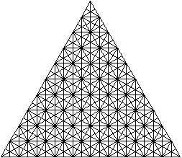
A | - |  | A | BCD | DEF | ABF
B | / (30°) |  | B | ABD | BCF | AFD | BEF | BDE | CDF
C | / |  | C | ABE | BCE | ACD | ADE | ACF | CEF
D | | |  | D | ACE
E | \ |  | E | AEF | ABC | CDE
F | \ (30°) |  | F | BDF

 | T(1) | T(2) | T(3) | T(4) | T(5)
ABC | 0 | 2 | 6 | 14 | 26
ABD | 1 | 6 | 16 | 33 | 59
ABE | 1 | 5 | 14 | 29 | 52
ABF | 1 | 5 | 14 | 30 | 54
ACD | 1 | 5 | 14 | 29 | 52
ACE | 1 | 5 | 13 | 27 | 48
ACF | 1 | 5 | 14 | 29 | 52
ADE | 1 | 5 | 14 | 29 | 52
ADF | 1 | 6 | 16 | 33 | 59
AEF | 0 | 2 | 6 | 14 | 26
BCD | 1 | 5 | 14 | 30 | 54
BCE | 1 | 5 | 14 | 29 | 52
BCF | 1 | 6 | 16 | 33 | 59
BDE | 1 | 6 | 16 | 33 | 59
BDF | 0 | 6 | 26 | 62 | 122
BEF | 1 | 6 | 16 | 33 | 59
CDE | 0 | 2 | 6 | 14 | 26
CDF | 1 | 6 | 16 | 33 | 59
CEF | 1 | 5 | 14 | 29 | 52
DEF | 1 | 5 | 14 | 30 | 54
Tot | 16 | 98 | 279 | 593 | 1076
Correct | 16 | 104 | 303 | 653 | 1196

