Getting Started
Section | Module | Page / URL | Task | Who | Step-by-step instructions | Expected result | Tips & notes | Screenshot
Login | Authentication | /login | Sign in as Manager | Manager | 1. Open the POS URL in Chrome or Edge (e.g. http://your-server:3000). 2. Enter username: manager 3. Enter password: manager123 (change after first login in production). 4. Click Sign in. 5. You land on the Dashboard. | Dashboard loads with manager quick actions (POS, Products, Inventory, Reports). | Sales staff use username sales. Super Admin uses admin. | 01-login.png | 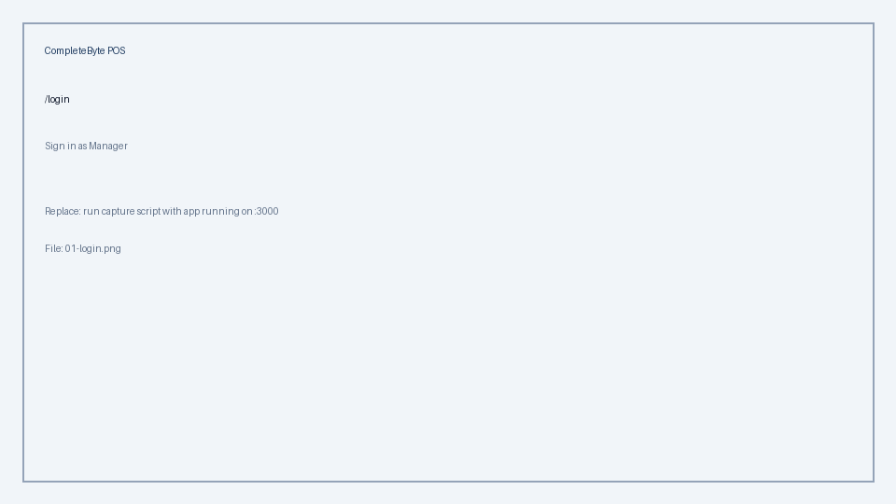
Login | Authentication | /login | Sign in as Super Admin | Super Admin | 1. Open /login. 2. Username: admin — Password: admin123. 3. Sign in → Dashboard shows admin shortcuts (Users, Module Settings). | Full navigation including Settings and User Management. | Only Super Admin can manage users, roles, modules, branches, and system rules. | 02-dashboard-admin.png | 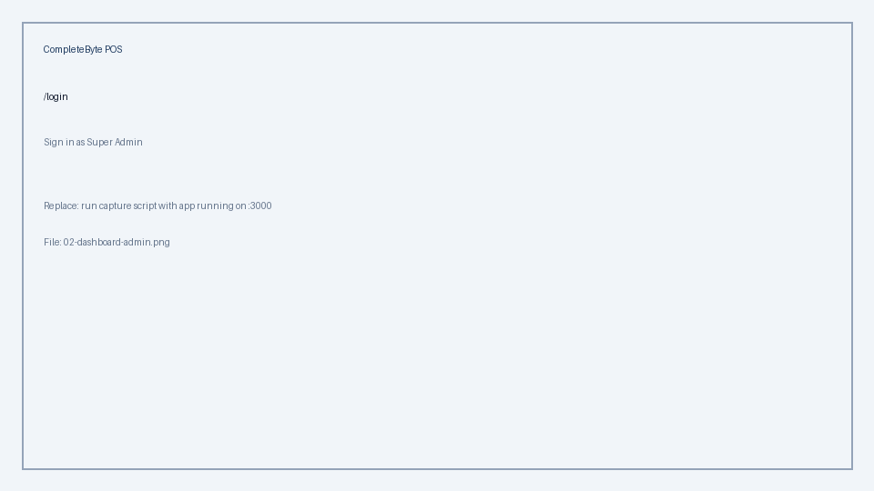
Navigation | Layout | / | Use the sidebar | Manager, Super Admin | 1. Left sidebar groups features: Main, Inventory, Sales, Finance, Reports. 2. Click a section heading to expand/collapse. 3. Active page is highlighted. 4. On mobile, open the menu icon (☰) to show the sidebar. 5. Sign out from the profile menu (top-right). | Reach any module your role is allowed to access. | If a link is missing, the module may be disabled in Module Settings (Super Admin). | 03-sidebar-manager.png | 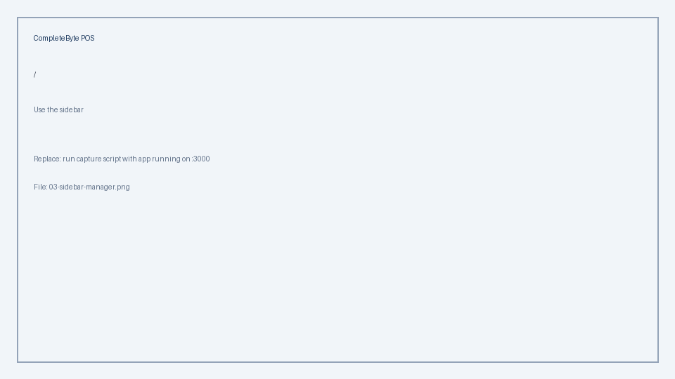
Roles | Security | — | Understand the three default roles | All | Super Admin — full control: users, roles, module install, system settings, branches, financial approvals. Manager — daily operations: catalog, stock, POS, reports, expenses/income entry, product/inventory approvals. Cannot manage users or approve expenses/income by default. Sales Personnel — POS, customers, limited catalog (if allowed). Cannot change prices, costs, or stock. | Assign work to the right person and know when to escalate to Super Admin. | Custom roles can be created by Super Admin under Roles. | 04-roles-reference.png | 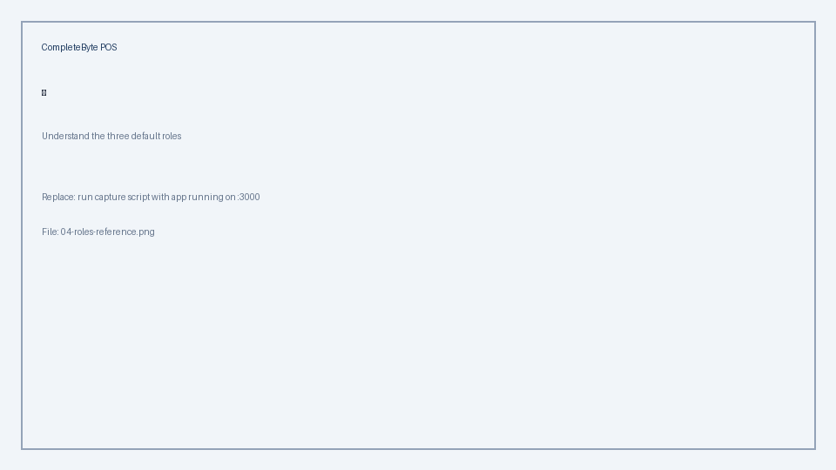

Manager Daily Ops
Section | Module | Page / URL | Task | Who | Step-by-step instructions | Expected result | Tips & notes | Screenshot
Dashboard | Dashboard | / | Review morning KPIs | Manager | 1. Open Dashboard after login. 2. Check Today's sales, month totals, and profit (if enabled). 3. Review low-stock alerts — click through to Inventory or Products. 4. Use Quick Actions: Start POS, Terminal POS, Products, Inventory, Reports. | Operational picture before opening the register. | KPIs respect branch filter when multi-branch is enabled. | 05-dashboard-manager.png | 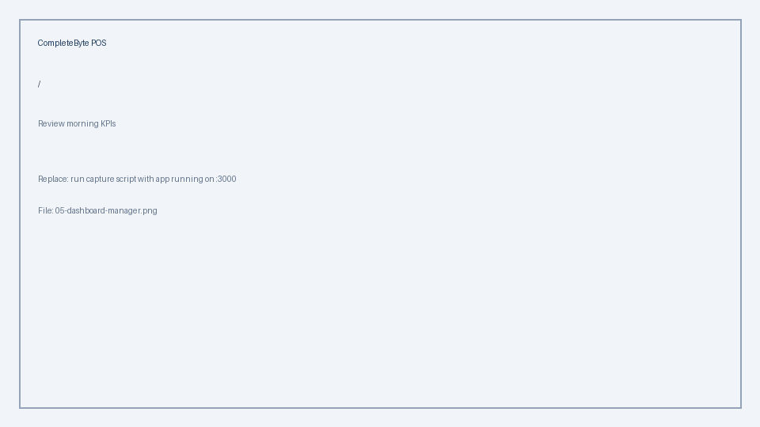

Sales & POS
Section | Module | Page / URL | Task | Who | Step-by-step instructions | Expected result | Tips & notes | Screenshot
Retail POS | Sales | /pos | Complete a cash sale | Manager, Sales | 1. Sidebar → POS (full-screen). 2. Search or browse products; click to add to cart. 3. For variant products: pick size/color in the popup, set quantity, Add to cart. 4. Optional: attach customer, apply discount/tax if module allows. 5. Choose payment method (Cash, M-Pesa, etc.). 6. Enter amount received → Complete sale. 7. Receipt dialog — print or close. | Sale recorded; stock reduced; receipt available. | Out-of-stock items are blocked when Validate stock is on in Sales module settings. | 06-pos-retail.png | 
Terminal POS | Sales | /pos/billing | Hold and resume a cart | Manager, Sales | 1. Open Terminal POS from sidebar. 2. Add items to the cart. 3. Cart auto-saves as a holding invoice. 4. Leave and return later — cart restores. 5. Checkout when ready: payment method, amount, confirm. | Holding sale converts to completed sale without losing items. | Useful for busy counters and credit customers. | 07-terminal-pos.png | 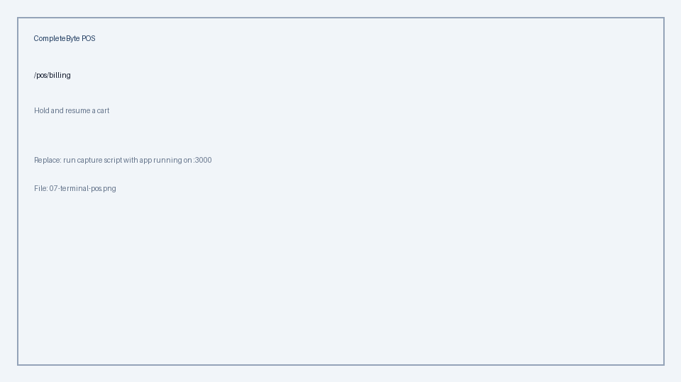
Sales history | Sales | /sales | Refund a sale | Manager, Super Admin | 1. Open Sales history. 2. Filter by date, cashier, or sale number. 3. Open the sale row → View details. 4. Click Refund (manager always allowed; sales only with permission). 5. Confirm — stock is restored per line. | Sale marked refunded; inventory adjusted. | Sales staff cannot refund unless granted sales.refund permission. | 08-sales-history.png | 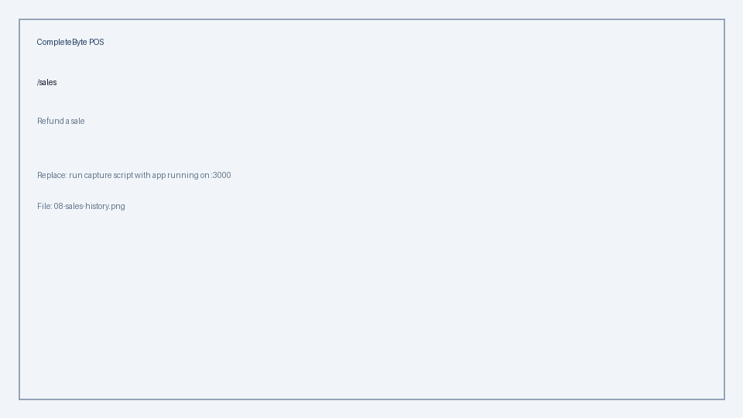
Normal sale | Sales | /normal-sale | Create an invoiced sale with partial payment | Manager | 1. Open Normal Sale. 2. Select customer (required for credit). 3. Add products and quantities. 4. Set tax/discount if enabled. 5. Submit — invoice created with balance due. 6. Record payments later under Invoices. | Invoice linked to customer with outstanding balance tracked. | Requires Invoicing module and normal_sale feature enabled. | 09-normal-sale.png | 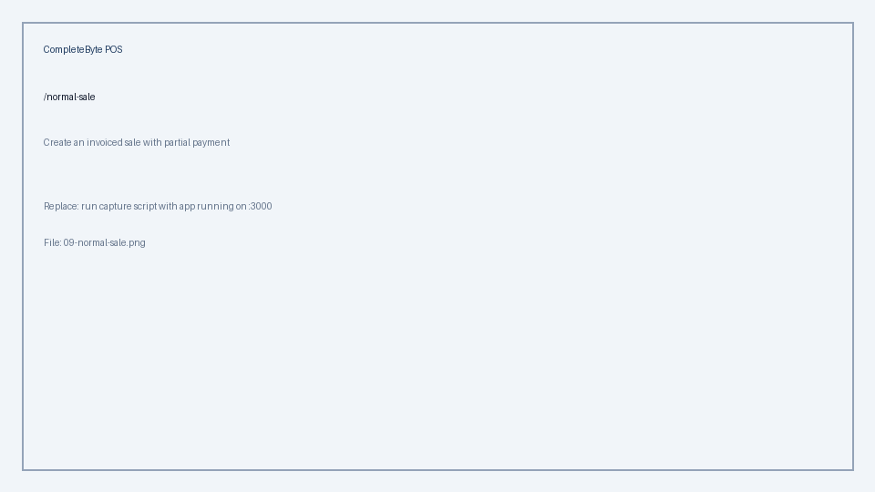

Products & Inventory
Section | Module | Page / URL | Task | Who | Step-by-step instructions | Expected result | Tips & notes | Screenshot
Products | Products | /products | Add a new product | Manager | 1. Products → Add product. 2. Fill name, SKU, category, unit of measure. 3. Set MRP, selling price, cost (manager can edit; sales cannot). 4. Set opening stock if tracking inventory. 5. Upload image (optional). 6. Save — if Maker-checker is on, price/stock changes may queue for approval. | Product appears in catalog and POS (after approval if queued). | Pending changes show a badge on the product list. | 10-products-list.png | 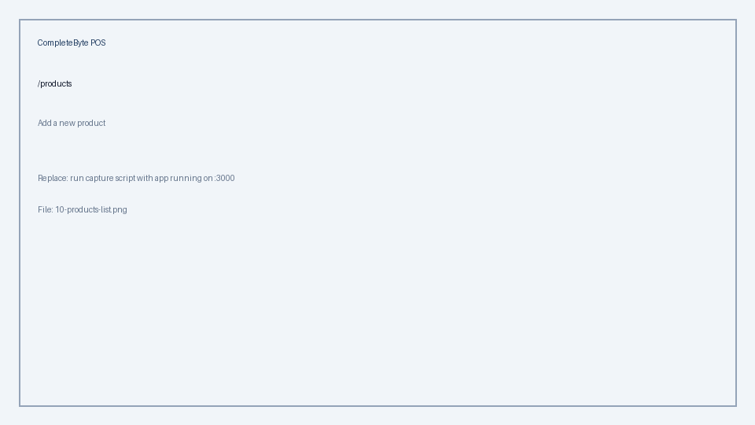
Products | Products | /products | Adjust stock from product list | Manager | 1. Products list → find the product. 2. Click stock quantity or row menu → Adjust stock. 3. Enter +/- quantity and reason. 4. Submit — may go to Pending approvals if Maker-checker is on. | Stock updated (or queued) without opening full edit form. | Stock column is read-only; always use Adjust stock action. | 11-stock-adjust-modal.png | 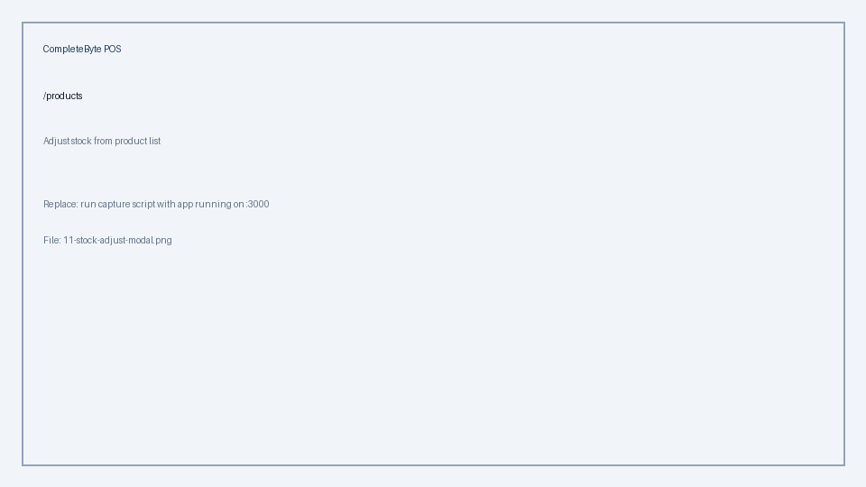
Categories | Products | /categories | Manage categories | Manager | 1. Open Categories. 2. Add category or subcategory. 3. Set active/inactive. 4. Deactivate/delete may require checker approval when Maker-checker is on. | POS and reports group products by category. | Inactive categories hide products from POS depending on settings. | 12-categories.png | 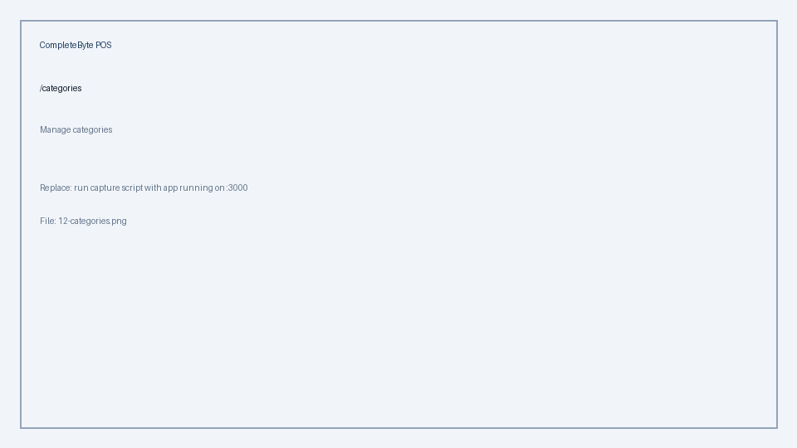
Variants | Products | /product-attributes | Set up sizes and colors | Manager | 1. Open Sizes & Colors (Product attributes). 2. Create sizes (S, M, L) and colors. 3. In product form, enable variants and assign size/color combinations. 4. Set price and stock per variant row. | POS prompts for size/color when adding variant products. | Requires product_variants feature in Module Settings. | 13-product-attributes.png | 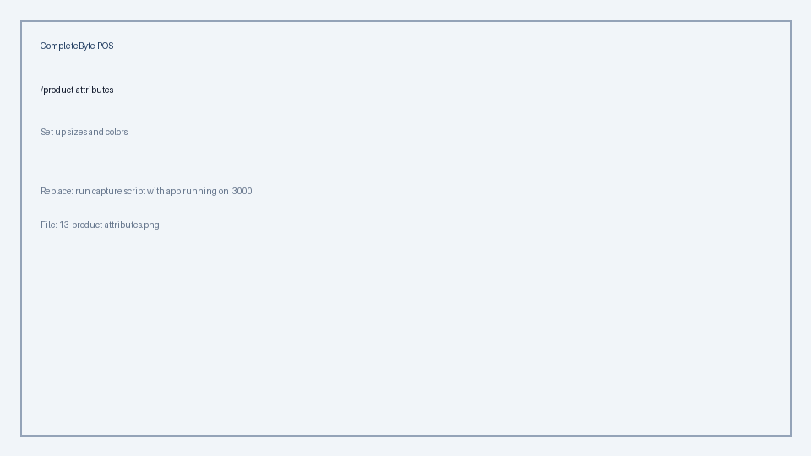
Barcodes | Barcodes | /barcodes | Print product labels | Manager | 1. Open Barcodes / Labels. 2. Search products or generate missing barcodes. 3. Select items → Preview → Print. 4. Use barcode scanner at POS to add items by SKU/barcode. | Shelf labels with barcode/QR for scanning. | Requires barcodes module enabled. | 14-barcodes.png | 
Inventory | Stock | /inventory | Record a stock purchase | Manager | 1. Inventory → Stock purchase (or Purchase tab). 2. Select product (and variant if applicable). 3. Enter quantity received and unit cost. 4. Add supplier reference and notes. 5. Save — queues for approval if Maker-checker is on. | Stock increases; weighted average cost updated. | Use for goods received from suppliers. | 15-inventory-purchase.png | 
Inventory | Stock | /inventory | Transfer stock between branches | Manager | 1. Inventory → Stock transfer. 2. Select product, quantity, source and destination branch. 3. Confirm transfer. 4. Review movement history for audit trail. | Stock moves between branches with paired movements. | Requires multi_branch_support feature. | 16-inventory-transfer.png | 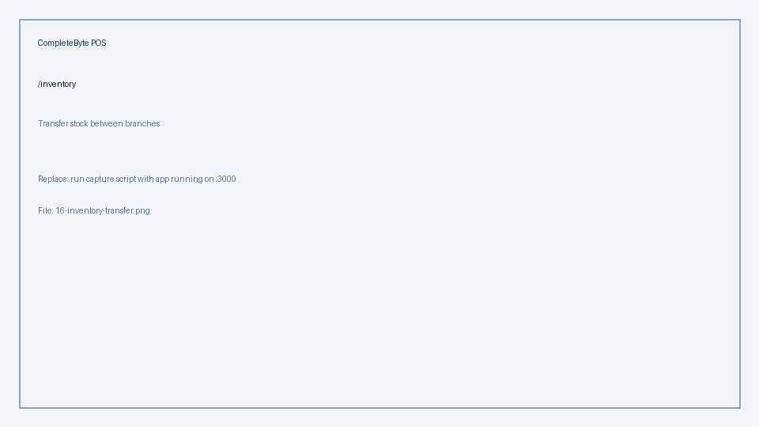
Inventory | Stock | /inventory | Monitor low and out-of-stock | Manager | 1. Inventory → Low stock tab. 2. Review items below threshold. 3. Out of stock tab — zero quantity items. 4. Reorder or adjust stock as needed. | Replenishment list before customers hit empty shelves. | Tabs respect inventory module settings (alerts on/off). | 17-inventory-alerts.png | 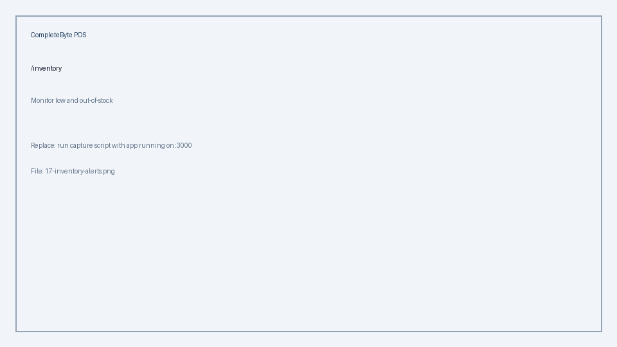

Finance & Reports
Section | Module | Page / URL | Task | Who | Step-by-step instructions | Expected result | Tips & notes | Screenshot
Customers | Customers | /customers | Add a credit customer | Manager, Sales | 1. Customers → Add customer. 2. Enter name, phone, email, address. 3. Set credit limit if using invoicing. 4. Save — attach at POS or Normal Sale checkout. | Customer available for invoiced/credit sales. | Outstanding balance shown on customer profile. | 18-customers.png | 
Invoices | Invoicing | /invoices | Create and send an invoice | Manager | 1. Invoices → New invoice. 2. Select customer, add line items (products). 3. Save as draft. 4. Send — posts receivable (Super Admin may need to approve if maker-checker applies). 5. Record partial or full payments on the invoice. | Customer balance updated; PDF available for download. | Manager can create; invoice approve/send may require Super Admin. | 19-invoices.png | 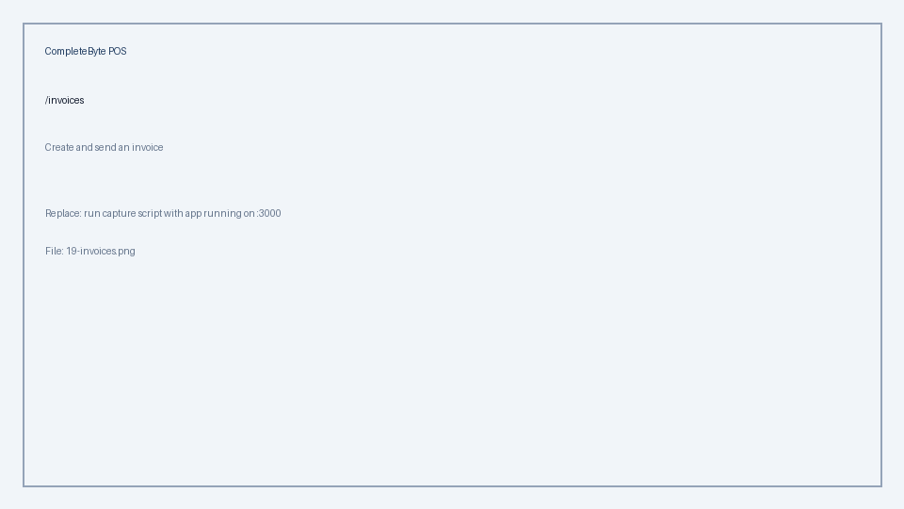
Expenses | Expenses | /expenses | Record an expense | Manager | 1. Expenses → Add expense. 2. Category, amount, date, description, payment method. 3. Save — status Pending. 4. Super Admin approves → affects reports. | Expense logged; manager cannot approve own entries by default. | Escalate pending expenses to Super Admin for approval. | 20-expenses.png | 
Income | Income | /income | Record other income | Manager | 1. Income → Add income. 2. Fill category, amount, date, notes. 3. Submit for approval (Super Admin approves). | Non-POS income tracked in accounting reports. | Same approval pattern as expenses. | 21-income.png | 
Accounting | Accounting | /accounting | View financial statements | Manager, Super Admin | 1. Accounting → choose report tab. 2. Balance Sheet, Income Statement, Trial Balance, Cash Flow. 3. General Ledger / Account Statement for detail. 4. Export PDF where available. | Period financial position for management review. | Requires accounting module and posted transactions. | 22-accounting.png | 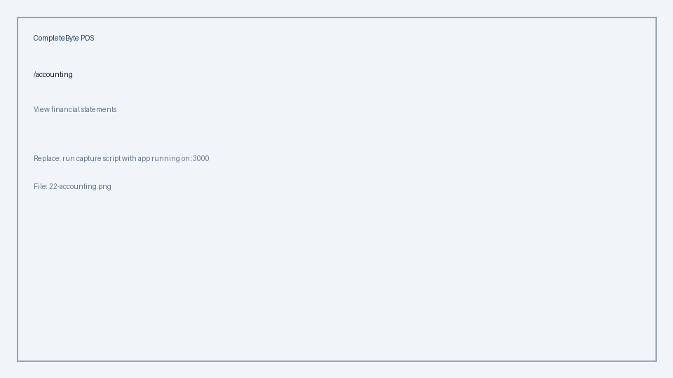
Reports | Reports | /reports | Run sales and inventory reports | Manager | 1. Reports hub → pick report card. 2. Set period: today, week, month. 3. Sales summary, payment mix, daily sales, product performance, inventory overview. 4. Legacy reports: profit/loss, tax, supplier, customer — via catalog link. | Exportable operational reports for meetings. | Each report can be toggled in Module Settings. | 23-reports-hub.png | 

Approvals & Audit
Section | Module | Page / URL | Task | Who | Step-by-step instructions | Expected result | Tips & notes | Screenshot
Maker-checker | Approvals | /pending-approvals | Approve a price or stock change | Manager (checker), Super Admin | 1. Pending approvals (under Reports or direct URL). 2. Review queue: product price, stock adjustment, settings change, etc. 3. Open item — see before/after, reason, who proposed. 4. Approve or Reject (reason required on reject). 5. Cannot approve your own change (except Super Admin bypass). | Approved change goes live; POS shows new values. | Manager has products.approve and inventory.approve; not expenses/income. | 24-pending-approvals.png | 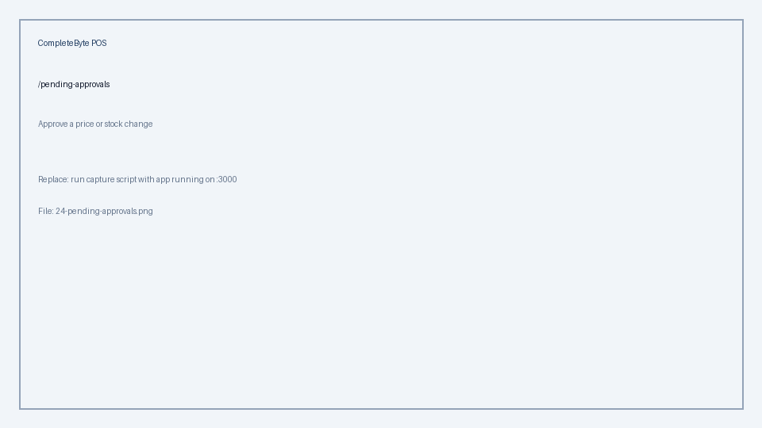
Audit log | Audit | /audit-log | Investigate who changed prices or stock | Manager, Super Admin | 1. Audit log → filter by user, action, date. 2. Review login, checkout, create/update, stock_adjust events. 3. Use for dispute resolution and training. | Traceability for sensitive operations. | Manager cannot access User Management but can audit operations. | 25-audit-log.png | 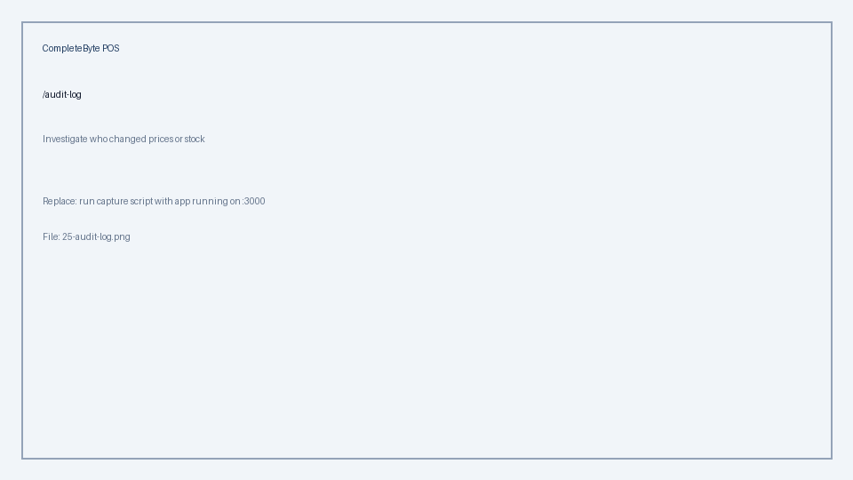

Super Admin
Section | Module | Page / URL | Task | Who | Step-by-step instructions | Expected result | Tips & notes | Screenshot
Users | Settings | /users | Create a new staff user | Super Admin | 1. User Management → Add user. 2. Username, name, email, password. 3. Assign role: Manager, Sales Personnel, or custom role. 4. Set active branch if multi-branch. 5. Save — user can log in immediately. | New staff member with correct permissions. | Change default passwords in production. | 26-users.png | 
Roles | Settings | /roles | Customize role permissions | Super Admin | 1. Role Management → select role or create custom role. 2. Toggle permissions per module (view, create, update, approve, export). 3. Save — may queue if Maker-checker protects role changes. | Fine-grained access without code changes. | Bootstrap roles: Super Admin, Manager, Sales Personnel. | 27-roles.png | 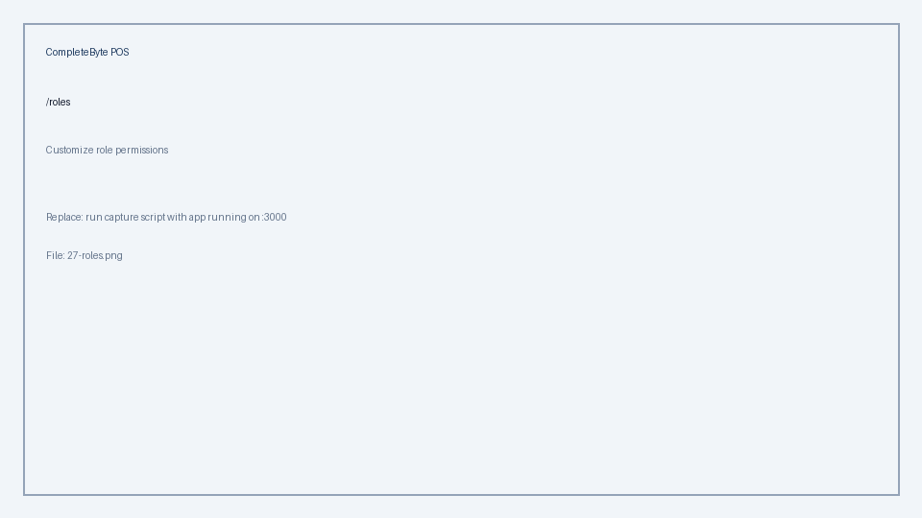
Module settings | Settings | /module-settings | Enable or disable modules | Super Admin | 1. Module Settings → toggle modules (Products, Sales, Inventory, etc.). 2. Expand module → enable features (POS, variants, CSV, stock transfer). 3. Apply preset (starter, retail, full) if desired. 4. Changes refresh navigation for all users. | Store only shows modules you need. | Disabling a module hides routes and API access. | 28-module-settings.png | 
System settings | Settings | /system-settings | Configure store rules | Super Admin | 1. System Settings → Store rules card. 2. Maker-checker on/off, emergency stock mode. 3. Allow sales to add products, payment methods at POS. 4. Receipt: logo, header/footer, show SKU, auto-print. 5. Per-module toggle cards below — save each section. | Business rules enforced across POS and back office. | Managers cannot open this page (route blocked). | 29-system-settings.png | 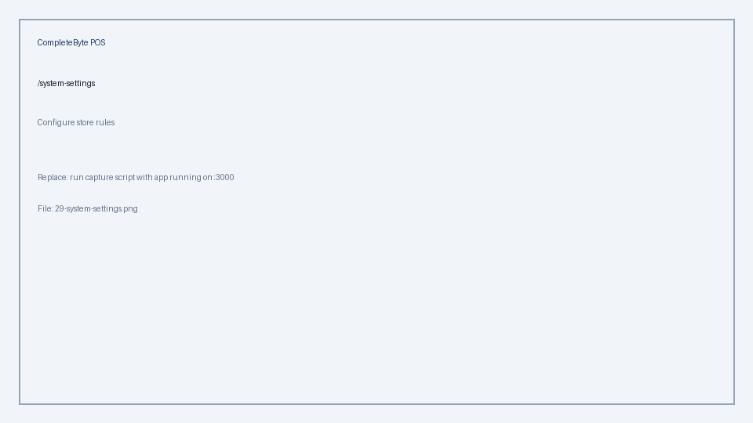
Branches | Settings | /branches | Add a branch | Super Admin | 1. Branch Management → Add branch. 2. Code, name, address, manager. 3. Mark headquarters if applicable. 4. Staff switch branch from header selector. | Multi-location inventory and sales separation. | Requires multi_branch_support in Module Settings. | 30-branches.png | 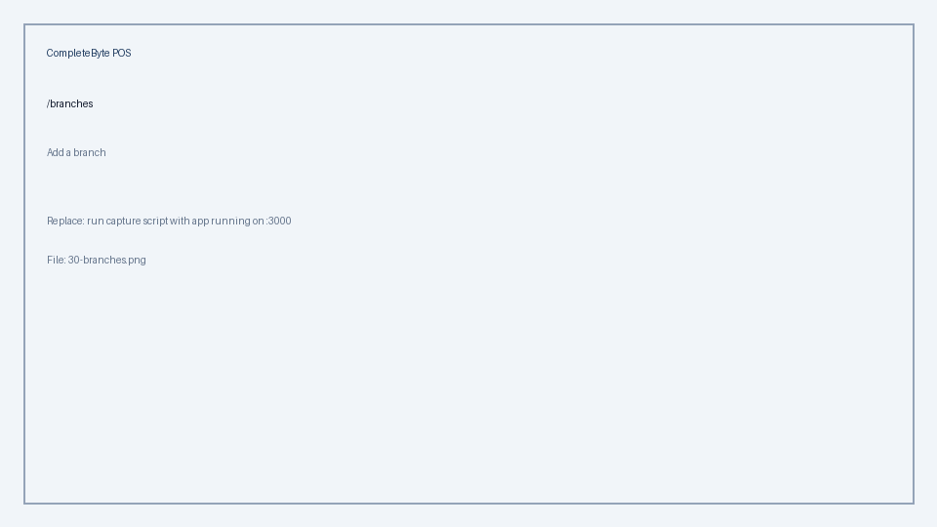
Financial approve | Finance | /expenses, /income, /invoices | Approve expenses, income, and invoices | Super Admin | 1. Open Expenses or Income → filter Pending. 2. Approve or reject each record. 3. Invoices — Send/approve manual invoices. 4. Money transfers — approve bank movements. | Financial records post to accounting. | Managers create; Super Admin approves by default. | 31-financial-approve.png | 