Calculation
calculations

comment |  | use only excel sheet
 |  | no coding

average

numbers which should be reached

10034
11039
11338
11322
11241

10994.8 |  | average

10995 |  | rounded

Example: 16-05-2024 19:00 Hs

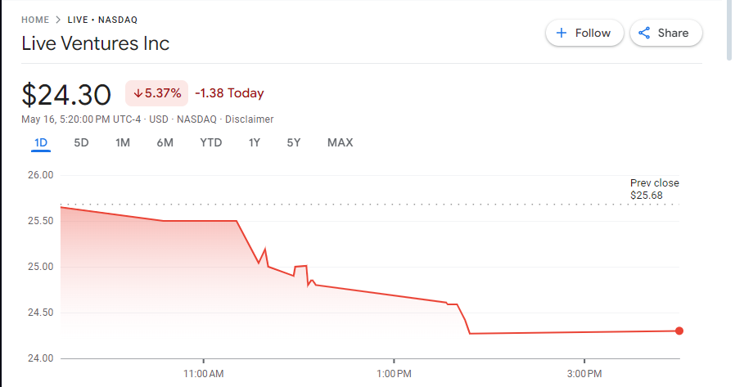

analysis

10.30 | 11

 |  |  |  |  | 444
values aming to 25.5 |  | during 30 minutes

using same time lap – 10.30 to 11 am
now |  | yesterday |  | before yesterday
25.50 | 2550 | 24.5 |  | 25.75
25.07 |  | 24.01 |  | 25.76
25.21 |  | 25.21 |  | 25.77
25.04 |  | 25.04 |  | 25.78

25.21 |  | 24.69 |  | 25.77

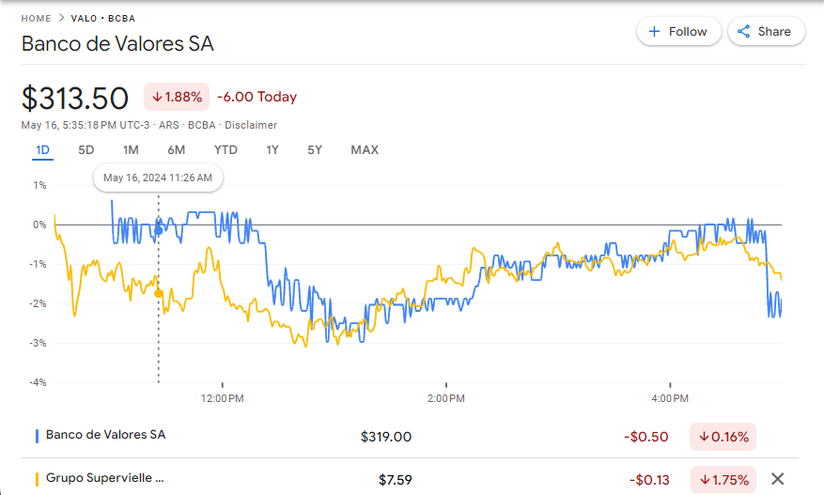

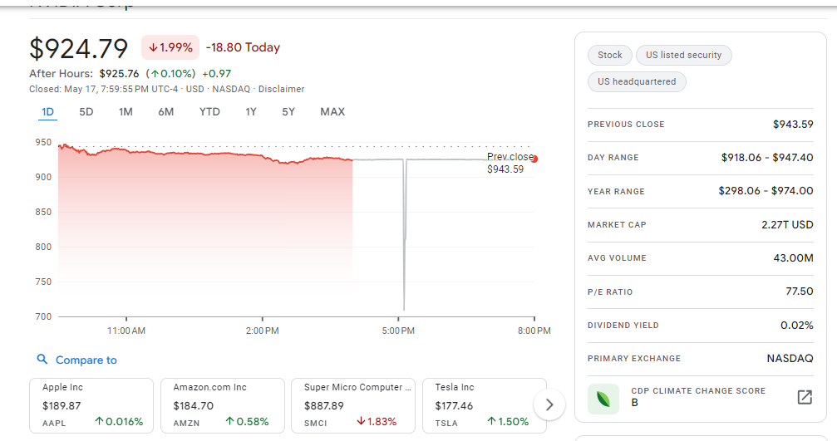

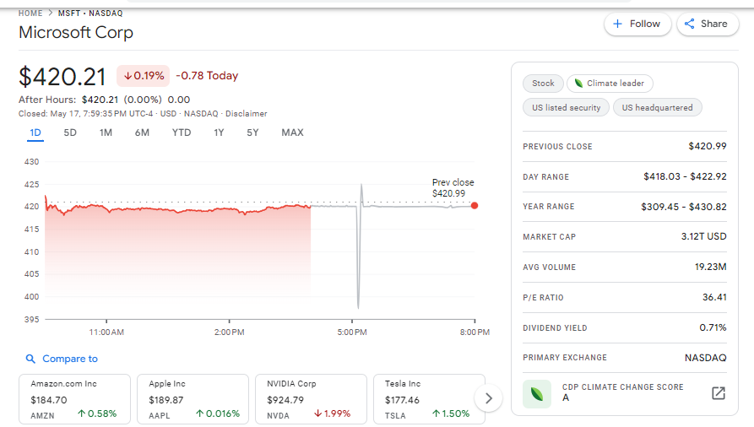

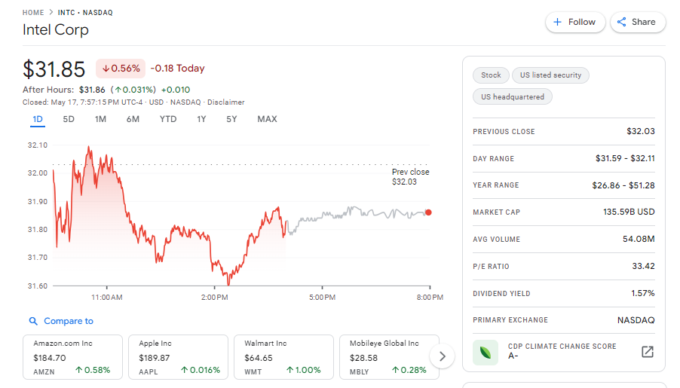

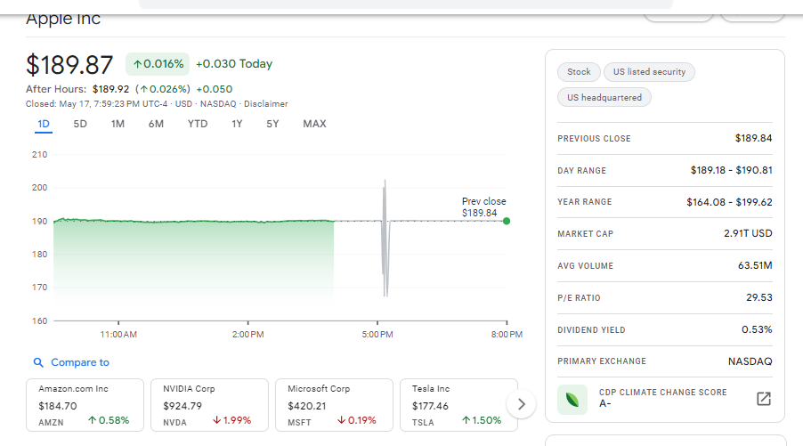

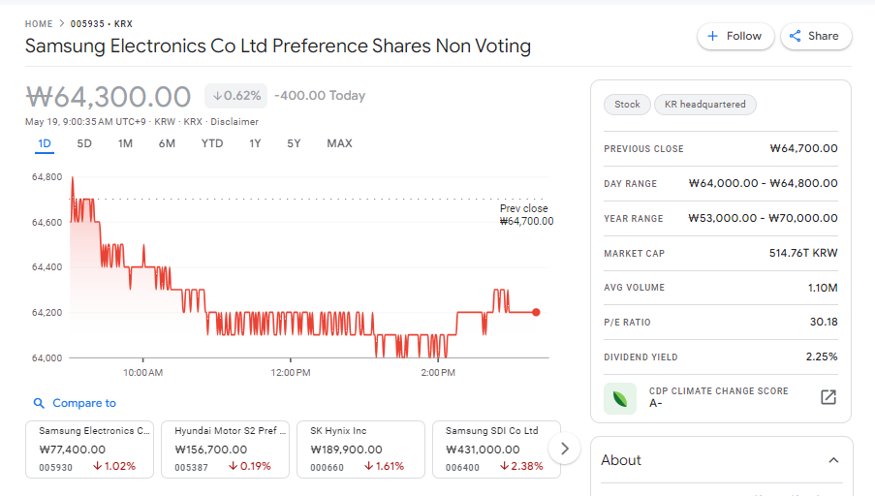

el registro y la busqueda de sitios web que apliquen a latinoamerica
demoro tiempo

el sitioweb por el momento encontrado fue invertironline

otros sitios web solicitaban estar localizado en la localidad donde
residia el sitio web

la mayor por de estos sitios estan fuera de latinoamerica
seria conveniente encontrar alguna forma de registrarse en estos
sitios web a traves de algun contacto que resida en el exterior

capturar todas los graficos de bolsa de valores
todos los que sea posible

continuar revisando el comportamiento de una empresa
y ver el día a día

luego de recopilar los datos
ejecutar proceso para ver si se puede predecir el comportamiento
durante un lapso de tiempo considerable

today | yesterday | before yesterday | 3th day before today

20.43 | 19.49 | 15.49 | 15.42
20.41 | 17.44 | 14.15 | 11.51
20.49 | 19.41 | 14.59 | 15.45
20.45 | 15.45 | 17.54 | 15.79
20.14 | 17.45 | 17.47 | 15.42
22.54 | 15.44 | 15.49 | 14.15

0.66550893087

0.88398467009 | 54.5 |  | la funcion aleatorio devuelve una
 |  |  | funcion diferente luego
0.5 | 5.5 |  | que uno de los valores numericos
 |  |  | de la hoja cambia

simulating values in order to predict the company’ behaviour in the stock market

valor aleatorio |  | today | yesterday | before yesterday
9 |  | 29 | 28 | 31
9 |  | 29 | 28 | 31
7 |  | 27 | 26 | 29
4 |  | 24 | 23 | 26
8 |  | 28 | 27 | 30
5 |  | 25 | 24 | 27

create random values which are closed to number 5

5 | constant value

7 | random value related to constant value

 | Done – review portion 4

Portion - 1
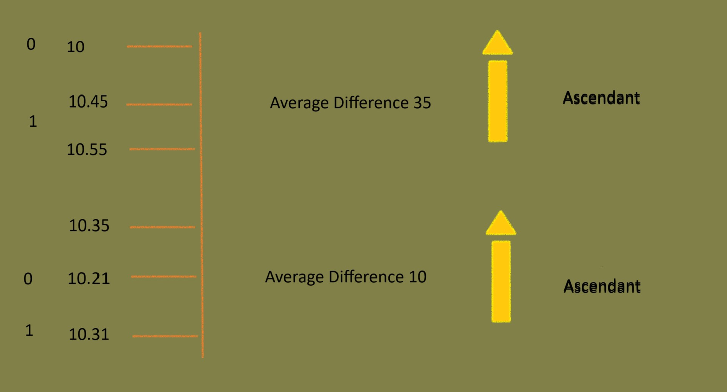
now | yesterday | before yesterday
25.50 | 24.5 | 25.75
25.07 | 24.01 | 25.76
25.21 | 25.21 | 25.77
25.04 | 25.04 | 25.78

25.21 | 24.69 | 25.77

find similarities

25.22

in case, the numbers comes in the same direction during the same time lap
then the next set of numbers or direction could be almost the same as before

making diagram

Portion - 2
now | yesterday | before yesterday
25.50 | 24.5 | 25.75
25.07 | 24.01 | 25.76
25.21 | 25.21 | 25.77
25.04 | 25.04 | 25.78

25.21 | 24.69 | 25.77

meanwhile time goes on the company action could vary
between one and two percent

leaving apart the exceptions

another solution which could be considered

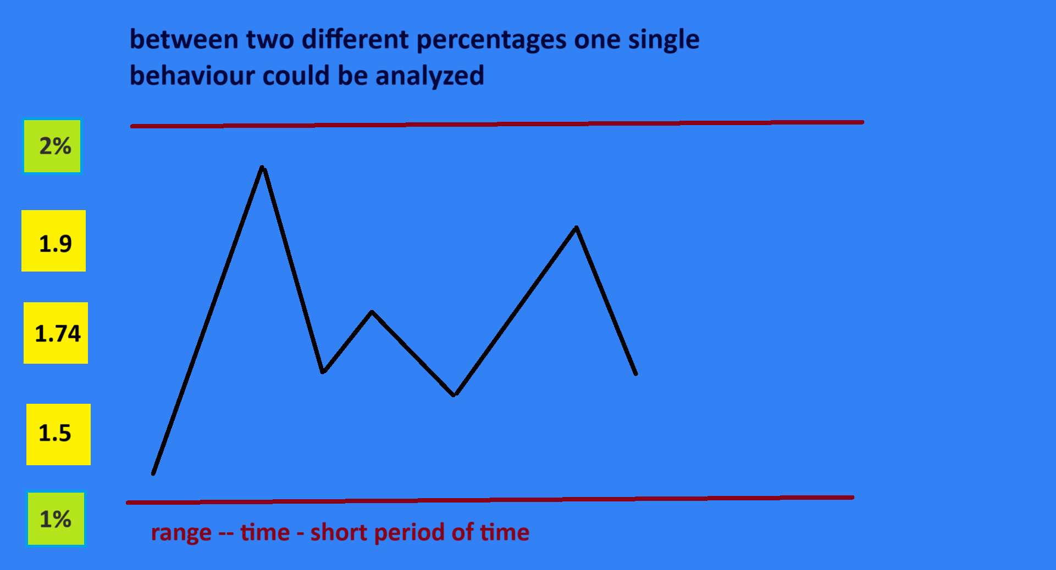

testing first solution

creating account to test first try

need to be resident of the country where the website resides

would be recommended to visit websites that the user’s location is not an issue

Portion - 3
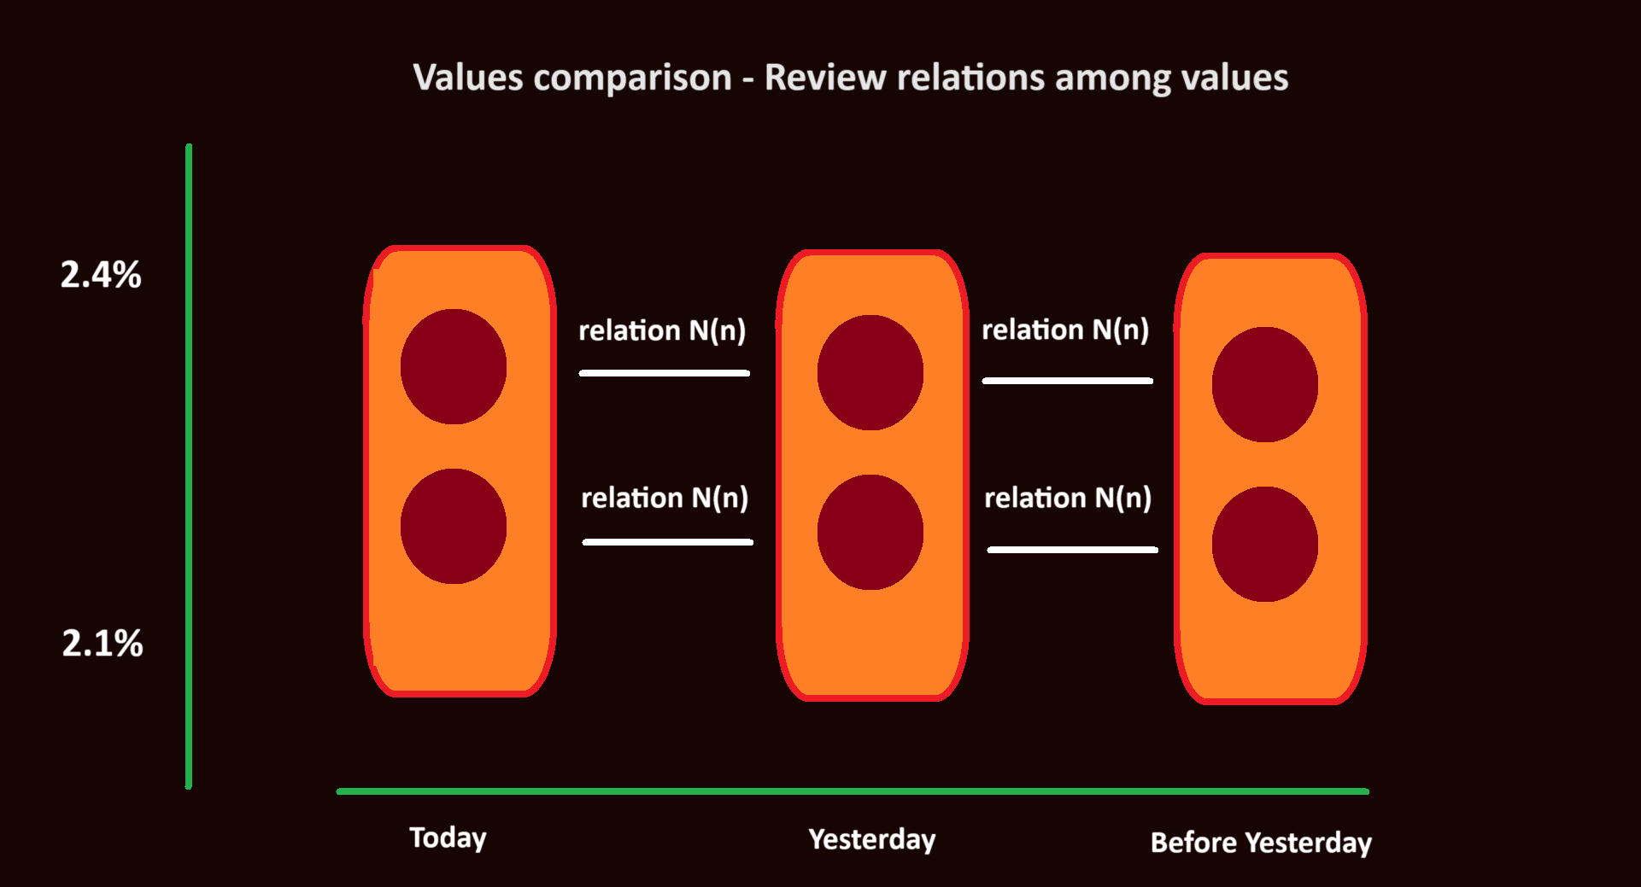

the main purpose is having an overview about each value relation against
another value in the same context but another time

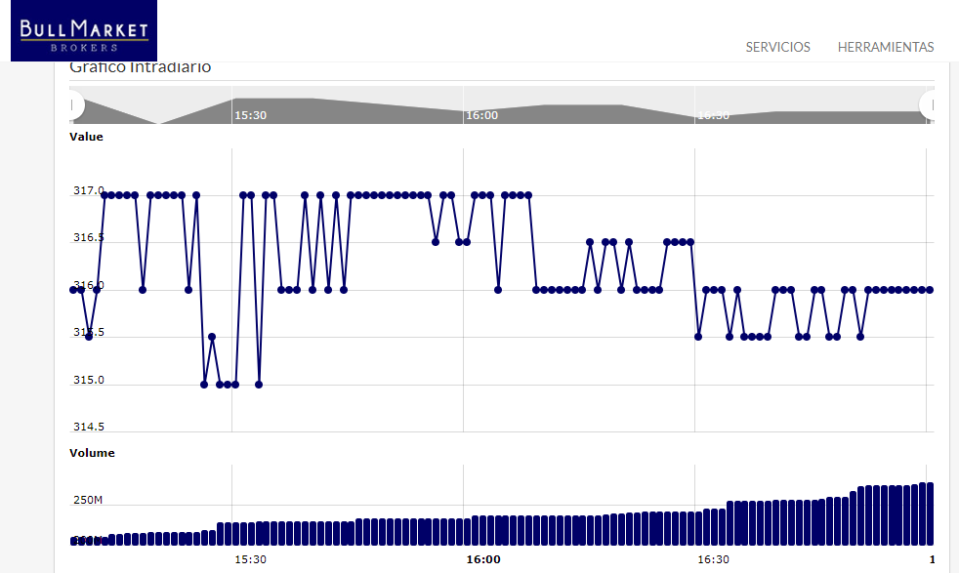

what behaviour could be found among values

