Sheet1
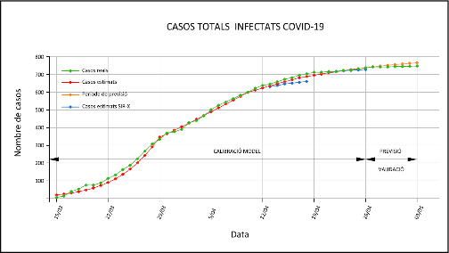
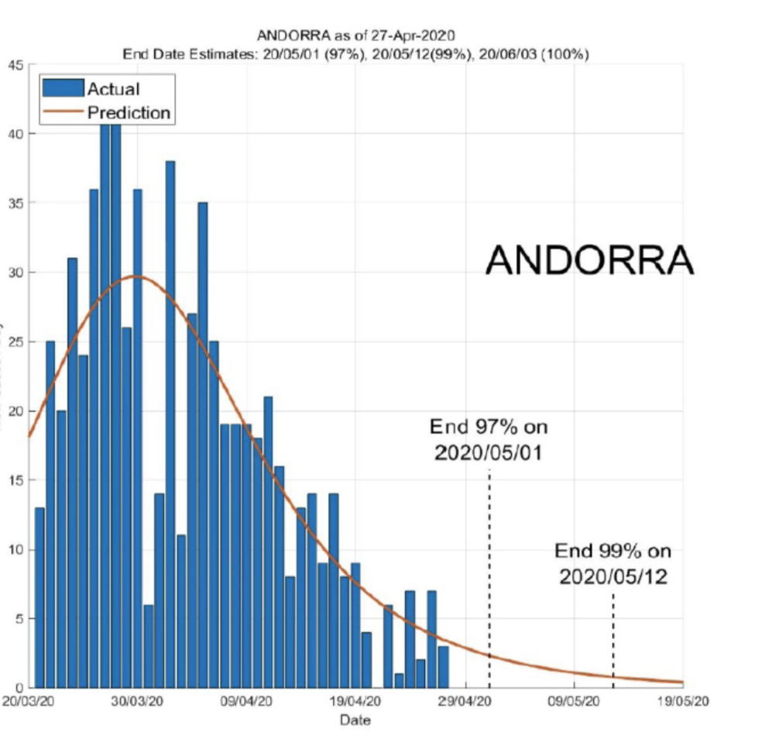
date | Total cases | Recovered | Active cases | Cases needing Hospital care | Cases in UCI | Deaths
2020-03-15 | 6 | 1 | 5 | 0 | 0 | 0
2020-03-16 | 14 | 1 | 13 | 0 | 1 | 0
2020-03-17 | 39 | 1 | 38 | 4 | 1 | 0
2020-03-18 | 53 | 1 | 52 | 8 | 1 | 0
2020-03-19 | 75 | 1 | 74 | 12 | 2 | 0
2020-03-20 | 75 | 1 | 74 | 13 | 2 | 0
2020-03-21 | 88 | 1 | 87 | 14 | 2 | 0
2020-03-22 | 113 | 1 | 111 | 13 | 2 | 1
2020-03-23 | 133 | 1 | 131 | 12 | 7 | 1
2020-03-24 | 164 | 1 | 160 | 26 | 6 | 3
2020-03-25 | 188 | 2 | 183 | 33 | 8 | 3
2020-03-26 | 224 | 3 | 218 | 39 | 8 | 3
2020-03-27 | 267 | 3 | 261 | 47 | 11 | 3
2020-03-28 | 308 | 5 | 300 | 44 | 9 | 3
2020-03-29 | 334 | 6 | 322 | 46 | 9 | 6
2020-03-30 | 370 | 10 | 352 | 45 | 11 | 8
2020-03-31 | 376 | 10 | 354 | 46 | 12 | 12
2020-04-01 | 390 | 11 | 365 | 49 | 12 | 14
2020-04-02 | 428 | 14 | 399 | 50 | 14 | 15
2020-04-03 | 439 | 16 | 406 | 50 | 17 | 17
2020-04-04 | 466 | 19 | 430 | 47 | 19 | 17
2020-04-05 | 501 | 26 | 456 | 50 | 18 | 19
2020-04-06 | 526 | 31 | 474 | 55 | 17 | 21
2020-04-07 | 545 | 39 | 484 | 52 | 17 | 22
2020-04-08 | 564 | 52 | 489 | 55 | 17 | 23
2020-04-09 | 583 | 58 | 500 | 47 | 15 | 25
2020-04-10 | 601 | 71 | 504 | 40 | 16 | 26
2020-04-11 | 622 | 94 | 500 | 40 | 16 | 28
2020-04-12 | 638 | 128 | 481 | 42 | 15 | 29
2020-04-13 | 646 | 139 | 478 | 48 | 15 | 29
2020-04-14 | 659 | 160 | 468 | 47 | 16 | 31
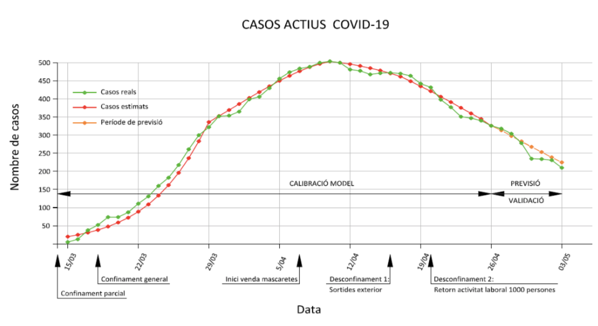
2020-04-15 | 673 | 169 | 471 | 41 | 16 | 33
2020-04-16 | 682 | 177 | 472 | 43 | 17 | 33
2020-04-17 | 696 | 191 | 470 | 41 | 17 | 35
2020-04-18 | 704 | 205 | 464 | 36 | 18 | 35
2020-04-19 | 713 | 235 | 442 | 35 | 18 | 36
2020-04-20 | 717 | 248 | 432 | 37 | 17 | 36
2020-04-21 | 717 | 282 | 398 | 35 | 17 | 37
2020-04-22 | 723 | 309 | 377 | 33 | 17 | 37
2020-04-23 | 723 | 333 | 351 | 30 | 16 | 39
2020-04-24 | 731 | 344 | 347 | 29 | 16 | 40
2020-04-25 | 738 | 358 | 340 | 30 | 16 | 40
2020-04-26 | 740 | 374 | 326 | 32 | 16 | 40
2020-04-27 | 743 | 385 | 318 | 32 | 16 | 40
2020-04-28 | 743 | 398 | 304 | 28 | 15 | 41
2020-04-29 | 743 | 423 | 278 | 25 | 15 | 42
2020-04-30 | 745 | 468 | 235 | 24 | 14 | 42
2020-05-01 | 745 | 468 | 234 | 19 | 11 | 43
2020-05-02 | 747 | 472 | 231 | 19 | 10 | 44
2020-05-03 | 748 | 493 | 210 | 18 | 9 | 45
2020-05-22 | 762 | 652 | 59 |  |  | 51

 |  |  |  |  | Timeline
 |  |  |  |  | 13 march | Partial confinment | Schools closures and recomended confinment
 |  |  |  |  | 18 march | Total confinement | Order closing all no essential activities
 |  |  |  |  | 7 march | Beggining of masks delivery and progressive use of population
 |  |  |  |  | 17 april | Allowance to 1 hour of walk in 1km radius every two days
 |  |  |  |  | 20 april | Reopen of online services and products shopping and some low risk economic activites (increase of 1000 people to work)
 |  |  |  |  | 1 may | Start of 1st round to all population serology screening
 |  |  |  |  | 4 May | 2nd phase of economic activity recovery. 4760 workers recover their normal actibity
 |  |  |  |  | 13 May | Increase of 2 hours of activity every day to walk or do exercise
 |  |  |  |  | 14 may | Start of 2nd round to all population serology screening
 |  |  |  |  | 18 May | 3rd phase of economic reactivation. Opening of new sectors increasing 3306 workers to theri normal activity
 |  |  |  |  | 1 June | Expected total deconfinement

