Debt
 | Debt Analyse Thousands € | Date | Maturity | Fixed | Variable | Pending | Q1 2024 | Q2-Q4 2024 | 2,025 | 2,026 | Thereafter
 | Credit Agricole Credit Facility |  |  | 2.05% | 5.00% |  | 625 | 1,875 | 2,500 | 2,500 | 27,500
 | Danish Ship Finance Credit Facility |  |  | 2.00% | 5.00% |  |  | 2,427 | 26,693 |  | -
 | ING Credit Facility |  |  | 1.90% | 5.00% |  | 6,250 | 18,750 | 25,000 | 25,000 | 160,150
 | ING Credit Facility |  |  | 1.80% | 5.00% |  | 750 | 2,250 | 3,000 | 3,000 | 35,250
 | Nordea Credit Facility |  |  | 2.16% | 5.00% |  | - |  | 23,715 | 23,715 | 46,091
 | Total paid |  |  |  |  |  | 7,625 | 25,302 | 80,908 | 54,215 | 268,991 | - | - | - | - | - | - | - | - | -
 | Pending Debt |  |  |  |  | 428,726 | 421,101 | 395,799 | 314,891 | 260,676 | (8,315) | (8,315) | (8,315) | (8,315) | (8,315) | (8,315) | (8,315) | (8,315) | (8,315)
 | Fees Ban Loan |  |  |  |  | 8,315

x | Interest Analyse Thousands € | Date | Maturity | Fixed | Variable | Pending | Q1 2024 | Q2-Q4 2024 | 2,025 | 2,026 | Thereafter
 | Credit Agricole Credit Facility |  |  | 2.05% | 5.00% | 35,000 | 606 | 1,685 | 2,115 | 1,939 | -
 | Danish Ship Finance Credit Facility |  |  | 2.16% | 5.00% | 29,120 | 521 | 1,390 | - | - | -
 | ING Credit Facility |  |  | 1.90% | 5.00% | 235,150 | 3,949 | 10,552 | 12,775 | 11,050 | -
 | ING Credit Facility |  |  | 1.80% | 5.00% | 44,250 | 740 | 2,066 | 2,601 | 2,397 | -
 | Nordea Credit Facility |  |  | 2.16% | 5.00% | 93,521 | 1,674 | 5,022 | 4,998 | 3,300 | -
 | Total: |  |  |  |  |  | 7,489 | 20,715 | 22,489 | 18,686 | - | - | - | - | - | - | - | - | -
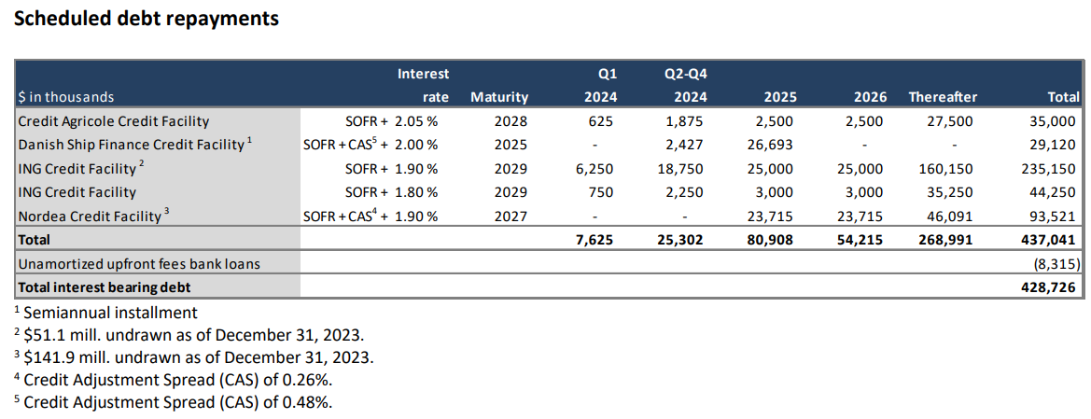

 | SOFR: | 5.00%

Notes
WEB

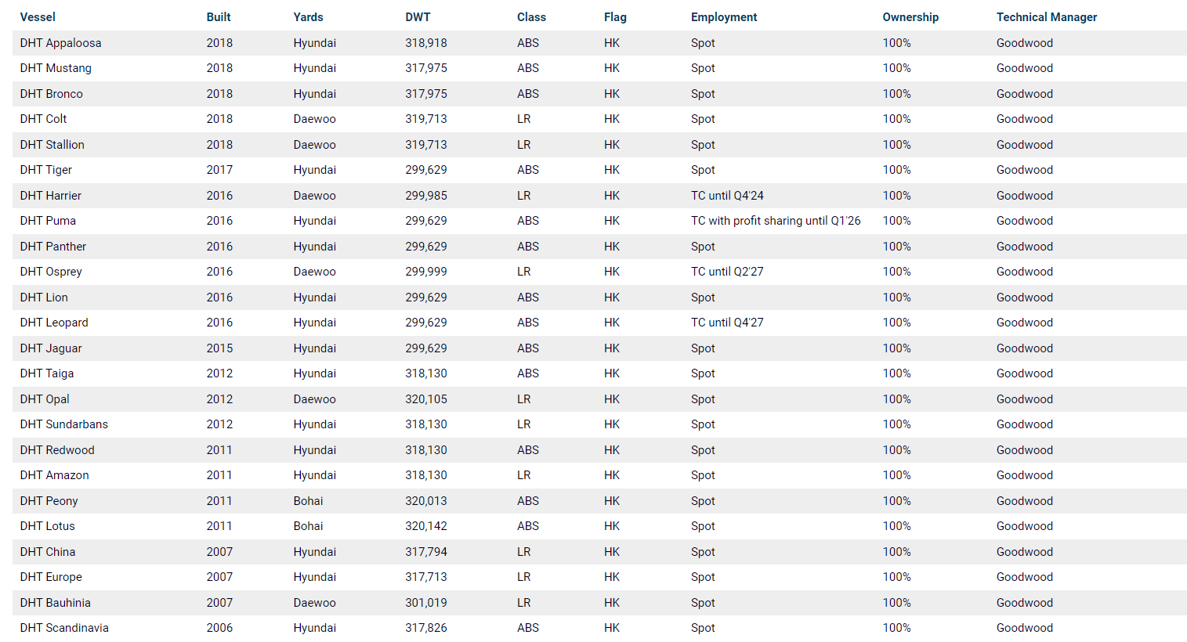

Q3 2023
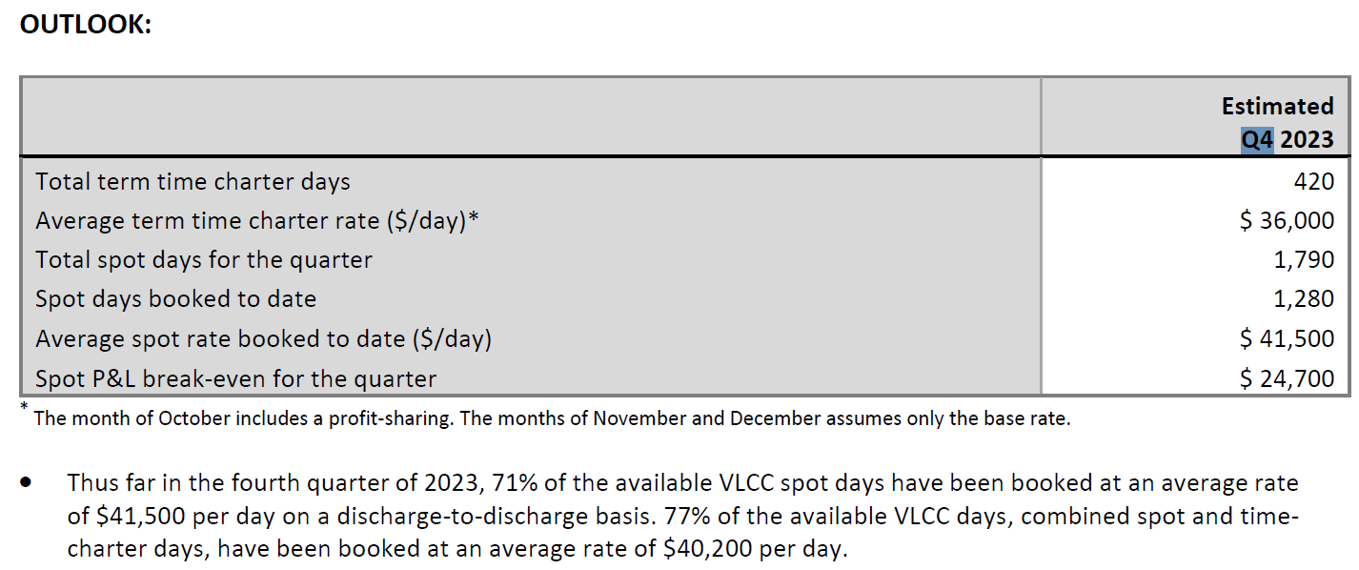

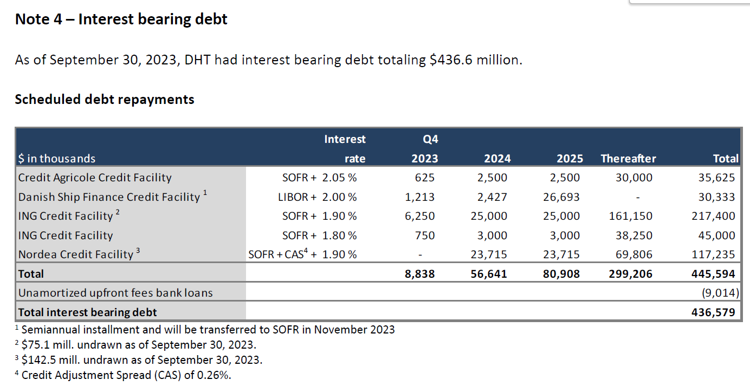

Presentation Q3 2023

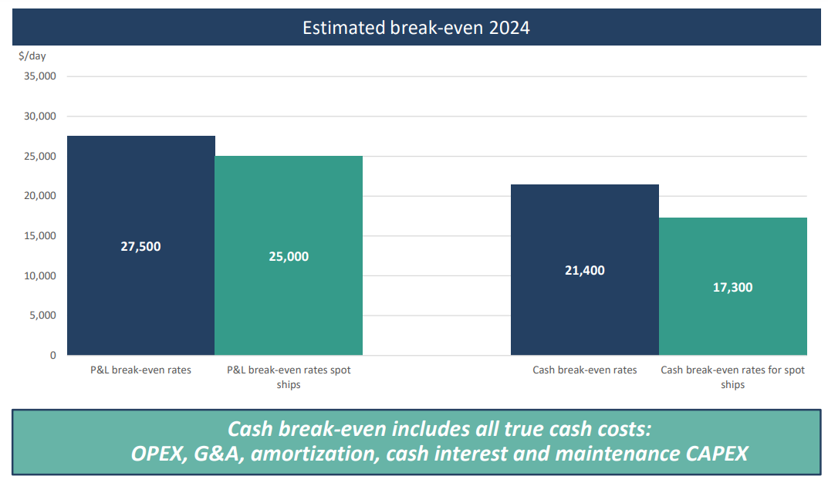

 | 17/01/24: Sacan update bajando su cash breakeven rates a $18600 y a 13800 en spot

Interesting geneal information

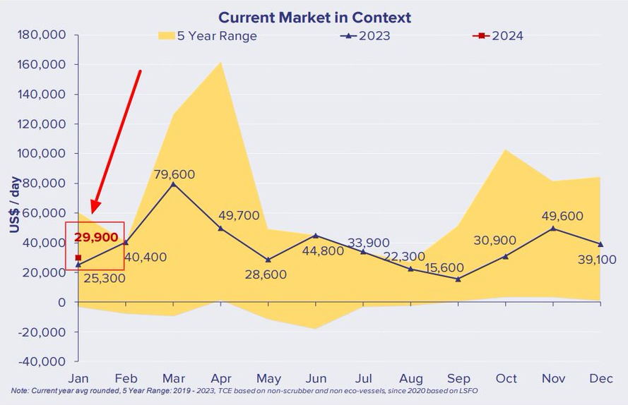

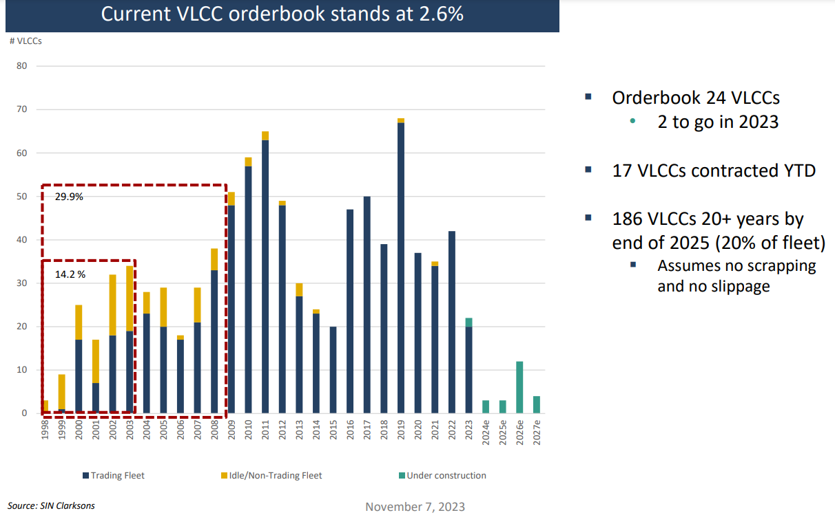

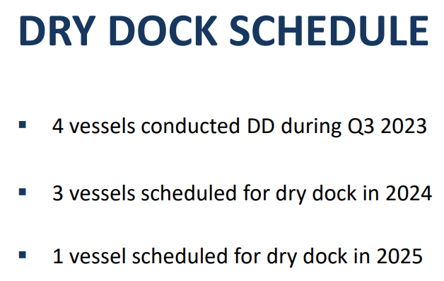

Q4 2023

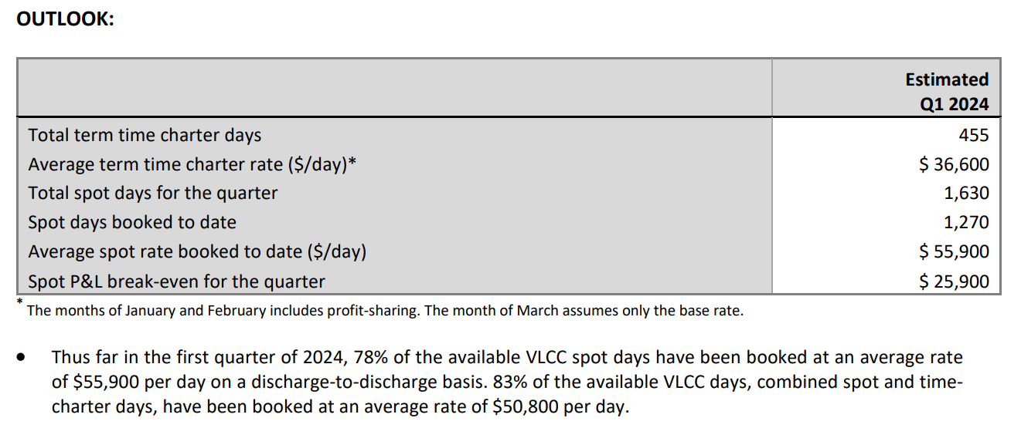

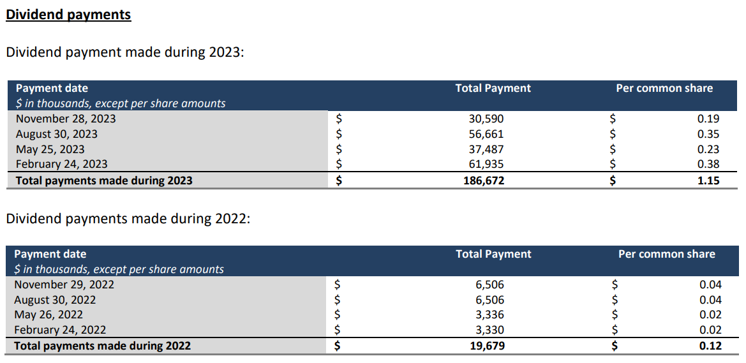

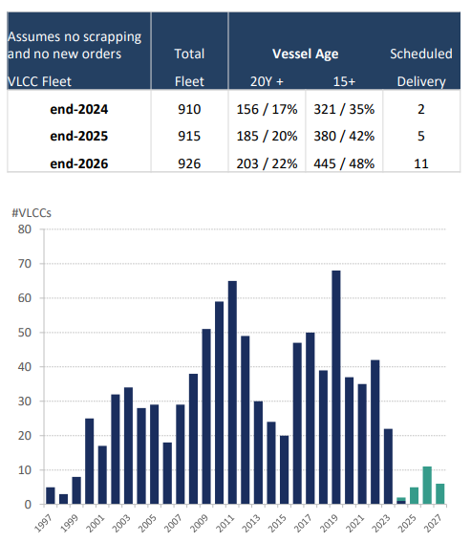

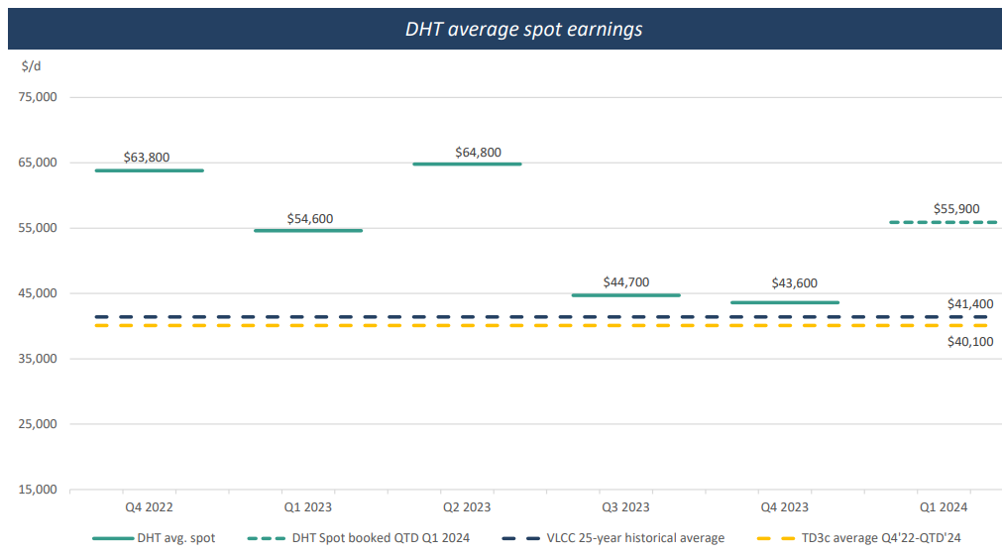

Press release 28/02/24

20-F 2023

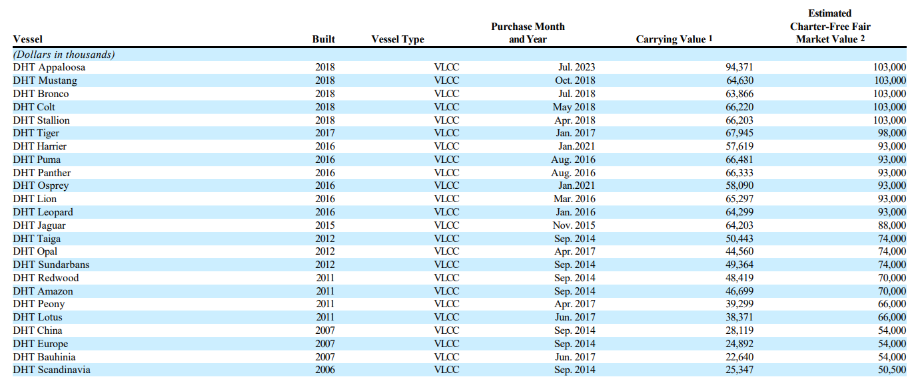

Q1 2024

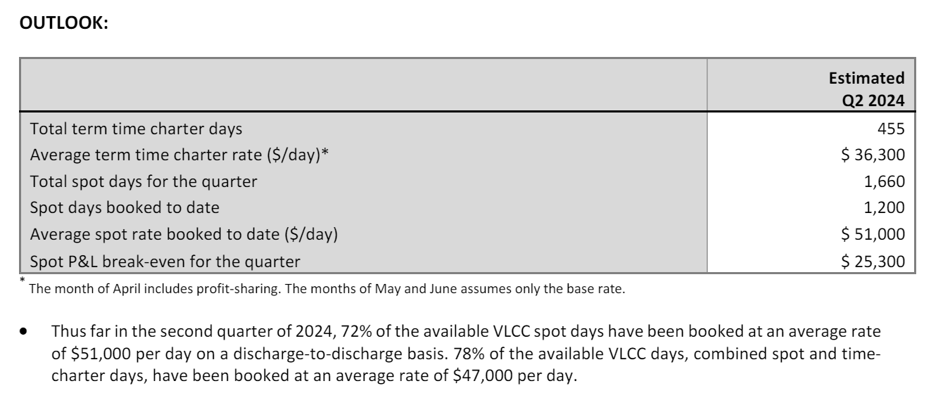

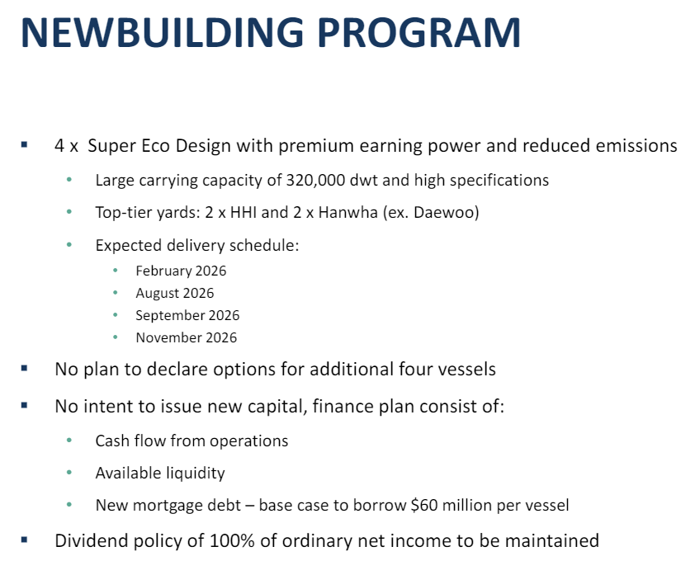

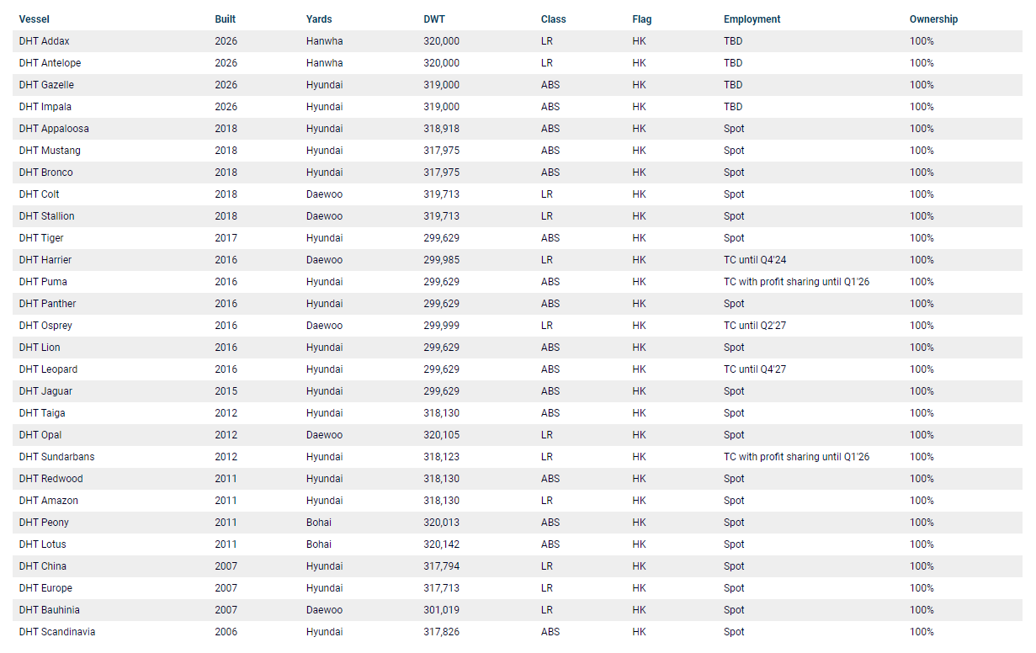

Update 11/07/24

Q2 2024

