Cover


DHT |  | Copyright:
Crude oil tanker company |  | Tankers & Dry Bulks
VLCC segment |  | shippingupmore.com
 |  | info@shippingupmore.com

DISCLAIMER
The financial models and projections provided herein are based on internal assumptions, historical data, and current market trends (such as charter rates, fuel costs, and vessel valuations) which are subject to high volatility and change without notice.
These models are intended for illustrative and informational purposes only. They do not constitute financial, investment, or legal advice. While we strive for accuracy, we make no guarantees regarding the future performance of any asset or the realization of the projected returns.

General Colours in Financial Data
In green: | Data copied from last quarter or reported by company
In blue: | Our own assumption
In black: | Automatically filled
In yellow | You should only change yellow cells

NAV Content
Fleet list: | Vessel name, type of vessel, year built, Yard, Country, scrubber, neutral value and corrected value by country coefficient
Price to update: | Share price, that it´s update from Master
NAV calculation: | Net Asset Value calculation
Adjusted fleet value: | Change it if you think the value is going up or down. Default we leave it in 1.
Value growth in %: | Change in value between quarters
Scrubbers: | How many scrubbers are installed in the vessels, reported by the company.
Fleet : | How many vessels has the company
% Fleet with scrubber: | As it titles says, % fleet with scrubber
TCE: | Time Charter Equivalent, based in data reported by the company or own assumptions
Financial data: | Market Cap, Enterprise Value, Adjusted Earnings, Adjusted EBITDA, Levered FCF, Adjusted P/E, Adjusted EV/EBITDA and P/FCF
Linear Estimation: | Don´t remove or change this data. It´s to automatically calculate vessels value from the Master
Value added by country: | Correction factor depending on the country of construction

Fleet colours by status:
No color: | In the fleet list
Red: | Sold vessel reported by the company
Orange: | Acquired vessel reported by the company

P&L Content
P&L from company reports
Operating days: | You can change it on your own
TCE revenue per vessel: | Operating days x TCE assumption
P&L Notes
Estimating revenues are from TCE and operating days. For that reason, operating expenses is in grey background. We prepare the TCE revenues looking at what the company say about it.

BALANCE Content
Balance from company reports
Debt: | Debt - Cash
Working Capital: | Working Capital calculation
CapEx: | CapEx Assumption that you can change on your own
BALANCE notes
We keep forward "Working Capital" like last quarter
To calculate debt, we join current and long term debt and we subtract a quarter of the short-term debt, to make an estimation
We calculate CapEx from company reports but you can change it on your own

CASH FLOW Content
Cash Flow from company reports
Levered and Unlevered FCF calculation
CASH FLOW notes

Notes
Notes from reports or press releases

Notes
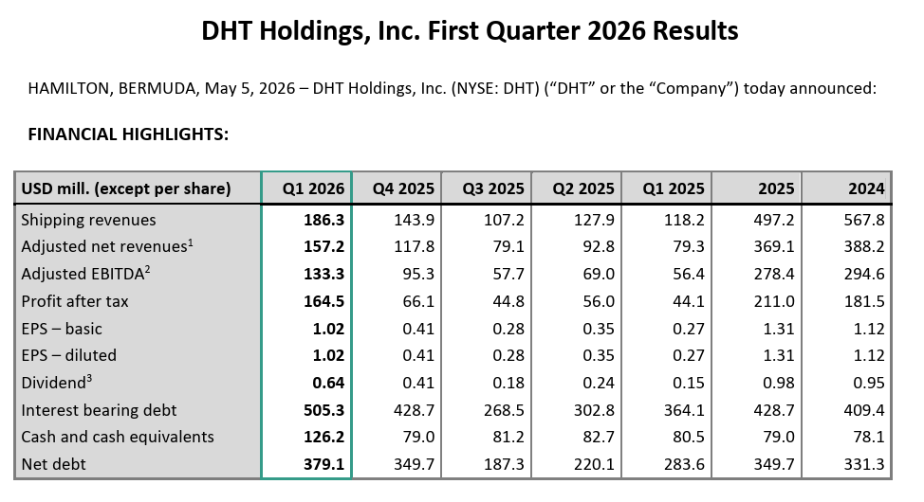
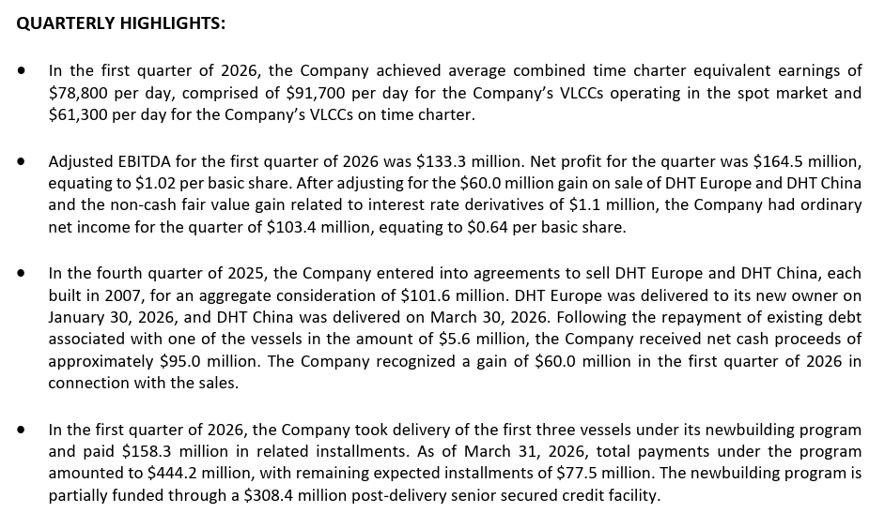
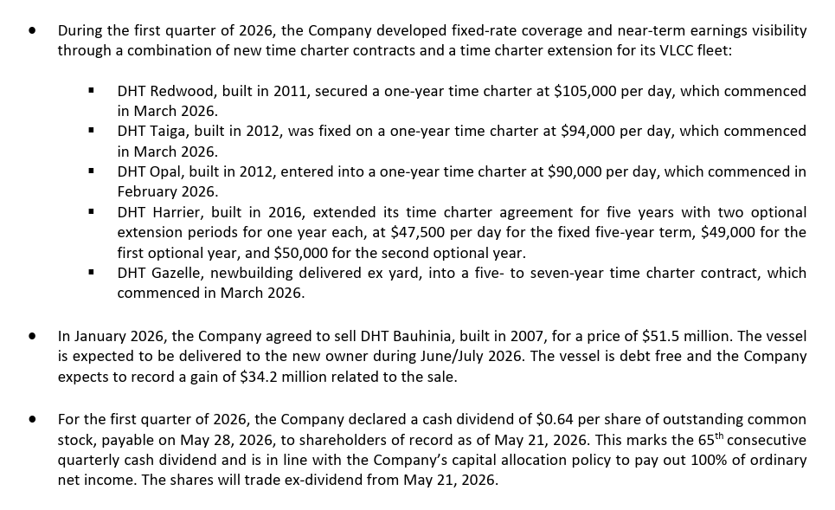
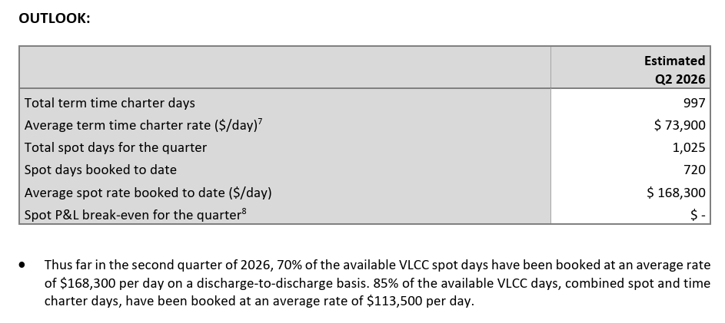
WEB

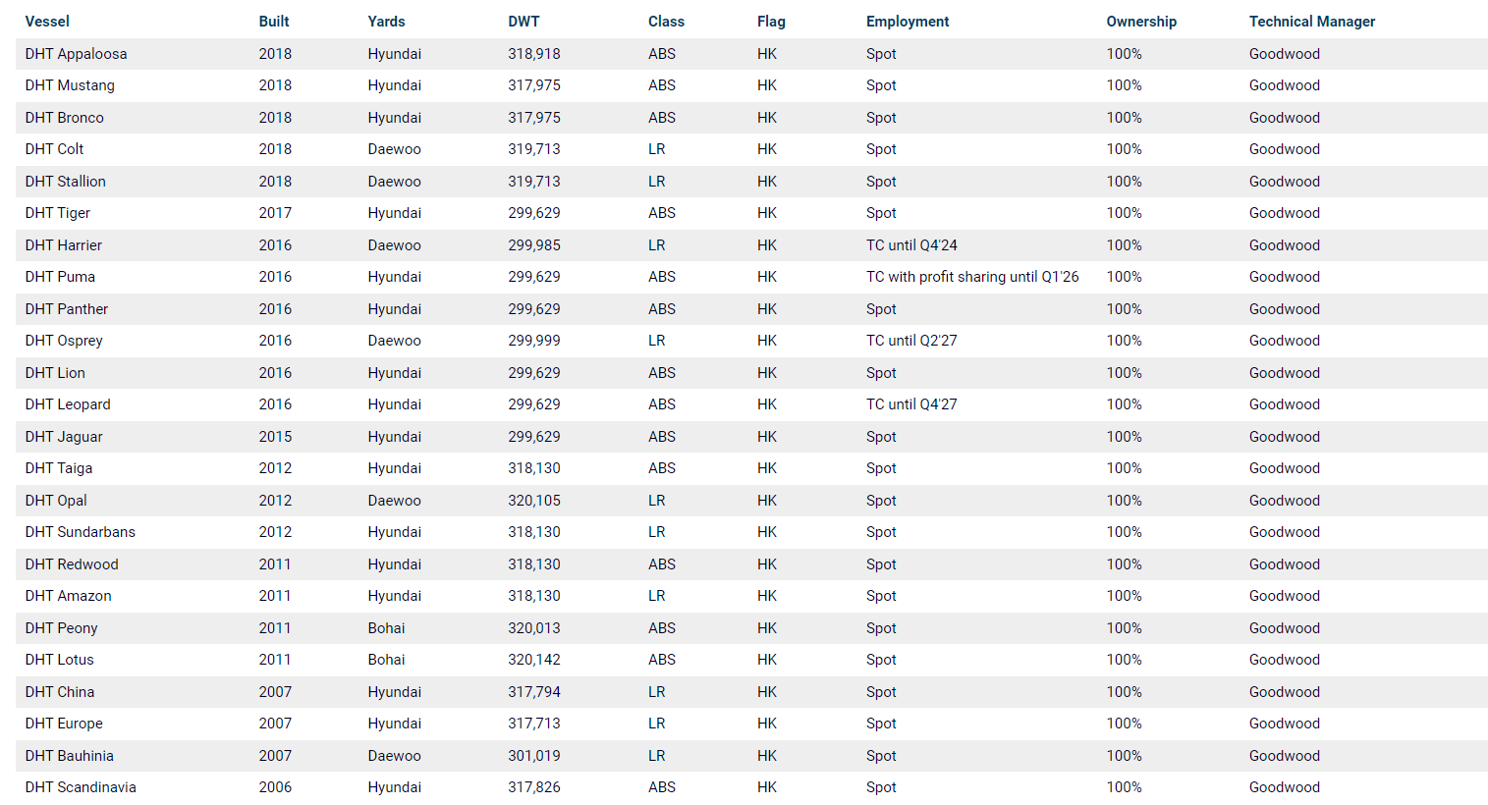

Q3 2023
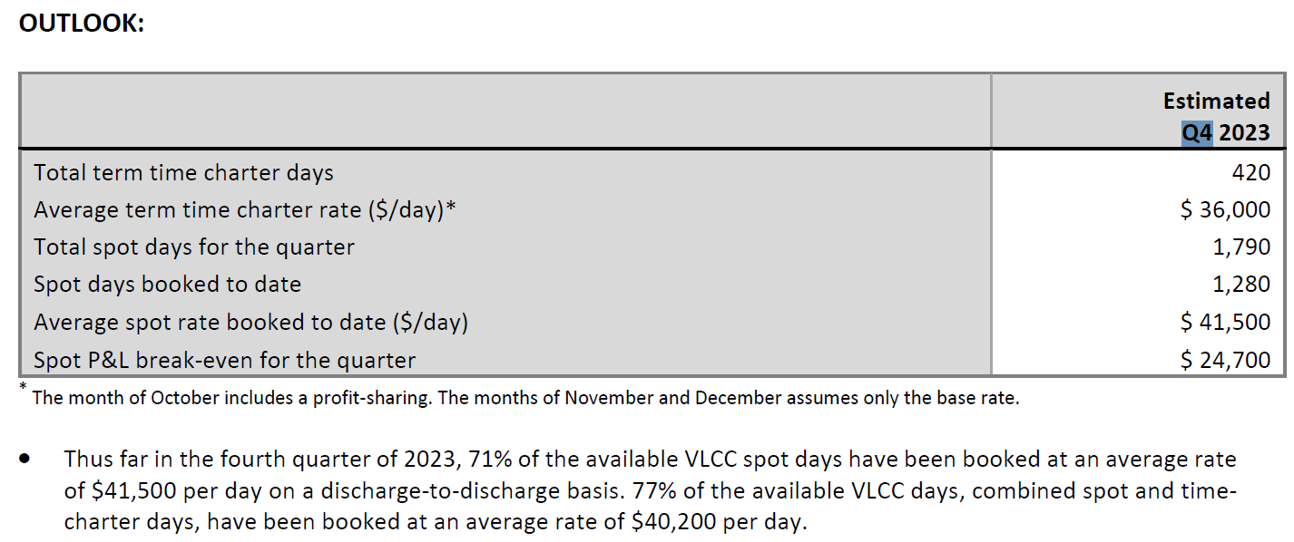

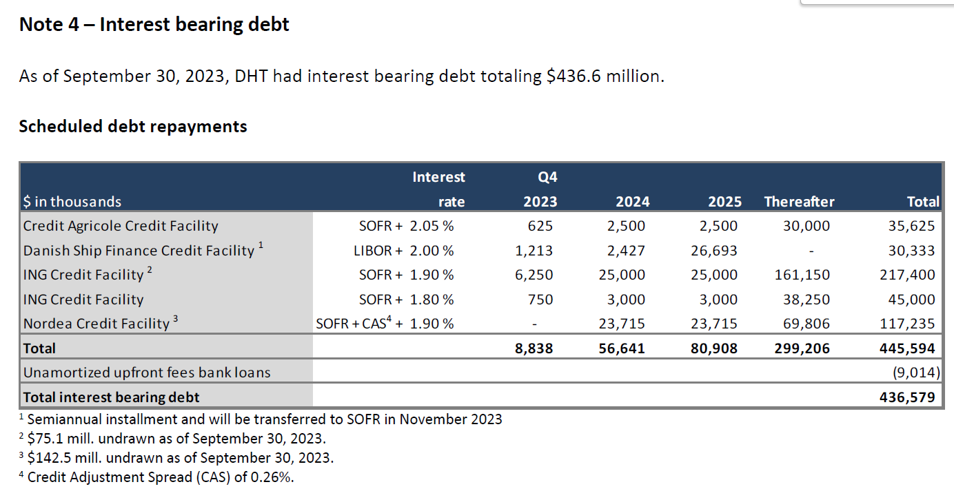

Presentation Q3 2023

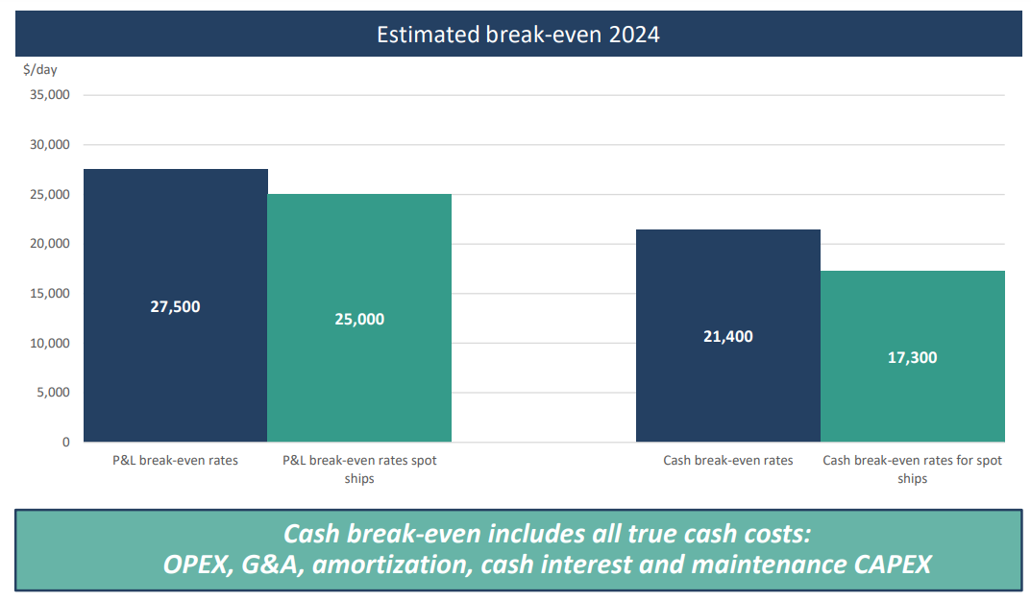

 | 17/01/24: Sacan update bajando su cash breakeven rates a $18600 y a 13800 en spot

Interesting geneal information

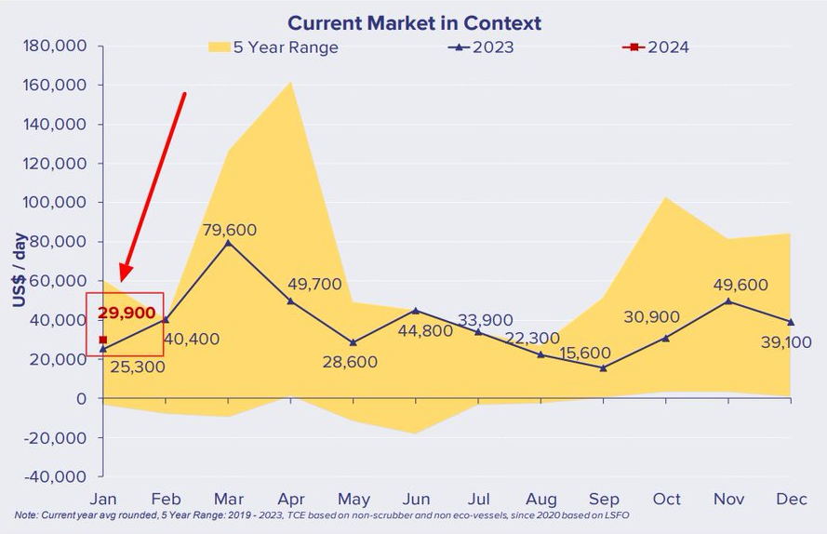

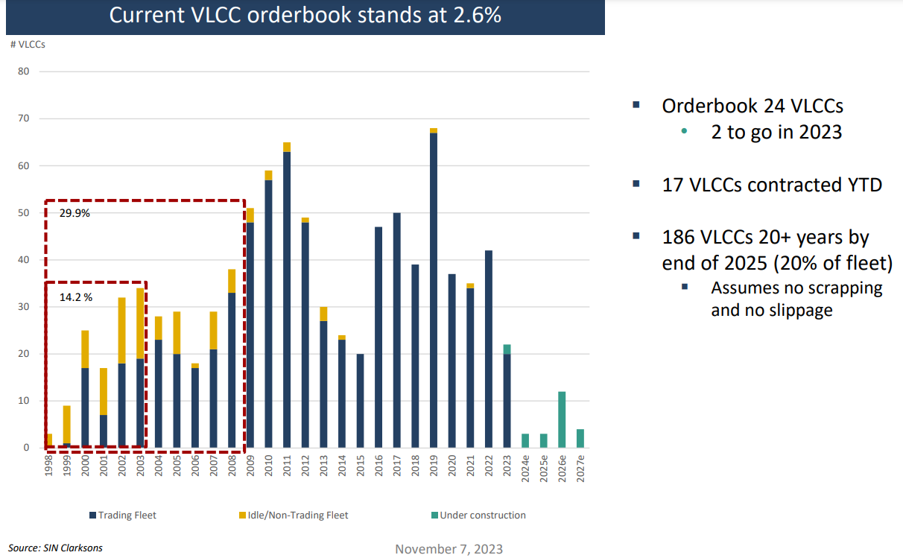

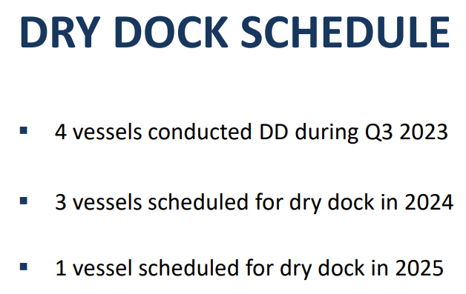

Q4 2023

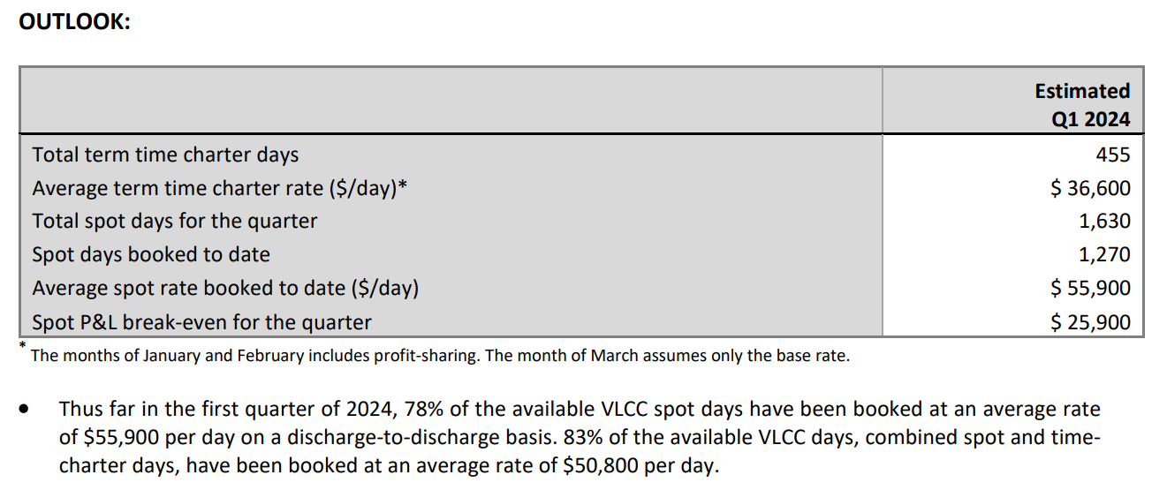

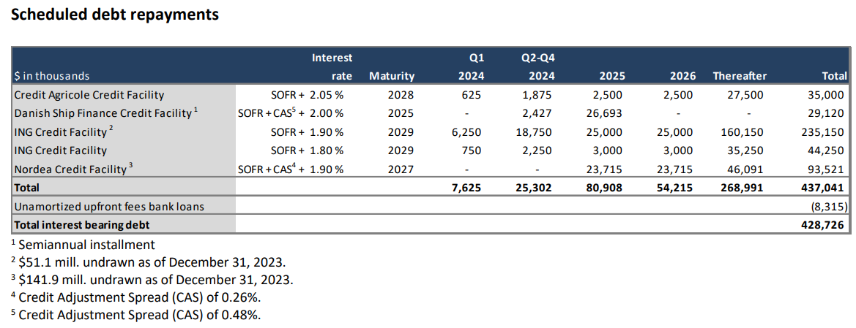

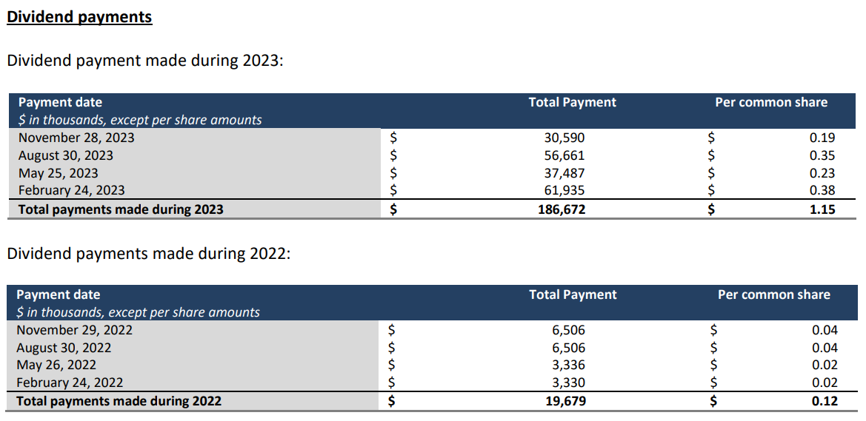

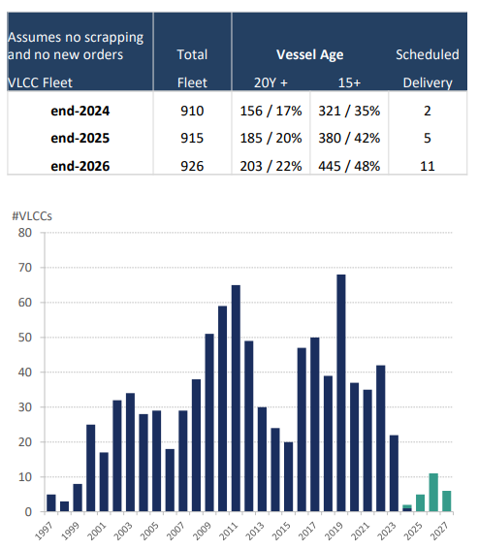

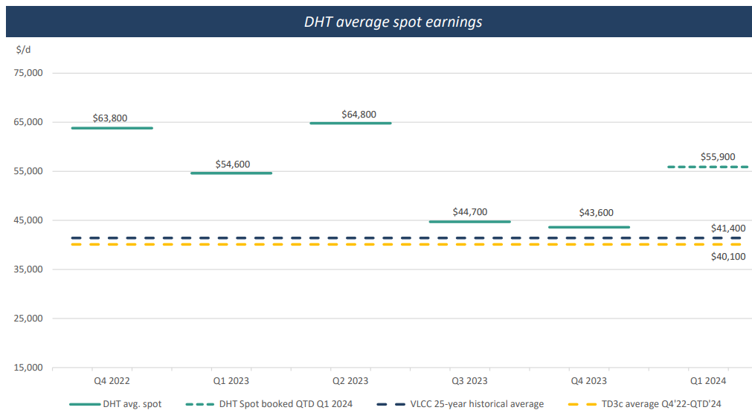

Press release 28/02/24

20-F 2023

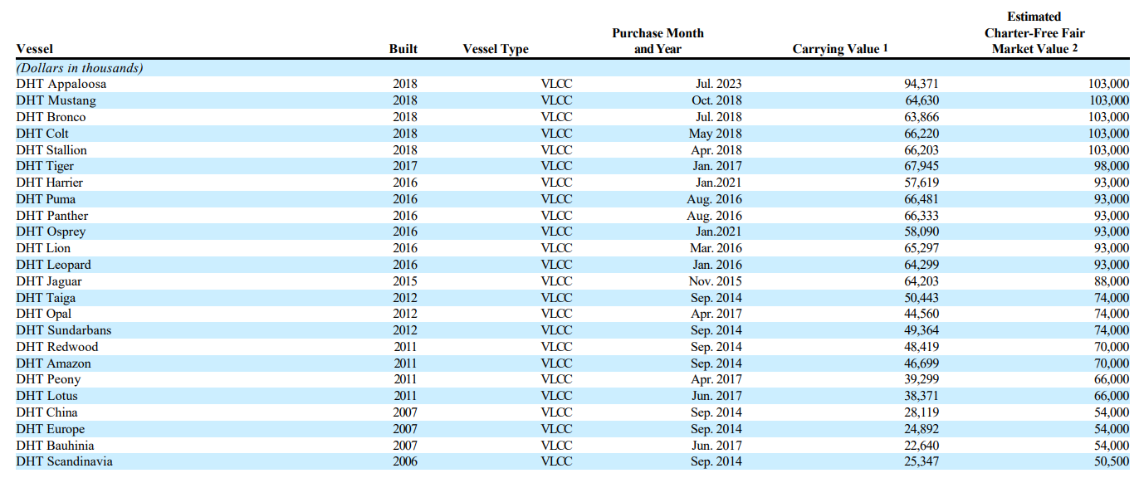

Q1 2024

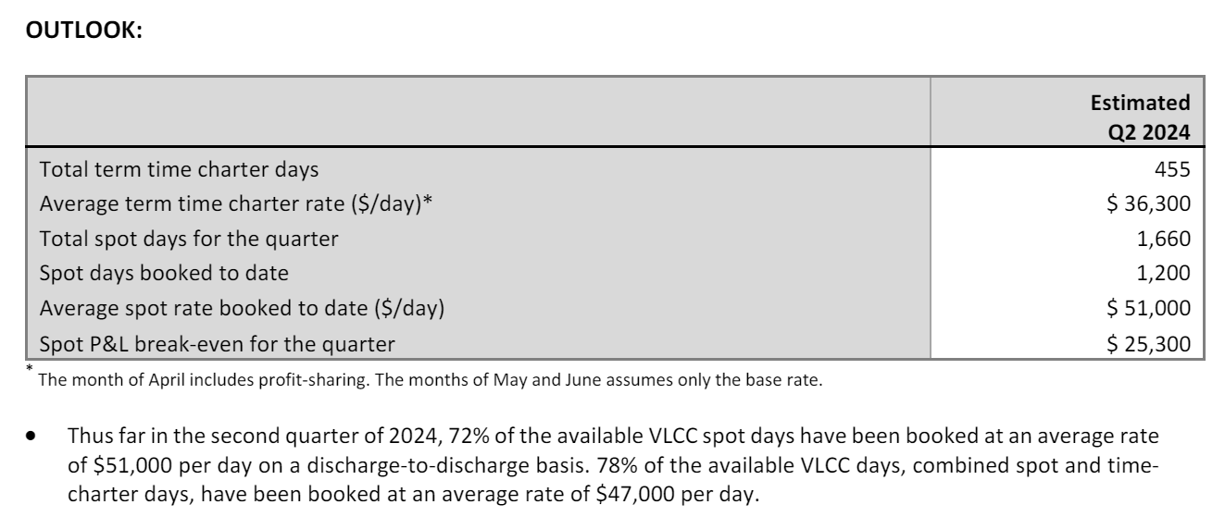

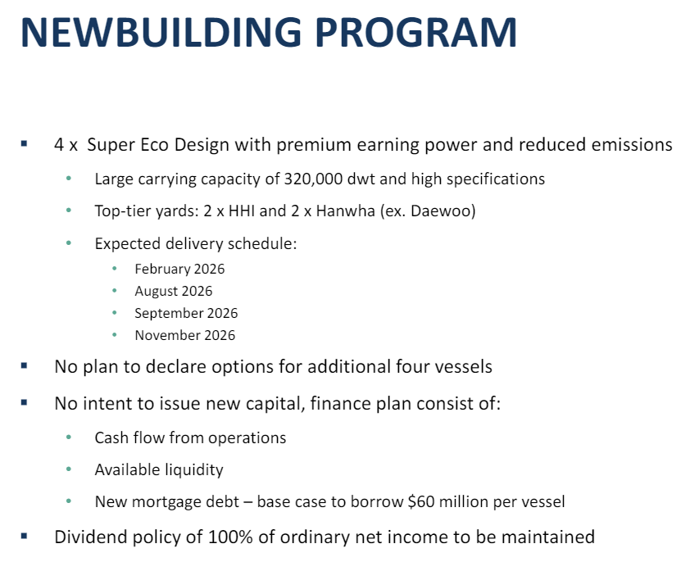

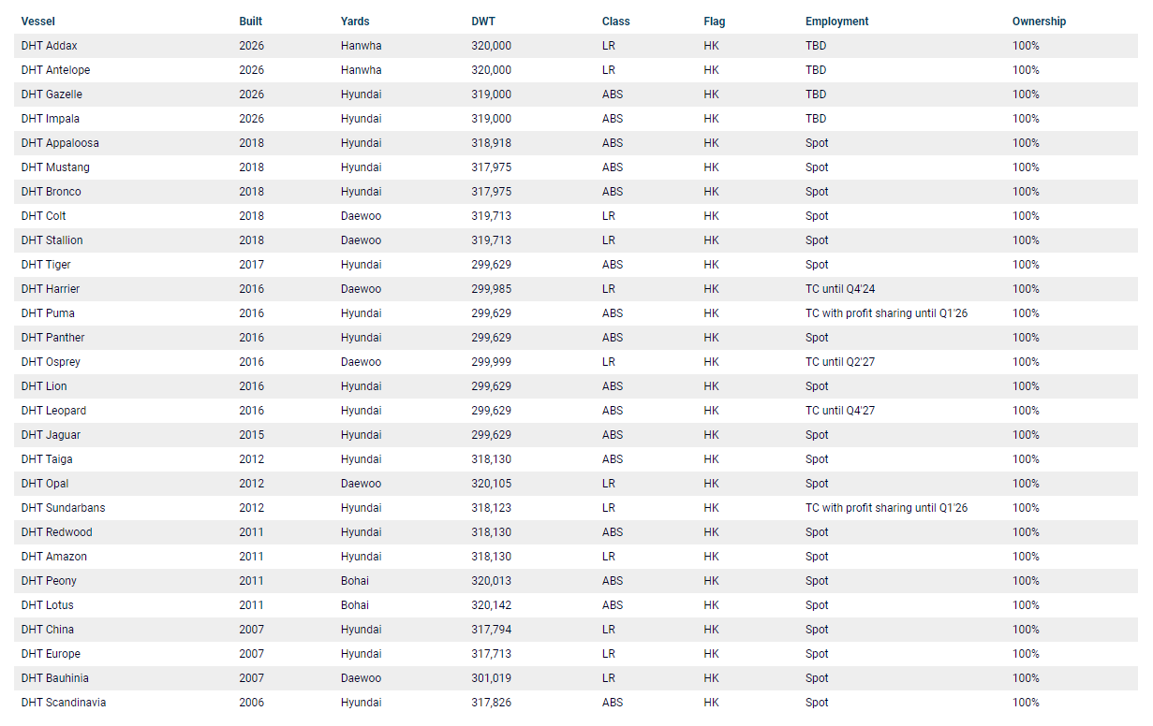

Update 11/07/24

Q2 2024

Q3 2024

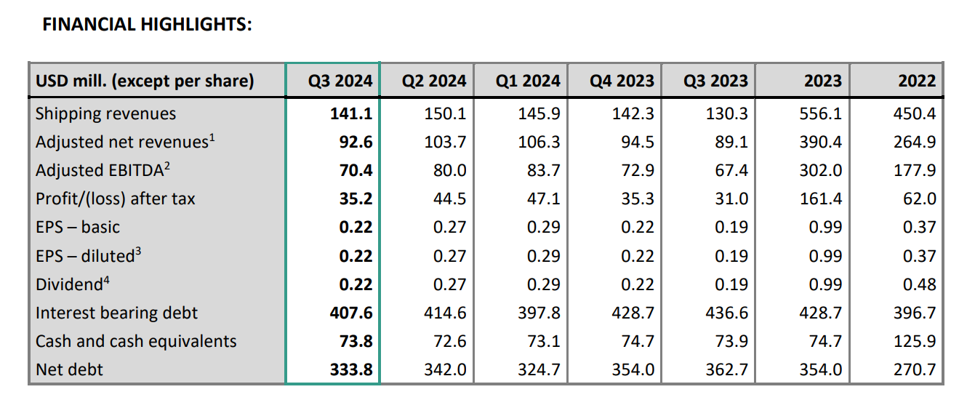

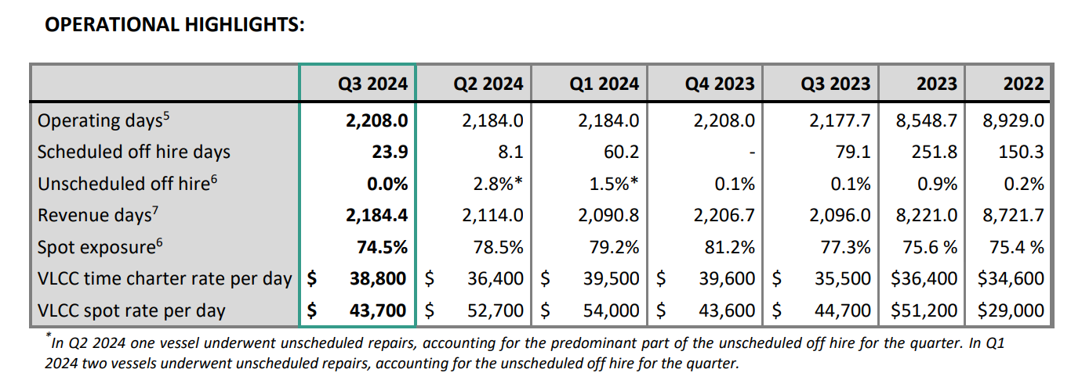

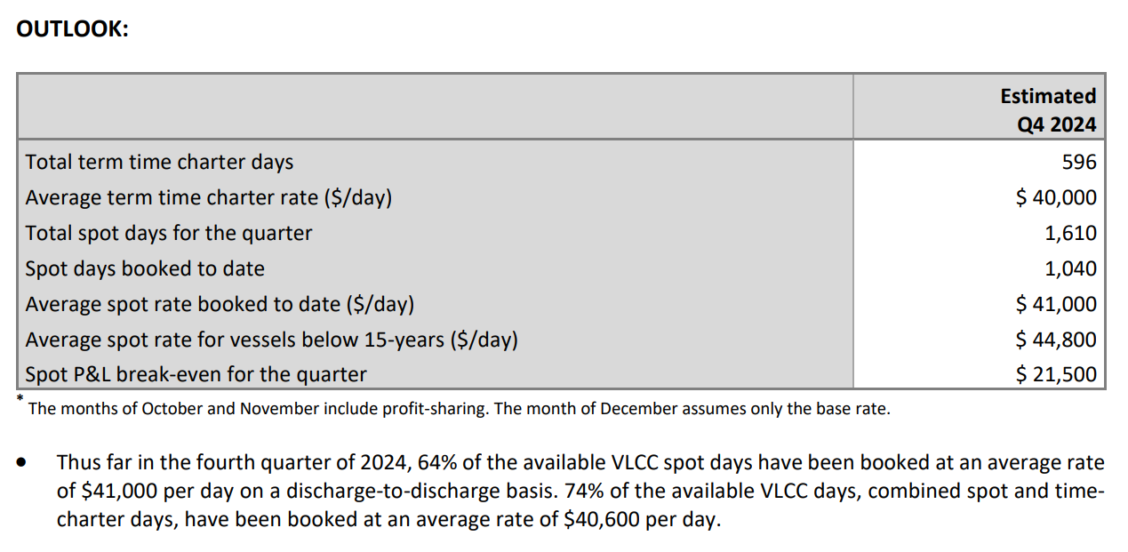

Update 14/01/25

Q4 2024

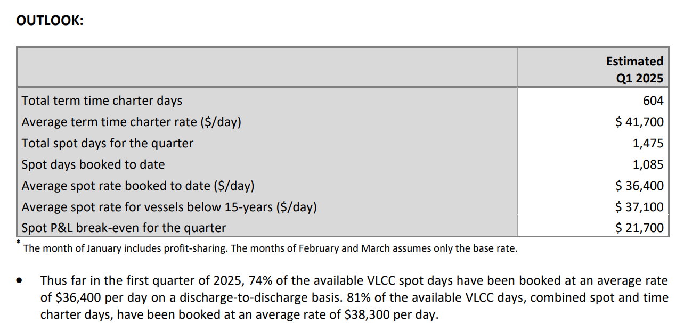

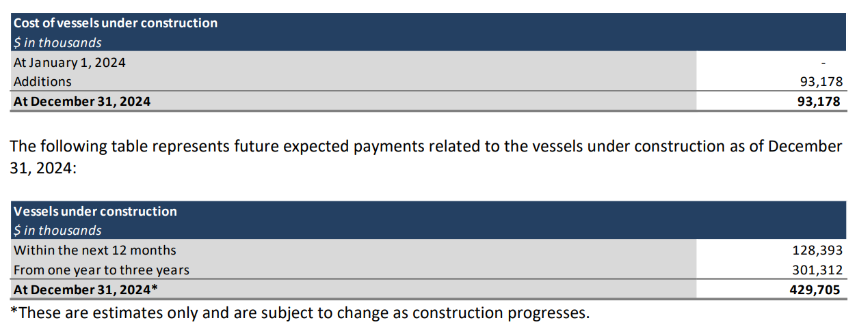

Update 14/04/25

Release 15/04/25

Q1 2025

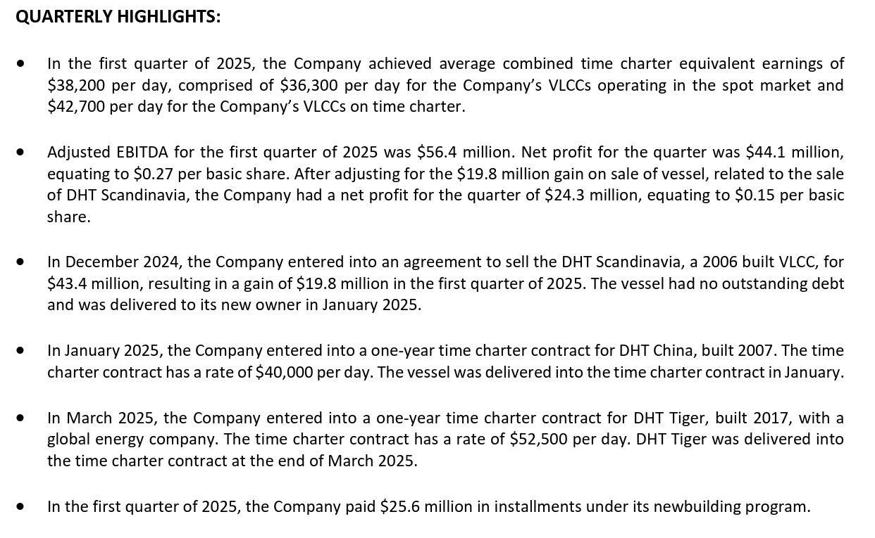

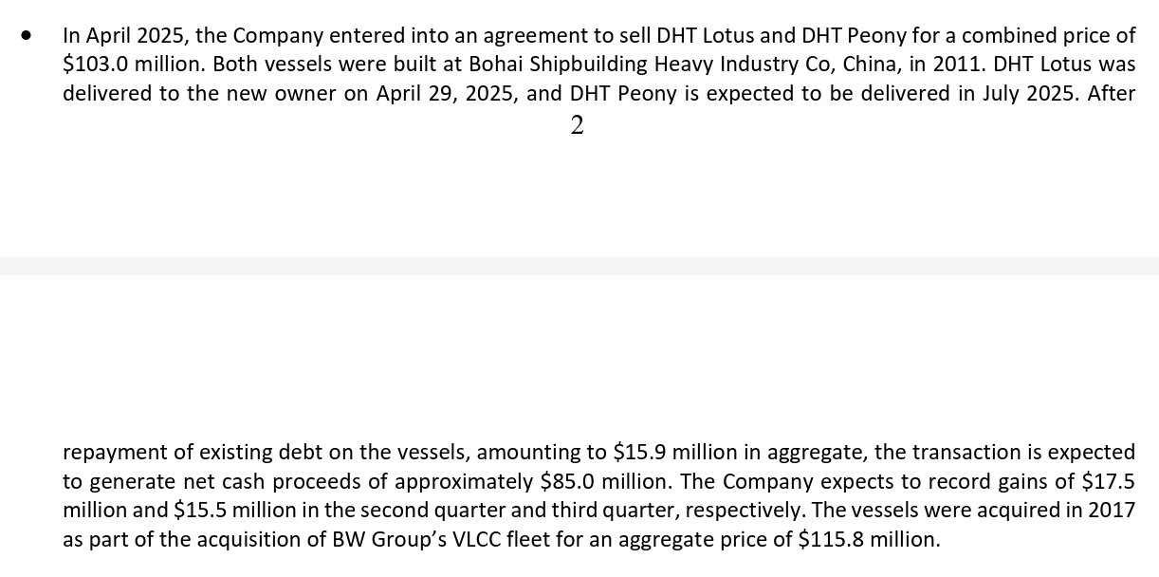

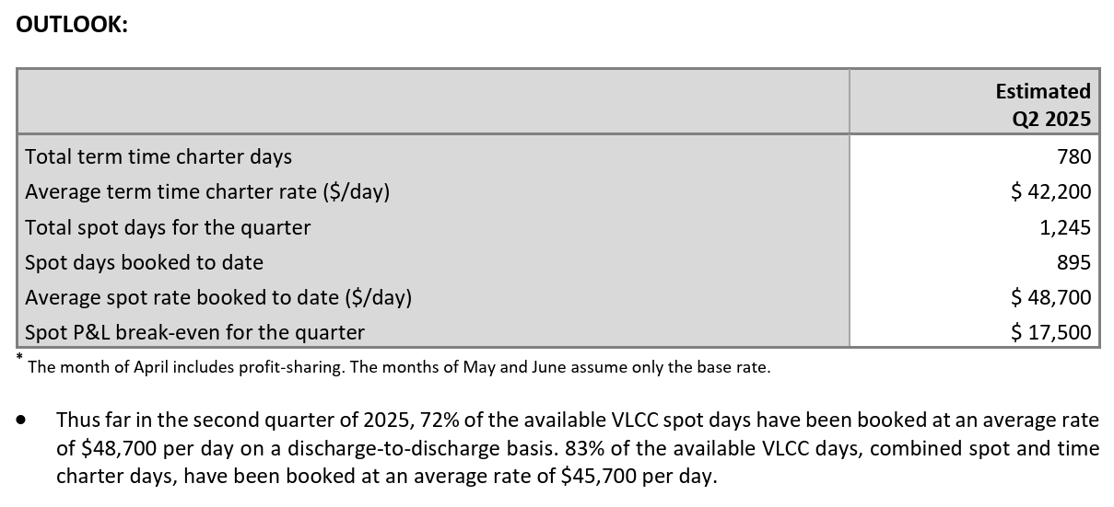

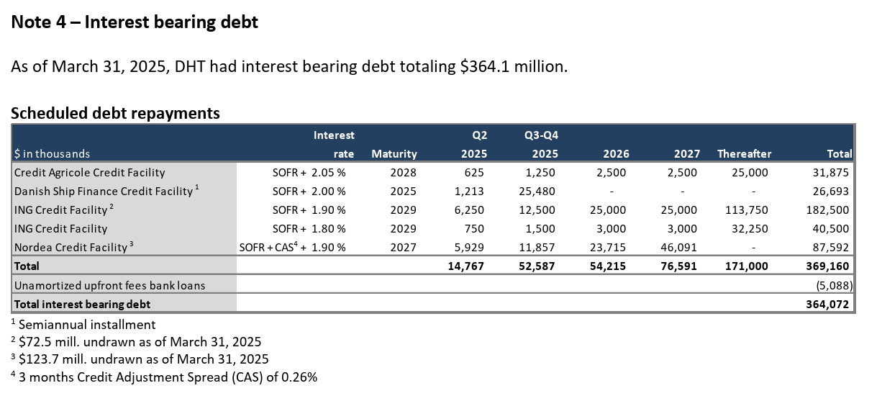

Update Q2 2025

Q2 2025
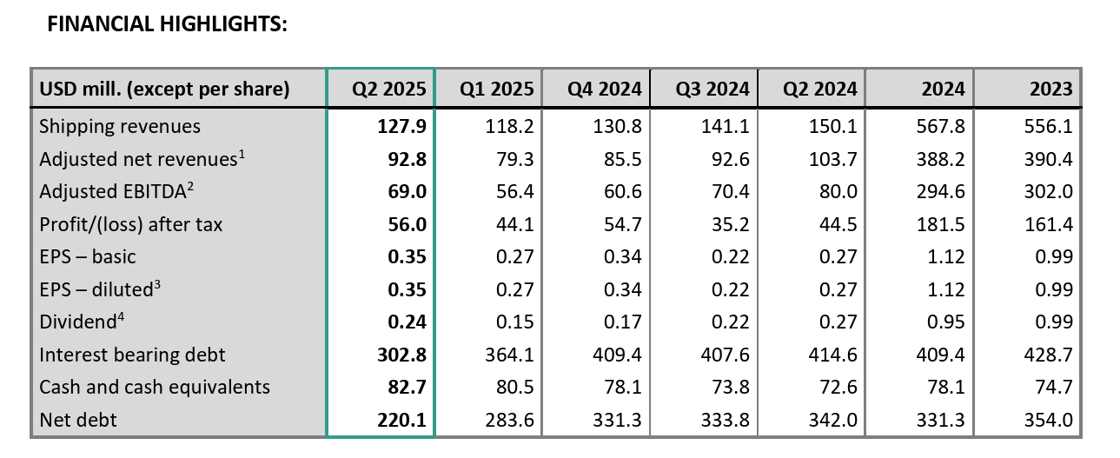

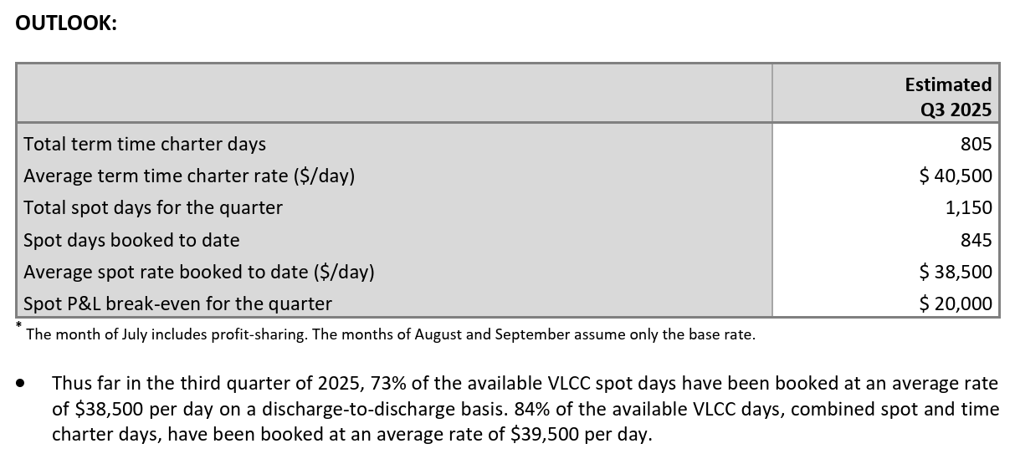

Update 14/10/25

Press release 14/10/25 about China new fees

Q3 2025

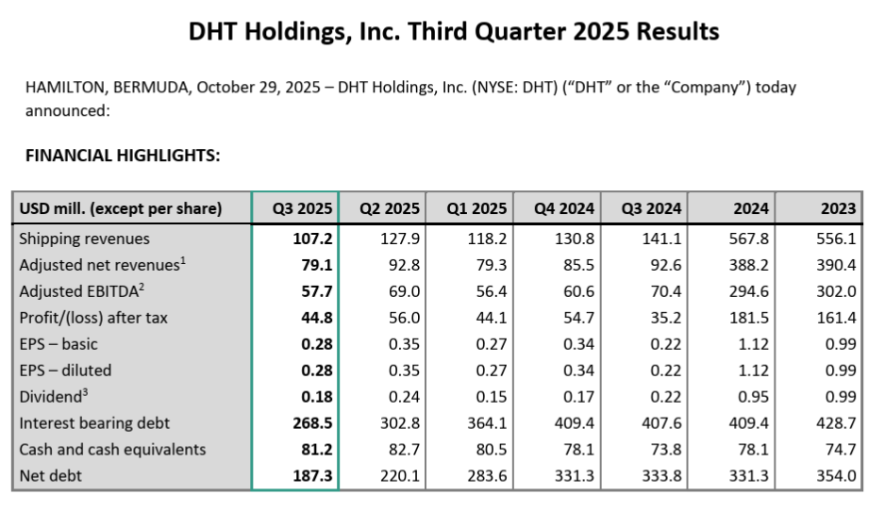

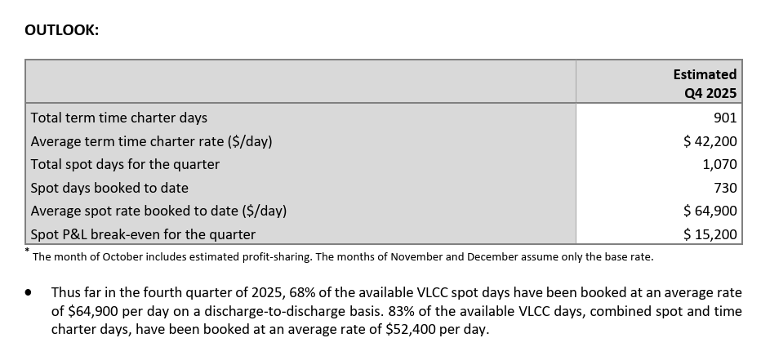

Press release 29/12/25

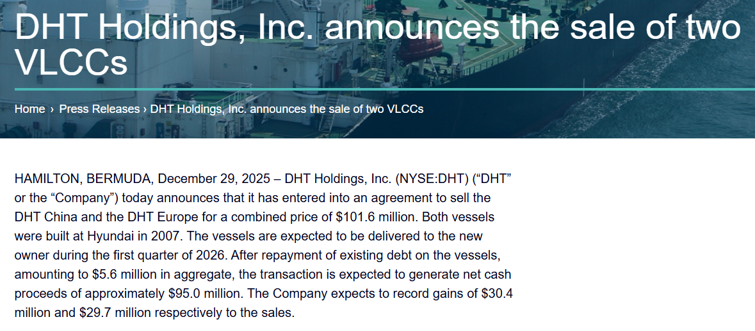

Update

Q4 2025

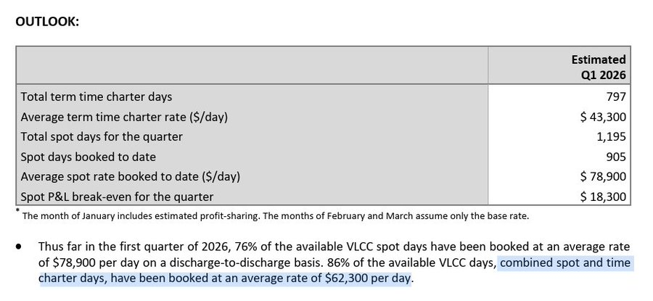

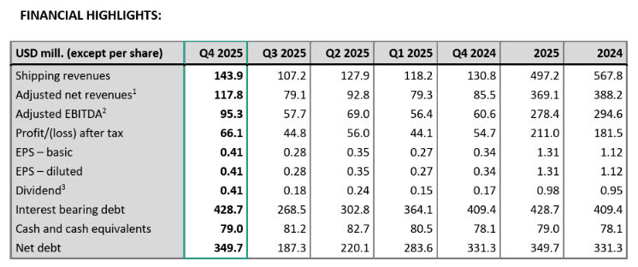

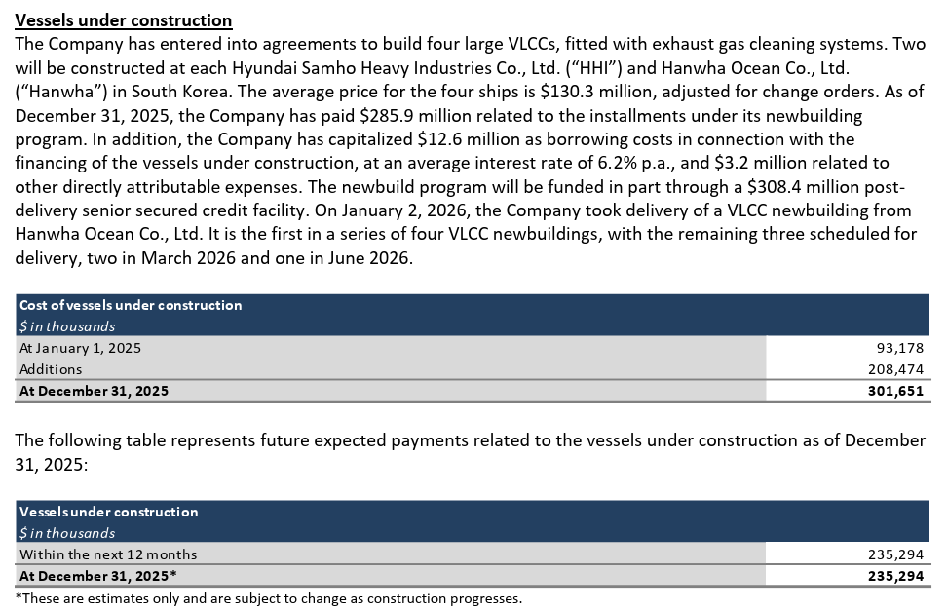

Business update 15/04/26

Q1 2026

