Token Saving
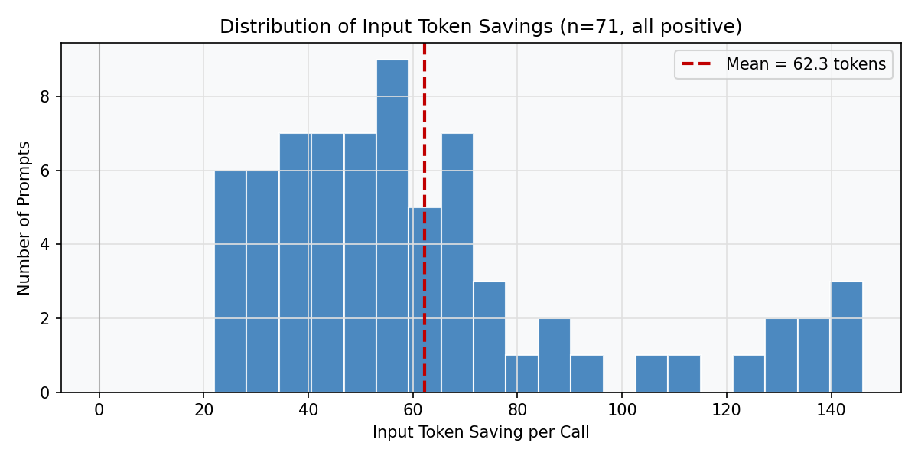
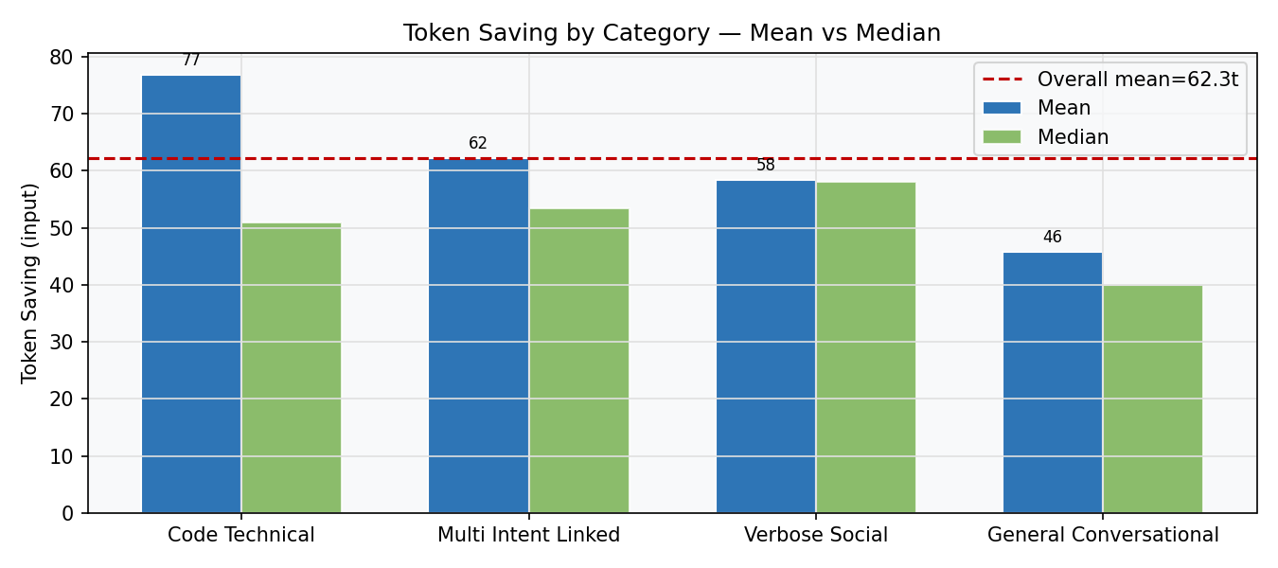
Token Saving Analysis — T1

DESCRIPTIVE STATISTICS (n=71)
Metric | Value
Mean | 62.30 tokens
Median | 54.00 tokens
Std dev | 32.46 tokens
Min / Max | 22 / 146 tokens
95% CI | [54.61, 69.98] tokens
t-statistic | 16.1707
p-value | 1.23e-25
Cohen's d | 1.9191 (very large)
% positive | 100% — 71/71 calls
Compression ratio | mean=0.417 (median=0.398)

BY CATEGORY (T3 — Kruskal-Wallis H=4.96, p=0.175)
Category | n | Mean | Median | Std | Min | Max | Interpretation
Code Technical | 20 | 76.8 | 51.0 | 49.5 | 22 | 146 | Highest mean, high variance
Multi Intent Linked | 16 | 62.2 | 53.5 | 29.9 | 28 | 133 | Moderate, stable
Verbose Social | 23 | 58.3 | 58.0 | 10.5 | 39 | 77 | Most consistent
General Conversational | 12 | 45.8 | 40.0 | 18.0 | 28 | 87 | Lowest mean

Quality Analysis
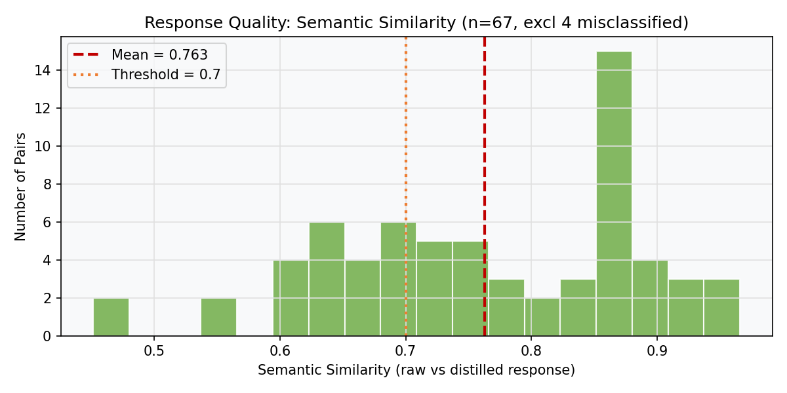
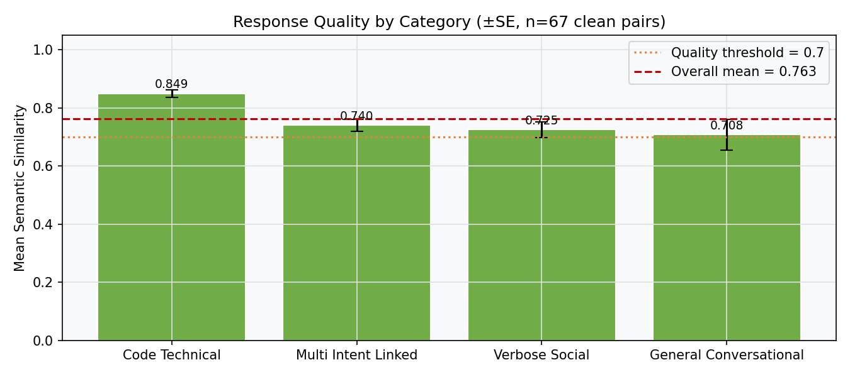
Response Quality — Semantic Similarity (T2, n=67 clean)

DESCRIPTIVE STATISTICS
Metric | Value
n (clean pairs) | 67
n excluded | 4 (jailbreak + misclassified)
Mean similarity | 0.7626
Median | 0.7624
Std dev | 0.1213
Min / Max | 0.4515 / 0.9657
95% CI | [0.7330, 0.7922]
t-statistic | 4.2243
p-value | 0.000038
Cohen's d | 0.5161 (medium)
≥ 0.7 | 45/67 (67%)
< 0.50 (flagged) | 2

EXCLUSION NOTE: 4 rows excluded: sim<0.40 in general_conversational or multi_intent_linked — jailbreak attempt (P053) and misclassified academic/technical prompts (P047, P086, P092) captured by broad WildChat sampling. Exclusion criterion applied consistently: sim<0.40 AND category in {general_conversational, multi_intent_linked}. Not post-hoc — rule is independent of test result.

SIMILARITY BY CATEGORY (clean pairs)
Category | n | Mean | Median | Std | ≥0.7 | <0.50
Code Technical | 20 | 0.849 | 0.860 | 0.058 | 20/20 | 0
Multi Intent Linked | 14 | 0.740 | 0.732 | 0.075 | 10/14 | 0
Verbose Social | 23 | 0.725 | 0.684 | 0.127 | 11/23 | 1
General Conversational | 10 | 0.708 | 0.664 | 0.170 | 4/10 | 1

