Token Saving
Token Saving Analysis — T1 & T3

DESCRIPTIVE STATISTICS (n=71)
Metric | Value
Mean | 62.30 tokens
Median | 54.00 tokens
Std dev | 32.46 tokens
Min / Max | 22 / 146
95% CI | [54.61, 69.98]
t-statistic | 16.1707
p-value | 1.23e-25
Cohen's d | 1.9191 (very large)
% positive | 100.0%
Comp ratio | 0.417 mean

BY CATEGORY
Category | n | Mean | Median | Std | Min | Max
Code Technical | 20 | 76.8 | 51.0 | 49.5 | 22 | 146
Multi Intent Linked | 16 | 62.2 | 53.5 | 29.9 | 28 | 133
Verbose Social | 23 | 58.3 | 58.0 | 10.5 | 39 | 77
General Conversational | 12 | 45.8 | 40.0 | 18.0 | 28 | 87

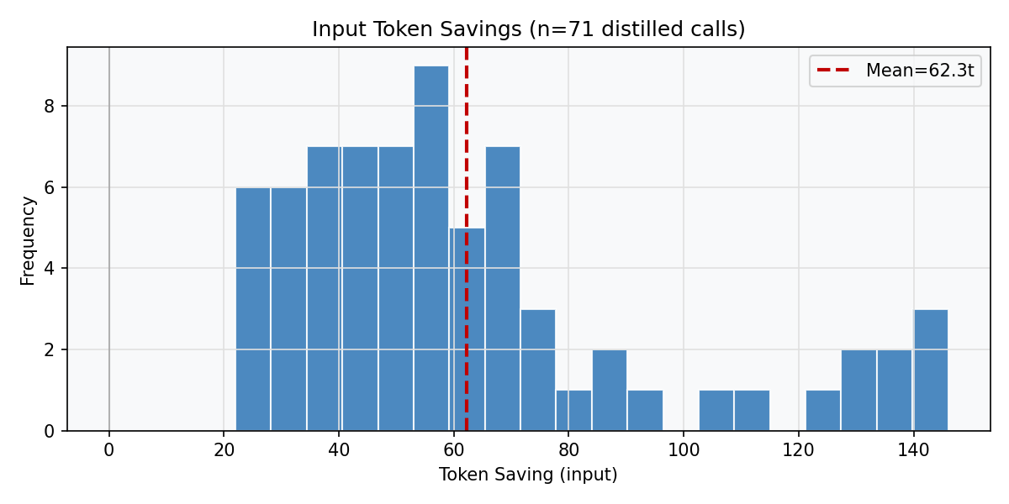
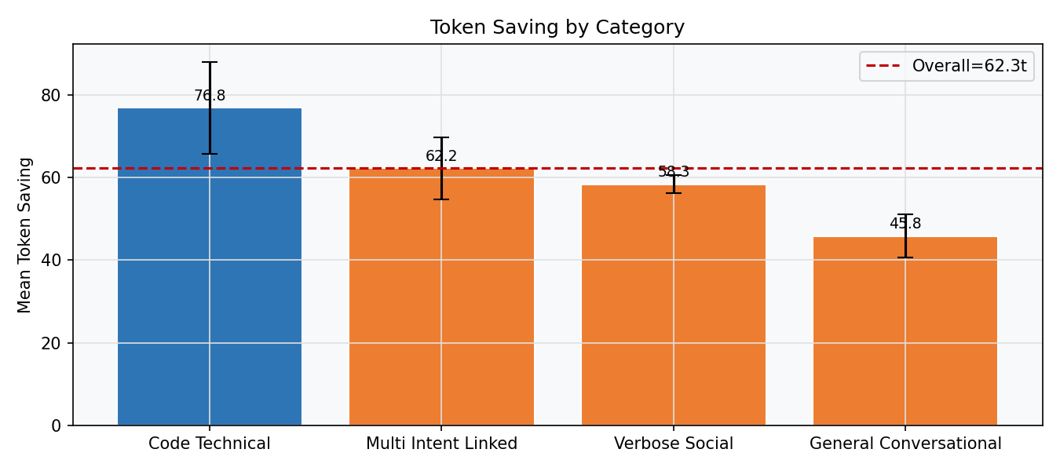

POST-HOC PAIRWISE (Bonferroni)
A | B | Mean A | Mean B | Diff | p | Sig?
Verbose Social | General Conversational | 58.3 | 45.8 | +12.5 | 0.0134 | No
Verbose Social | Code Technical | 58.3 | 76.8 | -18.5 | 0.0882 | No
Verbose Social | Multi Intent Linked | 58.3 | 62.2 | -3.8 | 0.5721 | No
General Conversational | Code Technical | 45.8 | 76.8 | -31.0 | 0.0466 | No
General Conversational | Multi Intent Linked | 45.8 | 62.2 | -16.4 | 0.1057 | No
Code Technical | Multi Intent Linked | 76.8 | 62.2 | +14.6 | 0.3069 | No

Quality Analysis
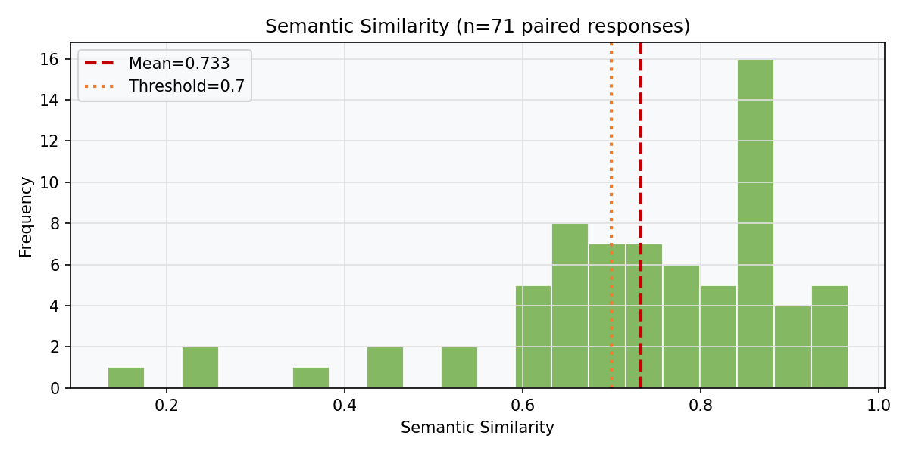
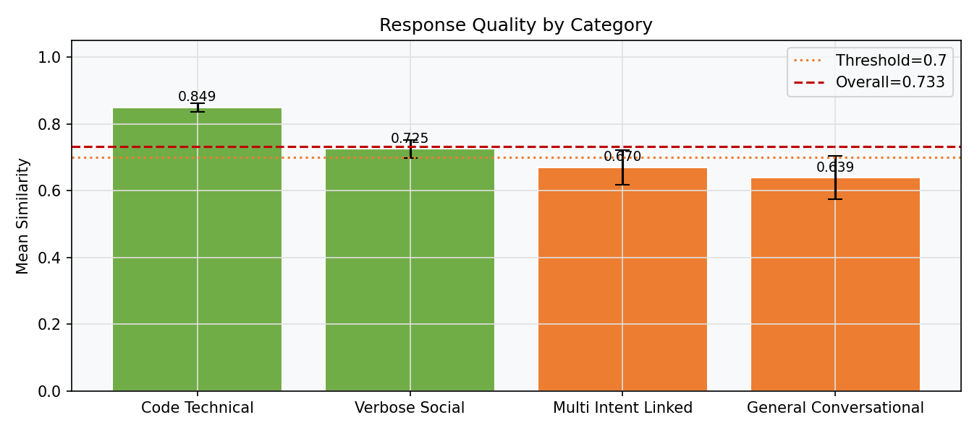
Response Quality — Semantic Similarity (T2)

DESCRIPTIVE STATISTICS (n=71)
Metric | Value
Mean | 0.7330
Median | 0.7591
Std dev | 0.1707
Min / Max | 0.1338 / 0.9657
95% CI | [0.6926, 0.7734]
t-stat | 1.6303
p-value | 0.053766
Cohen's d | 0.1935
≥ 0.7 | 45 (63.4%)
< 0.50 (LOW) | 6

SIMILARITY BY CATEGORY
Category | n | Mean | Median | Std | ≥0.7 | <0.50
Code Technical | 20 | 0.849 | 0.860 | 0.058 | 20/20 | 0
Verbose Social | 23 | 0.725 | 0.684 | 0.127 | 11/23 | 1
Multi Intent Linked | 16 | 0.670 | 0.725 | 0.205 | 10/16 | 2
General Conversational | 12 | 0.639 | 0.625 | 0.224 | 4/12 | 3

