lcoe_cap adds
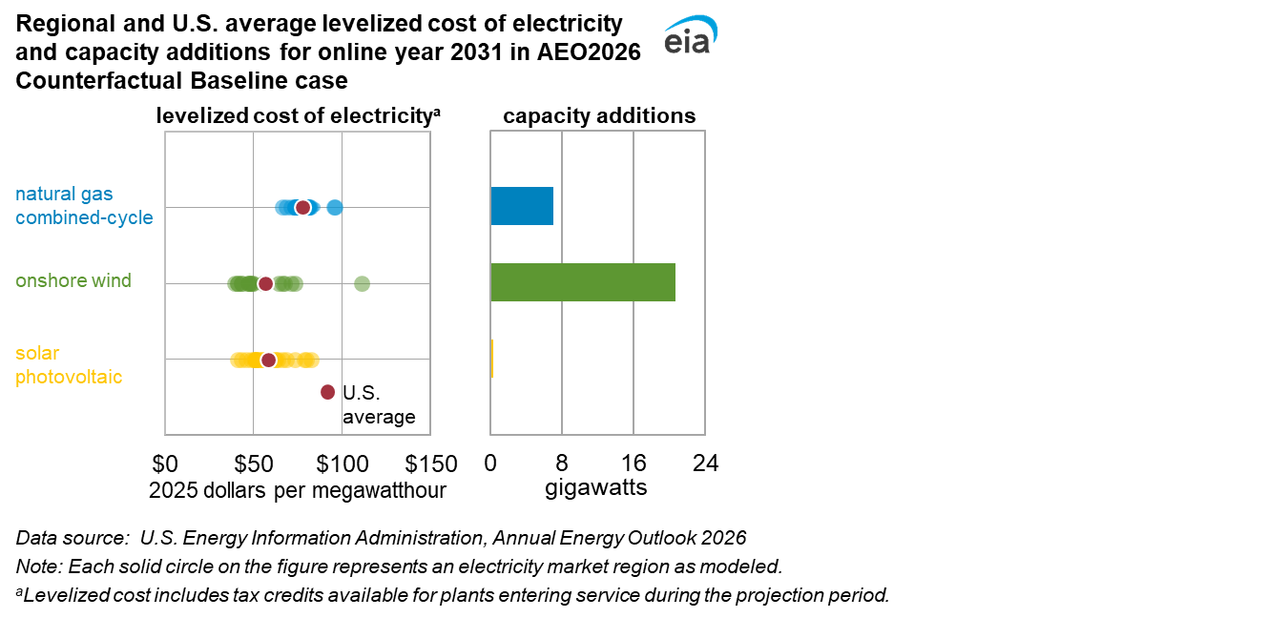
Levelized cost of electricity with applicable tax credits by region for new resources entering service in 2031, AEO2026 Counterfactual Baseline case (2025 dollars per megawatthour)
Technology | Region 1 | Region 2 | Region 3 | Region 4 | Region 5 | Region 6 | Region 7 | Region 8 | Region 9 | Region 10 | Region 11 | Region 12 | Region 13 | Region 14 | Region 15 | Region 16 | Region 17 | Region 18 | Region 19 | Region 20 | Region 21 | Region 22 | Region 23 | Region 24 | Region 25 | Average
Advanced natural gas combined-cycle | $73.36 | $81.53 | $76.78 | $74.55 | $74.37 | $74.38 | $80.97 | $84.89 | $75.64 | $68.47 | $66.04 | $80.09 | $71.04 | $77.51 | $74.10 | $73.15 | $73.45 | $74.87 | $74.45 | $80.14 | $96.00 | $95.26 | $81.71 | $73.66 | $80.02 | $77.46
Onshore wind | $41.07 | NA | $46.75 | $49.67 | $56.49 | $47.75 | $67.18 | $76.80 | $73.05 | $71.04 | $55.63 | $64.20 | $66.34 | $55.52 | $49.02 | $55.99 | $39.62 | $40.83 | $43.12 | $46.83 | $110.97 | NA | $56.00 | $43.11 | $48.21 | $56.75
Solar photovoltaic | $40.95 | $50.97 | $56.63 | $55.42 | $62.14 | $51.29 | $78.59 | $79.98 | $82.25 | $66.39 | $73.40 | $68.33 | $63.48 | $53.48 | $51.18 | $54.03 | $43.39 | $48.76 | $50.14 | $50.68 | $59.90 | $62.80 | $56.91 | $46.09 | $51.13 | $58.33
Data source: U.S. Energy Information Administration, Annual Energy Outlook 2026
Note: NA = not applicable

Capacity additions by region for new resources entering service in 2031, AEO2026 Counterfactual Baseline case (gigawatts)
Technology | Region 1 | Region 2 | Region 3 | Region 4 | Region 5 | Region 6 | Region 7 | Region 8 | Region 9 | Region 10 | Region 11 | Region 12 | Region 13 | Region 14 | Region 15 | Region 16 | Region 17 | Region 18 | Region 19 | Region 20 | Region 21 | Region 22 | Region 23 | Region 24 | Region 25
Advanced natural gas combined-cycle | 0.000 | 0.564 | 0.000 | 0.263 | 0.000 | 0.000 | 0.000 | 0.000 | 0.000 | 0.000 | 0.000 | 0.000 | 0.849 | 2.418 | 0.000 | 0.000 | 0.000 | 0.000 | 0.000 | 0.000 | 0.000 | 0.000 | 0.000 | 0.138 | 2.800
Onshore wind | 0.000 | NA | 0.000 | 0.000 | 4.233 | 4.633 | 0.000 | 0.000 | 0.000 | 0.000 | 0.000 | 0.000 | 0.000 | 0.000 | 0.000 | 0.000 | 3.936 | 2.002 | 0.000 | 0.000 | 0.000 | NA | 0.000 | 2.999 | 2.829
Solar photovoltaic | 0.000 | 0.000 | 0.000 | 0.000 | 0.000 | 0.000 | 0.000 | 0.000 | 0.000 | 0.000 | 0.000 | 0.000 | 0.000 | 0.000 | 0.000 | 0.000 | 0.000 | 0.253 | 0.000 | 0.000 | 0.000 | 0.000 | 0.000 | 0.000 | 0.000
Data source: U.S. Energy Information Administration, Annual Energy Outlook 2026
Note: NA = not applicable

lcoe_lace
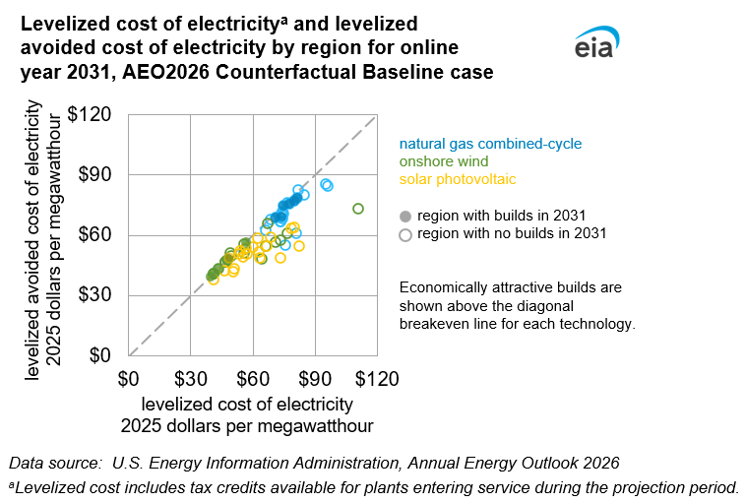
Levelized cost of electricity with applicable tax credits by region for new resources entering service in 2031, AEO2026 Counterfactual Baseline case (2025 dollars per megawatthour)
Technology | Region 1 | Region 2 | Region 3 | Region 4 | Region 5 | Region 6 | Region 7 | Region 8 | Region 9 | Region 10 | Region 11 | Region 12 | Region 13 | Region 14 | Region 15 | Region 16 | Region 17 | Region 18 | Region 19 | Region 20 | Region 21 | Region 22 | Region 23 | Region 24 | Region 25
Advanced natural gas combined-cycle | $73.36 | $81.53 | $76.78 | $74.55 | $74.37 | $74.38 | $80.97 | $84.89 | $75.64 | $68.47 | $66.04 | $80.09 | $71.04 | $77.51 | $74.10 | $73.15 | $73.45 | $74.87 | $74.45 | $80.14 | $96.00 | $95.26 | $81.71 | $73.66 | $80.02
Onshore wind | $41.07 | NA | $46.75 | $49.67 | $56.49 | $47.75 | $67.18 | $76.80 | $73.05 | $71.04 | $55.63 | $64.20 | $66.34 | $55.52 | $49.02 | $55.99 | $39.62 | $40.83 | $43.12 | $46.83 | $110.97 | NA | $56.00 | $43.11 | $48.21
Standalone solar photovoltaic | $40.95 | $50.97 | $56.63 | $55.42 | $62.14 | $51.29 | $78.59 | $79.98 | $82.25 | $66.39 | $73.40 | $68.33 | $63.48 | $53.48 | $51.18 | $54.03 | $43.39 | $48.76 | $50.14 | $50.68 | $59.90 | $62.80 | $56.91 | $46.09 | $51.13
Data source: U.S. Energy Information Administration, Annual Energy Outlook 2026
Note: NA = not applicable

Levelized avoided cost of electricity with applicable tax credits by region for new resources entering service in 2031, Counterfactual Baseline case (2025 dollars per megawatthour)
Technology | Region 1 | Region 2 | Region 3 | Region 4 | Region 5 | Region 6 | Region 7 | Region 8 | Region 9 | Region 10 | Region 11 | Region 12 | Region 13 | Region 14 | Region 15 | Region 16 | Region 17 | Region 18 | Region 19 | Region 20 | Region 21 | Region 22 | Region 23 | Region 24 | Region 25
Advanced natural gas combined-cycle | $66.80 | $78.48 | $76.11 | $74.63 | $68.56 | $71.39 | $61.27 | $80.19 | $55.07 | $67.72 | $62.36 | $77.44 | $68.77 | $75.93 | $69.78 | $69.06 | $66.77 | $70.80 | $71.92 | $69.95 | $84.44 | $85.46 | $82.40 | $69.60 | $77.47
Onshore wind | $40.92 | NA | $46.64 | $49.72 | $56.57 | $47.83 | $65.96 | $60.81 | $57.38 | $56.74 | $51.08 | $48.48 | $54.47 | $55.52 | $51.34 | $49.42 | $39.69 | $40.90 | $43.19 | $46.73 | $73.39 | NA | $53.09 | $43.18 | $48.28
Standalone solar photovoltaic | $37.83 | $50.92 | $53.65 | $49.31 | $58.55 | $45.79 | $63.49 | $63.76 | $54.75 | $54.62 | $48.77 | $58.91 | $48.59 | $50.89 | $44.84 | $52.15 | $37.75 | $48.76 | $42.80 | $41.70 | $54.34 | $51.62 | $50.76 | $42.20 | $43.56
Data source: U.S. Energy Information Administration, Annual Energy Outlook 2026
Note: NA = not applicable

Capacity additions by region for new resources entering service in 2031, AEO2026 Counterfactual Baseline case (gigawatts)
Technology | Region 1 | Region 2 | Region 3 | Region 4 | Region 5 | Region 6 | Region 7 | Region 8 | Region 9 | Region 10 | Region 11 | Region 12 | Region 13 | Region 14 | Region 15 | Region 16 | Region 17 | Region 18 | Region 19 | Region 20 | Region 21 | Region 22 | Region 23 | Region 24 | Region 25
Advanced natural gas combined-cycle | 0.000 | 0.564 | 0.000 | 0.263 | 0.000 | 0.000 | 0.000 | 0.000 | 0.000 | 0.000 | 0.000 | 0.000 | 0.849 | 2.418 | 0.000 | 0.000 | 0.000 | 0.000 | 0.000 | 0.000 | 0.000 | 0.000 | 0.000 | 0.138 | 2.800
Onshore wind | 0.000 | NA | 0.000 | 0.000 | 4.233 | 4.633 | 0.000 | 0.000 | 0.000 | 0.000 | 0.000 | 0.000 | 0.000 | 0.000 | 0.000 | 0.000 | 3.936 | 2.002 | 0.000 | 0.000 | 0.000 | NA | 0.000 | 2.999 | 2.829
Standalone solar photovoltaic | 0.000 | 0.000 | 0.000 | 0.000 | 0.000 | 0.000 | 0.000 | 0.000 | 0.000 | 0.000 | 0.000 | 0.000 | 0.000 | 0.000 | 0.000 | 0.000 | 0.000 | 0.253 | 0.000 | 0.000 | 0.000 | 0.000 | 0.000 | 0.000 | 0.000
Data source: U.S. Energy Information Administration, Annual Energy Outlook 2026
Note: NA = not applicable

lcoe-components
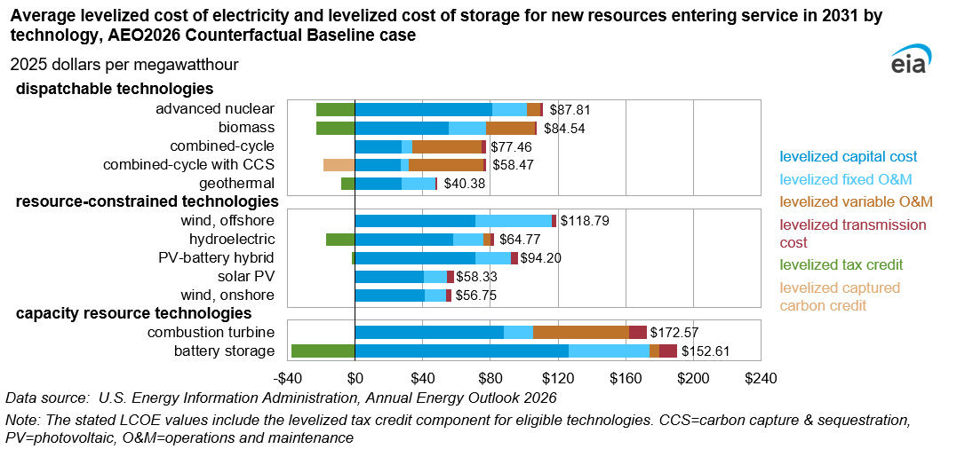
Estimated average levelized cost of electricity (LCOE) and levelized cost of storage (LCOS) for new resources
entering service in 2031, AEO2026 Counterfactual Baseline case (2025 dollars per megawatthour)
Plant type | Capacity factor (percent) | Levelized capital cost | Levelized fixed O&M | Levelized variable cost | Levelized transmission cost | Total system LCOE or LCOS | Levelized tax credit | Levelized Capture Credit | Total LCOE or LCOS including tax credit
Dispatchable technologies
Advanced nuclear | 90% | $81.12 | $20.72 | $7.89 | $1.13 | $110.87 | -$23.06 | NA | $87.81
Biomass | 83% | $55.31 | $22.35 | $28.68 | $1.28 | $107.60 | -$23.06 | NA | $84.54
Combined-cycle | 40% | $27.65 | $5.97 | $41.20 | $2.65 | $77.46 | NA | NA | $77.46
Combined-cycle with CCS | 87% | $27.09 | $4.48 | $44.40 | $1.22 | $77.19 | NA | -$18.72 | $58.47
Geothermal | 90% | $27.71 | $19.49 | $0.00 | $1.50 | $48.69 | -$8.31 | NA | $40.38
Resource-contrained technologies
Wind, offshore | 43% | $71.02 | $45.05 | $0.00 | $2.72 | $118.79 | NA | NA | $118.79
Hydroelectric | 56% | $57.70 | $18.23 | $4.07 | $2.08 | $82.08 | -$17.31 | NA | $64.77
Solar, hybrid | 27% | $71.15 | $21.14 | $0.00 | $4.04 | $96.33 | -$2.13 | NA | $94.20
Solar, standalone | 27% | $40.57 | $13.78 | $0.00 | $3.98 | $58.33 | NA | NA | $58.33
Wind, onshore | 38% | $41.05 | $12.92 | $0.00 | $2.78 | $56.75 | NA | NA | $56.75
Capacity resource technologies
Combustion turbine | 10% | $87.79 | $17.58 | $56.61 | $10.59 | $172.57 | NA | NA | $172.57
Battery storage | 10% | $126.12 | $47.77 | $5.97 | $10.59 | $190.45 | -$37.84 | NA | $152.61
Data source: U.S. Energy Information Administration, Annual Energy Outlook 2026
Note: Technologies not eligible for the tax credits are indicated as NA, or not available.

lcoe-regional
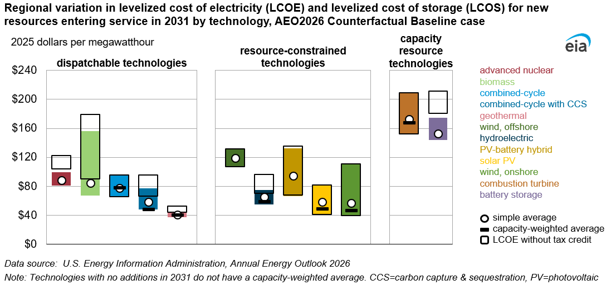
Regional variation in levelized cost of electricity (LCOE) and levelized cost of storage (LCOS) for new resources
entering service in 2031, AEO2026 Counterfactual Baseline case (2025 dollars per megawatthour)
 | Without tax credits |  | With tax credits
Plant type | Minimum | Maximum | Mininum | Simple average | Capacity weighted | Maximum
Dispatchable technologies
Advanced nuclear | $104.34 | $122.65 | $81.29 | $87.81 | NB | $99.59
Biomass | $90.10 | $179.09 | $67.04 | $84.54 | NB | $156.03
Combined-cycle | $66.04 | $96.00 | $66.04 | $77.46 | $77.87 | $96.00
Combined-cycle with CCS | $66.65 | $95.62 | $48.05 | $58.47 | $48.05 | $77.12
Geothermal | $44.17 | $52.61 | $37.13 | $40.38 | $40.44 | $44.09
Resource-contrained technologies
Wind, offshore | $107.35 | $131.41 | $107.35 | $118.79 | NB | $131.41
Hydroelectric | $70.23 | $96.43 | $55.33 | $64.77 | $58.64 | $74.71
Solar, hybrid | $68.21 | $135.42 | $66.74 | $94.20 | NB | $132.47
Solar, standalone | $40.95 | $82.25 | $40.95 | $58.33 | $48.76 | $82.25
Wind, onshore | $39.62 | $110.97 | $39.62 | $56.75 | $46.71 | $110.97
Capacity resource technologies
Combustion turbine | $152.29 | $209.01 | $152.29 | $172.57 | $168.10 | $209.01
Battery storage | $180.88 | $211.22 | $144.06 | $152.61 | NB | $174.56
Data source: U.S. Energy Information Administration, Annual Energy Outlook 2026
Note: The capacity-weighted average is the average levelized cost per technology, weighted by the new capacity coming
online in each region. The capacity additions for each region are based on additions in 2031. Technologies for which
capacity additions are not expected do not have a capacity-weighted average and are marked as NB, or not built.

lace-regional
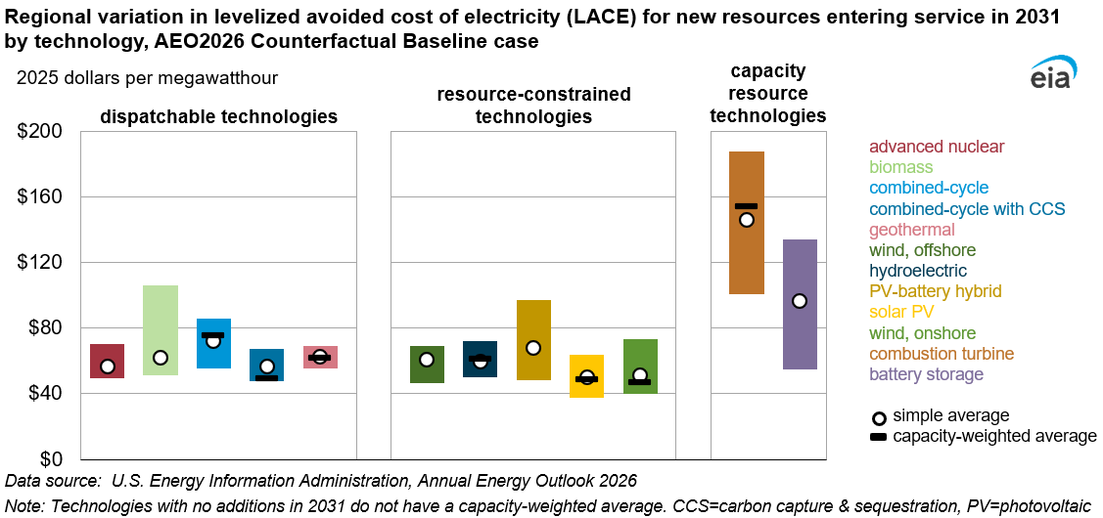
Regional variation in levelized avoided cost of electricity (LACE) for new resources entering
service in 2031, AEO2026 Counterfactual Baseline case (2025 dollars per megawatthour)
Plant type | Minimum | Simple average | Capacity-weighted average | Maximum
Dispatchable technologies
Advanced nuclear | $49.30 | $56.80 | NB | $70.12
Biomass | $51.13 | $61.94 | NB | $106.09
Combined-cycle | $55.07 | $72.09 | $75.71 | $85.46
Combined-cycle with CCS | $47.85 | $56.67 | $49.46 | $67.38
Geothermal | $55.20 | $62.77 | $61.76 | $69.09
Resource-contrained technologies
Wind, offshore | $46.22 | $60.55 | NB | $69.04
Hydroelectric | $50.14 | $59.60 | $61.34 | $72.14
Solar, hybrid | $48.37 | $67.91 | NB | $97.31
Solar, standalone | $37.75 | $50.01 | $48.76 | $63.76
Wind, onshore | $39.69 | $51.36 | $46.78 | $73.39
Capacity resource technologies
Combustion turbine | $100.58 | $145.68 | $154.15 | $187.55
Battery storage | $54.62 | $96.54 | NB | $133.64
Data source: U.S. Energy Information Administration, Annual Energy Outlook 2026
Note: The capacity-weighted average is the average levelized cost per
technology, weighted by the new capacity coming online in each region.
The capacity additions for each region are based on additions in 2031.
Technologies for which capacity additions are not expected do not have a
capacity-weighted average and are marked as NB, or not built.

vcr-regional
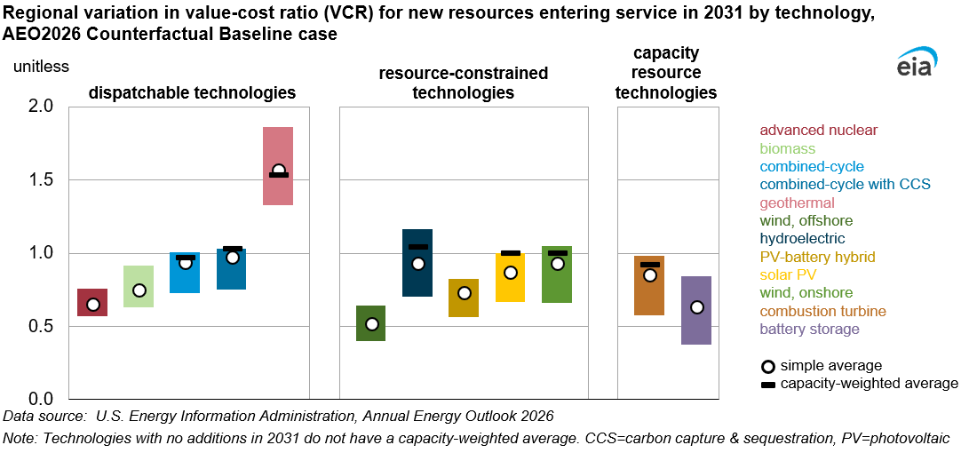
Regional variation in value-cost ratio for new resources entering service in 2031
AEO2026 Counterfactual Baseline case (2025 dollars per megawatthour)
Plant type | Minimum | Simple average | Capacity weighted average | Maximum
Dispatchable technologies
Advanced nuclear | 0.57 | 0.65 | NB | 0.76
Biomass | 0.63 | 0.74 | NB | 0.92
Combined-cycle | 0.73 | 0.93 | 0.97 | 1.01
Combined-cycle with CCS | 0.75 | 0.97 | 1.03 | 1.03
Geothermal | 1.33 | 1.56 | 1.53 | 1.86
Resource-contrained technologies
Wind, offshore | 0.40 | 0.51 | NB | 0.64
Hydroelectric | 0.70 | 0.93 | 1.04 | 1.17
Solar, hybrid | 0.56 | 0.73 | NB | 0.82
Solar, standalone | 0.66 | 0.87 | 1.00 | 1.00
Wind, onshore | 0.66 | 0.93 | 1.00 | 1.05
Capacity resource technologies
Combustion turbine | 0.57 | 0.85 | 0.92 | 0.98
Battery storage | 0.38 | 0.63 | NB | 0.84
Data source: U.S. Energy Information Administration, Annual Energy Outlook 2026
Note: The capacity-weighted average is the average levelized cost per
technology, weighted by the new capacity coming online in each region.
The capacity additions for each region are based on additions in 2031.
Technologies for which capacity additions are not expected do not have a
capacity-weighted average and are marked as NB, or not built.

combined-cycle
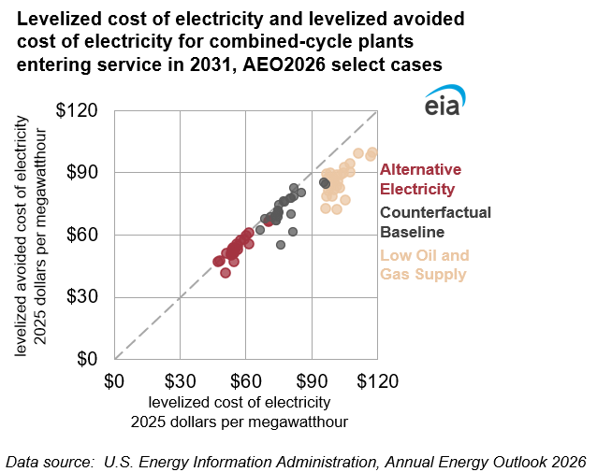
Levelized cost of electricity (LCOE) and levelized avoided cost of electricity (LACE) for new
combined-cycle entering service in 2031 across AEO2026 selected cases (2025 dollars per megawatthour)
 | Counterfactual Baseline |  | Alternative Electricity case |  | Low Oil and Gas Supply case
Region | LCOE | LACE | LCOE | LACE | LCOE | LACE
1 | $73.36 | $66.80 | $52.75 | $51.28 | $96.00 | $72.90
2 | $81.53 | $78.48 | $60.90 | $60.99 | $104.32 | $92.91
3 | $76.78 | $76.11 | $55.45 | $55.78 | $101.18 | $86.03
4 | $74.55 | $74.63 | $53.16 | $53.12 | $101.10 | $89.12
5 | $74.37 | $68.56 | $53.07 | $50.88 | $100.93 | $83.81
6 | $74.38 | $71.39 | $53.22 | $52.78 | $97.09 | $81.39
7 | $80.97 | $61.27 | $53.97 | $47.20 | $104.64 | $77.02
8 | $84.89 | $80.19 | $54.50 | $53.67 | $110.55 | $99.42
9 | $75.64 | $55.07 | $50.24 | $41.74 | $100.91 | $72.36
10 | $68.47 | $67.72 | $47.49 | $47.39 | $96.40 | $89.51
11 | $66.04 | $62.36 | $46.67 | $46.94 | $96.56 | $87.15
12 | $80.09 | $77.44 | $55.70 | $54.99 | $106.86 | $90.51
13 | $71.04 | $68.77 | $50.98 | $51.18 | $98.30 | $89.83
14 | $77.51 | $75.93 | $56.95 | $57.29 | $103.23 | $89.04
15 | $74.10 | $69.78 | $53.08 | $52.28 | $99.77 | $87.29
16 | $73.15 | $69.06 | $53.60 | $53.87 | $99.61 | $86.39
17 | $73.45 | $66.77 | $52.80 | $50.34 | $96.12 | $78.74
18 | $74.87 | $70.80 | $53.97 | $51.31 | $99.87 | $82.03
19 | $74.45 | $71.92 | $54.38 | $52.40 | $98.74 | $78.71
20 | $80.14 | $69.95 | $60.70 | $55.55 | $102.27 | $82.60
21 | $96.00 | $84.44 | $70.18 | $67.00 | $117.00 | $99.89
22 | $95.26 | $85.46 | $69.84 | $66.38 | $116.23 | $98.14
23 | $81.71 | $82.40 | $59.67 | $59.96 | $107.03 | $94.44
24 | $73.66 | $69.60 | $55.80 | $52.91 | $97.49 | $83.86
25 | $80.02 | $77.47 | $58.73 | $57.93 | $103.99 | $90.05
Data source: U.S. Energy Information Administration, Annual Energy Outlook 2026

case comparison
Levelized cost of electricity (LCOE) and levelized avoided cost of electricity (LACE) for new
combined-cycle entering service in 2031 across AEO2026 selected cases (2025 dollars per megawatthour)
 | Counterfactual Baseline case |  | High Oil and Gas Supply case |  | Low Oil and Gas Supply case
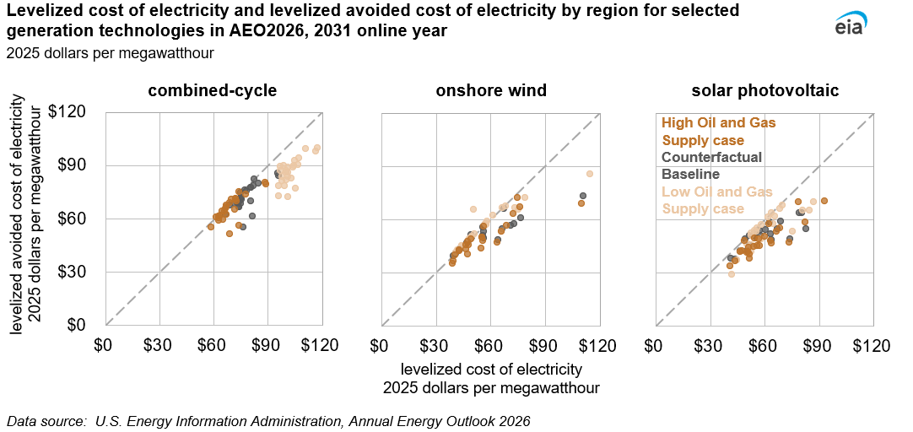
Region | LCOE | LACE | LCOE | LACE | LCOE | LACE
1 | $73.36 | $66.80 | $96.00 | $72.90 | $62.31 | $59.04
2 | $81.53 | $78.48 | $104.32 | $92.91 | $71.81 | $71.03
3 | $76.78 | $76.11 | $101.18 | $86.03 | $69.26 | $70.88
4 | $74.55 | $74.63 | $101.10 | $89.12 | $66.53 | $66.84
5 | $74.37 | $68.56 | $100.93 | $83.81 | $66.34 | $62.57
6 | $74.38 | $71.39 | $97.09 | $81.39 | $63.31 | $61.97
7 | $80.97 | $61.27 | $104.64 | $77.02 | $73.31 | $56.39
8 | $84.89 | $80.19 | $110.55 | $99.42 | $77.42 | $73.74
9 | $75.64 | $55.07 | $100.91 | $72.36 | $68.33 | $51.60
10 | $68.47 | $67.72 | $96.40 | $89.51 | $60.78 | $61.00
11 | $66.04 | $62.36 | $96.56 | $87.15 | $57.84 | $55.02
12 | $80.09 | $77.44 | $106.86 | $90.51 | $71.98 | $69.92
13 | $71.04 | $68.77 | $98.30 | $89.83 | $62.13 | $61.59
14 | $77.51 | $75.93 | $103.23 | $89.04 | $68.54 | $68.91
15 | $74.10 | $69.78 | $99.77 | $87.29 | $64.46 | $59.69
16 | $73.15 | $69.06 | $99.61 | $86.39 | $64.13 | $64.34
17 | $73.45 | $66.77 | $96.12 | $78.74 | $62.40 | $60.43
18 | $74.87 | $70.80 | $99.87 | $82.03 | $66.16 | $65.75
19 | $74.45 | $71.92 | $98.74 | $78.71 | $66.98 | $67.54
20 | $80.14 | $69.95 | $102.27 | $82.60 | $71.23 | $65.46
21 | $96.00 | $84.44 | $117.00 | $99.89 | $88.56 | $79.51
22 | $95.26 | $85.46 | $116.23 | $98.14 | $87.83 | $80.65
23 | $81.71 | $82.40 | $107.03 | $94.44 | $73.42 | $75.38
24 | $73.66 | $69.60 | $97.49 | $83.86 | $65.41 | $64.36
25 | $80.02 | $77.47 | $103.99 | $90.05 | $71.71 | $71.22
Data source: U.S. Energy Information Administration, Annual Energy Outlook 2026
Note: NA = not applicable

Levelized cost of electricity (LCOE) and levelized avoided cost of electricity (LACE) for new
onshore wind entering service in 2031 across AEO2026 selected cases (2025 dollars per megawatthour)
 | Counterfactual Baseline case |  | High Oil and Gas Supply case |  | Low Oil and Gas Supply case
Region | LCOE | LACE | LCOE | LACE | LCOE | LACE
1 | $41.07 | $40.92 | $42.18 | $42.95 | $39.20 | $34.98
2 | NA | NA | NA | NA | NA | NA
3 | $46.75 | $46.64 | $48.06 | $48.90 | $46.46 | $43.12
4 | $49.67 | $49.72 | $51.07 | $52.02 | $49.39 | $48.87
5 | $56.49 | $56.57 | $58.15 | $59.10 | $56.11 | $56.11
6 | $47.75 | $47.83 | $49.03 | $49.97 | $47.47 | $40.60
7 | $67.18 | $65.96 | $66.54 | $66.51 | $74.75 | $72.33
8 | $76.80 | $60.81 | $79.07 | $72.33 | $76.27 | $66.83
9 | $73.05 | $57.38 | $75.17 | $65.71 | $72.59 | $63.12
10 | $71.04 | $56.74 | $73.31 | $66.54 | $68.68 | $56.55
11 | $55.63 | $51.08 | $57.21 | $57.55 | $55.27 | $50.07
12 | $64.20 | $48.48 | $66.13 | $53.32 | $63.74 | $47.12
13 | $66.34 | $54.47 | $68.38 | $67.71 | $65.82 | $53.25
14 | $55.52 | $55.52 | $61.30 | $62.25 | $55.13 | $49.72
15 | $49.02 | $51.34 | $50.44 | $65.45 | $54.77 | $43.79
16 | $55.99 | $49.42 | $57.62 | $57.25 | $47.54 | $47.47
17 | $39.62 | $39.69 | $40.73 | $41.50 | $39.39 | $36.60
18 | $40.83 | $40.90 | $41.99 | $42.75 | $40.57 | $40.20
19 | $43.12 | $43.19 | $44.25 | $44.97 | $42.88 | $42.56
20 | $46.83 | $46.73 | $48.11 | $48.96 | $46.56 | $45.83
21 | $110.97 | $73.39 | $114.63 | $85.64 | $110.03 | $68.94
22 | NA | NA | NA | NA | NA | NA
23 | $56.00 | $53.09 | $57.52 | $57.62 | $55.66 | $47.95
24 | $43.11 | $43.18 | $44.27 | $45.12 | $42.88 | $42.82
25 | $48.21 | $48.28 | $49.44 | $50.29 | $47.96 | $45.64
Data source: U.S. Energy Information Administration, Annual Energy Outlook 2026
Note: NA = not applicable

Levelized cost of electricity (LCOE) and levelized avoided cost of electricity (LACE) for new
solar photovoltaic entering service in 2031 across AEO2026 selected cases (2025 dollars per megawatthour)
 | Counterfactual Baseline case |  | High Oil and Gas Supply case |  | Low Oil and Gas Supply case
Region | LCOE | LACE | LCOE | LACE | LCOE | LACE
1 | $40.95 | $37.83 | $41.64 | $28.97 | $40.61 | $33.66
2 | $50.97 | $50.92 | $53.70 | $53.70 | $50.55 | $44.18
3 | $56.63 | $53.65 | $57.67 | $48.93 | $56.30 | $49.17
4 | $55.42 | $49.31 | $56.58 | $49.01 | $55.10 | $45.16
5 | $62.14 | $58.55 | $63.49 | $63.49 | $61.73 | $57.59
6 | $51.29 | $45.79 | $52.56 | $50.87 | $50.92 | $38.00
7 | $78.59 | $63.49 | $80.16 | $65.20 | $78.21 | $70.10
8 | $79.98 | $63.76 | $86.83 | $69.94 | $92.93 | $70.58
9 | $82.25 | $54.75 | $83.82 | $65.06 | $81.62 | $58.52
10 | $66.39 | $54.62 | $67.92 | $66.12 | $65.82 | $53.13
11 | $73.40 | $48.77 | $75.21 | $53.46 | $72.93 | $47.02
12 | $68.33 | $58.91 | $69.80 | $68.06 | $67.91 | $54.95
13 | $63.48 | $48.59 | $64.86 | $61.59 | $63.32 | $46.72
14 | $53.48 | $50.89 | $54.83 | $53.03 | $53.26 | $44.85
15 | $51.18 | $44.84 | $52.30 | $52.30 | $47.59 | $42.24
16 | $54.03 | $52.15 | $55.05 | $55.05 | $53.75 | $49.48
17 | $43.39 | $37.75 | $44.28 | $36.90 | $43.08 | $36.44
18 | $48.76 | $48.76 | $49.69 | $46.24 | $48.47 | $48.14
19 | $50.14 | $42.80 | $51.21 | $43.69 | $49.89 | $41.26
20 | $50.68 | $41.70 | $51.98 | $41.89 | $50.27 | $41.87
21 | $59.90 | $54.34 | $61.38 | $61.38 | $59.60 | $50.42
22 | $62.80 | $51.62 | $64.46 | $57.69 | $62.53 | $47.93
23 | $56.91 | $50.76 | $58.08 | $57.29 | $56.62 | $45.37
24 | $46.09 | $42.20 | $47.02 | $42.13 | $45.87 | $41.98
25 | $51.13 | $43.56 | $52.07 | $45.59 | $51.08 | $40.64
Data source: U.S. Energy Information Administration, Annual Energy Outlook 2026
Note: NA = not applicable

