DELETE_ALL
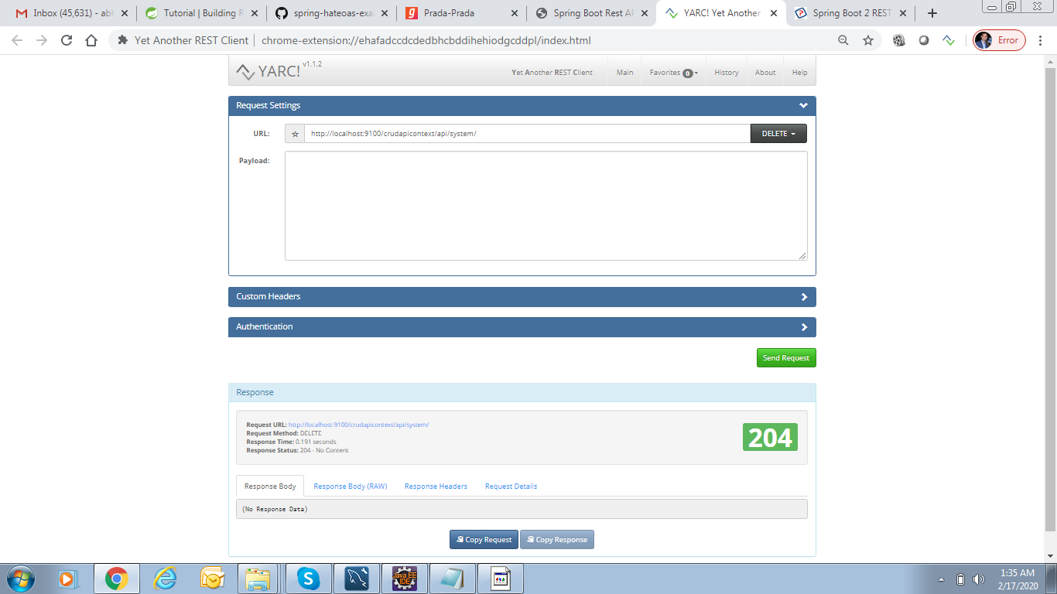
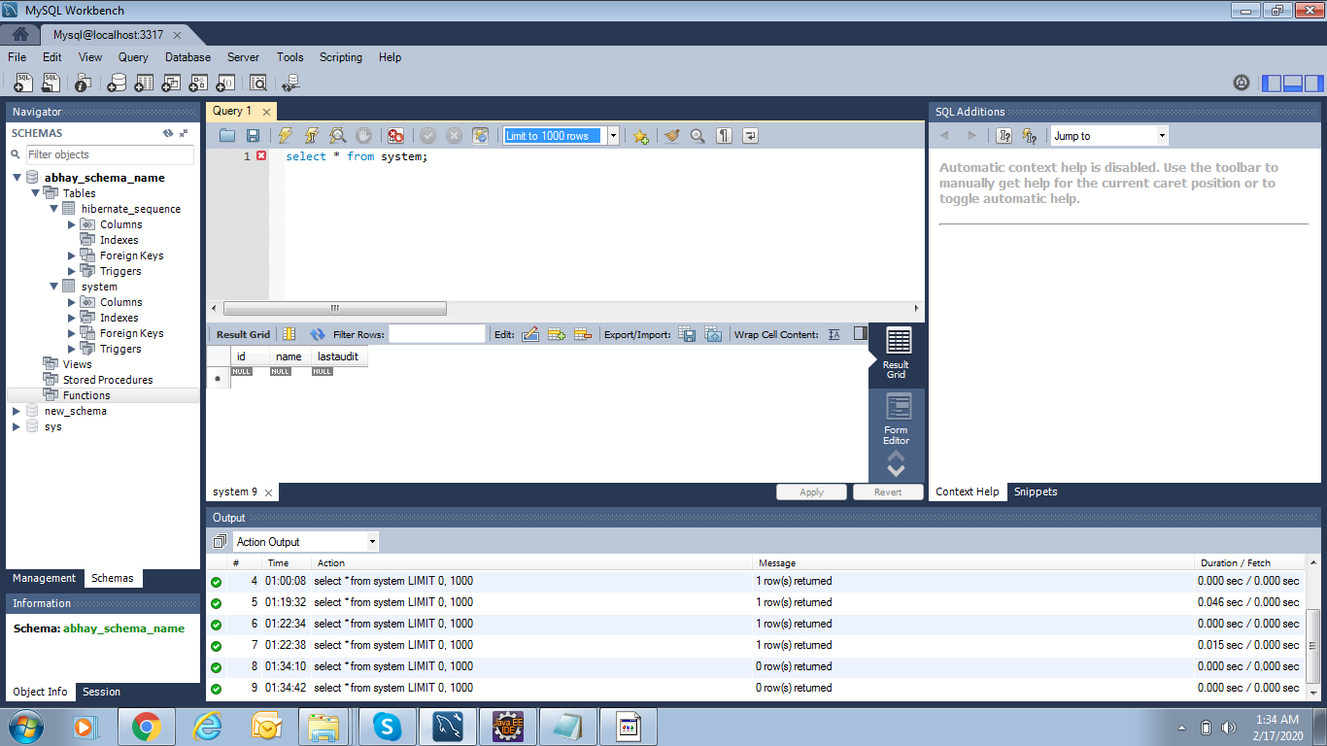

http://localhost:9100/crudapicontext/api/system/

POST_INSERT
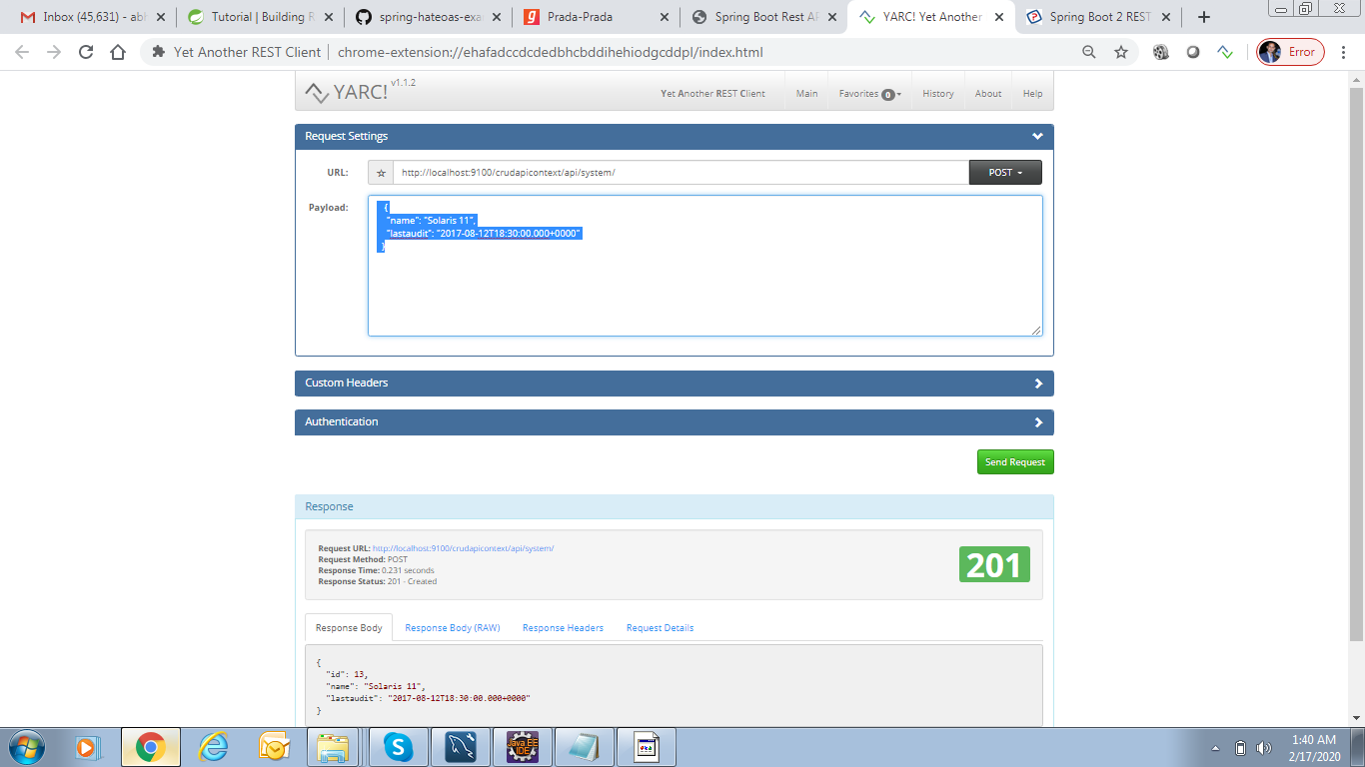
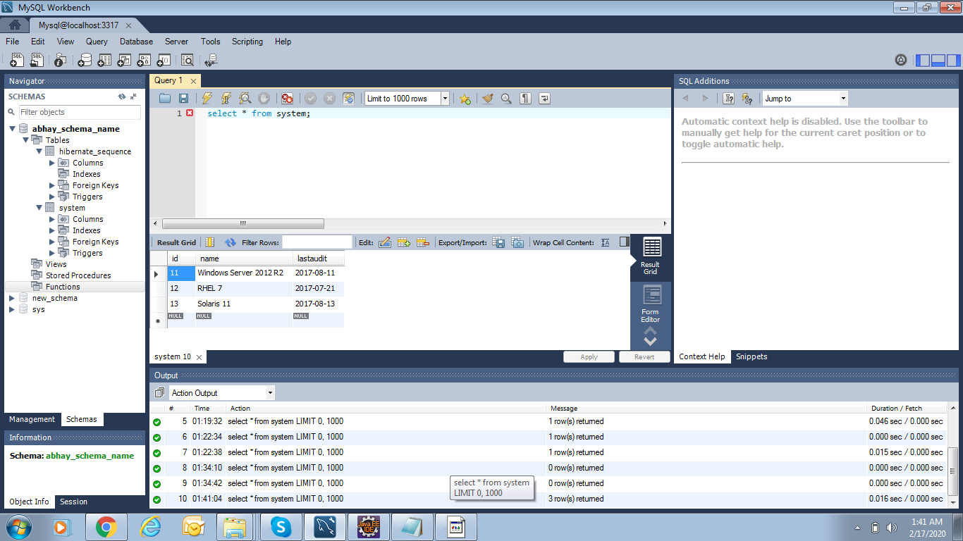
http://localhost:9100/crudapicontext/api/system/

{ "name": "Windows Server 2012 R2", "lastaudit": "2017-08-10T18:30:00.000+0000" }

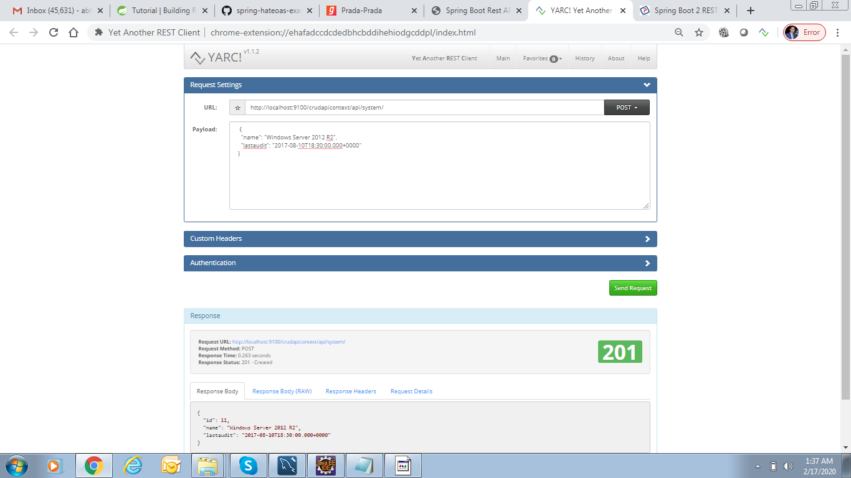

http://localhost:9100/crudapicontext/api/system/

{ "name": "RHEL 7", "lastaudit": "2017-07-20T18:30:00.000+0000" }

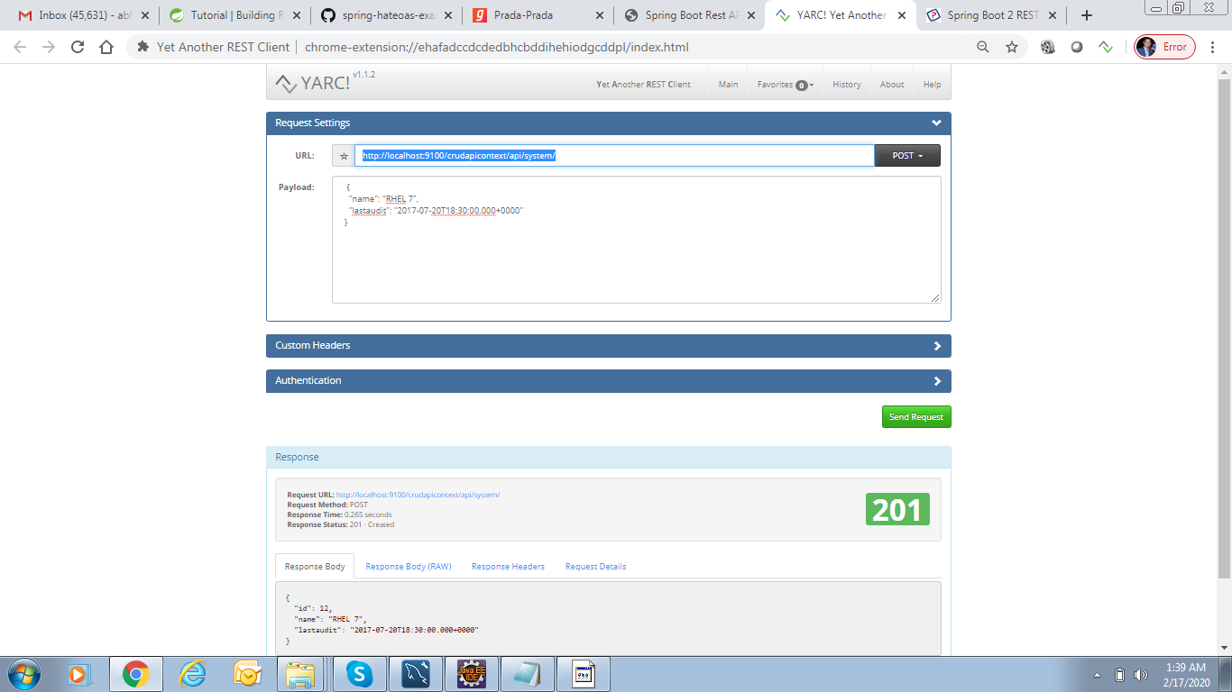

http://localhost:9100/crudapicontext/api/system/

{ "name": "Solaris 11", "lastaudit": "2017-08-12T18:30:00.000+0000" }

GET_BY_ID

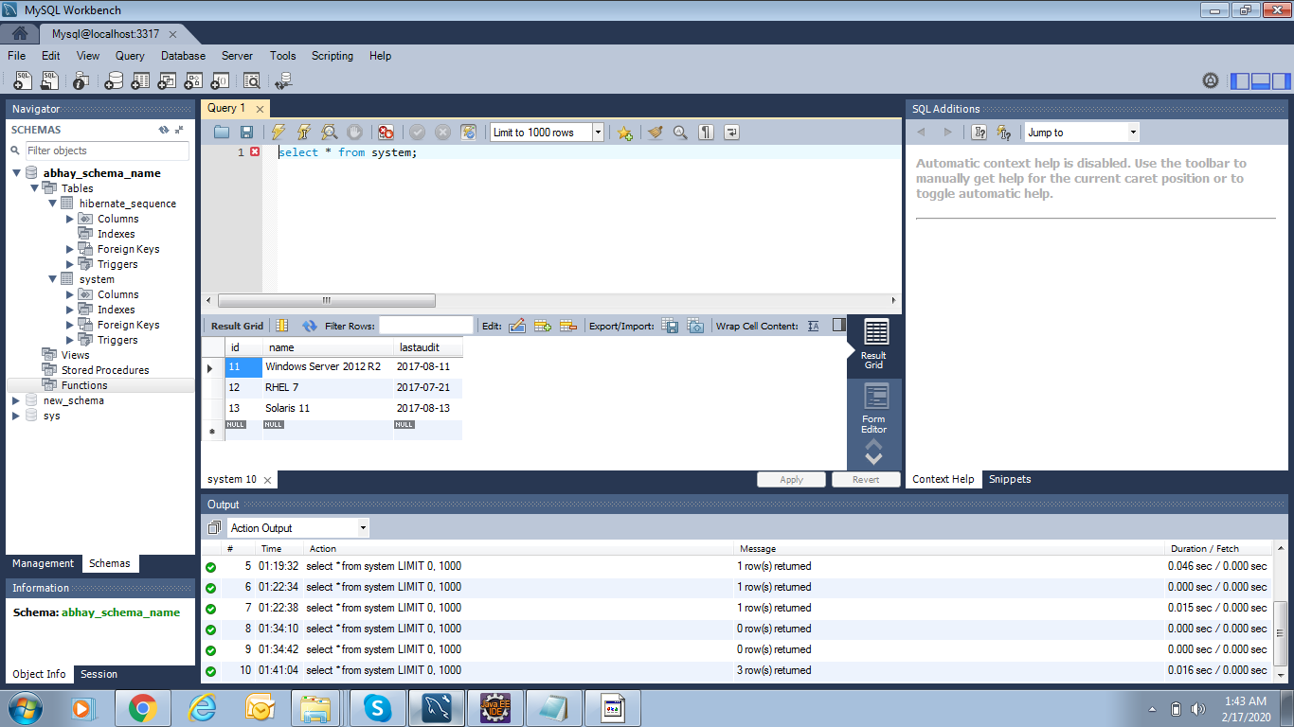
http://localhost:9100/crudapicontext/api/system/11

GET_ALL
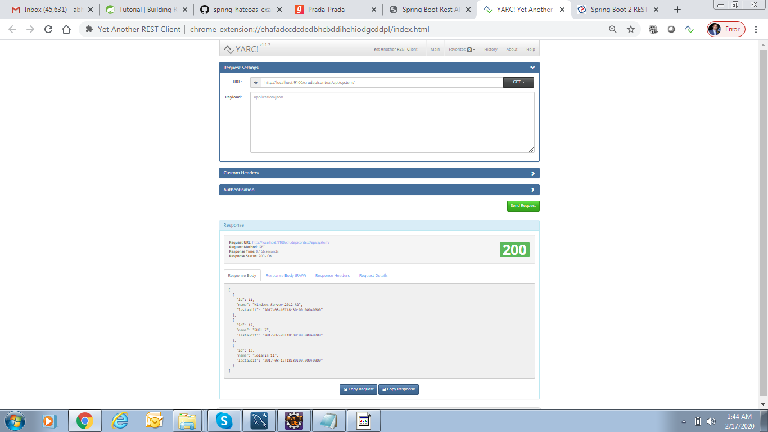

http://localhost:9100/crudapicontext/api/system/

PUT_UPDATE_BY_ID
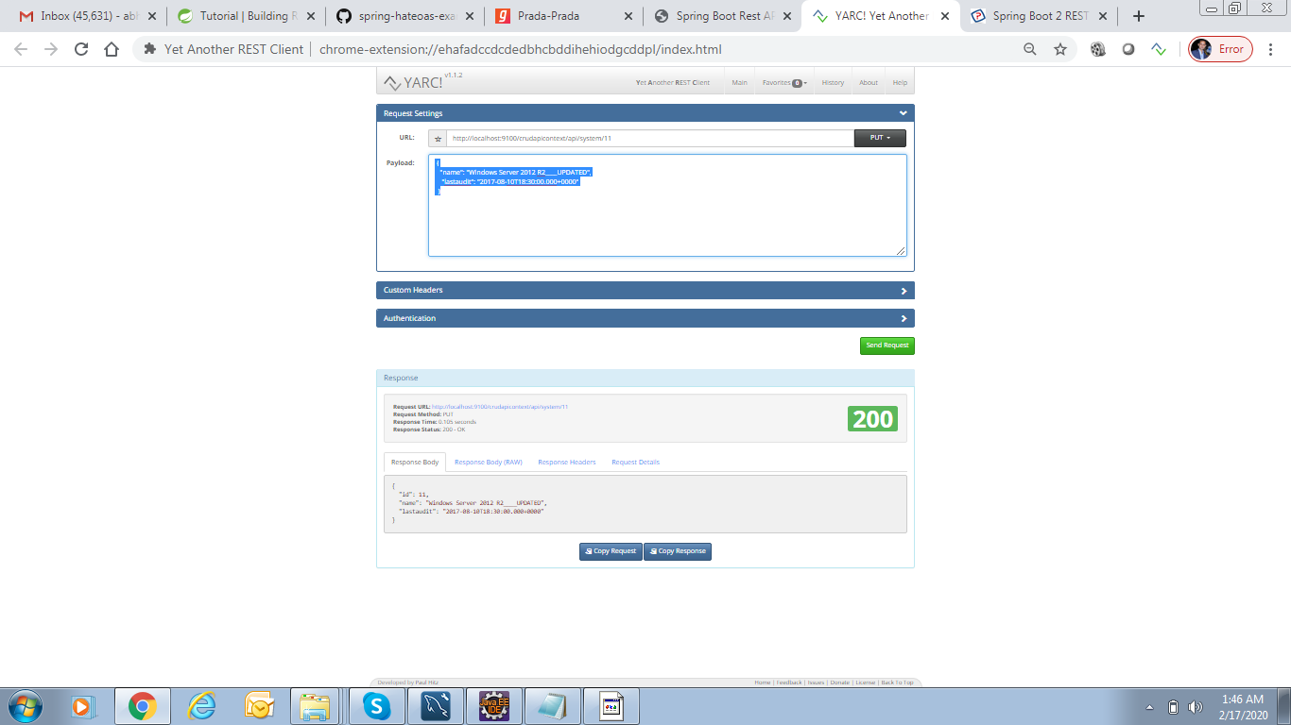
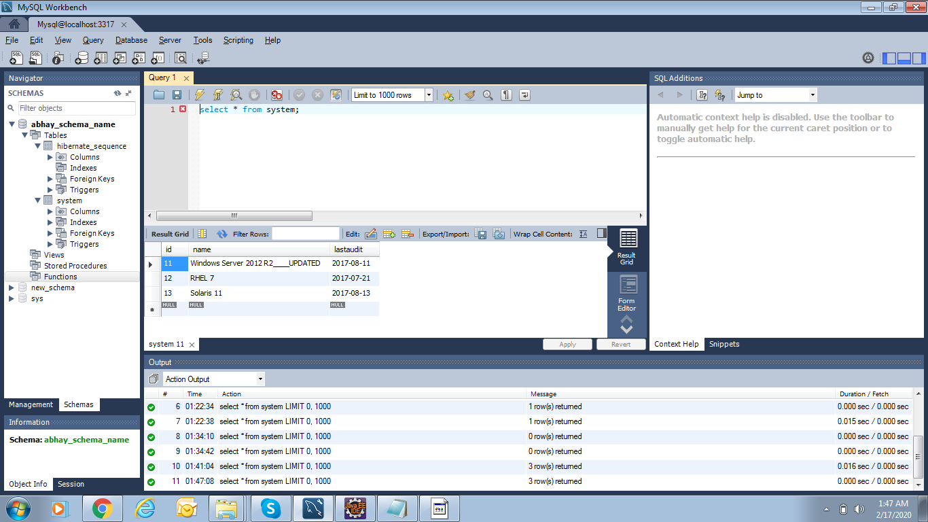
http://localhost:9100/crudapicontext/api/system/11

{ "name": "Windows Server 2012 R2____UPDATED", "lastaudit": "2017-08-10T18:30:00.000+0000" }

DELETE_BY_ID

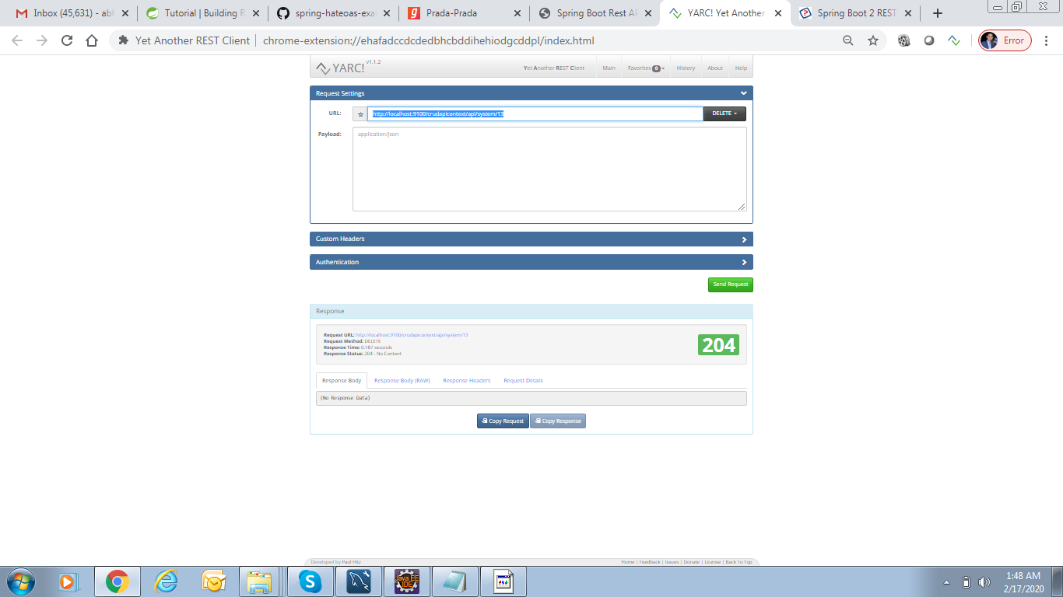
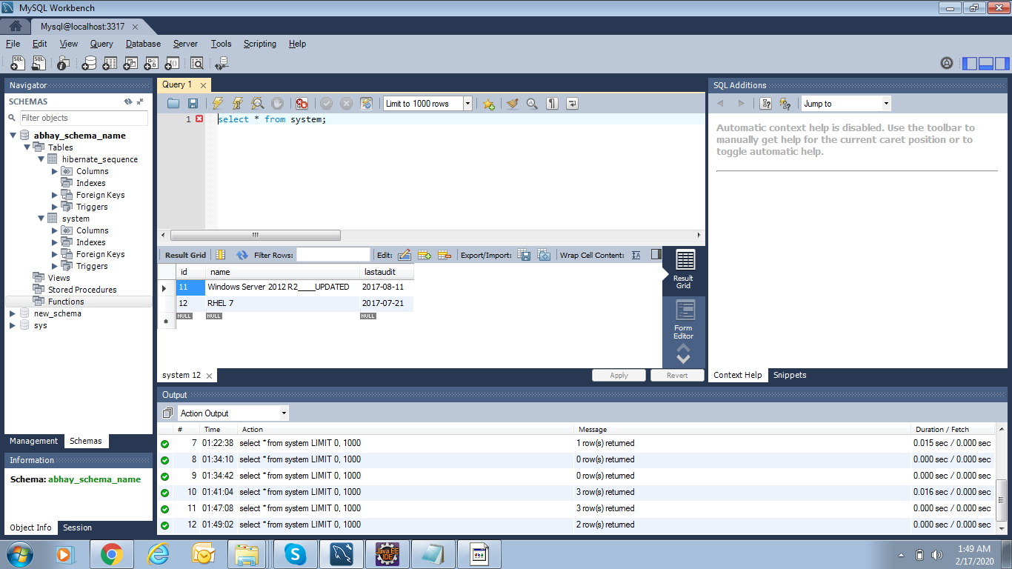
http://localhost:9100/crudapicontext/api/system/13

DELETE_ALL_2
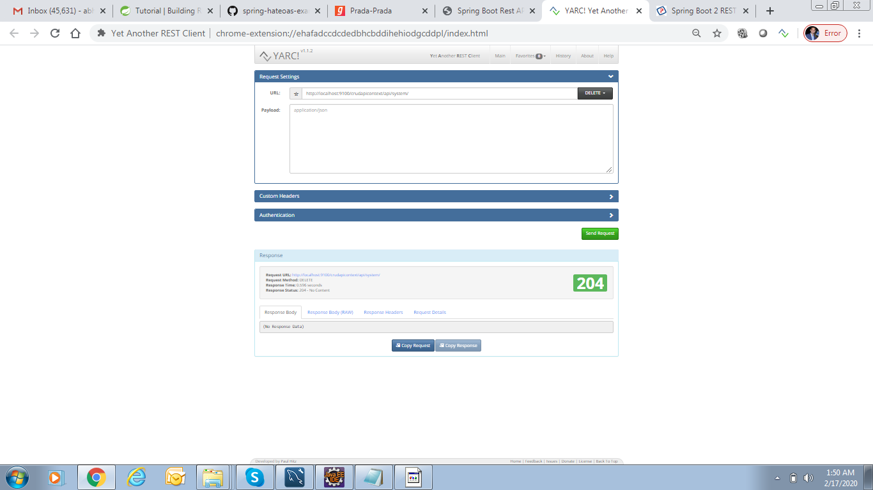



http://localhost:9100/crudapicontext/api/system/

