Tabelle1
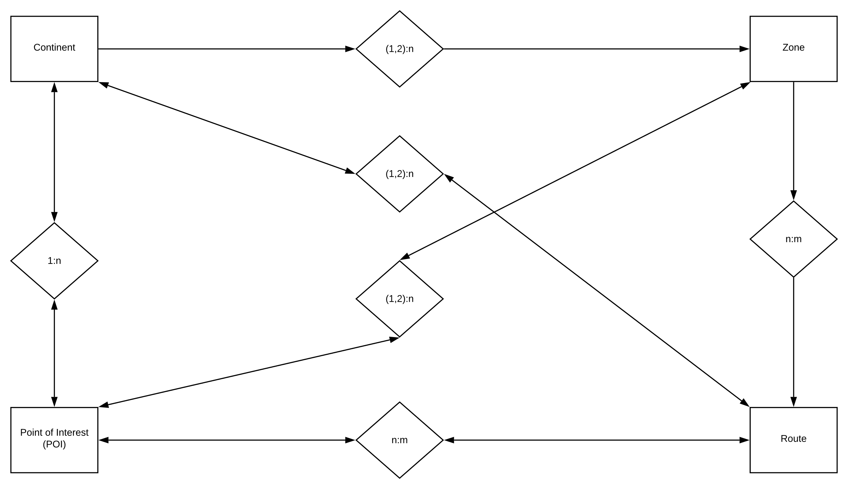
Points of Interest (PoI) |  | Routes | Zones | Continent
primaryKey | int | primaryKey | primaryKey | primaryKey
name |  | name | name | name
type |  | type | type | coordinates
coordinates |  | coordinates | coordinates | lore
lore |  | lore | lore
map

