Sheet1
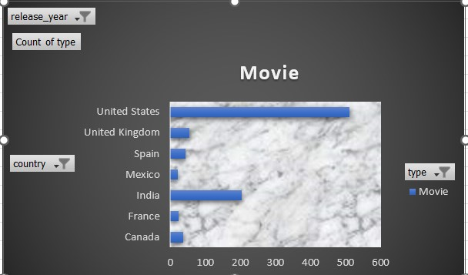
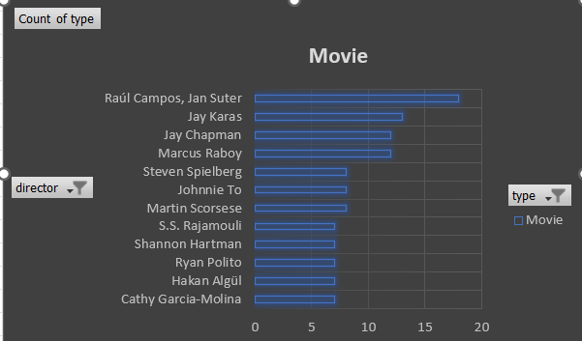
 | Total
109 min | 13
116 min | 15
117 min | 13
118 min | 13
124 min | 14
127 min | 19
128 min | 16
131 min | 15
132 min | 14
137 min | 16

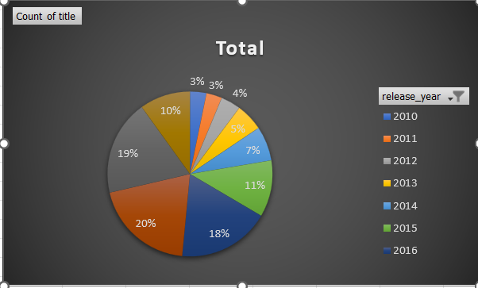
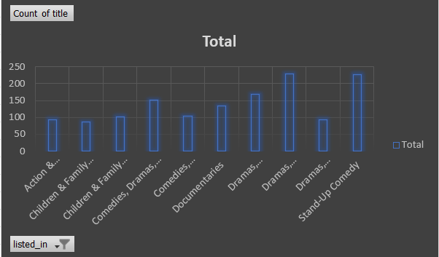
 | Total
NR | 19
PG | 3
PG-13 | 4
R | 2
TV-14 | 333
TV-G | 2
TV-MA | 150
TV-PG | 108
TV-Y7 | 4
TV-Y7-FV | 2
UR | 1

Sheet2
release_year | (Multiple Items)

Count of type | Column Labels
country name | Movie | Grand Total
Mexico | 21 | 21
France | 23 | 23
Canada | 36 | 36
Spain | 43 | 43
United Kingdom | 55 | 55
India | 204 | 204
United States | 512 | 512
Grand Total | 894 | 894

Sheet5
Count of release_year | Column Labels
Row Labels | 2019 | 2018 | Grand Total
Argentina | 3 | 8 | 11
Brazil | 5 | 6 | 11
Canada | 6 | 12 | 18
France | 9 | 6 | 15
India | 44 | 72 | 116
Mexico | 6 | 7 | 13
Nigeria | 2 | 10 | 12
South Korea | 4 | 11 | 15
Spain | 10 | 20 | 30
United Kingdom | 7 | 25 | 32
United States | 124 | 181 | 305
Grand Total | 220 | 358 | 578

Sheet6
country | India
release_year | (All)

time | Count of title
109 min | 13
116 min | 15
117 min | 13
118 min | 13
124 min | 14
127 min | 19
128 min | 16
131 min | 15
132 min | 14
137 min | 16
Grand Total | 148

Sheet8
Geners list | Count of title
Action & Adventure, Dramas, International Movies | 93
Children & Family Movies | 86
Children & Family Movies, Comedies | 102
Comedies, Dramas, International Movies | 151
Comedies, International Movies | 104
Documentaries | 135
Dramas, Independent Movies, International Movies | 168
Dramas, International Movies | 230
Dramas, International Movies, Romantic Movies | 92
Stand-Up Comedy | 226
Grand Total | 1387

Sheet4
Year | Count of title
2010 | 90
2011 | 86
2012 | 109
2013 | 151
2014 | 189
2015 | 311
2016 | 505
2017 | 555
2018 | 523
2019 | 278
Grand Total | 2797

Sheet3
Count of type | Column Labels
Director Name | Movie | Grand Total
Cathy Garcia-Molina | 7 | 7
Hakan Algül | 7 | 7
Ryan Polito | 7 | 7
Shannon Hartman | 7 | 7
S.S. Rajamouli | 7 | 7
Martin Scorsese | 8 | 8
Johnnie To | 8 | 8
Steven Spielberg | 8 | 8
Marcus Raboy | 12 | 12
Jay Chapman | 12 | 12
Jay Karas | 13 | 13
Raúl Campos, Jan Suter | 18 | 18
Grand Total | 114 | 114

Sheet9
Row Labels | Count of title
NR | 19
PG | 3
PG-13 | 4
R | 2
TV-14 | 333
TV-G | 2
TV-MA | 150
TV-PG | 108
TV-Y7 | 4
TV-Y7-FV | 2
UR | 1
Grand Total | 628

Sheet7
 | 2017 | 2018 | 2019
Canada | 16 | 9 | 4
India | 39 | 32 | 16
Mexico | 9 | 7 | 6
South Korea | 6 | 11 | 3
Spain | 11 | 16 | 10
United Kingdom | 23 | 18 | 7
United States | 189 | 136 | 99
 | Movie | TV Show
Canada | 28 | 1
India | 86 | 1
Mexico | 21 | 1
South Korea | 18 | 2
Spain | 35 | 2
United Kingdom | 46 | 2
United States | 419 | 5

 | Movie
Canada | 28
France | 18
India | 86
Mexico | 21
Spain | 35
United Kingdom | 46
United States | 419
 | Movie | TV Show
Argentina | 12
Brazil | 14 | 1
Canada | 28 | 1
France | 18 | 1
India | 86 | 1
Mexico | 21 | 1
South Korea | 18 | 2
Spain | 35 | 2
United Kingdom | 46 | 2
United States | 419 | 5

