Test excution details
Test Case Number | ScreenShort
TC_01 | 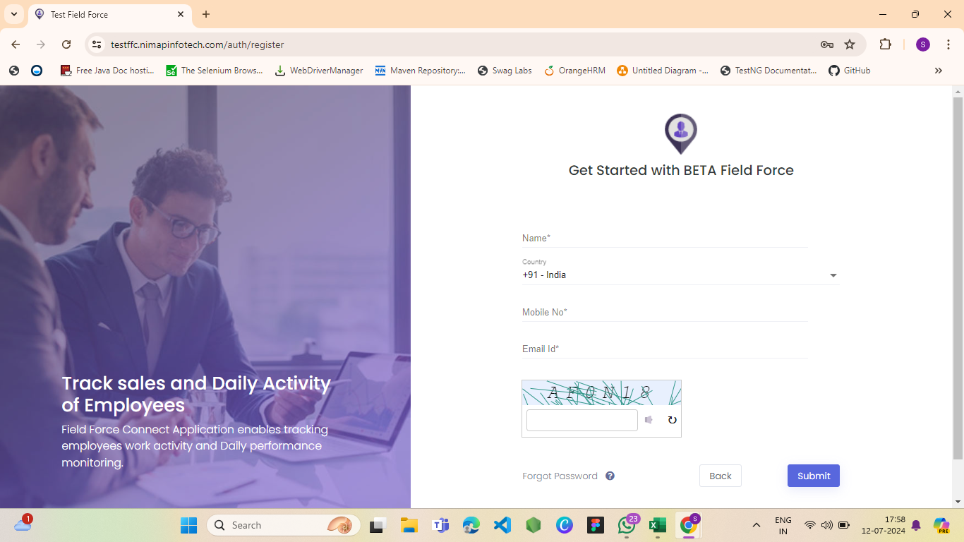
TC_02
TC_03 | 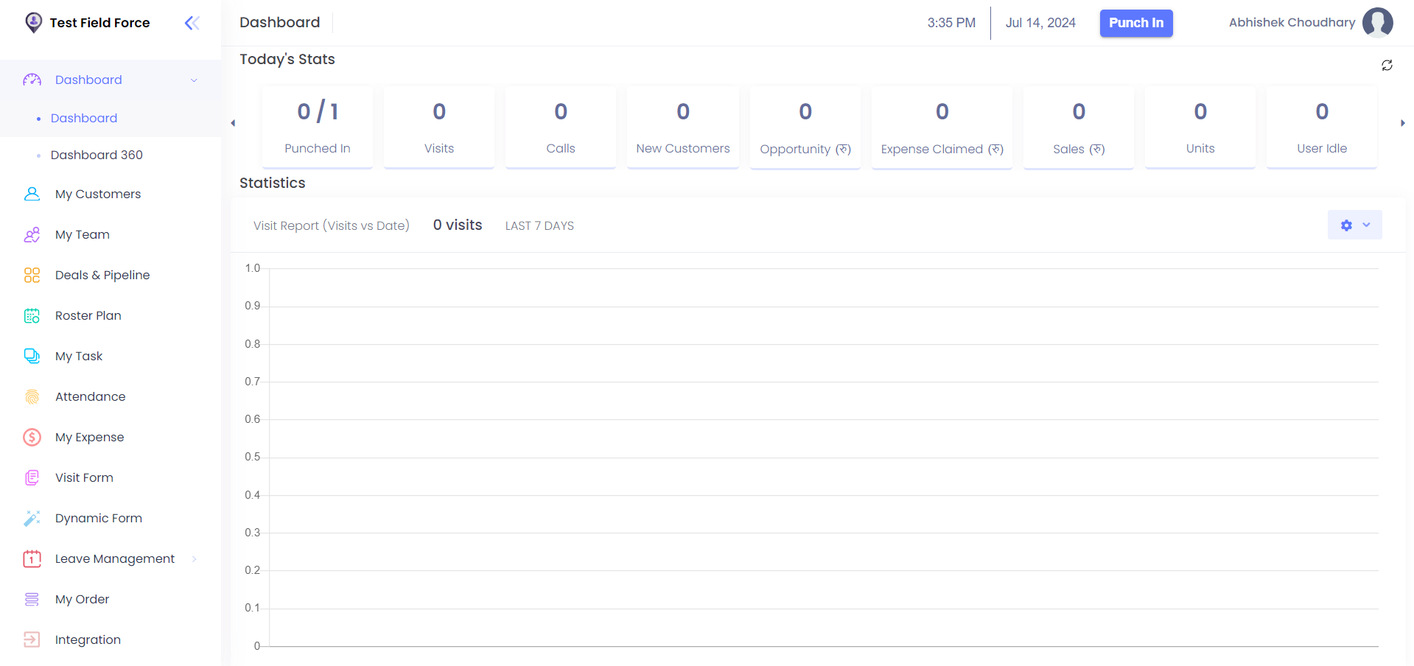
TC_04 | 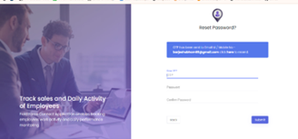
TC_05 | 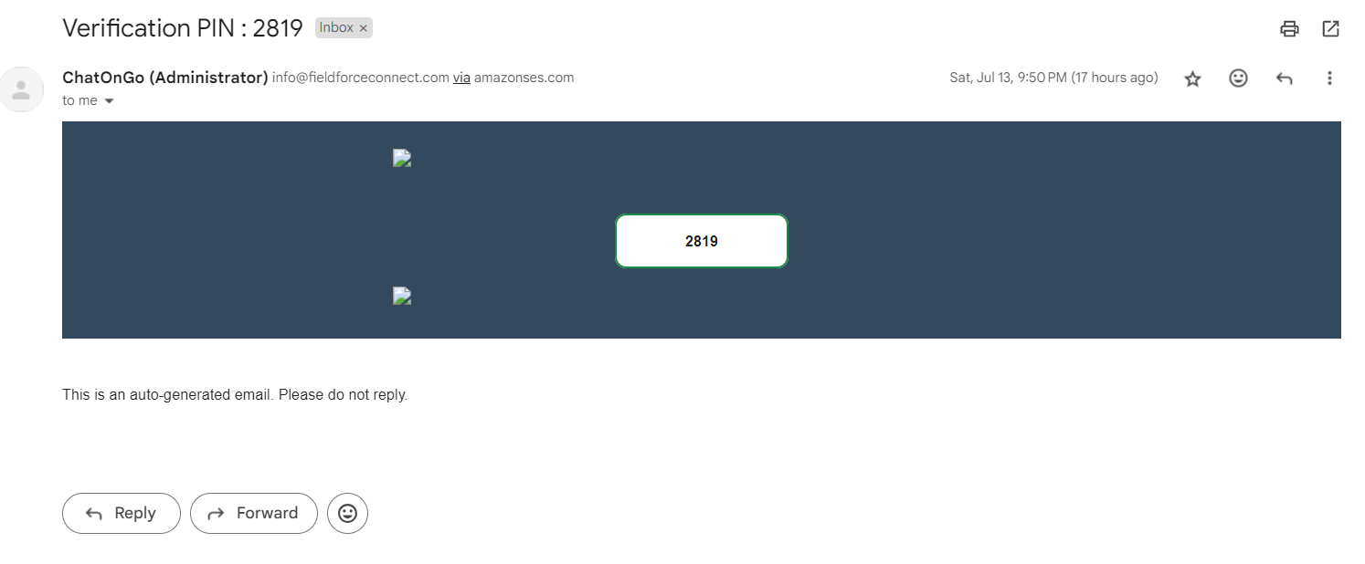
TC_06 | 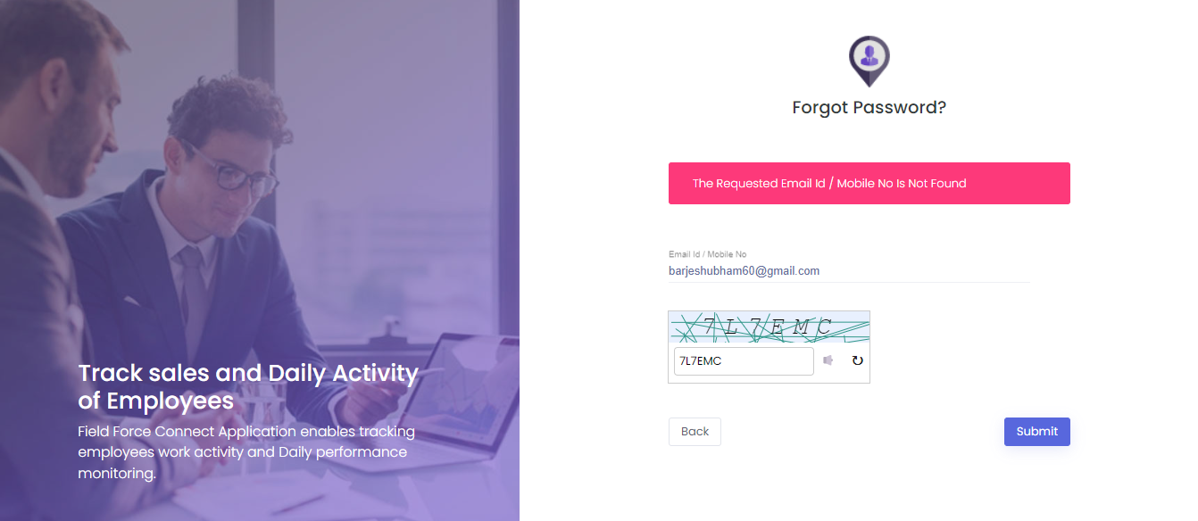
TC_07 | 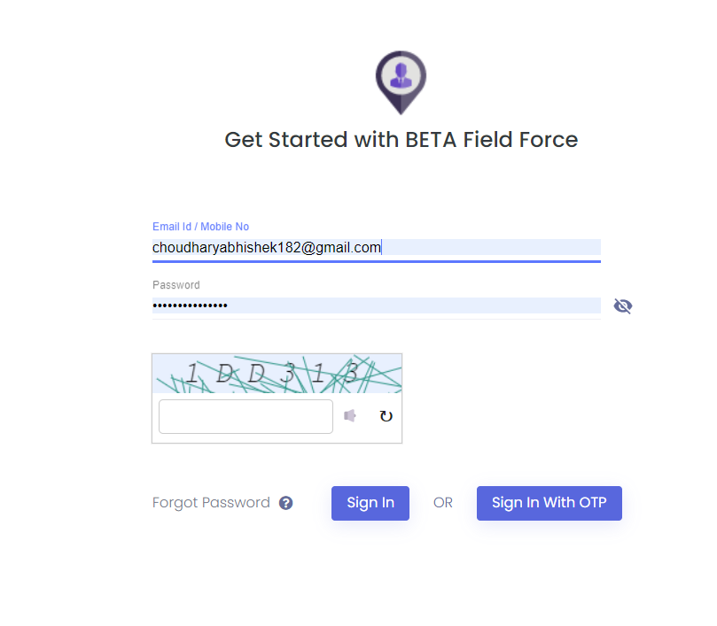
TC_08
TC_09 | 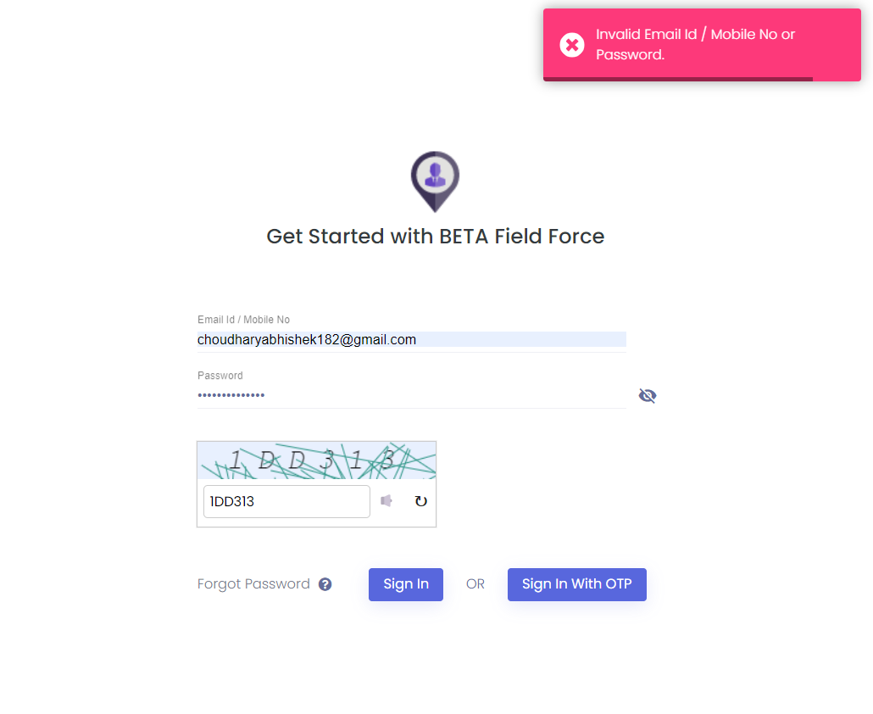
TC_10

Defects
Defect number | Project Name | Module Name | Requirement Number | Test Case ID | Summary | Description | Issues | Severity | Priority | Assign to | Screen Shots
DF_01 | NmapInfotech | LOGIN PAGE | 1 | TC_04 | Any user's email address that is already registered can be used to sign up. | There is no error message when we enter up with the same email address the first time and the second time. | It allow already registered email in sign up functionality. | HIGH | HIGH | SHUBHAM PAREKH | 