Test excution details
TestCase No | TestCase Name | ScreenShot
TC_1 | Login Character Limit | 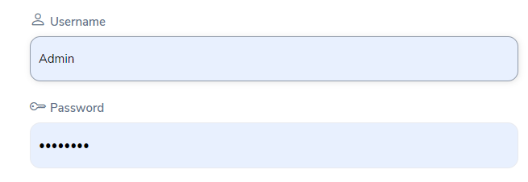
TC_2 | Combination of Alphabets as well as number
TC_3 | Lowercase Character of password
TC_4 | Wrong Login ID | 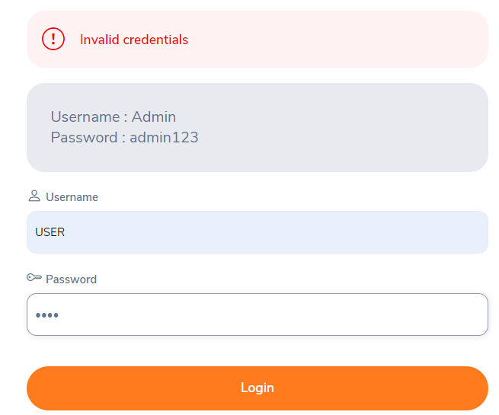
TC_5 | Login Button | 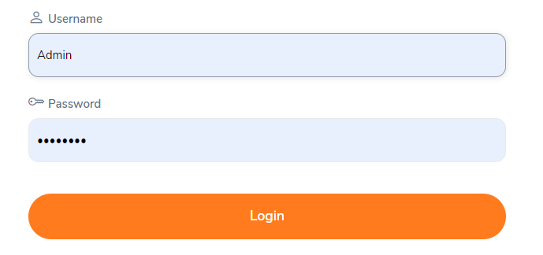
TC_6 | Logout Button | 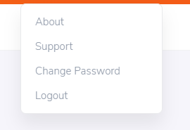
TC_7 | Forgot Password | 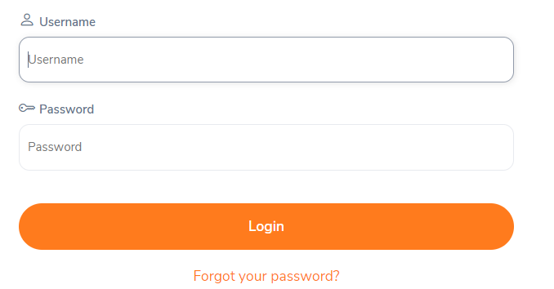
TC_8 | Reset | 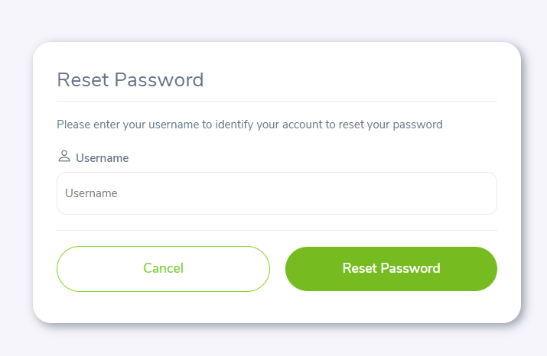
TC_9 | Add a new User | 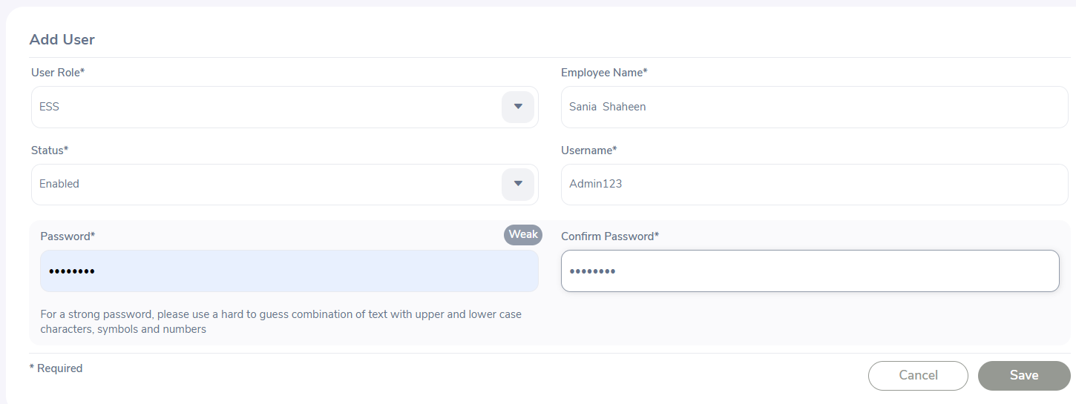
TC_10 | Admin User
TC_11 | leave | 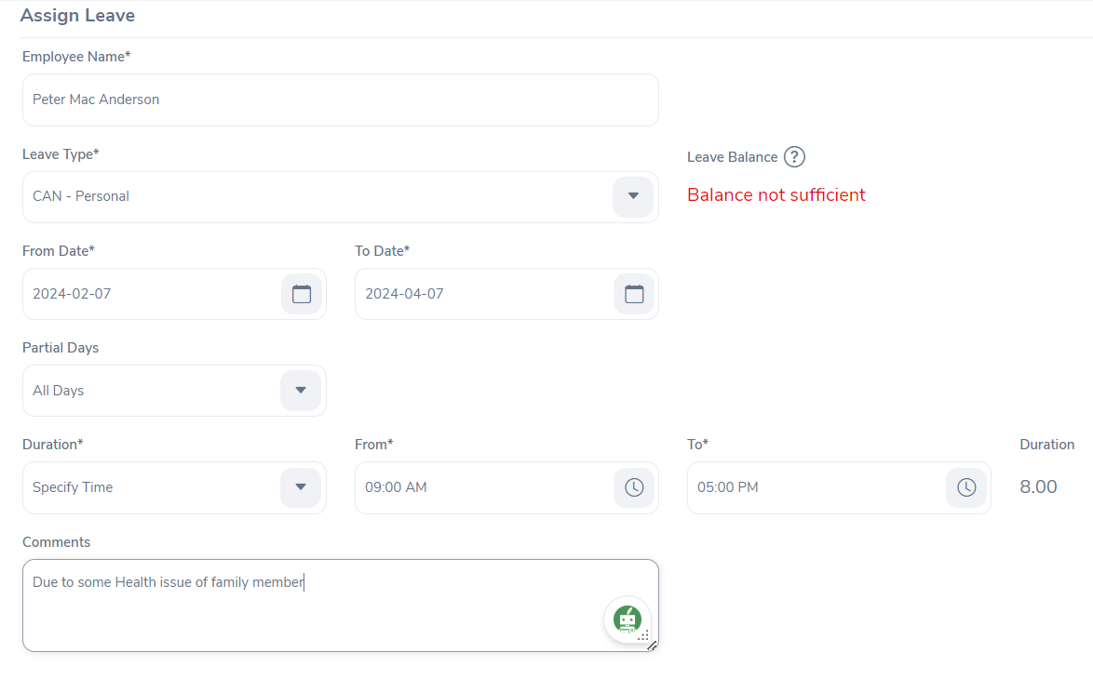
TC_12 | Applied for leave | 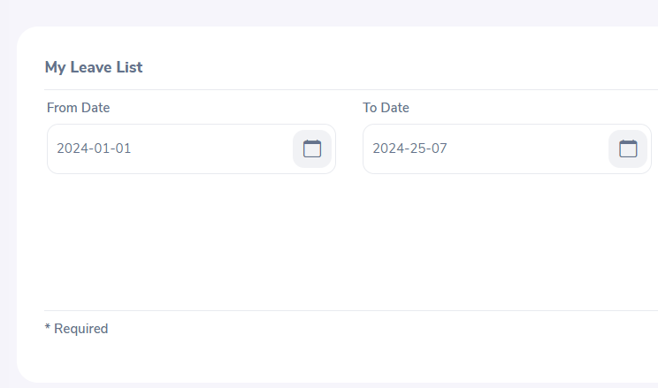
TC_13 | Permission /Rejection By admin for approval of leave.
TC_14 | Recruitement Vacancy | 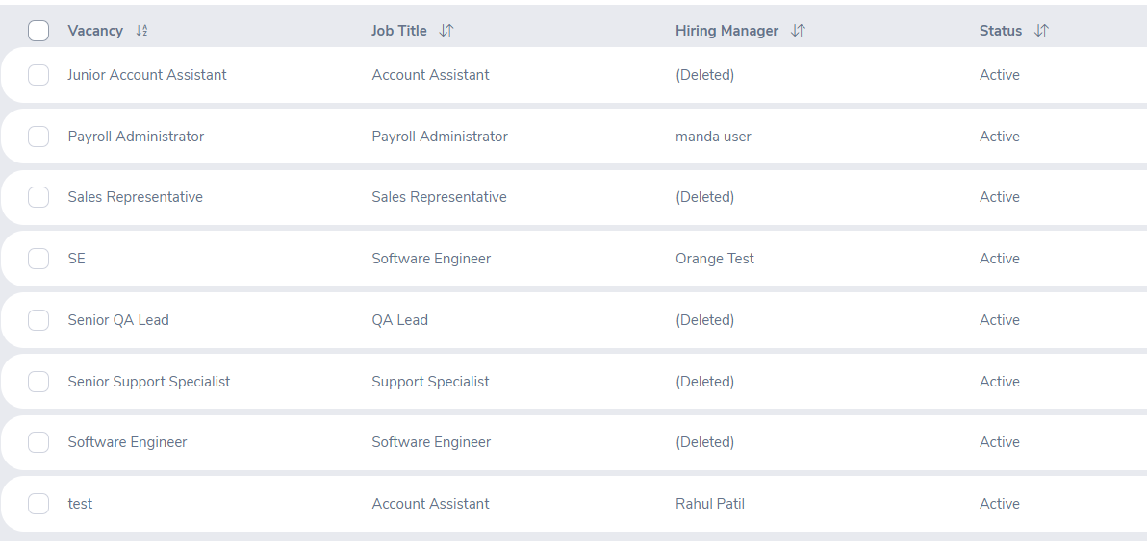
TC_15 | Add The Vacancy | 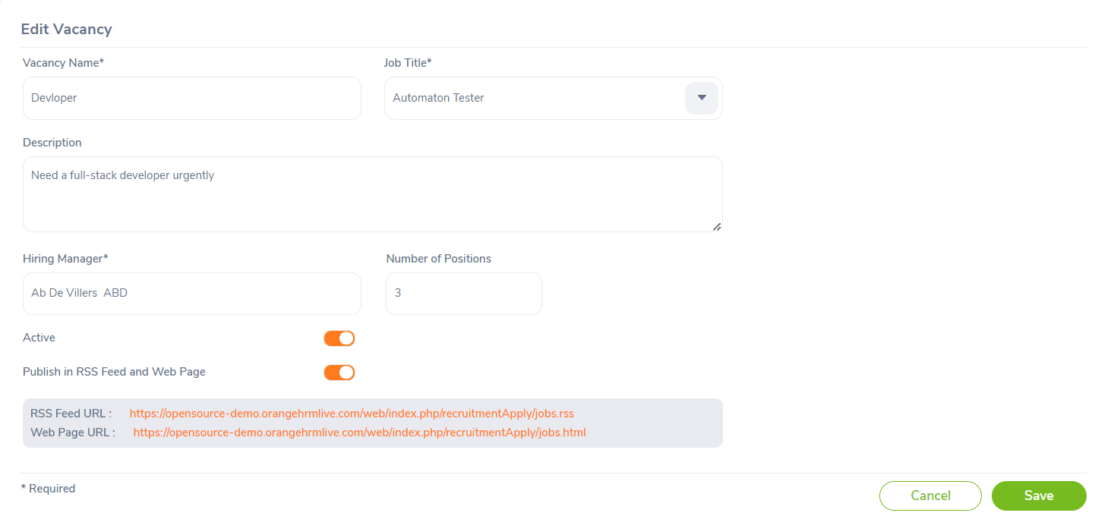
TC_16 | Candidates and vacancy | 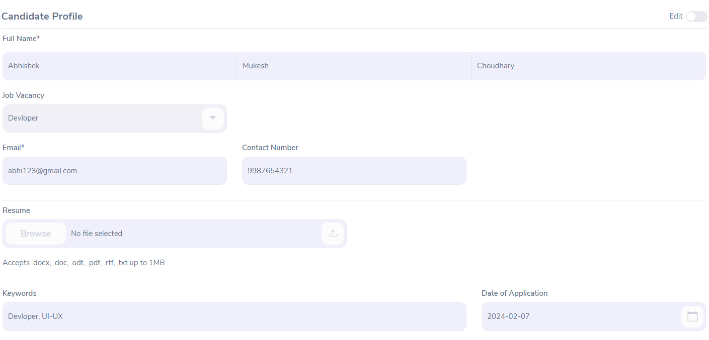
TC_17 | Register the candidate or schedule interview
TC_18 | A personalize app for refreshing during working hours social media
TC_19 | User Time Sheet | 
TC_20 | Time Sheet For or as a admin

