Sheet1
<!DOCTYPE html> (html 5) | <!DOCTYPE HTML PUBLIC "-//W3C//DTD HTML 4.01 Transitional//EN" "http://www.w3.org/TR/html4/loose.dtd"> | html 4.01
 | <!DOCTYPE html PUBLIC "-//W3C//DTD XHTML 1.0 Transitional//EN" "http://www.w3.org/TR/xhtml1/DTD/xhtml1-transitional.dtd"> | hmtl 1
<html></html> |  | lang

<head></head> | <title>, <style>, <meta>, <link>, <script>, <base> | charset(meta)
 | container for metadata (data about data). Metadata is not displayed. document title, character set, styles, links, scripts, and other meta information

<title> | defines a title in the browser tab
 | provides a title for the page when it is added to favorites
 | displays a title for the page in search engine results

<link> | link to external style sheets | rel,href,type
 | <link rel="stylesheet" type="text/css" href="mystyle.css">

<meta> | specify which character set is used, page description, keywords, author, and other metadata. | charset,name,content,http-equiv
 | Metadata is used by browsers (how to display content), by search engines (keywords), and other web services.
 | name="description","keywords","author"
 | http-equiv="refresh"

<base> | specifies the base URL and base target for all relative URLs in a page | href,target

<body></body>
<h1><h2>……<h6>
<p> |  | title(tooltip)

<img> |  | src,alt*,width,height,border | usemap
 |  | style(widht,height,border)
<br> | <br/> (optional but should be adopted so that xml parsers can read them)
<hr>
<pre> | preformatted text

style attribute | <body style="background-color:powderblue;"> | background-color
 | <h1 style="color:blue;">This is a heading</h1> <p style="color:red;">This is a paragraph.</p> | color
 | <h1 style="font-family:verdana;">This is a heading</h1> | font-family
 | <h1 style="font-size:300%;">This is a heading</h1> <p style="font-size:50px">This is a paragraph.</p> | font-size
 | <h1 style="text-align:center;">Centered Heading</h1> | text-align

<b>
<i>
<strong> | The HTML <strong> element defines strong text, with added semantic "strong" importance.
<em> | The HTML <em> element defines emphasized text, with added semantic importance.
<mark> | highlight text
<small>
<del> | strike out or deleted text
<ins> | added text underlined like fill in blanks
<sub>
<sup>

<q> | short quotations
<blockquote> | defines a section that is quoted from another source.Browsers usually indent blockquote elements | cite
 | <blockquote cite="http://www.worldwildlife.org/who/index.html">

<abbr> | abbreviation or an acronym. | title
 | <p>The <abbr title="World Health Organization">WHO</abbr> was founded in 1948.</p>

<address>
<cite> | The HTML <cite> element defines the title of a work. Browsers usually display <cite> elements in italic.

<bdo> | bi directional override. used to override the current text direction | dir
 | <bdo dir="rtl">This text will be written from right to left</bdo>
 | rtl= right to left

<code> | for programming code. does not preserve extra whitespace and line-breaks.
<kbd> | keyboard input
<samp> | Computer Output
<var> | defines a variable

<!-- Write your comments here --> | comments

CSS | Cascading Style Sheets.
inline | style attribute
internal | <style> element in head
external | <head> <link rel="stylesheet" href="styles.css"> </head> | rel,href
<link> | see line 12 | rel,href
css border | border: 1px solid powderblue;
css padding | space between the text and the border
 | padding: 30px;
css margin | margin (space) outside the border.
 | margin: 50px;
 | margin: 20px 0 20px 0;

id attribute | <p id="p01">I am different</p>
 | #p01 { color: blue;}

class attribute | <p class="error">I am different</p>
 | p.error {
 | color: red;
 | }

<a> link | <a href="url">link text</a> | href,target
 | hyerlinks

 | Local Links: A local link (link to the same web site) is specified with a relative URL (without http://www....).
 | <a href="html_images.asp">HTML Images</a>

 | link colors: a:link,a:visited,a:hover,a:active (this order should me maintained) | <style></style>
 |  | text-decoration
 | Image as Link: <a href="default.asp"> <img src="smiley.gif" alt="HTML tutorial" style="width:42px;height:42px;border:0;"> </a>
 | NOTE: "border:0" to prevent IE9 (and earlier) from displaying a border around the image.

target attribute | target attribute: specifies where to open the linked document.
 | _blank - Opens the linked document in a new window or tab
 | _self - Opens the linked document in the same window/tab as it was clicked (this is default)
 | _parent - Opens the linked document in the parent frame
 | _top - Opens the linked document in the full body of the window
 | framename - Opens the linked document in a named frame

 | Links Create a Bookmark: to allow readers to jump to specific parts of a Web page.
 | you must first create the bookmark, and then add a link to it. Use id attribute and then #usage in link using id | id

Image Floating | to let image float to the right or to the left of a text | style
CSS float property | Please use the CSS float property. The align attribute is deprecated in HTML 4, and not supported in HTML5.</p>

<map> | define an image-map. An image-map is an image with clickable areas. | name
 | name attribute of the <map> tag is associated with the <img>'s usemap attribute and creates a relationship between the image and the map.
<area> | <map> tag contains a number of <area> tags. defines the clickable areas in the image-map | shape,coords,alt,href

<table> |  | style,id
<th> | table header is defined with the <th> tag. By default, table headings are bold and centered
<tr> | table row
<td> | table data. can contain all sorts of HTML elements; text, images, lists, other tables, etc.
 | modify
 | border: <style>table,th,td{border:1px solid black;}</style>
(CSS) | Collapsed Borders: sme as above just {border-collapse: collapse;}
(CSS) | Adding Cell Padding: th,td{padding:15px;}
(CSS) | Left-align Headings: th{text-align:left;}
(CSS) | Border Spacing: table{border-spacing: 5px; }
 | Cells that Span Many Columns: <th colspan="2">Telephone</th>
 | Cells that Span Many Rows: rowspan
 | width,height
 | vertical-align top, bottom, or middle
 | :hover
 | overflow-x:auto
 | empty-cell: show|hidden

<caption> | Adding a Caption: must be inserted immediately after the <table> tag.
 | caption-side: bottom
 | table#t01 tr:nth-child(even)
<colgroup>
<col> |  | span,style
<thead>
<tbody>
<tfoot>

<ul> | unordered list. list items will be marked with bullets (small black circles) by default | style
<li> | list item
 | modify
"list-style-type: | disc : Sets the list item marker to a bullet (default)
"list-style-type: | circle: Sets the list item marker to a circle
"list-style-type: | square : Sets the list item marker to a square
"list-style-type: | none : The list items will not be marked

<ol> | ordered list. Numbering by default | type
<li> | list item
 | modify
 | type="1" The list items will be numbered with numbers (default)
 | type="A" The list items will be numbered with uppercase letters
 | type="a" The list items will be numbered with lowercase letters
 | type="I" The list items will be numbered with uppercase roman numbers
 | type="i" The list items will be numbered with lowercase roman numbers

<dl> | description list
<dt> | defines the term(name)
<dd> | describes the term

HORIZONTAL LIST | Use the CSS property float:left or display:inline to display a list horizontally
 | overflow: hidden;
 | display: inline|block|inline-block
 | color:
 | text-align:
 | text-decoration:

<div> | container for other HTML elements. When used together with CSS, the <div> element can be used to style blocks of content: | style,class
<span> | When used together with CSS, the <span> element can be used to style parts of the text: | style,class

<iframe> | used to display a web page within a web page | src,height,width,style,target,name
 | inline frame page.
 | By default, an iframe has a border around it.
 | An iframe can be used as the target frame for a link.The target attribute of the link must refer to the name attribute of the iframe:

javascript | JavaScript makes HTML pages more dynamic and interactive.

<button> | <button type="button" | type, onclick
 | onclick="document.getElementById('demo').innerHTML = Date()">
 | Click me to display Date and Time.</button>

<script> | The tag is used to define a client-side script (JavaScript). | src
 | The element either contains scripting statements, or it points to an external script file through the src attribute.
 | Common uses for JavaScript are image manipulation, form validation, and dynamic changes of content.
 | document.getElementById("demo").style.fontSize = "25px";
 | document.getElementById("demo").style.color = "red";

<noscript> | used to provide an alternate content for users that have disabled scripts in their browser or have a browser that doesn't support client-side scripts

HTML Layouts | Elements
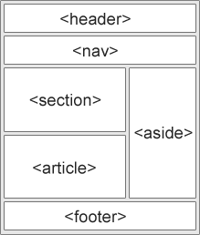
 | <header> - Defines a header for a document or a section
 | <nav> - Defines a container for navigation links
 | <section> - Defines a section in a document
 | <article> - Defines an independent self-contained article
 | <aside> - Defines content aside from the content (like a sidebar)
 | <footer> - Defines a footer for a document or a section
 | <details> - Defines additional details
 | <summary> - Defines a heading for the <details> element

 | Techniques
 | HTML tables (never use it becomes diff to redesign later)
 | CSS float property (Float is easy to learn - you just need to remember how the float and clear properties work.
 | Disadvantages: Floating elements are tied to the document flow, which may harm the flexibility)
 | CSS framework (to create your layout fast, you can use a framework, like W3.CSS or Bootstrap.)
 | CSS flexbox (Use of flexbox ensures that elements behave predictably when the page layout must accommodate
 | different screen sizes and different display devices. Disadvantages: Does not work in IE10 and earlier.
 |  | srcset,media
<picture> | lets you define more than one image.
(html5) | <picture>
 | <source srcset="img_smallflower.jpg" media="(max-width: 400px)">
 | <source srcset="img_flowers.jpg">
 | <img src="img_flowers.jpg" alt="Flowers"> //for browsera that do not support <picture>
 | </picture>

<video> | <video width="320" height="240" controls> <source src="movie.mp4" type="video/mp4"> <source src="movie.ogg" type="video/ogg"> Your browser does not support the video tag. </video>

<track> | specifies text tracks for media elements
 | http://www.w3schools.com/tags/tag_track.asp

<audio>

 | id Selector: use #id_specified note: idname cannot strt with a no.
 | class Selector: use .

CSS Comments | /* */

External Style Sheet | <link rel="stylesheet" type="text/css" href="mystyle.css"> | rel,href,type

Cascading Order | What style will be used when there is more than one style specified for an HTML element?
 | we can say that all the styles will "cascade" into a new "virtual" style sheet by the following rules, where number one has the highest priority:
1 | Inline style (inside an HTML element)
2 | External and internal style sheets (in the head section)
3 | Browser default

CSS background | background-color
 | background-image background-image: url("paper.gif");
 | By default, the background-image property repeats an image both horizontally and vertically.
 | By default, the image is repeated so it covers the entire element.

 | background-repeat repeat-x repeat-y no-repeat repeat
 | background-attachment fixed
 | background-position

Background - Shorthand | To shorten the code, it is also possible to specify all the background properties in one single property.
 | background: #ffffff url("img_tree.png") no-repeat right top;
 | When using the shorthand property the order of the property values is:
1 | background-color
2 | background-image
3 | background-repeat
4 | background-attachment
5 | background-position

CSS Border | border-style: border-style property can have from one to four values (for the top border, right border, bottom border, and the left border).
 | dotted
 | dashed
 | solid
 | double
 | groove Defines a 3D grooved border. The effect depends on the border-color value
 | ridge Defines a 3D ridged border. The effect depends on the border-color value
 | inset Defines a 3D inset border. The effect depends on the border-color value
 | outset Defines a 3D outset border. The effect depends on the border-color value
 | none
 | hidden
 | border-width The width can be set as a specific size (in px, pt, cm, em, etc) or by using one of the three pre-defined values: thin, medium, or thick
 | border-width property can have from one to four values (for the top border, right border, bottom border, and the left border).

 | border-color
 | name,hex,rgb,transparent
 | If border-color is not set, it inherits the color of the element
 | border-top-style: dotted;
 | border-right-style: solid;
 | border-bottom-style: dotted;
 | border-left-style: solid;

Rounded Borders | border-radius

Border - Shorthand | border: 5px solid red;
 | The border property is a shorthand property for the following individual border properties:
 | border-width
 | border-style (required)
 | border-color

CSS Margins | margin (auto,length(px,pt,cm,etc.),%,inherit)
 | margin-top
 | margin-right
 | margin-bottom
 | margin-left
 | Negative values are allowed
 | auto (horizontally center the element within its container.)
 | inherit (inherited from the parent element)
 | Margin Collapse
 | Top and bottom margins of elements are sometimes collapsed into a single margin that is equal to the largest of the two margins
 | This does not happen on horizontal margins (left and right)

Margin - Shorthand | margin: 100px 150px 100px 80px;

CSS Padding | to generate space around content. (length,%,inherit)
 | padding-top
 | padding-right
 | padding-bottom
 | padding-left
 | padding: 50px 30px 50px 80px;

CSS Height and Width | auto(default),length,%
 | The height and width properties do not include padding, borders, or margins; they set the height/width of the area inside the padding, border,
 | and margin of the element!
 | max-width ( length,%,none(default) )
 | the value of the max-width property overrides width
 | min-width
 | max-height
 | min-height
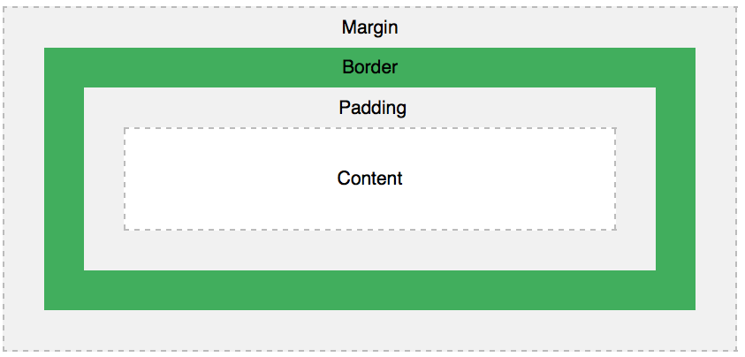
CSS Box Model

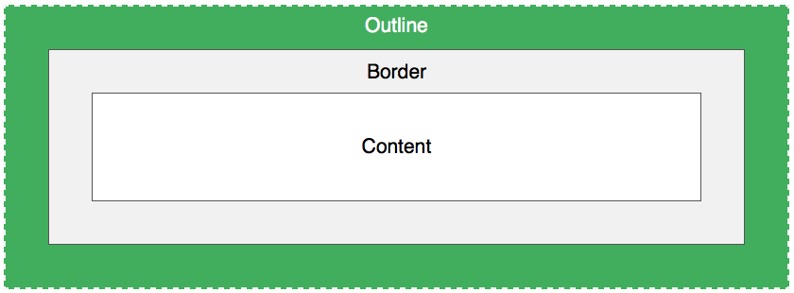
CSS Outline
similar details as border

 | outline-style
 | dotted
 | dashed
 | solid
 | double
 | groove Defines a 3D grooved border. The effect depends on the border-color value
 | ridge Defines a 3D ridged border. The effect depends on the border-color value
 | inset Defines a 3D inset border. The effect depends on the border-color value
 | outset Defines a 3D outset border. The effect depends on the border-color value
 | none
 | hidden
 | outline-color
 | name,hex,rgb, invert (performs a color inversion (which ensures that the outline is visible, regardless of color background))
 | outline-width
 | outline: 5px dotted red;
 | outline-offset (Specifies the space between an outline and the edge or border of an element)

CSS Text | color
 | text-align
 | center,left,right,justify
 | text-decoration
 | text-decoration: none; is often used to remove underlines from links
 | underline,none,line-through,overline
 | text-transform
 | uppercase,lowercase,capitalize
 | text-indent
 | indentation of the first line of a text.
 | letter-spacing
 | line-height (space between lines)
 | The default line height in most browsers is about 110% to 120%
 | direction (rtl,ltr,initial,inherit)
 | word-spacing
 | space between the words in a text
 | white-space (normal|nowrap|pre|pre-line|pre-wrap|initial|inherit)
 | vertical-align
 | text-top, text-bottom
 | text-shadow: 2px 2px #FF0000; //1st-horizontal shadow 2nd-vertical shadow (before color you can specify blur-radius)
 | unicode-bidi (normal,embed,bidi-override)
 | unicode-bidi property is used together with the direction property to set or return whether the text should be overridden

CSS Fonts | font:italic bold 12px/30px Georgia, serif
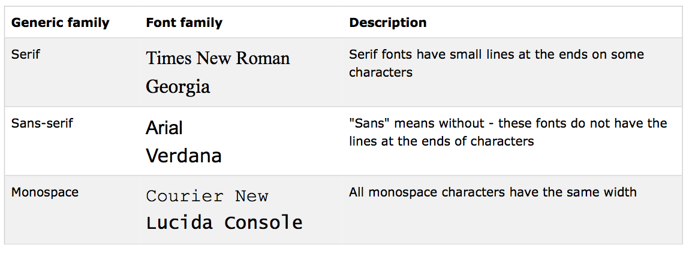

 | On computer screens, sans-serif fonts are considered easier to read than serif fonts.

 | font-family
 | font-family property should hold several font names as a "fallback" system. If the browser does not support the first font, it tries the next font.
 | Start with the font you want, and end with a generic family, to let the browser pick a similar font in the generic family, if no other fonts are available
 | Note: If the name of a font family is more than one word, it must be in quotation marks, like: "Times New Roman".
 | font-style (normal|italic|oblique|initial|inherit)
 | font-weight normal|bold|bolder|lighter|number
 | font-variant normal|small-caps
 | In a small-caps font, all lowercase letters are converted to uppercase letters. However, the converted uppercase letters appears in a smaller font
 | size than the original uppercase letters in the text.
 | font-size
 | Absolute size:
 | Sets the text to a specified size
 | Does not allow a user to change the text size in all browsers (bad for accessibility reasons)
 | Absolute size is useful when the physical size of the output is known
 | Relative size:
 | Sets the size relative to surrounding elements
 | Allows a user to change the text size in browsers

 | If you use pixels, you can still use the zoom tool to resize the entire page.

Em | 16px=1em (default font size if not specified)
 | To allow users to resize the text (in the browser menu), many developers use em instead of pixels
 | 1em is equal to the current font size
 | pixels/16=em (formula)

 | The solution that works in all browsers, is to set a default font-size in percent for the element:
 | body {
 | font-size: 100%;
 | }

CSS Lists | list-style-type
 | 149
 | list-style-image
 | list-style-image: url('sqpurple.gif')
 | list-style-position inside|outside(default)
 | specifies whether the list-item markers should appear inside or outside the content flow:

List - Shorthand | list-style
 | list-style: square inside url("sqpurple.gif");

 | CSS Layout

display | display
 | Every HTML element has a default display value depending on what type of element it is.
 | The default display value for most elements is block or inline.
 | display: none;
 | commonly used with JavaScript to hide and show elements without deleting and recreating them.
 | <script> element use display: none; as its default
 | display: none;
 | visibility:hidden;

width and max-width | 318 297

position | specifies the type of positioning method used for an element
1 | static
2 | relative
3 | fixed
4 | absolute
 | Elements are then positioned using the top, bottom, left, and right properties.
 | However, these properties will not work unless the position property is set first
 | They also work differently depending on the position value.
 | position: static;
 | elements are positioned static by default.
 | not affected by the top, bottom, left, and right properties.
 | positioned according to the normal flow of the page:
 | position: relative;
 | positioned relative to its normal position.
 | Setting the top, right, bottom, and left properties of a relatively-positioned element will cause it to be adjusted away from its normal position.
 | Other content will not be adjusted to fit into any gap left by the element.
 | position: fixed;
 | positioned relative to the viewport, which means it always stays in the same place even if the page is scrolled.
 | top, right, bottom, and left properties are used to position the element.
 | fixed element does not leave a gap in the page where it would normally have been located.
 | position: absolute;
 | positioned relative to the nearest positioned ancestor (instead of positioned relative to the viewport, like fixed).
 | However; if an absolute positioned element has no positioned ancestors, it uses the document body, and moves along with page scrolling.
Tip | : When aligning elements with position, always define margin and padding for the element. This is to avoid visual differences in different browsers.

Overlapping Elements | When elements are positioned, they can overlap other elements.
 | z-index
 | z-index only works on positioned elements (position:absolute, position:relative, or position:fixed).
 | specifies the stack order of an element (which element should be placed in front of, or behind, the others).
 | An element can have a positive or negative stack order:
 | Note: If two positioned elements overlap without a z-index specified, the element positioned last in the HTML code will be shown on top.

Positioning Text In Image

clip | clip: rect(0px,60px,200px,0px);
 | set the shape of an element.

overflow Property | overflow
 | visible|hidden|scroll|auto|initial|inherit
 | overflow-x
 | overflow-y

cursors | cursor
<span style="cursor:auto"></span> | auto
 | crosshair
 | default
 | e-resize
 | help
 | move
 | n-resize
 | ne-resize
 | nw-resize
 | pointer
 | progress
 | s-resize
 | se-resize
 | sw-resize
 | text
 | w-resize
 | wait

float and clear | float
 | specifies whether or not an element should float.
 | its simplest use, the float property can be used to wrap text around images
 | clear
 | used to control the behavior of floating elements.
 | Elements after a floating element will flow around it. To avoid this, use the clear property.
 | The clear property specifies on which sides of an element floating elements are not allowed to float:
 | The clearfix Hack
 | overflow: auto;

inline-block | It has been possible for a long time to create a grid of boxes that fills the browser width and wraps nicely (when the browser is resized),
 | by using the float property.
 | However, the inline-block value of the display property makes this even easier.
 | inline-block elements are like inline elements but they can have a width and a height.
 | display: inline-block;

Horizontal & Vertical Align | Center Align Elements
 | margin: auto;
 | Center aligning has no effect if the width property is not set (or set to 100%).
 | Center Align Text
 | text-align: center;
 | Center an Image
 | display: block;
 | margin: auto;

CSS Combinators | explains the relationship between the selectors.
 | CSS selector can contain more than one simple selector. Between the simple selectors, we can include a combinator.
 | There are four different combinators in CSS3:
1 | descendant selector (space)
2 | child selector (>)
3 | adjacent sibling selector (+)
4 | general sibling selector (~)

 | Descendant Selector
 | matches all elements that are descendants of a specified element.
 | div p {
 | background-color: yellow;
 | }

 | Child Selector
 | selects all elements that are the immediate children of a specified element.
 | div > p {
 | background-color: yellow;
 | }

 | Adjacent Sibling Selector
 | selects all elements that are the adjacent siblings of a specified element.
 | Sibling elements must have the same parent element, and "adjacent" means "immediately following".
 | div + p {
 | background-color: yellow;
 | }

 | General Sibling Selector
 | selects all elements that are siblings of a specified element.

CSS Pseudo-classes | used to define a special state of an element.
 | Syntax
 | selector:pseudo-class { property:value; }
 | all pseudo classes list:
 | http://www.w3schools.com/css/css_pseudo_classes.asp

Pseudo-Elements | used to style specified parts of an element.
 | selector::pseudo-element { property:value; }
 | http://www.w3schools.com/css/css_pseudo_elements.asp

CSS Opacity / Transparency | opacity
 | can take a value from 0.0 - 1.0
 | opacity: 0.5;
 | filter: alpha(opacity=50); /* For IE8 and earlier */
 | Transparent Box
 | When using the opacity property to add transparency to the background of an element, all of its child elements become transparent as well.
 | This can make the text inside a fully transparent element hard to read:
 | If you do not want to apply opacity to child elements,use RGBA color values
 | In addition to RGB, CSS3 introduced an RGB color value with an alpha channel (RGBA) - which specifies the opacity for a color.

CSS Navigation Bar | Navigation Bar = List of Links
 | Horizontal Navigation Bar
 | two ways: inline or floating list items
 | display: inline;
 | float: left;

CSS Dropdowns | If you want the width of the dropdown content to be as wide as the dropdown button, set the width to 100%
 | (and overflow:auto to enable scroll on small screens).
 | box-shadow

CSS Tooltip

 | Responsive Web Design
 | uses only HTML and CSS.
 | web design is not a program or a JavaScript.
 | It is called responsive web design when you use CSS and HTML to resize, hide, shrink, enlarge, or move the content to make it look good on any screen.

Viewport: | user's visible area of a web page
 | viewport varies with the device, and will be smaller on a mobile phone than on a computer screen.

Setting The Viewport | <meta>
 | HTML5 introduced a method to let web designers take control over the viewport, through the <meta> tag.
 | <meta name="viewport" content="width=device-width, initial-scale=1.0">

Some additional rules to follow:

1. Do NOT use large fixed width elements - For example, if an image is displayed at a width wider than the viewport it can cause the viewport to scroll horizontally. Remember to adjust this content to fit within the width of the viewport.

2. Do NOT let the content rely on a particular viewport width to render well - Since screen dimensions and width in CSS pixels vary widely between devices, content should not rely on a particular viewport width to render well.

3. Use CSS media queries to apply different styling for small and large screens - Setting large absolute CSS widths for page elements, will cause the element to be too wide for the viewport on a smaller device. Instead, consider using relative width values, such as width: 100%. Also, be careful of using large absolute positioning values. It may cause the element to fall outside the viewport on small devices.

Grid-View | Many web pages are based on a grid-view, which means that the page is divided into columns:
 | A responsive grid-view often has 12 columns, and has a total width of 100%, and will shrink and expand as you resize the browser window.

1 | ensure that all HTML elements have the box-sizing property set to border-box.
 | This makes sure that the padding and border are included in the total width and height of the elements.
 | * { box-sizing: border-box; }
 | the percentage for one column: 100% / 12 columns = 8.33%

Media Query | CSS technique introduced in CSS3.
 | @media
 | @media only screen and (max-width: 500px) {
 | body {
 | background-color:lightblue;
 | }

Add a Breakpoint | @media only screen and (max-width: 768px) {
 | /* For mobile phones: */
 | [class*="col-"] {
 | width: 100%;
 | }
 | }

Design for Mobile First | Mobile First means designing for mobile before designing for desktop or any other device (This will make the page display faster on smaller devices).

Another Breakpoint | for tablets
Orientation: | @media only screen and (orientation: landscape) {
 | body {
 | background-color: lightblue;
 | }
 | }

Images | If the width property is set to 100%, the image will be responsive and scale up and down
 | width: 100%;
 | height: auto;
 | Notice that in the example above, the image can be scaled up to be larger than its original size. A better solution, in many cases,
 | will be to use the max-width property instead.
 | If the max-width property is set to 100%, the image will scale down if it has to, but never scale up to be larger than its original size:
 | max-width: 100%;
 | height: auto;

Background Images | three different methods:
1 | background-size
 | background-size: contain;
2 | background-size: 100% 100%;
3 | background-size: cover;
 | cover value keeps the aspect ratio, and some part of the background image may be clipped:

Different Images
for Different Devices

 | You can use the media query min-device-width, instead of min-width, which checks the device width, instead of the browser width

HTML5 <picture> | 226

Videos

