FAQ
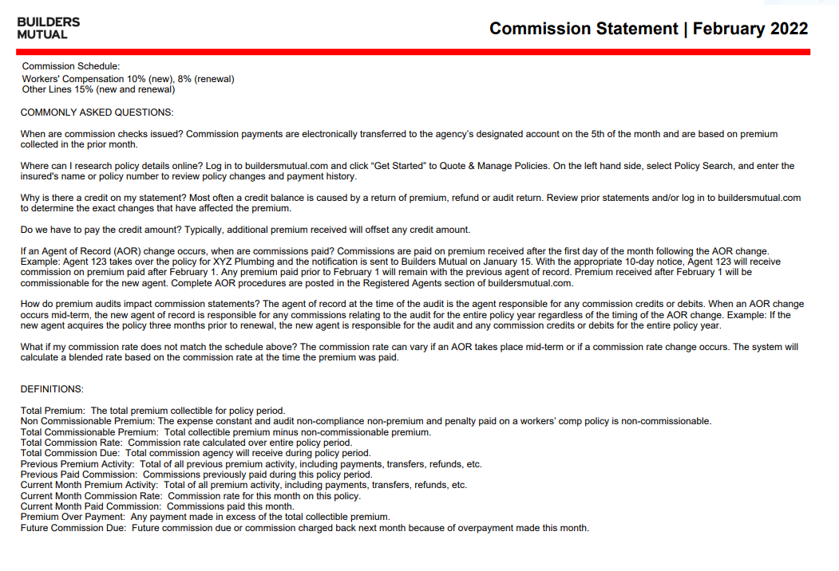

Referring to the above sample of today’s current FAQ that appears on the back of the commission statement, please see the below ‘sections’ that I tried to correspond with a comment that it will be left as is or will need to change. The verbiage in red means something has to be finalized before we will know the exact verbiage.

1. At the top left corner:
Commission Schedule:
Workers’ Compensation 10% (new), 8% (renewal)
Other Lines 15% (new and renewal)

Remove this section at the top left corner

2. COMMONLY ASKED QUESTIONS

Ok to leave heading of section as is

3. Question 1:
When are commissions checks issued? Commission payments are electronically transferred to the agency’s designated account on the 5th of the month and are based on premium collected in the prior month.

Ok to leave as is

4. Question 2:
Where can I research policy details online? Log in to buildersmutual.com and click “Get Started” to Quote & Manage Policies. On the left hand side, select Policy Search, and enter the insured’s name or policy number to review policy changes and payment history.

BMIC- to update this sentence we need to know exactly where/how agents will access Producer, and then where in Producer they need to search/click to get to policies. Will they be going to buildersmutual.com first? I can log in to a Producer test env to identify a path but will anything change between now and go-live that would affect the path described as OTC lines are added in the future, etc?

5. Question 3:
Why is there a credit on my statement? Most often a credit balance is caused by a return of premium, refund or audit return. Review prior statements and/or log in to buildersmutual.com to determine the exact changes that have affected the premium.

Will need to update if path is not buildersmutual.com. With regards to viewing prior statements, would we want to add instructions specific to downloading with Ivans AND how to access statements if agent has not chosen to use Ivans?

6. Question 4:
Do we have to pay the credit amount? Typically, additional premium received will offset any credit amount.

Ok to leave as is

7. Question 5:
If an Agent of Record (AOR) change occurs, when are commissions paid? Commissions are paid on premium received after the date of the month following the AOR change. Example: Agent 123 tales over the policy for XYZ Plumbing and the notification is sent to Builders Mutual on January 15. With the appropriate 10-day notice, Agent 123 will receive commission on premium paid after February 1. Any premium paid prior to February 1 will remain with the previous agent of record. Premium received after February 1 will be commissionable for the new agent. Complete AOR procedures are posted in the Registered Agents section of buildersmutual.com.

Will AOR procedures be left where they are on our website, or will they be moved to Producer?

8. Question 6:
How do premium audits impact commission statements? The agent of record at the time of the audit is the agent responsible for any commission credits or debits. When an AOR change occurs mid-term, the new agent of record is responsible for any commissions relating to the audit for the entire policy year regardless of the timing of the AOR change. Example: If the new agent acquires the policy three months prior to the renewal, the new agent is responsible for the audit and any commission credits or debits for the entire policy year.

Ok to leave as is

9. Question 7:
What if my commission rate does not match the schedule above? The commission rate can vary if an AOR takes place mid-term or if a commission rate change occurs. The system will calculate a blended rate based on the commission rate at the time the premium was paid.

Ok to leave as is

10. DEFINITIONS:
This section will remain but the items to be defined will be different based on the column headings that are on DC’s OOB statement as they will no longer match what is on our current statement. Asking LTI if we can get a pdf of a commission statement with some test data included on it so we can get a good idea of how it generates and what columns will be populated. The excel we have has 4 separate tabs- will this come out in one document, will there be 4 separate pages, etc? If it is multiple pages that have different headings, etc… we may have to break down the Definitions to correspond to each heading.

