March Onwrd
Stock/Company Name | Avg Buy Price | Avg Sell Price | BuyDate | SellDate/Hold | Quantiy/Lot | P/L | Expiry | Points | Remarks | Analysis | Broker | Status | Holiday
NIFTY 10th March 16500 CE | 22 | 23 | 2022-03-08 | 2022-03-08 | 1800 | 1800 |  | 1 |  | Went for 26 | Zerodha |  |  | No trade on 7th
NIFTY 10th March 16500 CE | 18 | 19 | 2022-03-09 | 2022-03-09 | 1800 | 1800 |  | 1 |  |  | Zerodha |  | 2022-03-01
NIFTY 10th March 16500 CE | 17 | 18 | 2022-03-09 | 2022-03-09 | 500 | 500 |  | 1 |  |  | Upstox |  | 2022-03-18
NIFTY 10th March 16500 CE | 17 | 18 | 2022-03-09 | 2022-03-09 | 1800 | 1800 |  | 1 |  | Went for 75 | Zerodha |  |  | 50000 - added on 3rd march
NIFTY 10th March 16600 CE | 30 | 31 | 2022-03-09 | 2022-03-09 | 1800 | 1800 |  | 1 | went 166 on 10thMar | Went for 42 | Zerodha |  |  | 50000 - added on 25th feb
NIFTY 10th March 16800 CE | 20 | 23 | 2022-03-10 | 2022-03-10 | 1800 | 5400 |  | 3 |  |  | Zerodha
NIFTY 10th March 16800 CE | 17 | 23 | 2022-03-10 | 2022-03-10 | 500 | 3000 |  | 3 |  |  | Upstox |  |  | here total invesment is 3,00,000 | 53000 in equity and rest is with F&O
NIFTY 10th March 16800 CE | 30 | 23 | 2022-03-10 | 2022-03-10 | 1800 | -12600 |  | -7 |  |  | Zerodha
NIFTY 10th March 16700 CE | 25 | 26 | 2022-03-10 | 2022-03-10 | 1800 | 1800 |  | 1 |  |  | Zerodha |  |  | As of now loss is 2,10,000
NIFTY 17th March 17200 CE | 40 | 43 | 2022-03-11 | 2022-03-11 | 1000 | 6000 |  | 6 | 2times trade at 40 |  | Zerodha
NIFTY 17th March 17200 CE | 32 | 33 | 2022-03-11 | 2022-03-11 | 1800 | 3600 |  | 2 | 2times trade at 22 |  | Zerodha
NIFTY 17th March 17200 CE | 35 | 36 | 2022-03-14 | 2022-03-14 | 1800 | 1800 |  | 1 |  |  | Zerodha
NIFTY 17th March 17200 CE | 40 | 41 | 2022-03-14 | 2022-03-14 | 1500 | 1500 |  | 1 |  |  | Zerodha
NIFTY 17th March 17200 CE | 44 | 45 | 2022-03-14 | 2022-03-14 | 1500 | 1500 |  | 1 |  |  | Zerodha |  |  |  | 1800
NIFTY 17th March 17200 CE | 45 | 47 | 2022-03-14 | 2022-03-14 | 1500 | 3000 |  | 2 |  |  | Zerodha |  |  |  | 1500
NIFTY 17th March 17200 CE | 47 | 48 | 2022-03-14 | 2022-03-14 | 1400 | 1400 |  | 1 |  |  | Zerodha |  |  |  | 1500
NIFTY 17th March 17200 CE | 45 | 46 | 2022-03-14 | 2022-03-14 | 1500 | 1500 |  | 1 |  |  | Zerodha |  |  |  | 3000
NIFTY 17th March 17200 CE | 45 | 47 | 2022-03-14 | 2022-03-14 | 1500 | 3000 |  | 2 |  |  | Zerodha |  |  |  | 1400
NIFTY 17th March 17300 CE | 45 | 46 | 2022-03-14 | 2022-03-14 | 300 | 300 |  | 1 |  |  | Upstox |  |  |  | 1500
NIFTY 17th March 17300 CE | 45 | 46 | 2022-03-14 | 2022-03-14 | 1500 | 1500 |  | 1 |  |  | Zerodha |  |  |  | 3000
NIFTY 17th March 17300 CE | 44 | 45 | 2022-03-14 | 2022-03-14 | 1500 | 1500 |  | 1 |  |  | Zerodha | today - 17k |  |  | 300
NIFTY 17th March 17300 CE | 35 | 37 | 2022-03-15 | 2022-03-15 | 1800 | 3600 |  | 2 |  |  | Zerodha |  |  |  | 1500
NIFTY 17th March 17300 CE | 30 | 31 | 2022-03-15 | 2022-03-15 | 1800 | 1800 |  | 1 |  |  | Zerodha |  |  |  | 1500
NIFTY 17th March 17300 CE | 30 | 31 | 2022-03-15 | 2022-03-15 | 500 | 500 |  | 1 |  |  | Upstox
NIFTY 17th March 17300 CE | 33 | 18 | 2022-03-15 | 2022-03-15 | 500 | -7500 |  | -15 |  |  | Upstox
NIFTY 17th March 17300 CE | 33 | 18 | 2022-03-15 | 2022-03-15 | 1800 | -27000 |  | -15 |  |  | Zerodha | Today Loss - 29000 |  |  | 17000
NIFTY 17th March 17200 CE | 22 | 25 | 2022-03-16 | 2022-03-16 | 1800 | 5400 |  | 3
NIFTY 17th March 17200 CE | 37 | 40 | 2022-03-16 | 2022-03-16 | 1500 | 4500 |  | 3
NIFTY 17th March 17200 CE | 37 | 38 | 2022-03-16 | 2022-03-16 | 1500 | 1500 |  | 1 |  |  |  | today - 11400
NIFTY 17th March 17300 CE | 25 | 26 | 2022-03-17 | 2022-03-17 | 1800 | 1800 |  | 1
NIFTY 17th March 17300 CE | 35 | 36 | 2022-03-17 | 2022-03-17 | 1800 | 1800 |  | 1 | went many times 40-43, but couldn't get it
NIFTY 17th March 17300 CE | 44 | 45 | 2022-03-17 | 2022-03-17 | 1600 | 1600 |  | 1
NIFTY 17th March 17300 CE | 47 | 48 | 2022-03-17 | 2022-03-17 | 1500 | 1500 |  | 1
NIFTY 17th March 17300 CE | 40 | 43 | 2022-03-17 | 2022-03-17 | 1800 | 5400 |  | 3
NIFTY 17th March 17300 CE | 53 | 56 | 2022-03-17 | 2022-03-17 | 1300 | 3900 |  | 3
NIFTY 17th March 17300 CE | 47 | 50 | 2022-03-17 | 2022-03-17 | 1500 | 4500 |  | 3
NIFTY 17th March 17300 CE | 45 | 40 | 2022-03-17 | 2022-03-17 | 1600 | -8000
NIFTY 17th March 17300 CE | 35 | 36 | 2022-03-17 | 2022-03-17 | 1800 | 1800
NIFTY 17th March 17300 CE | 45 | 48 | 2022-03-17 | 2022-03-17 | 1500 | 4500
NIFTY 17th March 17300 CE | 43 | 45 | 2022-03-17 | 2022-03-17 | 1500 | 3000
NIFTY 17th March 17300 CE | 55 | 40 | 2022-03-17 | 2022-03-17 | 1300 | -19500 | at 2pm , taken position
NIFTY 17th March 17300 CE | 43 | 46 | 2022-03-17 | 2022-03-17 | 1500 | 4500
NIFTY 17th March 17300 CE | 43 | 22 | 2022-03-17 | 2022-03-17 | 1500 | -31500 | wrong decision I made at 2.30pm around
NIFTY 24th March 17700 CE | 14 | 16 | 2022-03-22 | 2022-03-22 | 1800 | 3600
NIFTY 24th March 17700 CE | 24 | 25 | 2022-03-22 | 2022-03-22 | 1800 | 1800
NIFTY 24th March 17700 CE | 26 | 27 | 2022-03-22 | 2022-03-22 | 1500 | 1500 |  |  | today - 6900
NIFTY 24th March 17500 CE | 29 | 30 | 2022-03-23 | 2022-03-23 | 1600 | 1600
NIFTY 24th March 17500 CE | 28 | 16 | 2022-03-23 | 2022-03-23 | 1700 | -20400
NIFTY 24th March 17300 CE | 25 | 30 | 2022-03-24 | 2022-03-24 | 1000 | 5000
NIFTY 24th March 17300 CE | 44 | 46 | 2022-03-24 | 2022-03-24 | 500 | 1000
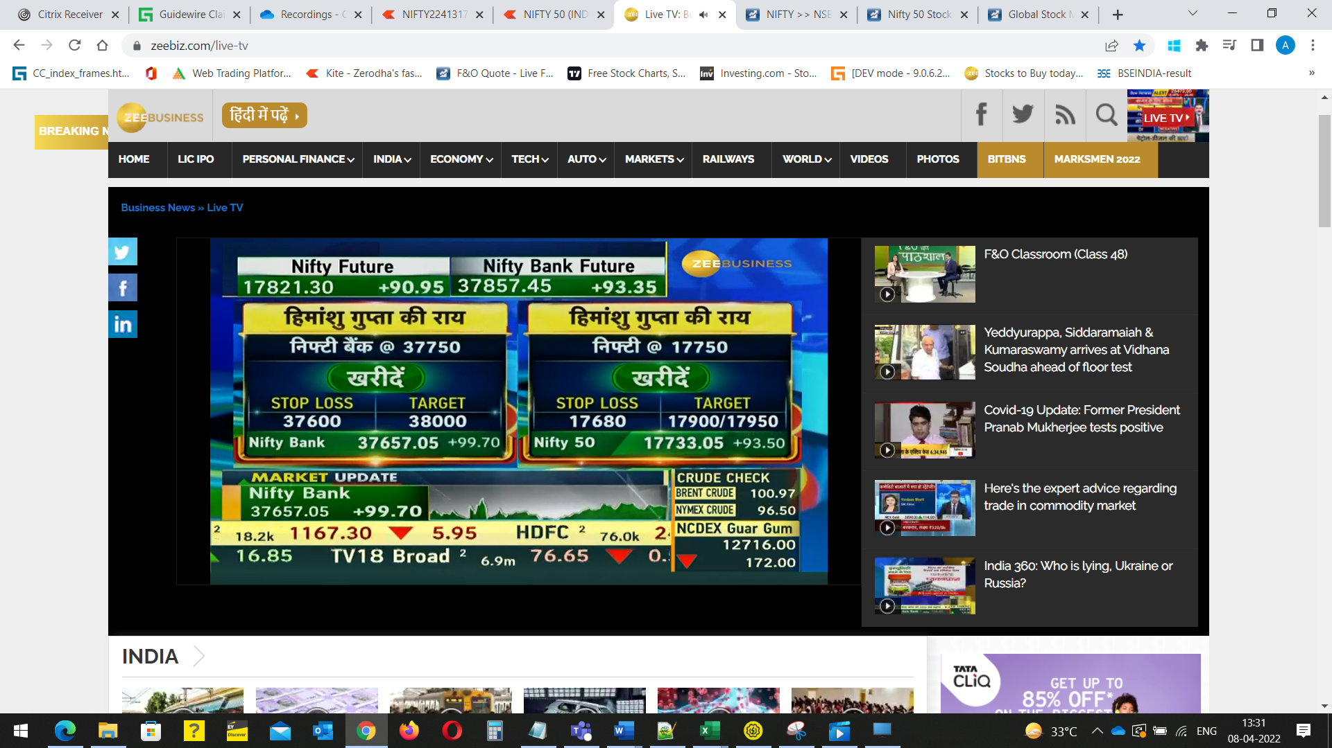
NIFTY 24th March 17200 CE | 24 | 27 | 2022-03-24 | 2022-03-24 | 1000 | 3000
NIFTY 24th March 17200 CE | 44 | 46 | 2022-03-24 | 2022-03-24 | 600 | 1200
NIFTY March 17200 CE | 33 | 29 | 2022-03-25 | 2022-03-25 | 1000 | -4000
NIFTY March 16500 PE | 19 | 20 | 2022-03-28 | 2022-03-28 | 1800 | 1800
NIFTY March 17600 CE | 21 | 22 | 2022-03-29 | 2022-03-29 | 1800 | 1800
NIFTY March 17000 PE | 21 | 22 | 2022-03-29 | 2022-03-29 | 1800 | 1800
NIFTY March 17600 CE | 24 | 25 | 2022-03-30 | 2022-03-30 | 1800 | 1800
NIFTY March 17600 CE | 22 | 23 | 2022-03-30 | 2022-03-30 | 1800 | 1800
NIFTY March 17600 CE | 17 | 5 | 2022-03-31 | 2022-03-31 | 1800 | -21600 |  |  | got chance to book profit at 21.4 or 21but it was missed
NIFTY 7th April 18300 CE | 25 | 27 | 2022-04-04 | 2022-04-04 | 1000 | 2000
NIFTY 7th April 18400 CE | 16 | 17 | 2022-04-04 | 2022-04-04 | 1500 | 1500
NIFTY 7th April 18400 CE | 16 | 17 | 2022-04-04 | 2022-04-04 | 1500 | 1500
NIFTY 7th April 18400 CE | 17 | 17 | 2022-04-04 | 2022-04-04 | 800 | 0
NIFTY 7th April 18400 CE | 17 | 2 | 2022-04-04 | 2022-04-06 | 700 | -10500 |  |  | 700 quantity hold , not executed at 3.30pm
NIFTY 7th April 17700 PE | 25 | 27 | 2022-04-07 | 2022-04-07 | 1800 | 3600
NIFTY 7th April 17700 PE | 25 | 27 | 2022-04-07 | 2022-04-07 | 1800 | 3600
NIFTY 7th April 17700 PE | 40 | 42 | 2022-04-07 | 2022-04-07 | 1200 | 2400
NIFTY 7th April 17700 PE | 20 | 7 | 2022-04-07 | 2022-04-07 | 1800 | -23400
NIFTY 7th April 17700 PE | 14 | 15 | 2022-04-07 | 2022-04-07 | 1800 | 1800
NIFTY 7th April 17700 PE | 30 | 32 | 2022-04-07 | 2022-04-07 | 1200 | 2400
NIFTY 7th April 17700 PE | 30 | 31 | 2022-04-07 | 2022-04-07 | 1200 | 1200 |  |  | aftr 31 its went upto 69,,loss 8400 overall,today closed at 60
NIFTY 13th April 17200 PE | 24 | 27 | 2022-04-08 | 2022-04-08 | 1500 | 4500
NIFTY 13th April 17200 PE | 18 | 9 | 2022-04-08 | 2022-04-08 | 1800 | -16200
NIFTY 13th April 18200 CE | 29 | 18 | 2022-04-08 | 2022-04-08 | 1000 | -11000 |  |  | today overall loss-22700
NIFTY 13th April 18000 CE | 23 | 24 | 2022-04-11 | 2022-04-11 | 500 | 500
NIFTY 13th April 18000 CE | 24 | 25 | 2022-04-11 | 2022-04-11 | 500 | 500
NIFTY 13th April 17500 PE | 30 | 31 | 2022-04-11 | 2022-04-11 | 500 | 500
NIFTY 13th April 17400 PE | 25 | 27 | 2022-04-12 | 2022-04-12 | 500 | 500
NIFTY 13th April 17400 PE | 35 | 36 | 2022-04-12 | 2022-04-12 | 500 | 500
NIFTY 13th April 17400 PE | 32 | 27 | 2022-04-12 | 2022-04-12 | 500 | 500
NIFTY 13th April 17400 PE | 32 | 33 | 2022-04-12 | 2022-04-12 | 600 | 600
NIFTY 13th April 17400 PE | 32 | 33 | 2022-04-12 | 2022-04-12 | 600 | 600
NIFTY 13th April 17400 PE | 30 | 31 | 2022-04-12 | 2022-04-12 | 600 | 600
NIFTY 13th April 17400 PE | 30 | 31 | 2022-04-12 | 2022-04-12 | 600 | 600
NIFTY 13th April 17400 PE | 34 | 35 | 2022-04-12 | 2022-04-12 | 500 | 500
NIFTY 13th April 17400 PE | 39 | 40 | 2022-04-12 | 2022-04-12 | 500 | 500
NIFTY 13th April 17400 PE | 39 | 40 | 2022-04-12 | 2022-04-12 | 500 | 500
 |  |  | 2022-04-13 | 2022-04-13 |  | -6100

 |  |  |  |  |  | -64100

Penny
 |  |  |  |  | D | B | S
 | CMP | DEBT | DIVIDEND |  | DIVIDEND | BONUS | SPLIT | as on 14thJan2022
Urja Global Ltd. | 7.5 |  |  |  |  |  |  | 33.4
VIKAS PROPPANT & GRANITE LTD. | 2 |  | Y
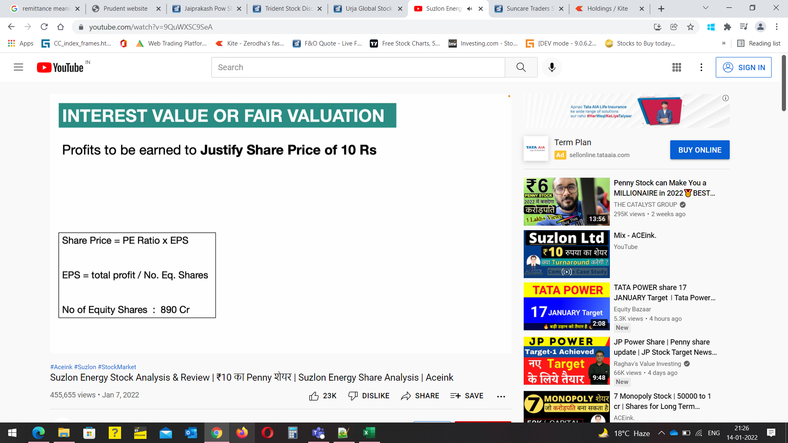
COMPUCOM SOFTWARE LTD | 8.6 |  | Y
ENERGY DEVELOPMENT COMPANY LTD | 8.5 |  | Y
IL&FS INVESTMENT MANAGERS LTD | 4.7 |  | Y
HOUSING & URBAN DEVELOPMENT CORPORATION LTD(HUDCO) | 52.6 | Y | Y
PNB GILTS LTD | 80.2 |  | Y
NHPC | 27 | Y | Y
IRFC | 25.8 | Y | Y | must invest
RVNL | 43.05 | Y | Y
RCF
GOTHI PLASCON | 21.4
Shree Renuka Sugers Ltd. | 28.3 |  |  | preferable
REC | 148 |  | Y
coal | 149 |  | Y
PFC | 137 |  | Y
NMDC | 183 |  | Y
ENGINEERS INDIA LTD | 74 |  | Y
ONGC | 157 |  | Y
IOC | 131 |  | Y
GAIL | 150
Vascon Engineers Ltd. | 25.1
oriental hotels |  |  |  | right issue
taj gvk
indian hotels | 207.65
navkar corporation | 43.3
SunCare Traders Ltd. | 3.16
NTPC TARGET 200
Orient green paper | 23.55
airtel target - 1000+
NOCIL TARGET - 340

Devyani International for long time …company booked porfit after loss | 137.2 | at 2nd nov 2021

IMG
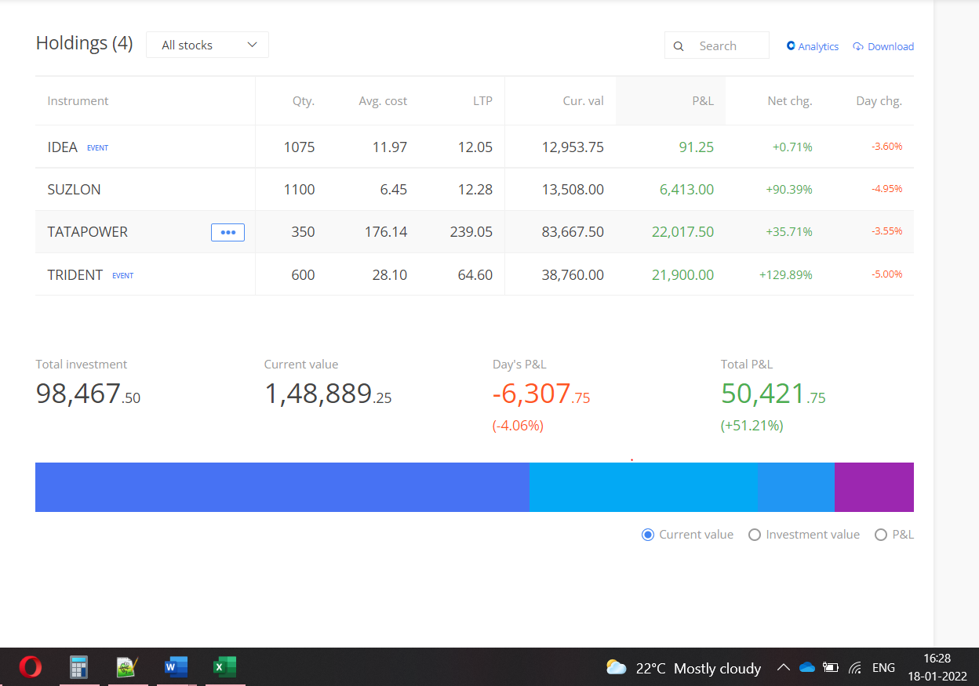

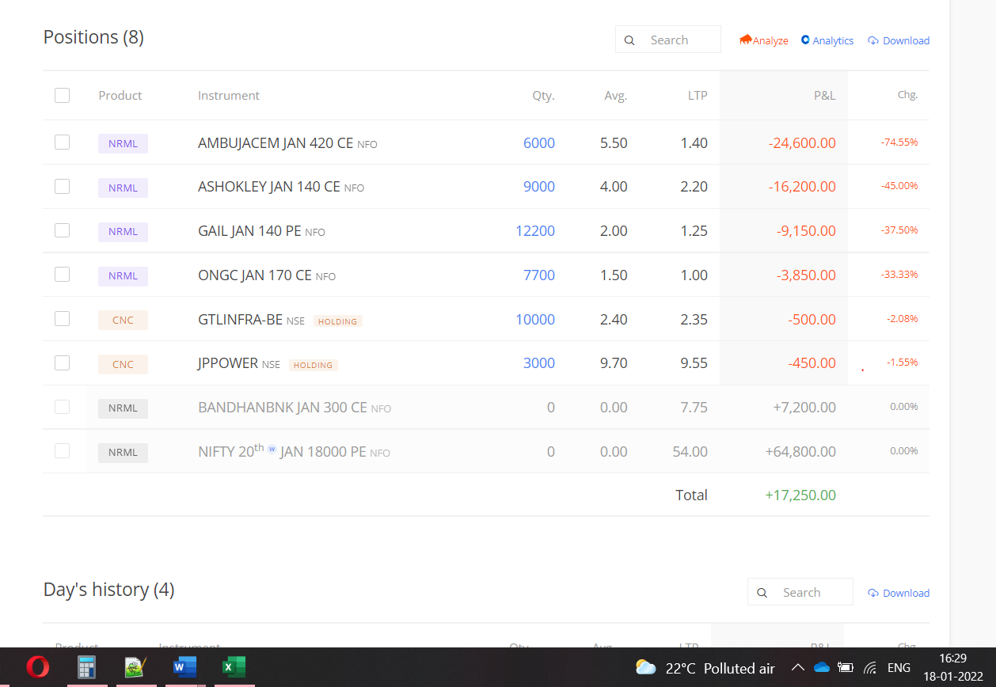

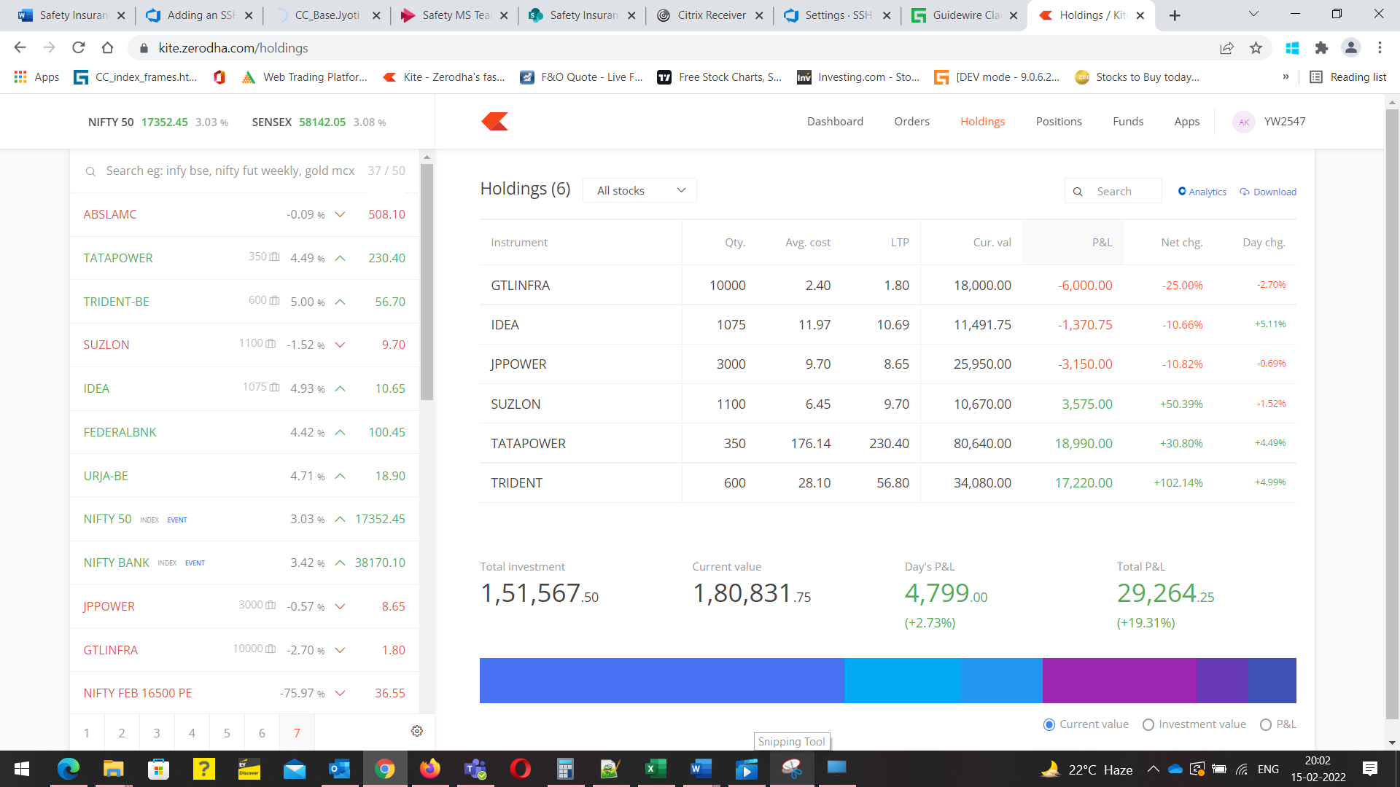

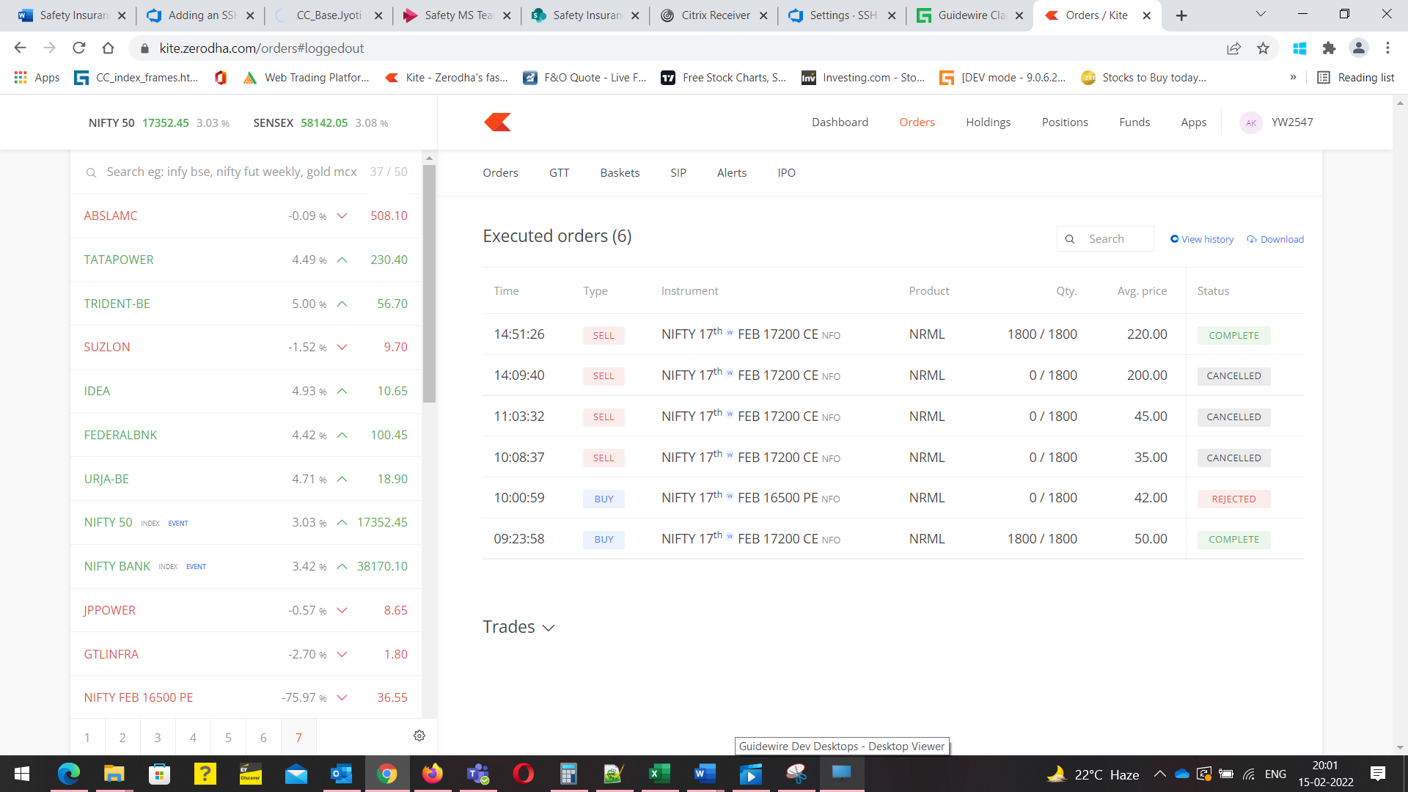

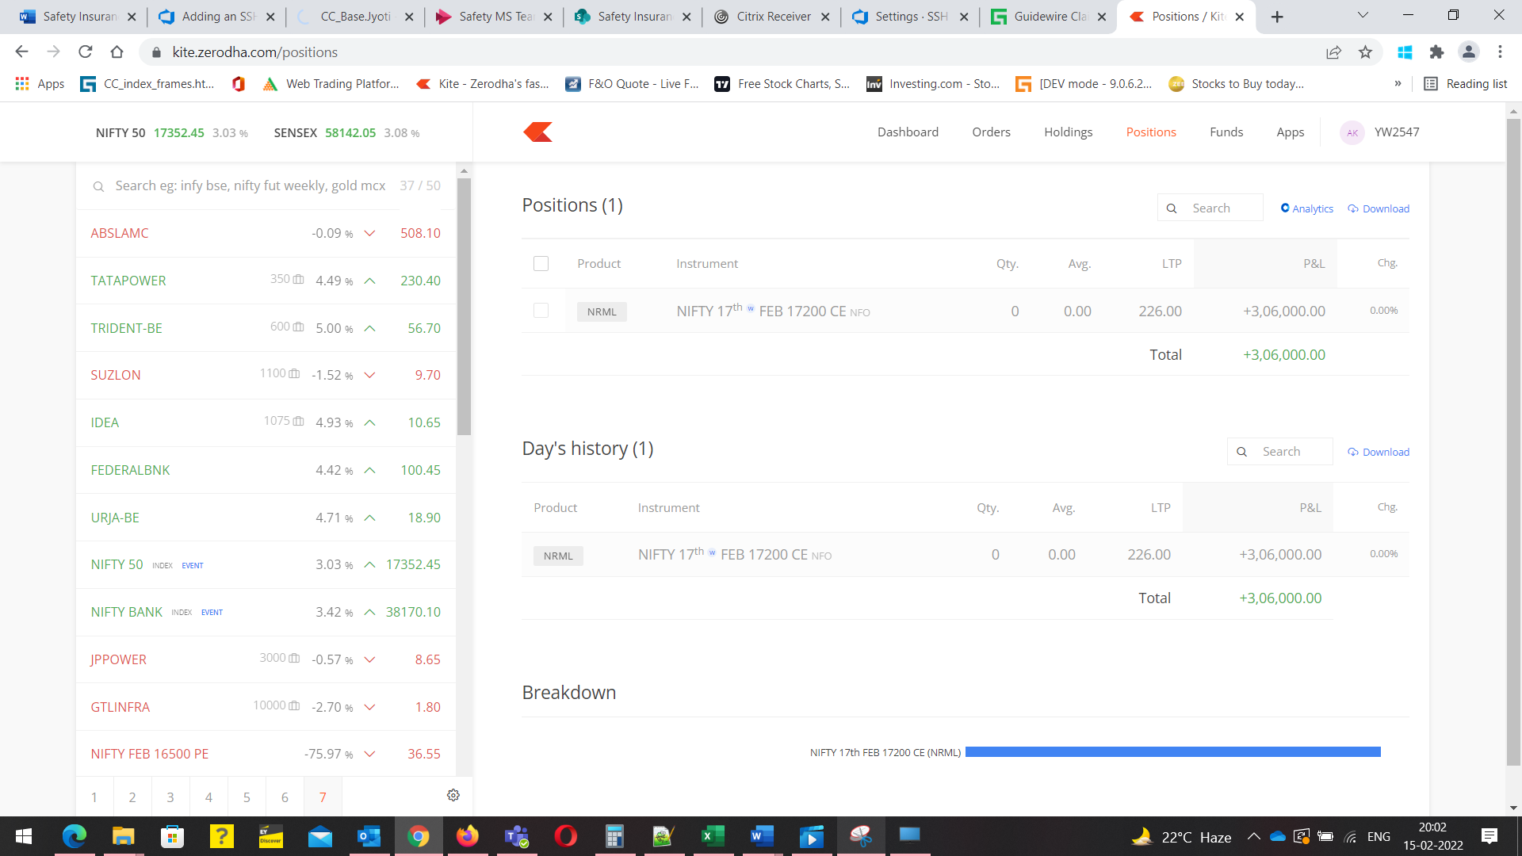

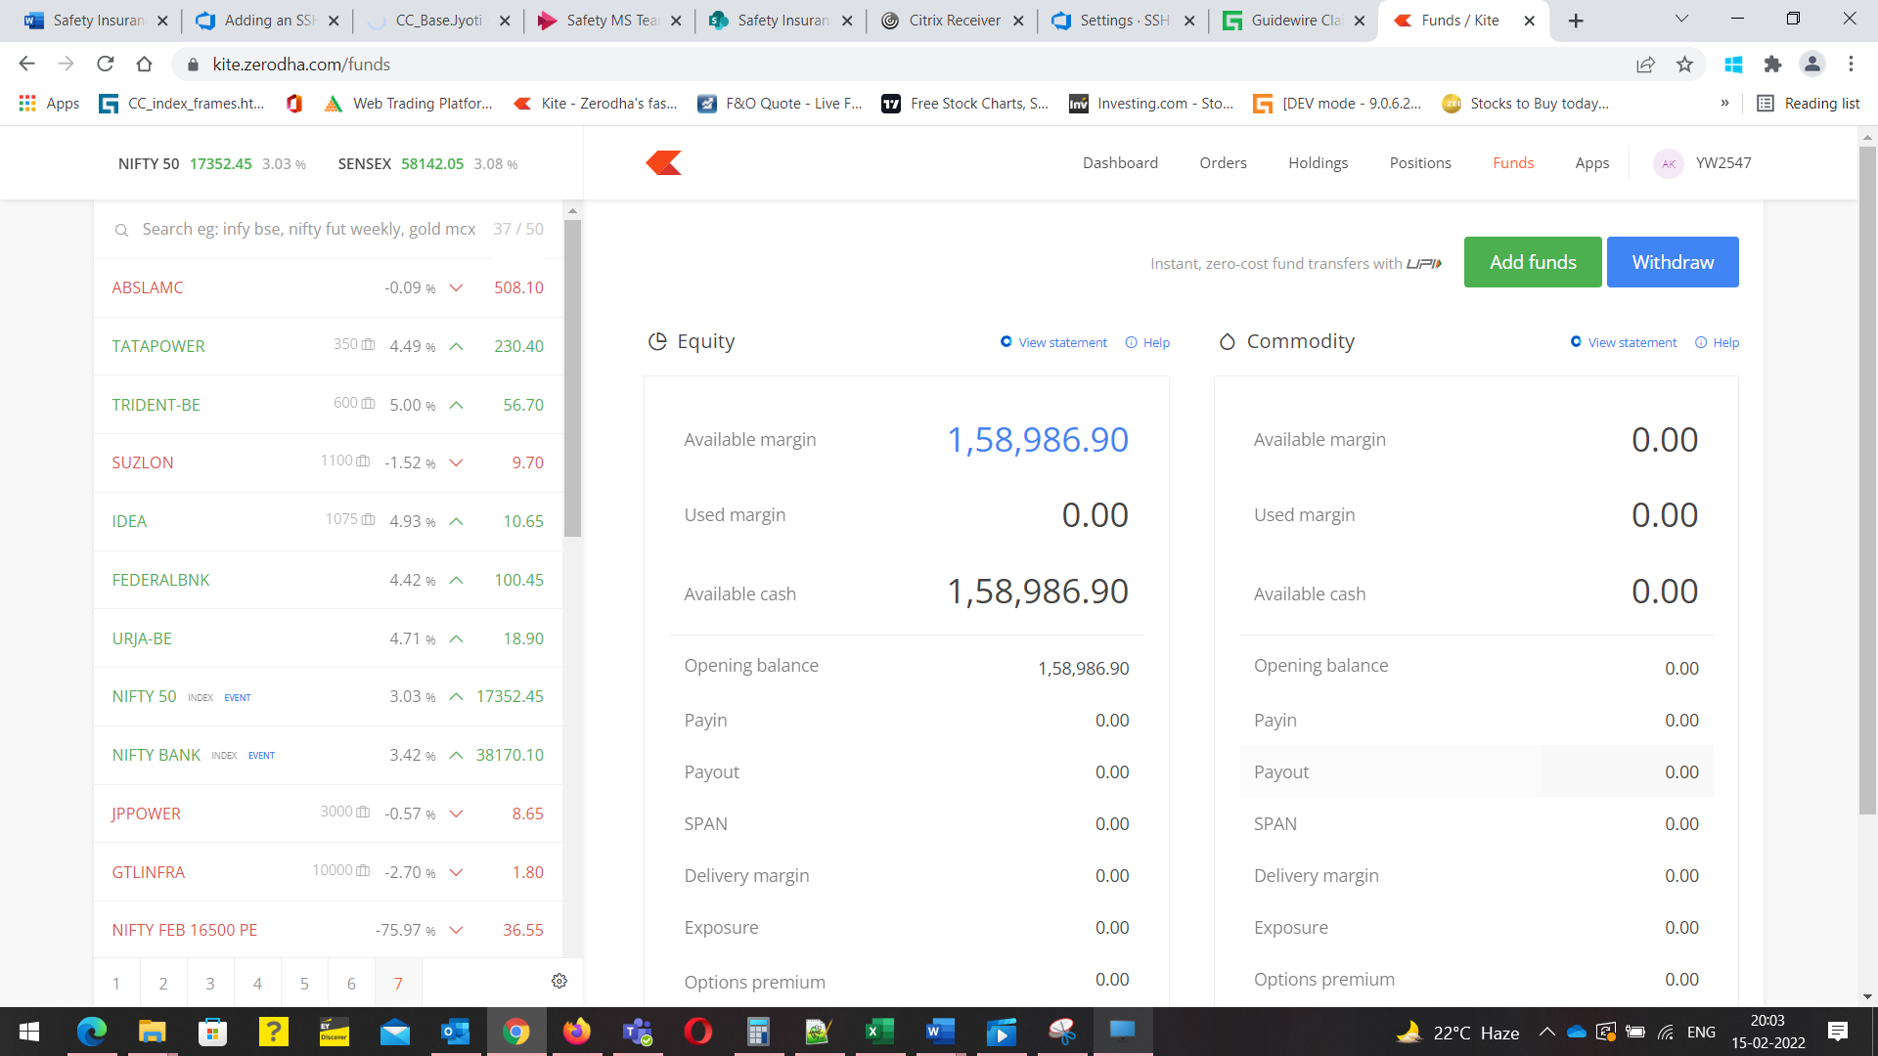

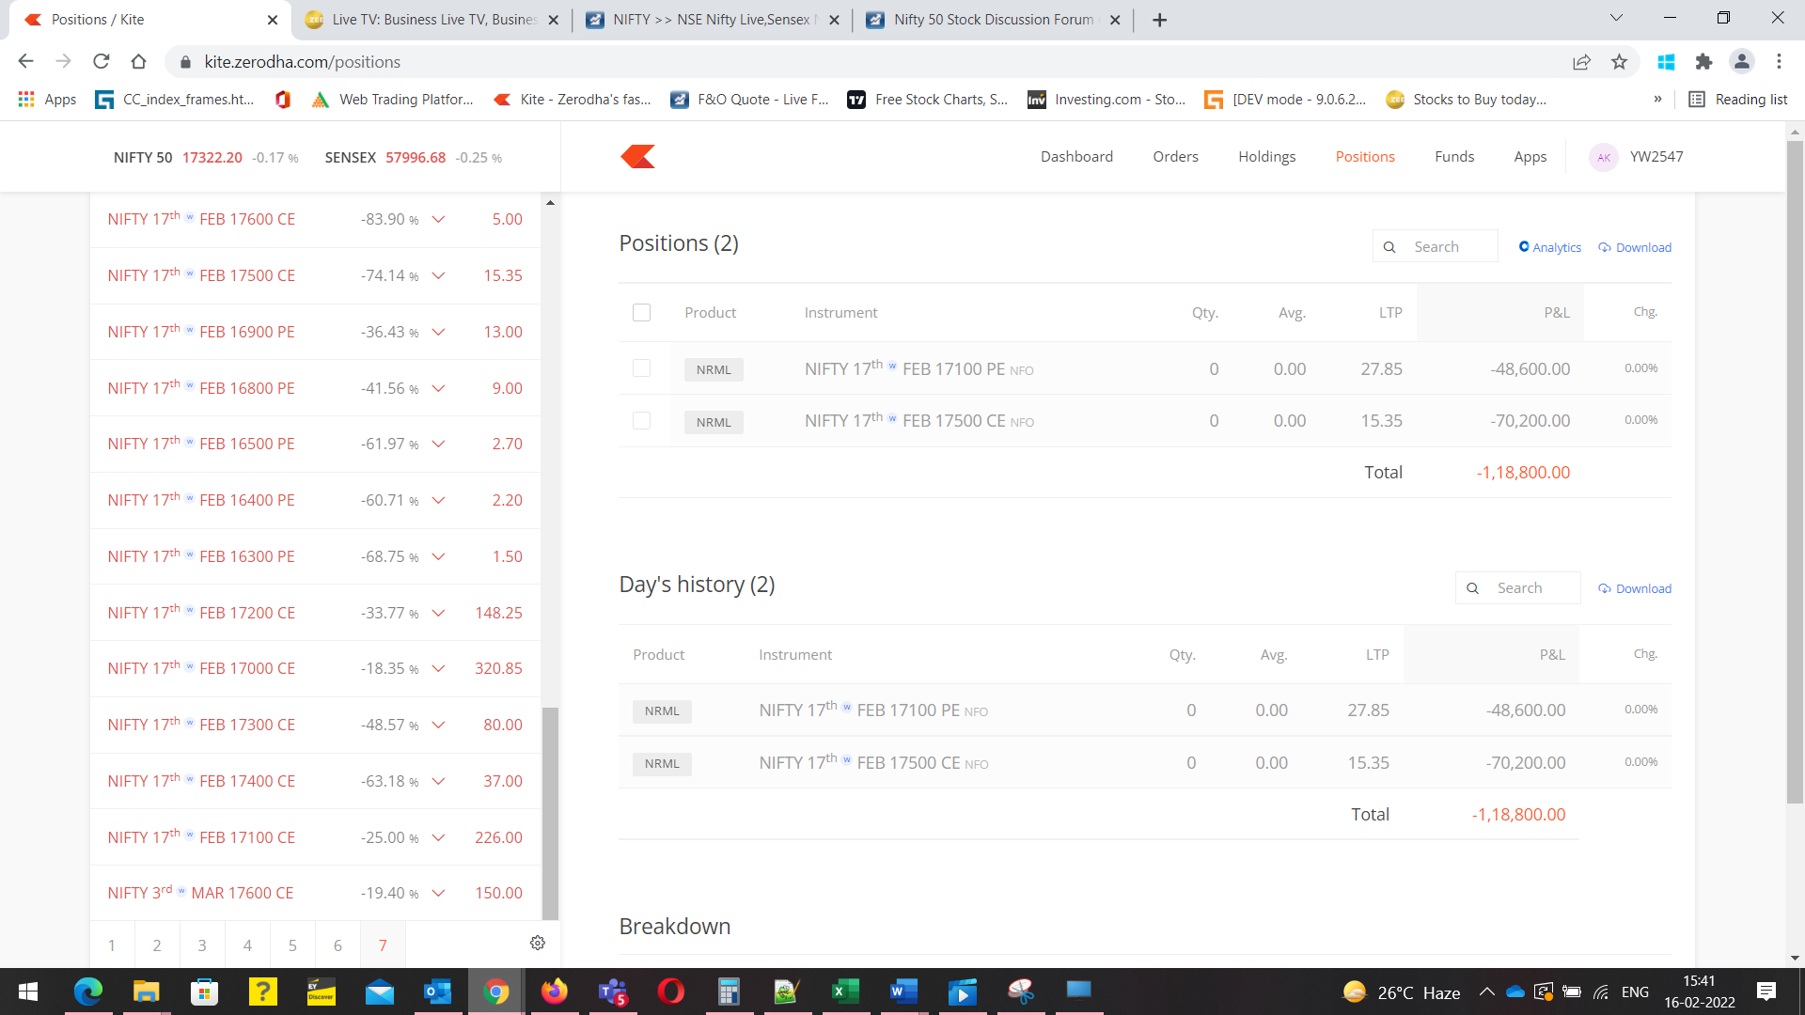

16th feb
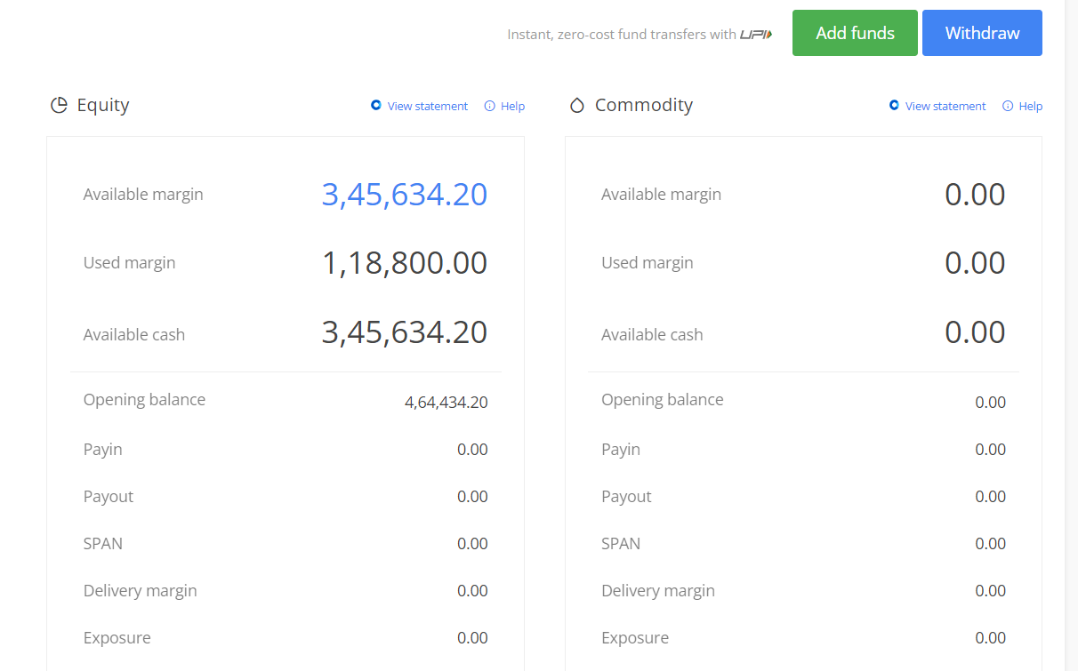

 | 16th feb

