Sheet1
num_epochs = 50
learning_rate = 0.001 |  |  |  |  |  |  |  |  |  | Tune 8 | Tune 7 | Tune 6 | Tune 5 | Tune 4 | Tune 3 | Tune 2 | Tune 1
 |  | Run 1 | Run 2 | Run 3 | Run 4 | Run 5 | Mean over 5 runs
Frozen 7 | Tune 1 | 44.03 | 38.81 | 44.78 | 41.04 | 42.54 | 42.24 |  |  | Frozen 0 | Frozen 1 | Frozen 2 | Frozen 3 | Frozen 4 | Frozen 5 | Frozen 6 | Frozen 7
Frozen 6 | Tune 2 | 47.01 | 47.76 | 45.52 | 50 | 44.03 | 46.864 |  | Run 1 | 17.16 | 17.16 | 19.4 | 46.27 | 46.27 | 47.01 | 47.01 | 44.03
Frozen 5 | Tune 3 | 47.01 | 45.52 | 45.52 | 45.52 | 49.25 | 46.564 |  | Run 2 | 17.16 | 17.91 | 26.12 | 44.03 | 46.27 | 45.52 | 47.76 | 38.81
Frozen 4 | Tune 4 | 46.27 | 46.27 | 46.27 | 47.01 | 48.51 | 46.866 |  | Run 3 | 23.13 | 17.16 | 23.88 | 39.55 | 46.27 | 45.52 | 45.52 | 44.78
Frozen 3 | Tune 5 | 46.27 | 44.03 | 39.55 | 35.82 | 48.51 | 42.836 |  | Run 4 | 14.18 | 17.16 | 23.13 | 35.82 | 47.01 | 45.52 | 50 | 41.04
Frozen 2 | Tune 6 | 19.4 | 26.12 | 23.88 | 23.13 | 27.61 | 24.028 |  | Run 5 | 17.16 | 17.16 | 27.61 | 48.51 | 48.51 | 49.25 | 44.03 | 42.54
Frozen 1 | Tune 7 | 17.16 | 17.91 | 17.16 | 17.16 | 17.16 | 17.31 |  | Mean | 17.758 | 17.31 | 24.028 | 42.836 | 46.866 | 46.564 | 46.864 | 42.24
Frozen 0 | Tune 8 | 17.16 | 17.16 | 23.13 | 14.18 | 17.16 | 17.758

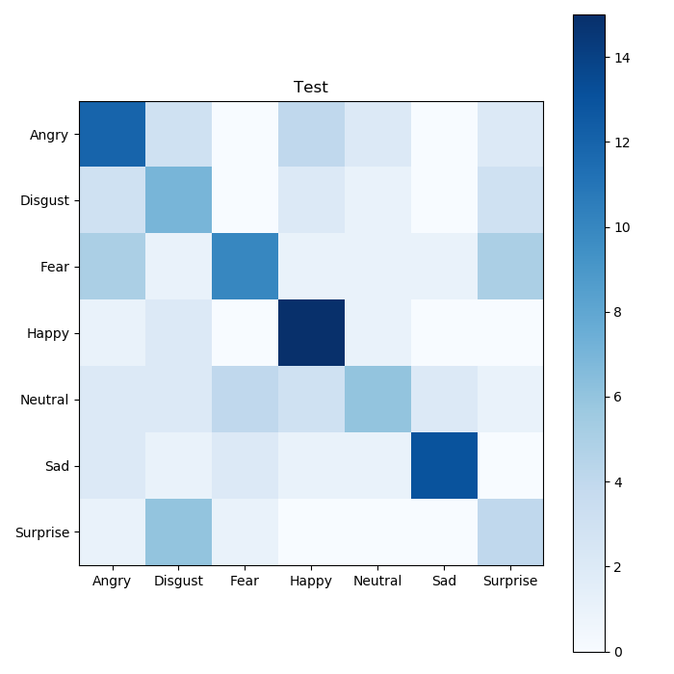
 |  |  |  |  |  |  |  |  |  |  |  |  |  |  |  |  | Tune 3 | Tune 2

 |  |  |  |  |  |  |  |  |  |  |  |  |  |  |  |  | Frozen 5 | Frozen 6
 | STD 5.0 |  |  |  |  |  |  |  |  |  |  |  |  |  |  |  | 47.01 | 47.01
 | Degree 17.5 | Degree 15 | Degree 12.5 | Degree 10 | Degree 8.5 |  |  |  |  |  |  |  |  |  |  |  | 45.52 | 47.76
Accuracy | 46.27% | 48.51% | 48.51% | 50.00% | 50.00% |  |  |  |  |  |  |  |  |  |  |  | 45.52 | 45.52
Pruned | 18 | 2 | 1 | 0 | 0 |  |  |  |  |  |  |  |  |  |  |  | 45.52 | 50
 |  |  |  |  |  |  |  |  |  |  |  |  |  |  |  |  | 49.25 | 44.03
 |  |  |  |  |  |  |  |  |  |  |  |  |  |  |  |  | 46.564 | 46.864

 | STD 4.5
 | Degree 17.5 | Degree 15 | Degree 12.5 | Degree 10 | Degree 7.5
Accuracy | 44.03% | 46.27% | 47.01% | 50.00% | 50.00%
Pruned | 25 | 23 | 4 | 0 | 0

 | STD 4.0
 | Degree 17.5 | Degree 15 | Degree 12.5 | Degree 10 | Degree 7.5
Accuracy | 47.76% | 47.01% | 46.27% | 50.00% | 50.00%
Pruned | 37 | 20 | 21 | 0 | 0

 | STD 3.5
 | Degree 17.5 | Degree 15 | Degree 12.5 | Degree 10 | Degree 7.5
Accuracy | 47.01% | 43.28% | 47.76% | 49.25% | 50.00%
Pruned | 57 | 53 | 27 | 3 | 0

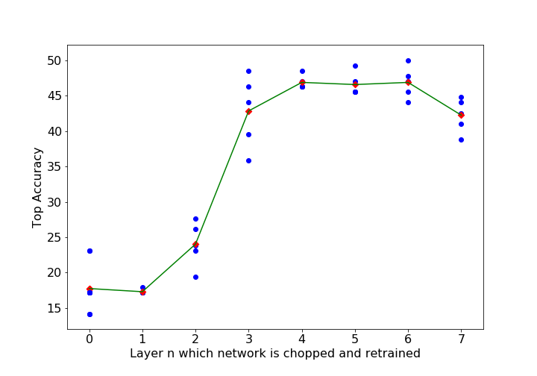
 | STD 3.0
 | Degree 17.5 | Degree 15 | Degree 12.5 | Degree 10 | Degree 7.5
Accuracy | 45.52% | 36.57% | 50.00% | 50.00% | 49.25%
Pruned | 47 | 87 | 8 | 2 | 1

 | STD 2.5
 | Degree 17.5 | Degree 15 | Degree 12.5 | Degree 10 | Degree 7.5
Accuracy | 41.79% | 47.76% | 46.27% | 49.25% | 50.00%
Pruned | 132 | 91 | 117 | 5 | 0

 | STD 2.0
 | Degree 17.5 | Degree 15 | Degree 12.5 | Degree 10 | Degree 7.5
Accuracy | 46.27% | 50.00% | 47.01% | 47.76% | 50.00%
Pruned | 203 | 175 | 100 | 20 | 3

 | STD 1.5
 | Degree 17.5 | Degree 15 | Degree 12.5 | Degree 10 | Degree 7.5
Accuracy | 34.33% | 39.55% | 50.00% | 50.75% | 50.00%
Pruned | 321 | 325 | 292 | 87 | 191

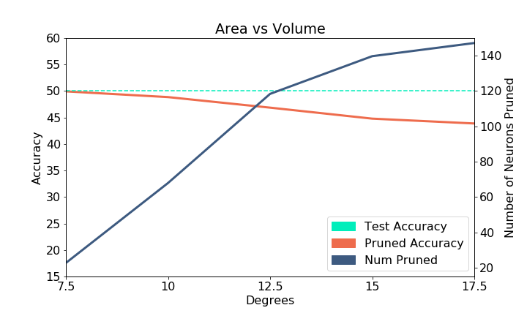
 | STD 1.0
 | Degree 17.5 | Degree 15 | Degree 12.5 | Degree 10 | Degree 7.5
Accuracy | 41.79% | 44.03% | 38.81% | 42.54% | 50.00%
Pruned | 484 | 481 | 495 | 494 | 9

Emotion | Angry | Disgust | Fear | Happy | Neutral | Sad | Surprise
Precicion | 0.46 | 0.32 | 0.59 | 0.58 | 0.5 | 0.81 | 0.27
Recall | 0.52 | 0.44 | 0.42 | 0.79 | 0.3 | 0.65 | 0.33
Specificity | 0.87 | 0.87 | 0.94 | 0.9 | 0.95 | 0.97 | 0.91

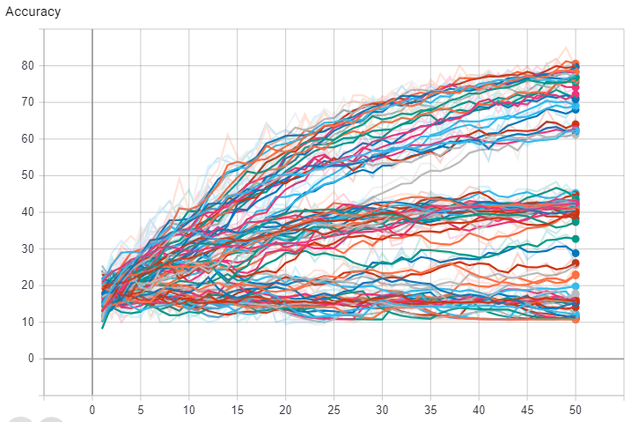

 | Degree 7.5 | Degree 10 | Degree 12.5 | Degree 15 | Degree 17.5
STD 1.0 | 50.00% | 42.54% | 38.81% | 44.03% | 41.79%
STD 1.5 | 50.00% | 50.75% | 50.00% | 39.55% | 34.33%
STD 2.0 | 50.00% | 47.76% | 47.01% | 50.00% | 46.27%
STD 2.5 | 50.00% | 49.25% | 46.27% | 47.76% | 41.79%
STD 3.0 | 49.25% | 50.00% | 50.00% | 36.57% | 45.52%
STD 3.5 | 50.00% | 49.25% | 47.76% | 43.28% | 47.01%
STD 4.0 | 50.00% | 50.00% | 46.27% | 47.01% | 47.76%
STD 4.5 | 50.00% | 50.00% | 47.01% | 46.27% | 44.03%
STD 5.0 | 50.00% | 50.00% | 48.51% | 48.51% | 46.27%
Mean | 49.92% | 48.84% | 46.85% | 44.78% | 43.86%

 | Degree 7.5 | Degree 10 | Degree 12.5 | Degree 15 | Degree 17.5
STD 1.0 | 9 | 494 | 495 | 481 | 484
STD 1.5 | 191 | 87 | 292 | 325 | 321
STD 2.0 | 3 | 20 | 100 | 175 | 203
STD 2.5 | 0 | 5 | 117 | 91 | 132
STD 3.0 | 1 | 2 | 8 | 87 | 47
STD 3.5 | 0 | 3 | 27 | 53 | 57
STD 4.0 | 0 | 0 | 21 | 20 | 37
STD 4.5 | 0 | 0 | 4 | 23 | 25
STD 5.0 | 0 | 0 | 1 | 2 | 18
Mean | 22.666666667 | 67.888888889 | 118.33333333 | 139.66666667 | 147.11111111

 | Degree 7.5 | Degree 10 | Degree 12.5 | Degree 15 | Degree 17.5
Accuracy | 49.92% | 48.84% | 46.85% | 44.78% | 43.86%
Num Pruned | 22.666666667 | 67.888888889 | 118.33333333 | 139.66666667 | 147.11111111

 |  | non pretrain
Emotion |  | Angry | Disgust | Fear | Happy | Neutral | Sad | Surprise
_________________________________________________________________
Precicion | 0.26 | 0 | 0.62 | 0.2 | 0.4 | 0.24 | 0.08
Recall |  | 0.26 | 0 | 0.21 | 0.63 | 0.1 | 0.3 | 0.08
Specificity | 0.85 | 1 | 0.97 | 0.57 | 0.97 | 0.83 | 0.91

