Sheet for A and B
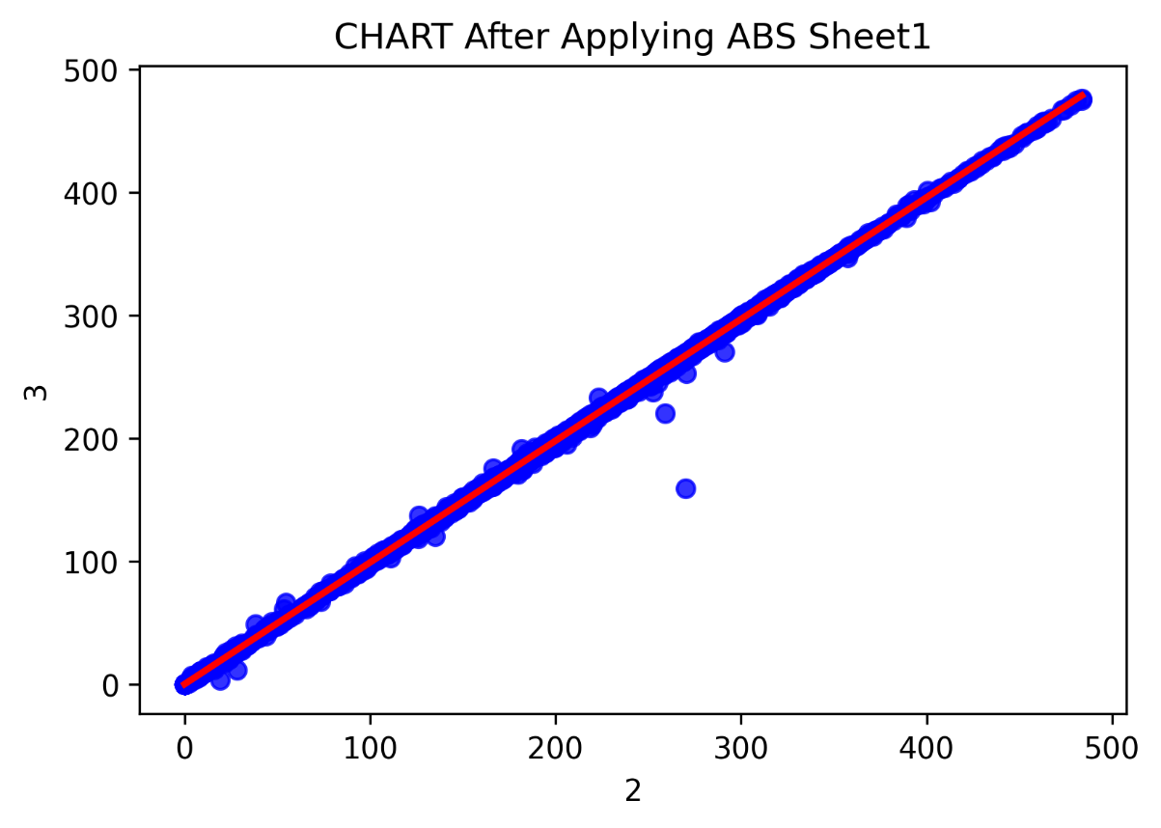
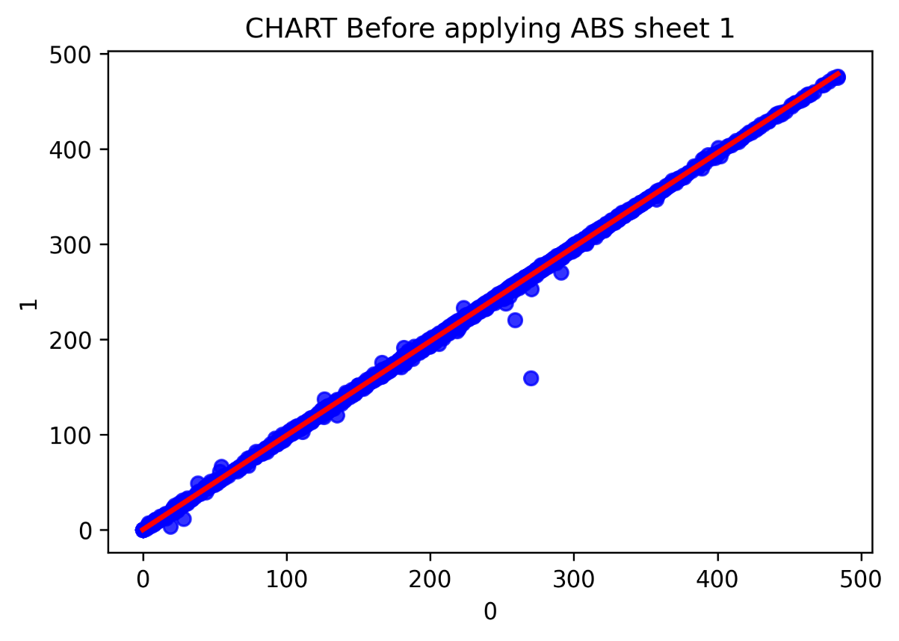
210.98183928 | 209.52729368 | 210.98183928 | 209.52729368 | 1.4545456 | 210.98183928 | 209.52729368 | 1.4545456
215.74547612 | 214.25456688 | 215.74547612 | 214.25456688 | 1.49090924 | 215.74547612 | 214.25456688 | 1.49090924
221.818204 | 220.29093112 | 221.818204 | 220.29093112 | 1.52727288 | 221.818204 | 220.29093112 | 1.52727288
221.92729492 | 220.07274928 | 221.92729492 | 220.07274928 | 1.85454564 | 221.92729492 | 220.07274928 | 1.85454564
215.74547612 | 214.03638504 | 215.74547612 | 214.03638504 | 1.70909108 | 215.74547612 | 214.03638504 | 1.70909108
230.50911396 | 229.090932 | 230.50911396 | 229.090932 | 1.41818196 | 230.50911396 | 229.090932 | 1.41818196
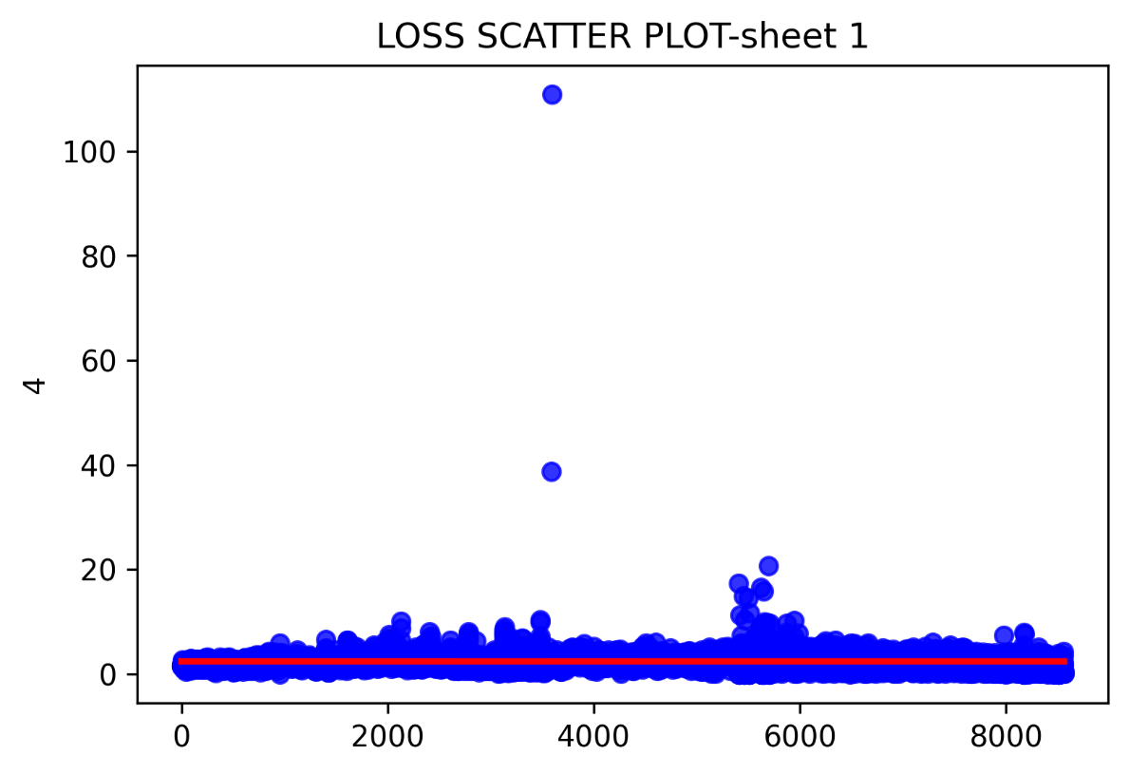
251.78184336 | 249.85457044 | 251.78184336 | 249.85457044 | 1.92727292 | 251.78184336 | 249.85457044 | 1.92727292
252.32729796 | 250.3636614 | 252.32729796 | 250.3636614 | 1.96363656 | 252.32729796 | 250.3636614 | 1.96363656
238.10911472 | 235.52729628 | 238.10911472 | 235.52729628 | 2.58181844 | 238.10911472 | 235.52729628 | 2.58181844
220.83638572 | 219.090931 | 220.83638572 | 219.090931 | 1.74545472 | 220.83638572 | 219.090931 | 1.74545472
238.3636602 | 236.76366004 | 238.3636602 | 236.76366004 | 1.60000016 | 238.3636602 | 236.76366004 | 1.60000016
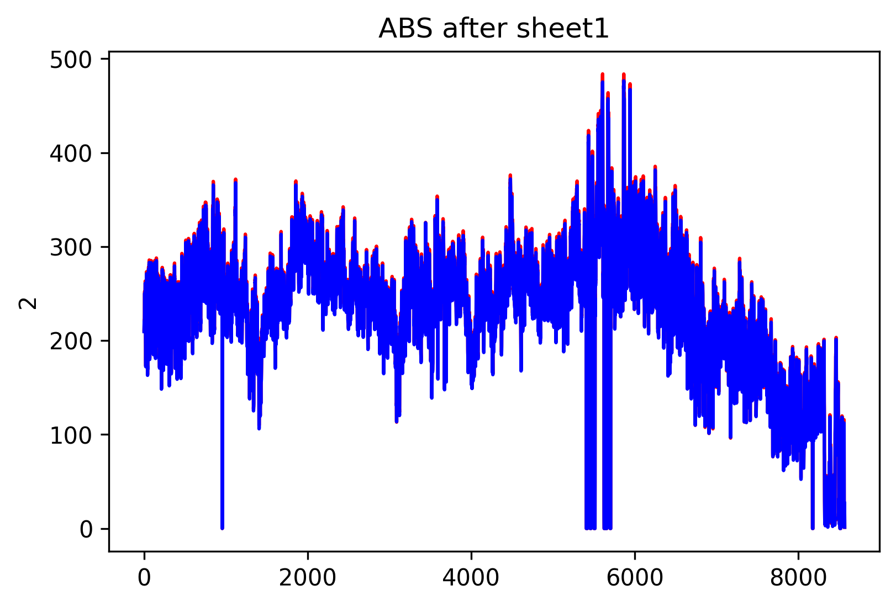
251.12729784 | 248.80002488 | 251.12729784 | 248.80002488 | 2.32727296 | 251.12729784 | 248.80002488 | 2.32727296
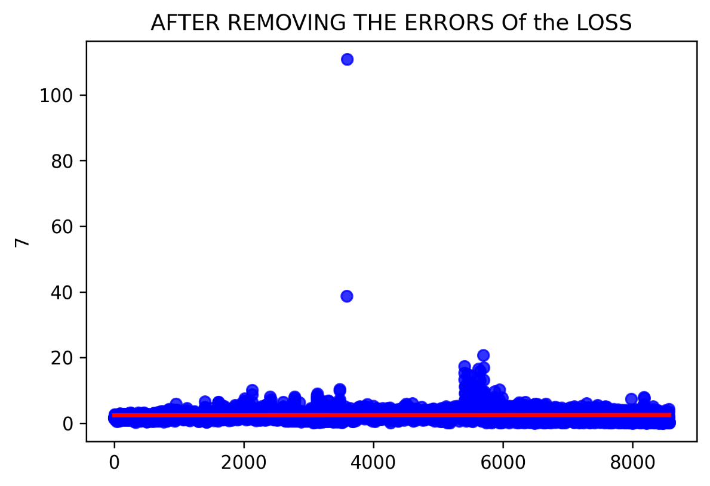
246.25457008 | 243.96366076 | 246.25457008 | 243.96366076 | 2.29090932 | 246.25457008 | 243.96366076 | 2.29090932
256.47275292 | 254.40002544 | 256.47275292 | 254.40002544 | 2.07272748 | 256.47275292 | 254.40002544 | 2.07272748
263.30911724 | 261.05457156 | 263.30911724 | 261.05457156 | 2.25454568 | 263.30911724 | 261.05457156 | 2.25454568
262.1818444 | 259.85457144 | 262.1818444 | 259.85457144 | 2.32727296 | 262.1818444 | 259.85457144 | 2.32727296
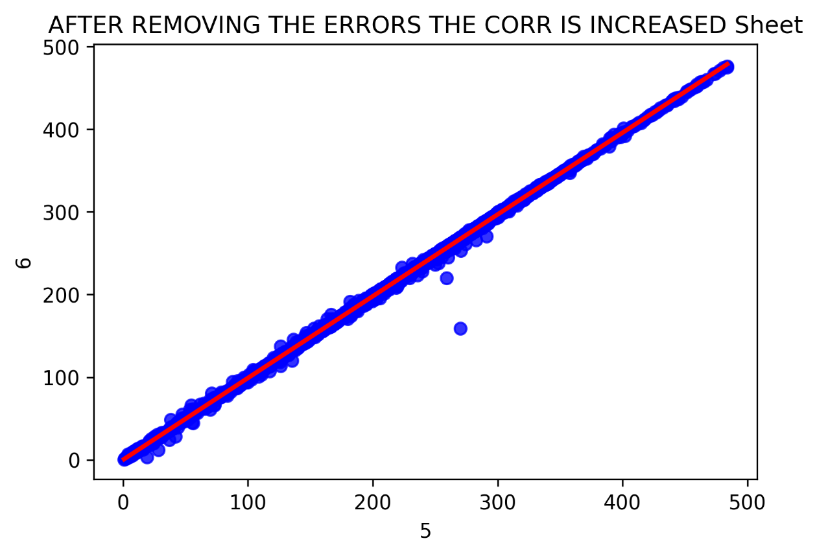
238.9091148 | 236.76366004 | 238.9091148 | 236.76366004 | 2.14545476 | 238.9091148 | 236.76366004 | 2.14545476
217.78183996 | 215.70911248 | 217.78183996 | 215.70911248 | 2.07272748 | 217.78183996 | 215.70911248 | 2.07272748

185.6363822 | 184.3636548 | 185.6363822 | 184.3636548 | 1.2727274 | 185.6363822 | 184.3636548 | 1.2727274
183.12729104 | 181.6363818 | 183.12729104 | 181.6363818 | 1.49090924 | 183.12729104 | 181.6363818 | 1.49090924
173.56365372 | 172.58183544 | 173.56365372 | 172.58183544 | 0.98181828 | 173.56365372 | 172.58183544 | 0.98181828
172.94547184 | 172.10910812 | 172.94547184 | 172.10910812 | 0.83636372 | 172.94547184 | 172.10910812 | 0.83636372
195.23638316 | 194.25456488 | 195.23638316 | 194.25456488 | 0.98181828 | 195.23638316 | 194.25456488 | 0.98181828
211.16365748 | 209.89093008 | 211.16365748 | 209.89093008 | 1.2727274 | 211.16365748 | 209.89093008 | 1.2727274
210.47274832 | 208.7272936 | 210.47274832 | 208.7272936 | 1.74545472 | 210.47274832 | 208.7272936 | 1.74545472
212.07274848 | 211.05456656 | 212.07274848 | 211.05456656 | 1.01818192 | 212.07274848 | 211.05456656 | 1.01818192
230.14547756 | 228.32729556 | 230.14547756 | 228.32729556 | 1.818182 | 230.14547756 | 228.32729556 | 1.818182
233.41820516 | 231.52729588 | 233.41820516 | 231.52729588 | 1.89090928 | 233.41820516 | 231.52729588 | 1.89090928
237.70911468 | 235.8182054 | 237.70911468 | 235.8182054 | 1.89090928 | 237.70911468 | 235.8182054 | 1.89090928
256.61820748 | 254.76366184 | 256.61820748 | 254.76366184 | 1.85454564 | 256.61820748 | 254.76366184 | 1.85454564
273.20002732 | 271.05457256 | 273.20002732 | 271.05457256 | 2.14545476 | 273.20002732 | 271.05457256 | 2.14545476
265.34548108 | 262.83638992 | 265.34548108 | 262.83638992 | 2.50909116 | 265.34548108 | 262.83638992 | 2.50909116
235.23638716 | 233.01820512 | 235.23638716 | 233.01820512 | 2.21818204 | 235.23638716 | 233.01820512 | 2.21818204
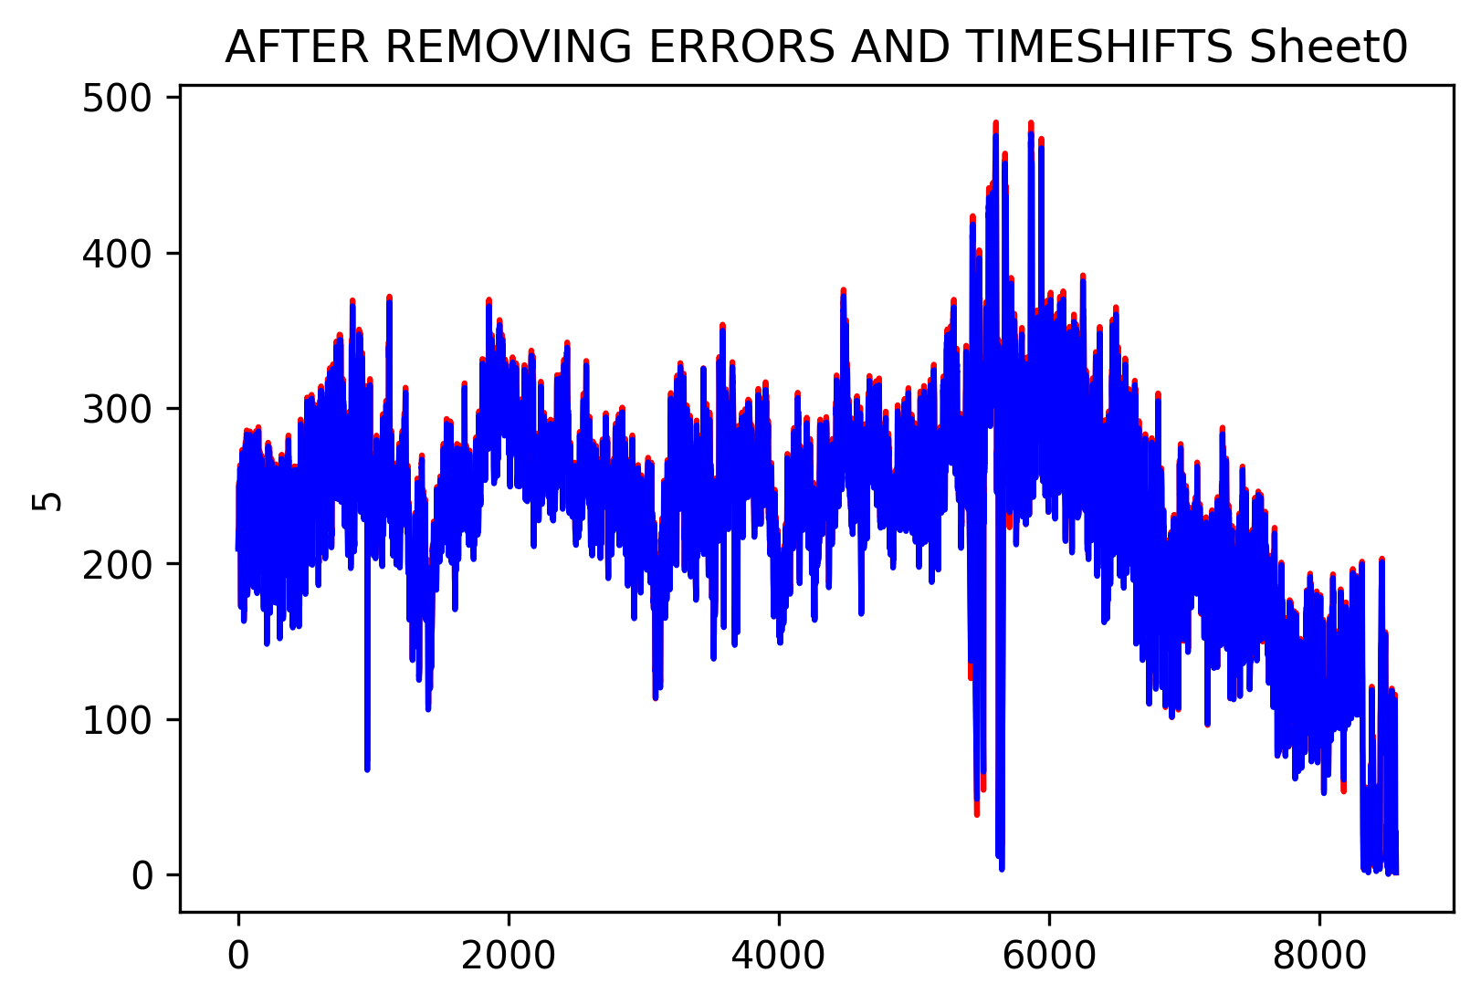
233.67275064 | 232.0000232 | 233.67275064 | 232.0000232 | 1.67272744 | 233.67275064 | 232.0000232 | 1.67272744
240.69093316 | 238.61820568 | 240.69093316 | 238.61820568 | 2.07272748 | 240.69093316 | 238.61820568 | 2.07272748
254.83638912 | 252.76366164 | 254.83638912 | 252.76366164 | 2.07272748 | 254.83638912 | 252.76366164 | 2.07272748
258.181844 | 255.85457104 | 258.181844 | 255.85457104 | 2.32727296 | 258.181844 | 255.85457104 | 2.32727296
252.9091162 | 250.87275236 | 252.9091162 | 250.87275236 | 2.03636384 | 252.9091162 | 250.87275236 | 2.03636384
246.21820644 | 244.0000244 | 246.21820644 | 244.0000244 | 2.21818204 | 246.21820644 | 244.0000244 | 2.21818204
243.2727516 | 241.12729684 | 243.2727516 | 241.12729684 | 2.14545476 | 243.2727516 | 241.12729684 | 2.14545476
222.50911316 | 220.58184024 | 222.50911316 | 220.58184024 | 1.92727292 | 222.50911316 | 220.58184024 | 1.92727292
195.38183772 | 193.4545648 | 195.38183772 | 193.4545648 | 1.92727292 | 195.38183772 | 193.4545648 | 1.92727292
163.85456184 | 163.01819812 | 163.85456184 | 163.01819812 | 0.83636372 | 163.85456184 | 163.01819812 | 0.83636372
173.01819912 | 171.96365356 | 173.01819912 | 171.96365356 | 1.05454556 | 173.01819912 | 171.96365356 | 1.05454556
170.80001708 | 169.6363806 | 170.80001708 | 169.6363806 | 1.16363648 | 170.80001708 | 169.6363806 | 1.16363648
177.272745 | 176.7272904 | 177.272745 | 176.7272904 | 0.5454546 | 177.272745 | 176.7272904 | 0.5454546
202.10911112 | 201.01820192 | 202.10911112 | 201.01820192 | 1.0909092 | 202.10911112 | 201.01820192 | 1.0909092
206.83638432 | 205.41820236 | 206.83638432 | 205.41820236 | 1.41818196 | 206.83638432 | 205.41820236 | 1.41818196
222.5454768 | 221.34547668 | 222.5454768 | 221.34547668 | 1.20000012 | 222.5454768 | 221.34547668 | 1.20000012
230.1818412 | 228.29093192 | 230.1818412 | 228.29093192 | 1.89090928 | 230.1818412 | 228.29093192 | 1.89090928
225.74547712 | 224.25456788 | 225.74547712 | 224.25456788 | 1.49090924 | 225.74547712 | 224.25456788 | 1.49090924
227.0909318 | 225.454568 | 227.0909318 | 225.454568 | 1.6363638 | 227.0909318 | 225.454568 | 1.6363638
230.5454776 | 228.7272956 | 230.5454776 | 228.7272956 | 1.818182 | 230.5454776 | 228.7272956 | 1.818182
253.70911628 | 252.43638888 | 253.70911628 | 252.43638888 | 1.2727274 | 253.70911628 | 252.43638888 | 1.2727274
276.7273004 | 274.1818456 | 276.7273004 | 274.1818456 | 2.5454548 | 276.7273004 | 274.1818456 | 2.5454548
278.29093692 | 275.96366396 | 278.29093692 | 275.96366396 | 2.32727296 | 278.29093692 | 275.96366396 | 2.32727296
260.5454806 | 258.21820764 | 260.5454806 | 258.21820764 | 2.32727296 | 260.5454806 | 258.21820764 | 2.32727296
242.47275152 | 240.47275132 | 242.47275152 | 240.47275132 | 2.0000002 | 242.47275152 | 240.47275132 | 2.0000002
251.92729792 | 250.10911592 | 251.92729792 | 250.10911592 | 1.818182 | 251.92729792 | 250.10911592 | 1.818182
270.3636634 | 268.07275408 | 270.3636634 | 268.07275408 | 2.29090932 | 270.3636634 | 268.07275408 | 2.29090932
267.20002672 | 264.80002648 | 267.20002672 | 264.80002648 | 2.40000024 | 267.20002672 | 264.80002648 | 2.40000024
283.78184656 | 281.4545736 | 283.78184656 | 281.4545736 | 2.32727296 | 283.78184656 | 281.4545736 | 2.32727296
283.41821016 | 281.01820992 | 283.41821016 | 281.01820992 | 2.40000024 | 283.41821016 | 281.01820992 | 2.40000024
285.67275584 | 283.05457376 | 285.67275584 | 283.05457376 | 2.61818208 | 285.67275584 | 283.05457376 | 2.61818208
270.14548156 | 267.52729948 | 270.14548156 | 267.52729948 | 2.61818208 | 270.14548156 | 267.52729948 | 2.61818208
225.49093164 | 222.98184048 | 225.49093164 | 222.98184048 | 2.50909116 | 225.49093164 | 222.98184048 | 2.50909116
198.76365624 | 197.60001976 | 198.76365624 | 197.60001976 | 1.16363648 | 198.76365624 | 197.60001976 | 1.16363648
208.03638444 | 206.32729336 | 208.03638444 | 206.32729336 | 1.70909108 | 208.03638444 | 206.32729336 | 1.70909108
181.20001812 | 179.85456344 | 181.20001812 | 179.85456344 | 1.34545468 | 181.20001812 | 179.85456344 | 1.34545468
181.92729092 | 181.2727454 | 181.92729092 | 181.2727454 | 0.65454552 | 181.92729092 | 181.2727454 | 0.65454552
206.25456608 | 205.38183872 | 206.25456608 | 205.38183872 | 0.87272736 | 206.25456608 | 205.38183872 | 0.87272736
226.29093172 | 224.83638612 | 226.29093172 | 224.83638612 | 1.4545456 | 226.29093172 | 224.83638612 | 1.4545456
220.07274928 | 218.3636582 | 220.07274928 | 218.3636582 | 1.70909108 | 220.07274928 | 218.3636582 | 1.70909108
208.87274816 | 207.38183892 | 208.87274816 | 207.38183892 | 1.49090924 | 208.87274816 | 207.38183892 | 1.49090924
209.6363846 | 208.3636572 | 209.6363846 | 208.3636572 | 1.2727274 | 209.6363846 | 208.3636572 | 1.2727274
207.20002072 | 205.49092964 | 207.20002072 | 205.49092964 | 1.70909108 | 207.20002072 | 205.49092964 | 1.70909108
214.32729416 | 213.16365768 | 214.32729416 | 213.16365768 | 1.16363648 | 214.32729416 | 213.16365768 | 1.16363648
252.3636616 | 251.0909342 | 252.3636616 | 251.0909342 | 1.2727274 | 252.3636616 | 251.0909342 | 1.2727274
277.74548232 | 275.41820936 | 277.74548232 | 275.41820936 | 2.32727296 | 277.74548232 | 275.41820936 | 2.32727296
277.4545732 | 275.01820932 | 277.4545732 | 275.01820932 | 2.43636388 | 277.4545732 | 275.01820932 | 2.43636388
264.58184464 | 262.07275348 | 264.58184464 | 262.07275348 | 2.50909116 | 264.58184464 | 262.07275348 | 2.50909116
250.43638868 | 248.29093392 | 250.43638868 | 248.29093392 | 2.14545476 | 250.43638868 | 248.29093392 | 2.14545476
262.43638988 | 260.61820788 | 262.43638988 | 260.61820788 | 1.818182 | 262.43638988 | 260.61820788 | 1.818182
279.74548252 | 277.01820952 | 279.74548252 | 277.01820952 | 2.727273 | 279.74548252 | 277.01820952 | 2.727273
278.43639148 | 276.0000276 | 278.43639148 | 276.0000276 | 2.43636388 | 278.43639148 | 276.0000276 | 2.43636388
278.3636642 | 275.56366392 | 278.3636642 | 275.56366392 | 2.80000028 | 278.3636642 | 275.56366392 | 2.80000028
279.2727552 | 276.87275496 | 279.2727552 | 276.87275496 | 2.40000024 | 279.2727552 | 276.87275496 | 2.40000024
285.05457396 | 282.76366464 | 285.05457396 | 282.76366464 | 2.29090932 | 285.05457396 | 282.76366464 | 2.29090932
268.32729956 | 265.41820836 | 268.32729956 | 265.41820836 | 2.9090912 | 268.32729956 | 265.41820836 | 2.9090912
232.94547784 | 230.43638668 | 232.94547784 | 230.43638668 | 2.50909116 | 232.94547784 | 230.43638668 | 2.50909116
196.5454742 | 195.0909286 | 196.5454742 | 195.0909286 | 1.4545456 | 196.5454742 | 195.0909286 | 1.4545456
209.34547548 | 207.85456624 | 209.34547548 | 207.85456624 | 1.49090924 | 209.34547548 | 207.85456624 | 1.49090924
191.78183736 | 190.3636554 | 191.78183736 | 190.3636554 | 1.41818196 | 191.78183736 | 190.3636554 | 1.41818196
188.5454734 | 187.60001876 | 188.5454734 | 187.60001876 | 0.94545464 | 188.5454734 | 187.60001876 | 0.94545464
209.8182028 | 209.09093 | 209.8182028 | 209.09093 | 0.7272728 | 209.8182028 | 209.09093 | 0.7272728
230.10911392 | 228.32729556 | 230.10911392 | 228.32729556 | 1.78181836 | 230.10911392 | 228.32729556 | 1.78181836
229.74547752 | 228.0000228 | 229.74547752 | 228.0000228 | 1.74545472 | 229.74547752 | 228.0000228 | 1.74545472
225.70911348 | 224.07274968 | 225.70911348 | 224.07274968 | 1.6363638 | 225.70911348 | 224.07274968 | 1.6363638
223.30911324 | 221.74547672 | 223.30911324 | 221.74547672 | 1.56363652 | 223.30911324 | 221.74547672 | 1.56363652
223.96365876 | 222.10911312 | 223.96365876 | 222.10911312 | 1.85454564 | 223.96365876 | 222.10911312 | 1.85454564
233.20002332 | 231.818205 | 233.20002332 | 231.818205 | 1.38181832 | 233.20002332 | 231.818205 | 1.38181832
261.89093528 | 260.29093512 | 261.89093528 | 260.29093512 | 1.60000016 | 261.89093528 | 260.29093512 | 1.60000016
278.10911872 | 275.41820936 | 278.10911872 | 275.41820936 | 2.69090936 | 278.10911872 | 275.41820936 | 2.69090936
276.80002768 | 274.25457288 | 276.80002768 | 274.25457288 | 2.5454548 | 276.80002768 | 274.25457288 | 2.5454548
259.30911684 | 257.12729844 | 259.30911684 | 257.12729844 | 2.1818184 | 259.30911684 | 257.12729844 | 2.1818184
246.25457008 | 244.07275168 | 246.25457008 | 244.07275168 | 2.1818184 | 246.25457008 | 244.07275168 | 2.1818184
250.1818432 | 248.03638844 | 250.1818432 | 248.03638844 | 2.14545476 | 250.1818432 | 248.03638844 | 2.14545476
261.60002616 | 259.2727532 | 261.60002616 | 259.2727532 | 2.32727296 | 261.60002616 | 259.2727532 | 2.32727296
251.92729792 | 249.52729768 | 251.92729792 | 249.52729768 | 2.40000024 | 251.92729792 | 249.52729768 | 2.40000024
245.30911544 | 243.12729704 | 245.30911544 | 243.12729704 | 2.1818184 | 245.30911544 | 243.12729704 | 2.1818184
248.03638844 | 245.89093368 | 248.03638844 | 245.89093368 | 2.14545476 | 248.03638844 | 245.89093368 | 2.14545476
257.38184392 | 255.454571 | 257.38184392 | 255.454571 | 1.92727292 | 257.38184392 | 255.454571 | 1.92727292
245.05456996 | 242.43638788 | 245.05456996 | 242.43638788 | 2.61818208 | 245.05456996 | 242.43638788 | 2.61818208
211.2727484 | 209.20002092 | 211.2727484 | 209.20002092 | 2.07272748 | 211.2727484 | 209.20002092 | 2.07272748
186.10910952 | 184.9091094 | 186.10910952 | 184.9091094 | 1.20000012 | 186.10910952 | 184.9091094 | 1.20000012
200.14547456 | 198.58183804 | 200.14547456 | 198.58183804 | 1.56363652 | 200.14547456 | 198.58183804 | 1.56363652
190.47274632 | 189.23638256 | 190.47274632 | 189.23638256 | 1.23636376 | 190.47274632 | 189.23638256 | 1.23636376
193.49092844 | 192.47274652 | 193.49092844 | 192.47274652 | 1.01818192 | 193.49092844 | 192.47274652 | 1.01818192
209.6363846 | 208.25456628 | 209.6363846 | 208.25456628 | 1.38181832 | 209.6363846 | 208.25456628 | 1.38181832
217.6363854 | 216.21820344 | 217.6363854 | 216.21820344 | 1.41818196 | 217.6363854 | 216.21820344 | 1.41818196
238.87275116 | 237.34547828 | 238.87275116 | 237.34547828 | 1.52727288 | 238.87275116 | 237.34547828 | 1.52727288
234.58184164 | 232.07275048 | 234.58184164 | 232.07275048 | 2.50909116 | 234.58184164 | 232.07275048 | 2.50909116
230.5454776 | 228.9091138 | 230.5454776 | 228.9091138 | 1.6363638 | 230.5454776 | 228.9091138 | 1.6363638
230.87275036 | 229.05456836 | 230.87275036 | 229.05456836 | 1.818182 | 230.87275036 | 229.05456836 | 1.818182
234.545478 | 232.76365964 | 234.545478 | 232.76365964 | 1.78181836 | 234.545478 | 232.76365964 | 1.78181836
258.9091168 | 257.34548028 | 258.9091168 | 257.34548028 | 1.56363652 | 258.9091168 | 257.34548028 | 1.56363652
282.10911912 | 279.60002796 | 282.10911912 | 279.60002796 | 2.50909116 | 282.10911912 | 279.60002796 | 2.50909116
274.87275476 | 272.21820904 | 274.87275476 | 272.21820904 | 2.65454572 | 274.87275476 | 272.21820904 | 2.65454572
250.03638864 | 247.38184292 | 250.03638864 | 247.38184292 | 2.65454572 | 250.03638864 | 247.38184292 | 2.65454572
244.47275172 | 242.83638792 | 244.47275172 | 242.83638792 | 1.6363638 | 244.47275172 | 242.83638792 | 1.6363638
257.05457116 | 255.2727528 | 257.05457116 | 255.2727528 | 1.78181836 | 257.05457116 | 255.2727528 | 1.78181836
279.01820972 | 276.363664 | 279.01820972 | 276.363664 | 2.65454572 | 279.01820972 | 276.363664 | 2.65454572
285.23639216 | 283.05457376 | 285.23639216 | 283.05457376 | 2.1818184 | 285.23639216 | 283.05457376 | 2.1818184
284.65457392 | 281.89093728 | 284.65457392 | 281.89093728 | 2.76363664 | 284.65457392 | 281.89093728 | 2.76363664
278.40002784 | 275.96366396 | 278.40002784 | 275.96366396 | 2.43636388 | 278.40002784 | 275.96366396 | 2.43636388
268.61820868 | 266.0000266 | 268.61820868 | 266.0000266 | 2.61818208 | 268.61820868 | 266.0000266 | 2.61818208
257.89093488 | 255.60002556 | 257.89093488 | 255.60002556 | 2.29090932 | 257.89093488 | 255.60002556 | 2.29090932
224.76365884 | 222.43638588 | 224.76365884 | 222.43638588 | 2.32727296 | 224.76365884 | 222.43638588 | 2.32727296
184.61820028 | 183.20001832 | 184.61820028 | 183.20001832 | 1.41818196 | 184.61820028 | 183.20001832 | 1.41818196
186.40001864 | 184.83638212 | 186.40001864 | 184.83638212 | 1.56363652 | 186.40001864 | 184.83638212 | 1.56363652
181.8182 | 180.94547264 | 181.8182 | 180.94547264 | 0.87272736 | 181.8182 | 180.94547264 | 0.87272736
188.50910976 | 187.38183692 | 188.50910976 | 187.38183692 | 1.12727284 | 188.50910976 | 187.38183692 | 1.12727284
208.32729356 | 207.34547528 | 208.32729356 | 207.34547528 | 0.98181828 | 208.32729356 | 207.34547528 | 0.98181828
226.1818408 | 224.58184064 | 226.1818408 | 224.58184064 | 1.60000016 | 226.1818408 | 224.58184064 | 1.60000016
238.61820568 | 236.87275096 | 238.61820568 | 236.87275096 | 1.74545472 | 238.61820568 | 236.87275096 | 1.74545472
239.8182058 | 237.96366016 | 239.8182058 | 237.96366016 | 1.85454564 | 239.8182058 | 237.96366016 | 1.85454564
235.23638716 | 233.30911424 | 235.23638716 | 233.30911424 | 1.92727292 | 235.23638716 | 233.30911424 | 1.92727292
228.181841 | 226.61820448 | 228.181841 | 226.61820448 | 1.56363652 | 228.181841 | 226.61820448 | 1.56363652
241.05456956 | 239.34547848 | 241.05456956 | 239.34547848 | 1.70909108 | 241.05456956 | 239.34547848 | 1.70909108
268.94548144 | 267.34548128 | 268.94548144 | 267.34548128 | 1.60000016 | 268.94548144 | 267.34548128 | 1.60000016
287.8182106 | 285.05457396 | 287.8182106 | 285.05457396 | 2.76363664 | 287.8182106 | 285.05457396 | 2.76363664
275.0909366 | 272.58184544 | 275.0909366 | 272.58184544 | 2.50909116 | 275.0909366 | 272.58184544 | 2.50909116
255.67275284 | 253.16366168 | 255.67275284 | 253.16366168 | 2.50909116 | 255.67275284 | 253.16366168 | 2.50909116
245.52729728 | 243.74547892 | 245.52729728 | 243.74547892 | 1.78181836 | 245.52729728 | 243.74547892 | 1.78181836
256.94548024 | 255.05457096 | 256.94548024 | 255.05457096 | 1.89090928 | 256.94548024 | 255.05457096 | 1.89090928
260.61820788 | 258.5454804 | 260.61820788 | 258.5454804 | 2.07272748 | 260.61820788 | 258.5454804 | 2.07272748
265.2727538 | 262.76366264 | 265.2727538 | 262.76366264 | 2.50909116 | 265.2727538 | 262.76366264 | 2.50909116
266.87275396 | 264.9091174 | 266.87275396 | 264.9091174 | 1.96363656 | 266.87275396 | 264.9091174 | 1.96363656
269.41820876 | 266.69093576 | 269.41820876 | 266.69093576 | 2.727273 | 269.41820876 | 266.69093576 | 2.727273
272.21820904 | 269.70911788 | 272.21820904 | 269.70911788 | 2.50909116 | 272.21820904 | 269.70911788 | 2.50909116
263.60002636 | 261.56366252 | 263.60002636 | 261.56366252 | 2.03636384 | 263.60002636 | 261.56366252 | 2.03636384
248.3636612 | 245.78184276 | 248.3636612 | 245.78184276 | 2.58181844 | 248.3636612 | 245.78184276 | 2.58181844
203.30911124 | 201.60002016 | 203.30911124 | 201.60002016 | 1.70909108 | 203.30911124 | 201.60002016 | 1.70909108
203.49092944 | 202.21820204 | 203.49092944 | 202.21820204 | 1.2727274 | 203.49092944 | 202.21820204 | 1.2727274
195.92729232 | 194.69092856 | 195.92729232 | 194.69092856 | 1.23636376 | 195.92729232 | 194.69092856 | 1.23636376
201.2727474 | 199.85456544 | 201.2727474 | 199.85456544 | 1.41818196 | 201.2727474 | 199.85456544 | 1.41818196
211.818203 | 210.94547564 | 211.818203 | 210.94547564 | 0.87272736 | 211.818203 | 210.94547564 | 0.87272736
230.40002304 | 228.47275012 | 230.40002304 | 228.47275012 | 1.92727292 | 230.40002304 | 228.47275012 | 1.92727292
220.47274932 | 219.01820372 | 220.47274932 | 219.01820372 | 1.4545456 | 220.47274932 | 219.01820372 | 1.4545456
212.94547584 | 211.01820292 | 212.94547584 | 211.01820292 | 1.92727292 | 212.94547584 | 211.01820292 | 1.92727292
208.03638444 | 206.76365704 | 208.03638444 | 206.76365704 | 1.2727274 | 208.03638444 | 206.76365704 | 1.2727274
211.49093024 | 210.07274828 | 211.49093024 | 210.07274828 | 1.41818196 | 211.49093024 | 210.07274828 | 1.41818196
217.4545672 | 216.40002164 | 217.4545672 | 216.40002164 | 1.05454556 | 217.4545672 | 216.40002164 | 1.05454556
245.89093368 | 244.7272972 | 245.89093368 | 244.7272972 | 1.16363648 | 245.89093368 | 244.7272972 | 1.16363648
269.49093604 | 266.94548124 | 269.49093604 | 266.94548124 | 2.5454548 | 269.49093604 | 266.94548124 | 2.5454548
261.60002616 | 259.2727532 | 261.60002616 | 259.2727532 | 2.32727296 | 261.60002616 | 259.2727532 | 2.32727296
244.32729716 | 242.32729696 | 244.32729716 | 242.32729696 | 2.0000002 | 244.32729716 | 242.32729696 | 2.0000002
237.70911468 | 235.8182054 | 237.70911468 | 235.8182054 | 1.89090928 | 237.70911468 | 235.8182054 | 1.89090928
242.76366064 | 240.98184228 | 242.76366064 | 240.98184228 | 1.78181836 | 242.76366064 | 240.98184228 | 1.78181836
258.5454804 | 256.50911656 | 258.5454804 | 256.50911656 | 2.03636384 | 258.5454804 | 256.50911656 | 2.03636384
252.10911612 | 249.4545704 | 252.10911612 | 249.4545704 | 2.65454572 | 252.10911612 | 249.4545704 | 2.65454572
250.29093412 | 248.47275212 | 250.29093412 | 248.47275212 | 1.818182 | 250.29093412 | 248.47275212 | 1.818182
255.05457096 | 253.0909344 | 255.05457096 | 253.0909344 | 1.96363656 | 255.05457096 | 253.0909344 | 1.96363656
257.96366216 | 255.52729828 | 257.96366216 | 255.52729828 | 2.43636388 | 257.96366216 | 255.52729828 | 2.43636388
241.41820596 | 239.60002396 | 241.41820596 | 239.60002396 | 1.818182 | 241.41820596 | 239.60002396 | 1.818182
225.20002252 | 222.58184044 | 225.20002252 | 222.58184044 | 2.61818208 | 225.20002252 | 222.58184044 | 2.61818208
181.30910904 | 180.07274528 | 181.30910904 | 180.07274528 | 1.23636376 | 181.30910904 | 180.07274528 | 1.23636376
184.98183668 | 183.38183652 | 184.98183668 | 183.38183652 | 1.60000016 | 184.98183668 | 183.38183652 | 1.60000016
175.52729028 | 174.21819924 | 175.52729028 | 174.21819924 | 1.30909104 | 175.52729028 | 174.21819924 | 1.30909104
171.818199 | 170.65456252 | 171.818199 | 170.65456252 | 1.16363648 | 171.818199 | 170.65456252 | 1.16363648
187.34547328 | 186.40001864 | 187.34547328 | 186.40001864 | 0.94545464 | 187.34547328 | 186.40001864 | 0.94545464
209.41820276 | 208.07274808 | 209.41820276 | 208.07274808 | 1.34545468 | 209.41820276 | 208.07274808 | 1.34545468
211.23638476 | 209.56365732 | 211.23638476 | 209.56365732 | 1.67272744 | 211.23638476 | 209.56365732 | 1.67272744
205.56365692 | 203.74547492 | 205.56365692 | 203.74547492 | 1.818182 | 205.56365692 | 203.74547492 | 1.818182
191.89092828 | 190.32729176 | 191.89092828 | 190.32729176 | 1.56363652 | 191.89092828 | 190.32729176 | 1.56363652
192.87274656 | 191.67274644 | 192.87274656 | 191.67274644 | 1.20000012 | 192.87274656 | 191.67274644 | 1.20000012
204.545475 | 203.23638396 | 204.545475 | 203.23638396 | 1.30909104 | 204.545475 | 203.23638396 | 1.30909104
241.23638776 | 240.25456948 | 241.23638776 | 240.25456948 | 0.98181828 | 241.23638776 | 240.25456948 | 0.98181828
262.58184444 | 260.10911692 | 262.58184444 | 260.10911692 | 2.47272752 | 262.58184444 | 260.10911692 | 2.47272752
259.74548052 | 257.49093484 | 259.74548052 | 257.49093484 | 2.25454568 | 259.74548052 | 257.49093484 | 2.25454568
234.87275076 | 232.14547776 | 234.87275076 | 232.14547776 | 2.727273 | 234.87275076 | 232.14547776 | 2.727273
219.70911288 | 218.25456728 | 219.70911288 | 218.25456728 | 1.4545456 | 219.70911288 | 218.25456728 | 1.4545456
235.16365988 | 233.4545688 | 235.16365988 | 233.4545688 | 1.70909108 | 235.16365988 | 233.4545688 | 1.70909108
248.65457032 | 246.40002464 | 248.65457032 | 246.40002464 | 2.25454568 | 248.65457032 | 246.40002464 | 2.25454568
238.61820568 | 236.40002364 | 238.61820568 | 236.40002364 | 2.21818204 | 238.61820568 | 236.40002364 | 2.21818204
240.94547864 | 238.76366024 | 240.94547864 | 238.76366024 | 2.1818184 | 240.94547864 | 238.76366024 | 2.1818184
241.2727514 | 239.38184212 | 241.2727514 | 239.38184212 | 1.89090928 | 241.2727514 | 239.38184212 | 1.89090928
243.60002436 | 241.12729684 | 243.60002436 | 241.12729684 | 2.47272752 | 243.60002436 | 241.12729684 | 2.47272752
223.20002232 | 221.23638576 | 223.20002232 | 221.23638576 | 1.96363656 | 223.20002232 | 221.23638576 | 1.96363656
204.43638408 | 202.61820208 | 204.43638408 | 202.61820208 | 1.818182 | 204.43638408 | 202.61820208 | 1.818182
185.454564 | 183.60001836 | 185.454564 | 183.60001836 | 1.85454564 | 185.454564 | 183.60001836 | 1.85454564
166.40001664 | 164.87274376 | 166.40001664 | 164.87274376 | 1.52727288 | 166.40001664 | 164.87274376 | 1.52727288
149.2727422 | 148.29092392 | 149.2727422 | 148.29092392 | 0.98181828 | 149.2727422 | 148.29092392 | 0.98181828
165.67274384 | 164.83638012 | 165.67274384 | 164.83638012 | 0.83636372 | 165.67274384 | 164.83638012 | 0.83636372
188.21820064 | 187.34547328 | 188.21820064 | 187.34547328 | 0.87272736 | 188.21820064 | 187.34547328 | 0.87272736
202.21820204 | 200.5454746 | 202.21820204 | 200.5454746 | 1.67272744 | 202.21820204 | 200.5454746 | 1.67272744
206.58183884 | 204.94547504 | 206.58183884 | 204.94547504 | 1.6363638 | 206.58183884 | 204.94547504 | 1.6363638
202.98183848 | 201.4545656 | 202.98183848 | 201.4545656 | 1.52727288 | 202.98183848 | 201.4545656 | 1.52727288
202.10911112 | 200.47274732 | 202.10911112 | 200.47274732 | 1.6363638 | 202.10911112 | 200.47274732 | 1.6363638
200.47274732 | 199.12729264 | 200.47274732 | 199.12729264 | 1.34545468 | 200.47274732 | 199.12729264 | 1.34545468
209.12729364 | 207.96365716 | 209.12729364 | 207.96365716 | 1.16363648 | 209.12729364 | 207.96365716 | 1.16363648
247.70911568 | 246.14547916 | 247.70911568 | 246.14547916 | 1.56363652 | 247.70911568 | 246.14547916 | 1.56363652
277.78184596 | 275.41820936 | 277.78184596 | 275.41820936 | 2.3636366 | 277.78184596 | 275.41820936 | 2.3636366
268.80002688 | 266.14548116 | 268.80002688 | 266.14548116 | 2.65454572 | 268.80002688 | 266.14548116 | 2.65454572
248.21820664 | 245.78184276 | 248.21820664 | 245.78184276 | 2.43636388 | 248.21820664 | 245.78184276 | 2.43636388
246.61820648 | 244.94547904 | 246.61820648 | 244.94547904 | 1.67272744 | 246.61820648 | 244.94547904 | 1.67272744
261.38184432 | 259.23638956 | 261.38184432 | 259.23638956 | 2.14545476 | 261.38184432 | 259.23638956 | 2.14545476
270.61820888 | 268.03639044 | 270.61820888 | 268.03639044 | 2.58181844 | 270.61820888 | 268.03639044 | 2.58181844
259.4545714 | 256.98184388 | 259.4545714 | 256.98184388 | 2.47272752 | 259.4545714 | 256.98184388 | 2.47272752
262.83638992 | 260.32729876 | 262.83638992 | 260.32729876 | 2.50909116 | 262.83638992 | 260.32729876 | 2.50909116
269.67275424 | 267.23639036 | 269.67275424 | 267.23639036 | 2.43636388 | 269.67275424 | 267.23639036 | 2.43636388
274.9091184 | 272.21820904 | 274.9091184 | 272.21820904 | 2.69090936 | 274.9091184 | 272.21820904 | 2.69090936
267.56366312 | 265.30911744 | 267.56366312 | 265.30911744 | 2.25454568 | 267.56366312 | 265.30911744 | 2.25454568
235.60002356 | 232.5454778 | 235.60002356 | 232.5454778 | 3.05454576 | 235.60002356 | 232.5454778 | 3.05454576
185.41820036 | 183.52729108 | 185.41820036 | 183.52729108 | 1.89090928 | 185.41820036 | 183.52729108 | 1.89090928
189.2727462 | 187.4545642 | 189.2727462 | 187.4545642 | 1.818182 | 189.2727462 | 187.4545642 | 1.818182
169.70910788 | 168.21819864 | 169.70910788 | 168.21819864 | 1.49090924 | 169.70910788 | 168.21819864 | 1.49090924
179.52729068 | 178.47274512 | 179.52729068 | 178.47274512 | 1.05454556 | 179.52729068 | 178.47274512 | 1.05454556
203.49092944 | 202.5454748 | 203.49092944 | 202.5454748 | 0.94545464 | 203.49092944 | 202.5454748 | 0.94545464
221.78184036 | 219.78184016 | 221.78184036 | 219.78184016 | 2.0000002 | 221.78184036 | 219.78184016 | 2.0000002
220.47274932 | 218.83638552 | 220.47274932 | 218.83638552 | 1.6363638 | 220.47274932 | 218.83638552 | 1.6363638
216.43638528 | 214.76365784 | 216.43638528 | 214.76365784 | 1.67272744 | 216.43638528 | 214.76365784 | 1.67272744
206.43638428 | 204.545475 | 206.43638428 | 204.545475 | 1.89090928 | 206.43638428 | 204.545475 | 1.89090928
202.10911112 | 200.7272928 | 202.10911112 | 200.7272928 | 1.38181832 | 202.10911112 | 200.7272928 | 1.38181832
213.70911228 | 212.1818394 | 213.70911228 | 212.1818394 | 1.52727288 | 213.70911228 | 212.1818394 | 1.52727288
244.21820624 | 242.76366064 | 244.21820624 | 242.76366064 | 1.4545456 | 244.21820624 | 242.76366064 | 1.4545456
267.49093584 | 265.16366288 | 267.49093584 | 265.16366288 | 2.32727296 | 267.49093584 | 265.16366288 | 2.32727296
260.43638968 | 258.0000258 | 260.43638968 | 258.0000258 | 2.43636388 | 260.43638968 | 258.0000258 | 2.43636388
239.52729668 | 237.01820552 | 239.52729668 | 237.01820552 | 2.50909116 | 239.52729668 | 237.01820552 | 2.50909116
236.43638728 | 234.87275076 | 236.43638728 | 234.87275076 | 1.56363652 | 236.43638728 | 234.87275076 | 1.56363652
244.58184264 | 242.25456968 | 244.58184264 | 242.25456968 | 2.32727296 | 244.58184264 | 242.25456968 | 2.32727296
256.61820748 | 255.05457096 | 256.61820748 | 255.05457096 | 1.56363652 | 256.61820748 | 255.05457096 | 1.56363652
255.34548008 | 252.1818434 | 255.34548008 | 252.1818434 | 3.16363668 | 255.34548008 | 252.1818434 | 3.16363668
243.38184252 | 241.16366048 | 243.38184252 | 241.16366048 | 2.21818204 | 243.38184252 | 241.16366048 | 2.21818204
255.8182074 | 253.85457084 | 255.8182074 | 253.85457084 | 1.96363656 | 255.8182074 | 253.85457084 | 1.96363656
254.80002548 | 252.32729796 | 254.80002548 | 252.32729796 | 2.47272752 | 254.80002548 | 252.32729796 | 2.47272752
230.7272958 | 228.5454774 | 230.7272958 | 228.5454774 | 2.1818184 | 230.7272958 | 228.5454774 | 2.1818184
214.58183964 | 212.25456668 | 214.58183964 | 212.25456668 | 2.32727296 | 214.58183964 | 212.25456668 | 2.32727296
176.87274496 | 175.20001752 | 176.87274496 | 175.20001752 | 1.67272744 | 176.87274496 | 175.20001752 | 1.67272744
183.78183656 | 182.61820008 | 183.78183656 | 182.61820008 | 1.16363648 | 183.78183656 | 182.61820008 | 1.16363648
179.89092708 | 178.83638152 | 179.89092708 | 178.83638152 | 1.05454556 | 179.89092708 | 178.83638152 | 1.05454556
179.34547248 | 178.0000178 | 179.34547248 | 178.0000178 | 1.34545468 | 179.34547248 | 178.0000178 | 1.34545468
188.07274608 | 187.0909278 | 188.07274608 | 187.0909278 | 0.98181828 | 188.07274608 | 187.0909278 | 0.98181828
212.14547576 | 210.87274836 | 212.14547576 | 210.87274836 | 1.2727274 | 212.14547576 | 210.87274836 | 1.2727274
225.96365896 | 224.3636588 | 225.96365896 | 224.3636588 | 1.60000016 | 225.96365896 | 224.3636588 | 1.60000016
223.89093148 | 221.89093128 | 223.89093148 | 221.89093128 | 2.0000002 | 223.89093148 | 221.89093128 | 2.0000002
215.38183972 | 213.636385 | 215.38183972 | 213.636385 | 1.74545472 | 215.38183972 | 213.636385 | 1.74545472
204.545475 | 202.94547484 | 204.545475 | 202.94547484 | 1.60000016 | 204.545475 | 202.94547484 | 1.60000016
210.3636574 | 208.94547544 | 210.3636574 | 208.94547544 | 1.41818196 | 210.3636574 | 208.94547544 | 1.41818196
237.60002376 | 236.21820544 | 237.60002376 | 236.21820544 | 1.38181832 | 237.60002376 | 236.21820544 | 1.38181832
259.70911688 | 257.52729848 | 259.70911688 | 257.52729848 | 2.1818184 | 259.70911688 | 257.52729848 | 2.1818184
253.41820716 | 251.01820692 | 253.41820716 | 251.01820692 | 2.40000024 | 253.41820716 | 251.01820692 | 2.40000024
237.41820556 | 235.49093264 | 237.41820556 | 235.49093264 | 1.92727292 | 237.41820556 | 235.49093264 | 1.92727292
255.20002552 | 252.94547984 | 255.20002552 | 252.94547984 | 2.25454568 | 255.20002552 | 252.94547984 | 2.25454568
253.0909344 | 250.87275236 | 253.0909344 | 250.87275236 | 2.21818204 | 253.0909344 | 250.87275236 | 2.21818204
254.3636618 | 251.89093428 | 254.3636618 | 251.89093428 | 2.47272752 | 254.3636618 | 251.89093428 | 2.47272752
247.41820656 | 245.16366088 | 247.41820656 | 245.16366088 | 2.25454568 | 247.41820656 | 245.16366088 | 2.25454568
256.94548024 | 254.58184364 | 256.94548024 | 254.58184364 | 2.3636366 | 256.94548024 | 254.58184364 | 2.3636366
257.01820752 | 254.87275276 | 257.01820752 | 254.87275276 | 2.14545476 | 257.01820752 | 254.87275276 | 2.14545476
263.89093548 | 261.49093524 | 263.89093548 | 261.49093524 | 2.40000024 | 263.89093548 | 261.49093524 | 2.40000024
261.12729884 | 258.87275316 | 261.12729884 | 258.87275316 | 2.25454568 | 261.12729884 | 258.87275316 | 2.25454568
220.94547664 | 218.03638544 | 220.94547664 | 218.03638544 | 2.9090912 | 220.94547664 | 218.03638544 | 2.9090912
176.1818358 | 174.7272902 | 176.1818358 | 174.7272902 | 1.4545456 | 176.1818358 | 174.7272902 | 1.4545456
190.03638264 | 188.65456432 | 190.03638264 | 188.65456432 | 1.38181832 | 190.03638264 | 188.65456432 | 1.38181832
178.21819964 | 176.61819948 | 178.21819964 | 176.61819948 | 1.60000016 | 178.21819964 | 176.61819948 | 1.60000016
176.9091086 | 175.92729032 | 176.9091086 | 175.92729032 | 0.98181828 | 176.9091086 | 175.92729032 | 0.98181828
195.20001952 | 194.21820124 | 195.20001952 | 194.21820124 | 0.98181828 | 195.20001952 | 194.21820124 | 0.98181828
209.6363846 | 207.89092988 | 209.6363846 | 207.89092988 | 1.74545472 | 209.6363846 | 207.89092988 | 1.74545472
219.05456736 | 217.52729448 | 219.05456736 | 217.52729448 | 1.52727288 | 219.05456736 | 217.52729448 | 1.52727288
222.40002224 | 220.65456752 | 222.40002224 | 220.65456752 | 1.74545472 | 222.40002224 | 220.65456752 | 1.74545472
210.1818392 | 208.40002084 | 210.1818392 | 208.40002084 | 1.78181836 | 210.1818392 | 208.40002084 | 1.78181836
210.1818392 | 208.5454754 | 210.1818392 | 208.5454754 | 1.6363638 | 210.1818392 | 208.5454754 | 1.6363638
213.20002132 | 211.60002116 | 213.20002132 | 211.60002116 | 1.60000016 | 213.20002132 | 211.60002116 | 1.60000016
230.58184124 | 229.23638656 | 230.58184124 | 229.23638656 | 1.34545468 | 230.58184124 | 229.23638656 | 1.34545468
252.9091162 | 250.94547964 | 252.9091162 | 250.94547964 | 1.96363656 | 252.9091162 | 250.94547964 | 1.96363656
251.78184336 | 249.60002496 | 251.78184336 | 249.60002496 | 2.1818184 | 251.78184336 | 249.60002496 | 2.1818184
237.30911464 | 234.87275076 | 237.30911464 | 234.87275076 | 2.43636388 | 237.30911464 | 234.87275076 | 2.43636388
230.47275032 | 228.29093192 | 230.47275032 | 228.29093192 | 2.1818184 | 230.47275032 | 228.29093192 | 2.1818184
234.545478 | 232.98184148 | 234.545478 | 232.98184148 | 1.56363652 | 234.545478 | 232.98184148 | 1.56363652
238.25456928 | 235.92729632 | 238.25456928 | 235.92729632 | 2.32727296 | 238.25456928 | 235.92729632 | 2.32727296
230.909114 | 228.7272956 | 230.909114 | 228.7272956 | 2.1818184 | 230.909114 | 228.7272956 | 2.1818184
241.23638776 | 239.30911484 | 241.23638776 | 239.30911484 | 1.92727292 | 241.23638776 | 239.30911484 | 1.92727292
253.38184352 | 251.56366152 | 253.38184352 | 251.56366152 | 1.818182 | 253.38184352 | 251.56366152 | 1.818182
261.05457156 | 258.58184404 | 261.05457156 | 258.58184404 | 2.47272752 | 261.05457156 | 258.58184404 | 2.47272752
252.0000252 | 249.41820676 | 252.0000252 | 249.41820676 | 2.58181844 | 252.0000252 | 249.41820676 | 2.58181844
223.30911324 | 220.98184028 | 223.30911324 | 220.98184028 | 2.32727296 | 223.30911324 | 220.98184028 | 2.32727296
197.12729244 | 195.67274684 | 197.12729244 | 195.67274684 | 1.4545456 | 197.12729244 | 195.67274684 | 1.4545456
180.58183624 | 178.3636542 | 180.58183624 | 178.3636542 | 2.21818204 | 180.58183624 | 178.3636542 | 2.21818204
153.01819712 | 151.85456064 | 153.01819712 | 151.85456064 | 1.16363648 | 153.01819712 | 151.85456064 | 1.16363648
163.78183456 | 163.2727436 | 163.78183456 | 163.2727436 | 0.50909096 | 163.78183456 | 163.2727436 | 0.50909096
200.1818382 | 199.2727472 | 200.1818382 | 199.2727472 | 0.909091 | 200.1818382 | 199.2727472 | 0.909091
219.8182038 | 218.07274908 | 219.8182038 | 218.07274908 | 1.74545472 | 219.8182038 | 218.07274908 | 1.74545472
228.58184104 | 226.65456812 | 228.58184104 | 226.65456812 | 1.92727292 | 228.58184104 | 226.65456812 | 1.92727292
227.27275 | 225.56365892 | 227.27275 | 225.56365892 | 1.70909108 | 227.27275 | 225.56365892 | 1.70909108
228.5454774 | 226.87274996 | 228.5454774 | 226.87274996 | 1.67272744 | 228.5454774 | 226.87274996 | 1.67272744
236.07275088 | 234.07275068 | 236.07275088 | 234.07275068 | 2.0000002 | 236.07275088 | 234.07275068 | 2.0000002
242.40002424 | 240.69093316 | 242.40002424 | 240.69093316 | 1.70909108 | 242.40002424 | 240.69093316 | 1.70909108
239.78184216 | 237.4545692 | 239.78184216 | 237.4545692 | 2.32727296 | 239.78184216 | 237.4545692 | 2.32727296
252.69093436 | 250.50911596 | 252.69093436 | 250.50911596 | 2.1818184 | 252.69093436 | 250.50911596 | 2.1818184
269.67275424 | 267.16366308 | 269.67275424 | 267.16366308 | 2.50909116 | 269.67275424 | 267.16366308 | 2.50909116
258.87275316 | 256.25457108 | 258.87275316 | 256.25457108 | 2.61818208 | 258.87275316 | 256.25457108 | 2.61818208
253.56366172 | 251.2727524 | 253.56366172 | 251.2727524 | 2.29090932 | 253.56366172 | 251.2727524 | 2.29090932
250.14547956 | 248.21820664 | 250.14547956 | 248.21820664 | 1.92727292 | 250.14547956 | 248.21820664 | 1.92727292
269.96366336 | 267.272754 | 269.96366336 | 267.272754 | 2.69090936 | 269.96366336 | 267.272754 | 2.69090936
258.47275312 | 256.10911652 | 258.47275312 | 256.10911652 | 2.3636366 | 258.47275312 | 256.10911652 | 2.3636366
252.25457068 | 249.74547952 | 252.25457068 | 249.74547952 | 2.50909116 | 252.25457068 | 249.74547952 | 2.50909116
260.58184424 | 258.14548036 | 260.58184424 | 258.14548036 | 2.43636388 | 260.58184424 | 258.14548036 | 2.43636388
256.9091166 | 254.54548 | 256.9091166 | 254.54548 | 2.3636366 | 256.9091166 | 254.54548 | 2.3636366
244.43638808 | 242.10911512 | 244.43638808 | 242.10911512 | 2.32727296 | 244.43638808 | 242.10911512 | 2.32727296
212.98183948 | 210.47274832 | 212.98183948 | 210.47274832 | 2.50909116 | 212.98183948 | 210.47274832 | 2.50909116
184.40001844 | 182.94547284 | 184.40001844 | 182.94547284 | 1.4545456 | 184.40001844 | 182.94547284 | 1.4545456
185.8182004 | 184.0000184 | 185.8182004 | 184.0000184 | 1.818182 | 185.8182004 | 184.0000184 | 1.818182
165.70910748 | 164.50910736 | 165.70910748 | 164.50910736 | 1.20000012 | 165.70910748 | 164.50910736 | 1.20000012
167.60001676 | 166.43638028 | 167.60001676 | 166.43638028 | 1.16363648 | 167.60001676 | 166.43638028 | 1.16363648
207.52729348 | 207.272748 | 207.52729348 | 207.272748 | 0.25454548 | 207.52729348 | 207.272748 | 0.25454548
233.8182052 | 231.818205 | 233.8182052 | 231.818205 | 2.0000002 | 233.8182052 | 231.818205 | 2.0000002
233.8182052 | 231.67275044 | 233.8182052 | 231.67275044 | 2.14545476 | 233.8182052 | 231.67275044 | 2.14545476
224.14547696 | 222.03638584 | 224.14547696 | 222.03638584 | 2.10909112 | 224.14547696 | 222.03638584 | 2.10909112
213.96365776 | 212.29093032 | 213.96365776 | 212.29093032 | 1.67272744 | 213.96365776 | 212.29093032 | 1.67272744
207.41820256 | 205.56365692 | 207.41820256 | 205.56365692 | 1.85454564 | 207.41820256 | 205.56365692 | 1.85454564
207.78183896 | 206.25456608 | 207.78183896 | 206.25456608 | 1.52727288 | 207.78183896 | 206.25456608 | 1.52727288
225.70911348 | 224.29093152 | 225.70911348 | 224.29093152 | 1.41818196 | 225.70911348 | 224.29093152 | 1.41818196
242.94547884 | 240.83638772 | 242.94547884 | 240.83638772 | 2.10909112 | 242.94547884 | 240.83638772 | 2.10909112
238.25456928 | 236.29093272 | 238.25456928 | 236.29093272 | 1.96363656 | 238.25456928 | 236.29093272 | 1.96363656
231.78184136 | 229.30911384 | 231.78184136 | 229.30911384 | 2.47272752 | 231.78184136 | 229.30911384 | 2.47272752
226.94547724 | 225.20002252 | 226.94547724 | 225.20002252 | 1.74545472 | 226.94547724 | 225.20002252 | 1.74545472
234.545478 | 232.83638692 | 234.545478 | 232.83638692 | 1.70909108 | 234.545478 | 232.83638692 | 1.70909108
248.03638844 | 245.67275184 | 248.03638844 | 245.67275184 | 2.3636366 | 248.03638844 | 245.67275184 | 2.3636366
240.7272968 | 238.40002384 | 240.7272968 | 238.40002384 | 2.32727296 | 240.7272968 | 238.40002384 | 2.32727296
244.65456992 | 242.80002428 | 244.65456992 | 242.80002428 | 1.85454564 | 244.65456992 | 242.80002428 | 1.85454564
253.16366168 | 251.16366148 | 253.16366168 | 251.16366148 | 2.0000002 | 253.16366168 | 251.16366148 | 2.0000002
251.38184332 | 248.94547944 | 251.38184332 | 248.94547944 | 2.43636388 | 251.38184332 | 248.94547944 | 2.43636388
247.23638836 | 245.2727518 | 247.23638836 | 245.2727518 | 1.96363656 | 247.23638836 | 245.2727518 | 1.96363656
232.40002324 | 229.60002296 | 232.40002324 | 229.60002296 | 2.80000028 | 232.40002324 | 229.60002296 | 2.80000028
202.29092932 | 200.98183828 | 202.29092932 | 200.98183828 | 1.30909104 | 202.29092932 | 200.98183828 | 1.30909104
209.60002096 | 207.6363844 | 209.60002096 | 207.6363844 | 1.96363656 | 209.60002096 | 207.6363844 | 1.96363656
194.32729216 | 192.80001928 | 194.32729216 | 192.80001928 | 1.52727288 | 194.32729216 | 192.80001928 | 1.52727288
197.12729244 | 195.74547412 | 197.12729244 | 195.74547412 | 1.38181832 | 197.12729244 | 195.74547412 | 1.38181832
212.65456672 | 211.818203 | 212.65456672 | 211.818203 | 0.83636372 | 212.65456672 | 211.818203 | 0.83636372
232.14547776 | 230.3636594 | 232.14547776 | 230.3636594 | 1.78181836 | 232.14547776 | 230.3636594 | 1.78181836
235.6363872 | 233.56365972 | 235.6363872 | 233.56365972 | 2.07272748 | 235.6363872 | 233.56365972 | 2.07272748
225.60002256 | 223.0909314 | 225.60002256 | 223.0909314 | 2.50909116 | 225.60002256 | 223.0909314 | 2.50909116
212.1818394 | 210.43638468 | 212.1818394 | 210.43638468 | 1.74545472 | 212.1818394 | 210.43638468 | 1.74545472
210.83638472 | 209.23638456 | 210.83638472 | 209.23638456 | 1.60000016 | 210.83638472 | 209.23638456 | 1.60000016
214.98183968 | 213.34547588 | 214.98183968 | 213.34547588 | 1.6363638 | 214.98183968 | 213.34547588 | 1.6363638
235.96365996 | 234.7272962 | 235.96365996 | 234.7272962 | 1.23636376 | 235.96365996 | 234.7272962 | 1.23636376
271.4545726 | 269.20002692 | 271.4545726 | 269.20002692 | 2.25454568 | 271.4545726 | 269.20002692 | 2.25454568
262.69093536 | 260.21820784 | 262.69093536 | 260.21820784 | 2.47272752 | 262.69093536 | 260.21820784 | 2.47272752
252.07275248 | 249.56366132 | 252.07275248 | 249.56366132 | 2.50909116 | 252.07275248 | 249.56366132 | 2.50909116
241.74547872 | 239.49093304 | 241.74547872 | 239.49093304 | 2.25454568 | 241.74547872 | 239.49093304 | 2.25454568
254.9091164 | 253.23638896 | 254.9091164 | 253.23638896 | 1.67272744 | 254.9091164 | 253.23638896 | 1.67272744
279.41820976 | 277.12730044 | 279.41820976 | 277.12730044 | 2.29090932 | 279.41820976 | 277.12730044 | 2.29090932
282.43639188 | 279.30911884 | 282.43639188 | 279.30911884 | 3.12727304 | 282.43639188 | 279.30911884 | 3.12727304
269.41820876 | 266.94548124 | 269.41820876 | 266.94548124 | 2.47272752 | 269.41820876 | 266.94548124 | 2.47272752
268.25457228 | 265.70911748 | 268.25457228 | 265.70911748 | 2.5454548 | 268.25457228 | 265.70911748 | 2.5454548
268.43639048 | 266.0000266 | 268.43639048 | 266.0000266 | 2.43636388 | 268.43639048 | 266.0000266 | 2.43636388
257.52729848 | 255.12729824 | 257.52729848 | 255.12729824 | 2.40000024 | 257.52729848 | 255.12729824 | 2.40000024
232.69093236 | 230.1818412 | 232.69093236 | 230.1818412 | 2.50909116 | 232.69093236 | 230.1818412 | 2.50909116
193.49092844 | 191.78183736 | 193.49092844 | 191.78183736 | 1.70909108 | 193.49092844 | 191.78183736 | 1.70909108
188.25456428 | 186.80001868 | 188.25456428 | 186.80001868 | 1.4545456 | 188.25456428 | 186.80001868 | 1.4545456
174.40001744 | 172.98183548 | 174.40001744 | 172.98183548 | 1.41818196 | 174.40001744 | 172.98183548 | 1.41818196
171.30910804 | 170.32728976 | 171.30910804 | 170.32728976 | 0.98181828 | 171.30910804 | 170.32728976 | 0.98181828
193.2727466 | 192.40001924 | 193.2727466 | 192.40001924 | 0.87272736 | 193.2727466 | 192.40001924 | 0.87272736
219.4545674 | 217.8182036 | 219.4545674 | 217.8182036 | 1.6363638 | 219.4545674 | 217.8182036 | 1.6363638
215.38183972 | 213.636385 | 215.38183972 | 213.636385 | 1.74545472 | 215.38183972 | 213.636385 | 1.74545472
202.50911116 | 200.47274732 | 202.50911116 | 200.47274732 | 2.03636384 | 202.50911116 | 200.47274732 | 2.03636384
193.70911028 | 192.32729196 | 193.70911028 | 192.32729196 | 1.38181832 | 193.70911028 | 192.32729196 | 1.38181832
187.89092788 | 186.10910952 | 187.89092788 | 186.10910952 | 1.78181836 | 187.89092788 | 186.10910952 | 1.78181836
186.61820048 | 185.41820036 | 186.61820048 | 185.41820036 | 1.20000012 | 186.61820048 | 185.41820036 | 1.20000012
213.67274864 | 212.65456672 | 213.67274864 | 212.65456672 | 1.01818192 | 213.67274864 | 212.65456672 | 1.01818192
241.89093328 | 240.03638764 | 241.89093328 | 240.03638764 | 1.85454564 | 241.89093328 | 240.03638764 | 1.85454564
245.38184272 | 243.12729704 | 245.38184272 | 243.12729704 | 2.25454568 | 245.38184272 | 243.12729704 | 2.25454568
222.14547676 | 219.96365836 | 222.14547676 | 219.96365836 | 2.1818184 | 222.14547676 | 219.96365836 | 2.1818184
218.3636582 | 216.69093076 | 218.3636582 | 216.69093076 | 1.67272744 | 218.3636582 | 216.69093076 | 1.67272744
235.6363872 | 234.21820524 | 235.6363872 | 234.21820524 | 1.41818196 | 235.6363872 | 234.21820524 | 1.41818196
249.96366136 | 247.92729752 | 249.96366136 | 247.92729752 | 2.03636384 | 249.96366136 | 247.92729752 | 2.03636384
244.29093352 | 242.07275148 | 244.29093352 | 242.07275148 | 2.21818204 | 244.29093352 | 242.07275148 | 2.21818204
248.94547944 | 246.94547924 | 248.94547944 | 246.94547924 | 2.0000002 | 248.94547944 | 246.94547924 | 2.0000002
244.65456992 | 242.5454788 | 244.65456992 | 242.5454788 | 2.10909112 | 244.65456992 | 242.5454788 | 2.10909112
246.14547916 | 244.10911532 | 246.14547916 | 244.10911532 | 2.03636384 | 246.14547916 | 244.10911532 | 2.03636384
232.21820504 | 230.000023 | 232.21820504 | 230.000023 | 2.21818204 | 232.21820504 | 230.000023 | 2.21818204
203.2727476 | 200.909111 | 203.2727476 | 200.909111 | 2.3636366 | 203.2727476 | 200.909111 | 2.3636366
165.38183472 | 164.03638004 | 165.38183472 | 164.03638004 | 1.34545468 | 165.38183472 | 164.03638004 | 1.34545468
172.87274456 | 171.60001716 | 172.87274456 | 171.60001716 | 1.2727274 | 172.87274456 | 171.60001716 | 1.2727274
159.85456144 | 158.83637952 | 159.85456144 | 158.83637952 | 1.01818192 | 159.85456144 | 158.83637952 | 1.01818192
174.545472 | 173.89092648 | 174.545472 | 173.89092648 | 0.65454552 | 174.545472 | 173.89092648 | 0.65454552
201.6363838 | 200.909111 | 201.6363838 | 200.909111 | 0.7272728 | 201.6363838 | 200.909111 | 0.7272728
217.38183992 | 215.6363852 | 217.38183992 | 215.6363852 | 1.74545472 | 217.38183992 | 215.6363852 | 1.74545472
219.52729468 | 217.52729448 | 219.52729468 | 217.52729448 | 2.0000002 | 219.52729468 | 217.52729448 | 2.0000002
208.07274808 | 206.50911156 | 208.07274808 | 206.50911156 | 1.56363652 | 208.07274808 | 206.50911156 | 1.56363652
207.78183896 | 206.21820244 | 207.78183896 | 206.21820244 | 1.56363652 | 207.78183896 | 206.21820244 | 1.56363652
203.20002032 | 201.78183836 | 203.20002032 | 201.78183836 | 1.41818196 | 203.20002032 | 201.78183836 | 1.41818196
210.32729376 | 208.80002088 | 210.32729376 | 208.80002088 | 1.52727288 | 210.32729376 | 208.80002088 | 1.52727288
236.03638724 | 234.94547804 | 236.03638724 | 234.94547804 | 1.0909092 | 236.03638724 | 234.94547804 | 1.0909092
262.0000262 | 260.000026 | 262.0000262 | 260.000026 | 2.0000002 | 262.0000262 | 260.000026 | 2.0000002
262.5454808 | 260.1818442 | 262.5454808 | 260.1818442 | 2.3636366 | 262.5454808 | 260.1818442 | 2.3636366
228.21820464 | 225.70911348 | 228.21820464 | 225.70911348 | 2.50909116 | 228.21820464 | 225.70911348 | 2.50909116
217.78183996 | 215.85456704 | 217.78183996 | 215.85456704 | 1.92727292 | 217.78183996 | 215.85456704 | 1.92727292
220.98184028 | 219.6363856 | 220.98184028 | 219.6363856 | 1.34545468 | 220.98184028 | 219.6363856 | 1.34545468
240.76366044 | 239.01820572 | 240.76366044 | 239.01820572 | 1.74545472 | 240.76366044 | 239.01820572 | 1.74545472
235.70911448 | 233.4545688 | 235.70911448 | 233.4545688 | 2.25454568 | 235.70911448 | 233.4545688 | 2.25454568
234.94547804 | 233.34547788 | 234.94547804 | 233.34547788 | 1.60000016 | 234.94547804 | 233.34547788 | 1.60000016
245.96366096 | 243.8182062 | 245.96366096 | 243.8182062 | 2.14545476 | 245.96366096 | 243.8182062 | 2.14545476
252.50911616 | 250.43638868 | 252.50911616 | 250.43638868 | 2.07272748 | 252.50911616 | 250.43638868 | 2.07272748
253.2727526 | 251.2727524 | 253.2727526 | 251.2727524 | 2.0000002 | 253.2727526 | 251.2727524 | 2.0000002
213.2727486 | 210.25456648 | 213.2727486 | 210.25456648 | 3.01818212 | 213.2727486 | 210.25456648 | 3.01818212
163.34547088 | 161.89092528 | 163.34547088 | 161.89092528 | 1.4545456 | 163.34547088 | 161.89092528 | 1.4545456
188.25456428 | 187.23638236 | 188.25456428 | 187.23638236 | 1.01818192 | 188.25456428 | 187.23638236 | 1.01818192
183.2727456 | 182.07274548 | 183.2727456 | 182.07274548 | 1.20000012 | 183.2727456 | 182.07274548 | 1.20000012
199.20001992 | 198.3636562 | 199.20001992 | 198.3636562 | 0.83636372 | 199.20001992 | 198.3636562 | 0.83636372
223.34547688 | 222.14547676 | 223.34547688 | 222.14547676 | 1.20000012 | 223.34547688 | 222.14547676 | 1.20000012
230.03638664 | 228.181841 | 230.03638664 | 228.181841 | 1.85454564 | 230.03638664 | 228.181841 | 1.85454564
232.65456872 | 230.80002308 | 232.65456872 | 230.80002308 | 1.85454564 | 232.65456872 | 230.80002308 | 1.85454564
217.92729452 | 215.78183976 | 217.92729452 | 215.78183976 | 2.14545476 | 217.92729452 | 215.78183976 | 2.14545476
202.14547476 | 200.58183824 | 202.14547476 | 200.58183824 | 1.56363652 | 202.14547476 | 200.58183824 | 1.56363652
204.65456592 | 203.23638396 | 204.65456592 | 203.23638396 | 1.41818196 | 204.65456592 | 203.23638396 | 1.41818196
215.49093064 | 214.21820324 | 215.49093064 | 214.21820324 | 1.2727274 | 215.49093064 | 214.21820324 | 1.2727274
237.92729652 | 236.58184184 | 237.92729652 | 236.58184184 | 1.34545468 | 237.92729652 | 236.58184184 | 1.34545468
262.3636626 | 260.32729876 | 262.3636626 | 260.32729876 | 2.03636384 | 262.3636626 | 260.32729876 | 2.03636384
261.52729888 | 259.20002592 | 261.52729888 | 259.20002592 | 2.32727296 | 261.52729888 | 259.20002592 | 2.32727296
229.38184112 | 226.61820448 | 229.38184112 | 226.61820448 | 2.76363664 | 229.38184112 | 226.61820448 | 2.76363664
223.41820416 | 222.25456768 | 223.41820416 | 222.25456768 | 1.16363648 | 223.41820416 | 222.25456768 | 1.16363648
248.9091158 | 247.0909338 | 248.9091158 | 247.0909338 | 1.818182 | 248.9091158 | 247.0909338 | 1.818182
252.5454798 | 250.47275232 | 252.5454798 | 250.47275232 | 2.07272748 | 252.5454798 | 250.47275232 | 2.07272748
254.43638908 | 252.07275248 | 254.43638908 | 252.07275248 | 2.3636366 | 254.43638908 | 252.07275248 | 2.3636366
249.20002492 | 247.272752 | 249.20002492 | 247.272752 | 1.92727292 | 249.20002492 | 247.272752 | 1.92727292
257.52729848 | 255.41820736 | 257.52729848 | 255.41820736 | 2.10909112 | 257.52729848 | 255.41820736 | 2.10909112
260.10911692 | 257.89093488 | 260.10911692 | 257.89093488 | 2.21818204 | 260.10911692 | 257.89093488 | 2.21818204
247.01820652 | 244.69093356 | 247.01820652 | 244.69093356 | 2.32727296 | 247.01820652 | 244.69093356 | 2.32727296
202.76365664 | 199.70911088 | 202.76365664 | 199.70911088 | 3.05454576 | 202.76365664 | 199.70911088 | 3.05454576
160.65456152 | 159.60001596 | 160.65456152 | 159.60001596 | 1.05454556 | 160.65456152 | 159.60001596 | 1.05454556
186.14547316 | 184.98183668 | 186.14547316 | 184.98183668 | 1.16363648 | 186.14547316 | 184.98183668 | 1.16363648
176.87274496 | 175.60001756 | 176.87274496 | 175.60001756 | 1.2727274 | 176.87274496 | 175.60001756 | 1.2727274
173.636381 | 172.69092636 | 173.636381 | 172.69092636 | 0.94545464 | 173.636381 | 172.69092636 | 0.94545464
211.74547572 | 210.98183928 | 211.74547572 | 210.98183928 | 0.76363644 | 211.74547572 | 210.98183928 | 0.76363644
232.83638692 | 231.16365948 | 232.83638692 | 231.16365948 | 1.67272744 | 232.83638692 | 231.16365948 | 1.67272744
246.47275192 | 245.05456996 | 246.47275192 | 245.05456996 | 1.41818196 | 246.47275192 | 245.05456996 | 1.41818196
246.0000246 | 243.41820616 | 246.0000246 | 243.41820616 | 2.58181844 | 246.0000246 | 243.41820616 | 2.58181844
230.87275036 | 229.38184112 | 230.87275036 | 229.38184112 | 1.49090924 | 230.87275036 | 229.38184112 | 1.49090924
238.94547844 | 237.12729644 | 238.94547844 | 237.12729644 | 1.818182 | 238.94547844 | 237.12729644 | 1.818182
246.5454792 | 245.01820632 | 246.5454792 | 245.01820632 | 1.52727288 | 246.5454792 | 245.01820632 | 1.52727288
269.78184516 | 268.29093592 | 269.78184516 | 268.29093592 | 1.49090924 | 269.78184516 | 268.29093592 | 1.49090924
292.65457472 | 289.74548352 | 292.65457472 | 289.74548352 | 2.9090912 | 292.65457472 | 289.74548352 | 2.9090912
289.6363926 | 287.05457416 | 289.6363926 | 287.05457416 | 2.58181844 | 289.6363926 | 287.05457416 | 2.58181844
252.47275252 | 249.34547948 | 252.47275252 | 249.34547948 | 3.12727304 | 252.47275252 | 249.34547948 | 3.12727304
227.92729552 | 226.43638628 | 227.92729552 | 226.43638628 | 1.49090924 | 227.92729552 | 226.43638628 | 1.49090924
235.70911448 | 233.78184156 | 235.70911448 | 233.78184156 | 1.92727292 | 235.70911448 | 233.78184156 | 1.92727292
237.52729648 | 235.30911444 | 237.52729648 | 235.30911444 | 2.21818204 | 237.52729648 | 235.30911444 | 2.21818204
235.38184172 | 233.74547792 | 235.38184172 | 233.74547792 | 1.6363638 | 235.38184172 | 233.74547792 | 1.6363638
238.61820568 | 236.76366004 | 238.61820568 | 236.76366004 | 1.85454564 | 238.61820568 | 236.76366004 | 1.85454564
249.8182068 | 247.92729752 | 249.8182068 | 247.92729752 | 1.89090928 | 249.8182068 | 247.92729752 | 1.89090928
258.87275316 | 256.94548024 | 258.87275316 | 256.94548024 | 1.92727292 | 258.87275316 | 256.94548024 | 1.92727292
259.090935 | 256.83638932 | 259.090935 | 256.83638932 | 2.25454568 | 259.090935 | 256.83638932 | 2.25454568
236.65456912 | 234.07275068 | 236.65456912 | 234.07275068 | 2.58181844 | 236.65456912 | 234.07275068 | 2.58181844
193.41820116 | 191.6363828 | 193.41820116 | 191.6363828 | 1.78181836 | 193.41820116 | 191.6363828 | 1.78181836
208.21820264 | 207.05456616 | 208.21820264 | 207.05456616 | 1.16363648 | 208.21820264 | 207.05456616 | 1.16363648
196.87274696 | 195.67274684 | 196.87274696 | 195.67274684 | 1.20000012 | 196.87274696 | 195.67274684 | 1.20000012
210.03638464 | 208.83638452 | 210.03638464 | 208.83638452 | 1.20000012 | 210.03638464 | 208.83638452 | 1.20000012
242.29093332 | 241.49093324 | 242.29093332 | 241.49093324 | 0.80000008 | 242.29093332 | 241.49093324 | 0.80000008
269.67275424 | 267.96366316 | 269.67275424 | 267.96366316 | 1.70909108 | 269.67275424 | 267.96366316 | 1.70909108
259.01820772 | 256.58184384 | 259.01820772 | 256.58184384 | 2.43636388 | 259.01820772 | 256.58184384 | 2.43636388
255.2727528 | 253.70911628 | 255.2727528 | 253.70911628 | 1.56363652 | 255.2727528 | 253.70911628 | 1.56363652
253.52729808 | 251.6363888 | 253.52729808 | 251.6363888 | 1.89090928 | 253.52729808 | 251.6363888 | 1.89090928
248.65457032 | 246.87275196 | 248.65457032 | 246.87275196 | 1.78181836 | 248.65457032 | 246.87275196 | 1.78181836
252.32729796 | 250.47275232 | 252.32729796 | 250.47275232 | 1.85454564 | 252.32729796 | 250.47275232 | 1.85454564
274.43639108 | 273.01820912 | 274.43639108 | 273.01820912 | 1.41818196 | 274.43639108 | 273.01820912 | 1.41818196
282.1818464 | 279.74548252 | 282.1818464 | 279.74548252 | 2.43636388 | 282.1818464 | 279.74548252 | 2.43636388
276.87275496 | 274.32730016 | 276.87275496 | 274.32730016 | 2.5454548 | 276.87275496 | 274.32730016 | 2.5454548
247.74547932 | 245.34547908 | 247.74547932 | 245.34547908 | 2.40000024 | 247.74547932 | 245.34547908 | 2.40000024
235.23638716 | 233.74547792 | 235.23638716 | 233.74547792 | 1.49090924 | 235.23638716 | 233.74547792 | 1.49090924
244.83638812 | 243.2727516 | 244.83638812 | 243.2727516 | 1.56363652 | 244.83638812 | 243.2727516 | 1.56363652
258.32729856 | 256.50911656 | 258.32729856 | 256.50911656 | 1.818182 | 258.32729856 | 256.50911656 | 1.818182
257.01820752 | 254.94548004 | 257.01820752 | 254.94548004 | 2.07272748 | 257.01820752 | 254.94548004 | 2.07272748
257.56366212 | 255.8182074 | 257.56366212 | 255.8182074 | 1.74545472 | 257.56366212 | 255.8182074 | 1.74545472
264.83639012 | 262.80002628 | 264.83639012 | 262.80002628 | 2.03636384 | 264.83639012 | 262.80002628 | 2.03636384
267.38184492 | 265.23639016 | 267.38184492 | 265.23639016 | 2.14545476 | 267.38184492 | 265.23639016 | 2.14545476
259.6363896 | 257.67275304 | 259.6363896 | 257.67275304 | 1.96363656 | 259.6363896 | 257.67275304 | 1.96363656
222.69093136 | 220.3636584 | 222.69093136 | 220.3636584 | 2.32727296 | 222.69093136 | 220.3636584 | 2.32727296
181.89092728 | 180.43638168 | 181.89092728 | 180.43638168 | 1.4545456 | 181.89092728 | 180.43638168 | 1.4545456
200.10911092 | 199.74547452 | 200.10911092 | 199.74547452 | 0.3636364 | 200.10911092 | 199.74547452 | 0.3636364
202.03638384 | 200.94547464 | 202.03638384 | 200.94547464 | 1.0909092 | 202.03638384 | 200.94547464 | 1.0909092
209.2727482 | 208.5454754 | 209.2727482 | 208.5454754 | 0.7272728 | 209.2727482 | 208.5454754 | 0.7272728
234.65456892 | 234.10911432 | 234.65456892 | 234.10911432 | 0.5454546 | 234.65456892 | 234.10911432 | 0.5454546
250.61820688 | 249.05457036 | 250.61820688 | 249.05457036 | 1.56363652 | 250.61820688 | 249.05457036 | 1.56363652
266.61820848 | 264.47275372 | 266.61820848 | 264.47275372 | 2.14545476 | 266.61820848 | 264.47275372 | 2.14545476
255.2727528 | 253.60002536 | 255.2727528 | 253.60002536 | 1.67272744 | 255.2727528 | 253.60002536 | 1.67272744
251.41820696 | 249.85457044 | 251.41820696 | 249.85457044 | 1.56363652 | 251.41820696 | 249.85457044 | 1.56363652
255.01820732 | 253.70911628 | 255.01820732 | 253.70911628 | 1.30909104 | 255.01820732 | 253.70911628 | 1.30909104
268.43639048 | 266.80002668 | 268.43639048 | 266.80002668 | 1.6363638 | 268.43639048 | 266.80002668 | 1.6363638
287.6363924 | 286.32730136 | 287.6363924 | 286.32730136 | 1.30909104 | 287.6363924 | 286.32730136 | 1.30909104
306.83639432 | 304.1818486 | 306.83639432 | 304.1818486 | 2.65454572 | 306.83639432 | 304.1818486 | 2.65454572
293.70912028 | 291.38184732 | 293.70912028 | 291.38184732 | 2.32727296 | 293.70912028 | 291.38184732 | 2.32727296
274.80002748 | 272.5454818 | 274.80002748 | 272.5454818 | 2.25454568 | 274.80002748 | 272.5454818 | 2.25454568
270.40002704 | 268.14548136 | 270.40002704 | 268.14548136 | 2.25454568 | 270.40002704 | 268.14548136 | 2.25454568
264.69093556 | 262.80002628 | 264.69093556 | 262.80002628 | 1.89090928 | 264.69093556 | 262.80002628 | 1.89090928
272.5454818 | 270.7272998 | 272.5454818 | 270.7272998 | 1.818182 | 272.5454818 | 270.7272998 | 1.818182
280.87275536 | 279.38184612 | 280.87275536 | 279.38184612 | 1.49090924 | 280.87275536 | 279.38184612 | 1.49090924
293.20002932 | 290.65457452 | 293.20002932 | 290.65457452 | 2.5454548 | 293.20002932 | 290.65457452 | 2.5454548
296.94548424 | 294.9091204 | 296.94548424 | 294.9091204 | 2.03636384 | 296.94548424 | 294.9091204 | 2.03636384
300.00003 | 297.34548428 | 300.00003 | 297.34548428 | 2.65454572 | 300.00003 | 297.34548428 | 2.65454572
265.20002652 | 262.43638988 | 265.20002652 | 262.43638988 | 2.76363664 | 265.20002652 | 262.43638988 | 2.76363664
229.89093208 | 227.70911368 | 229.89093208 | 227.70911368 | 2.1818184 | 229.89093208 | 227.70911368 | 2.1818184
201.38183832 | 200.03638364 | 201.38183832 | 200.03638364 | 1.34545468 | 201.38183832 | 200.03638364 | 1.34545468
213.0909304 | 212.61820308 | 213.0909304 | 212.61820308 | 0.47272732 | 213.0909304 | 212.61820308 | 0.47272732
202.5454748 | 201.49092924 | 202.5454748 | 201.49092924 | 1.05454556 | 202.5454748 | 201.49092924 | 1.05454556
213.4545668 | 212.43638488 | 213.4545668 | 212.43638488 | 1.01818192 | 213.4545668 | 212.43638488 | 1.01818192
224.58184064 | 224.07274968 | 224.58184064 | 224.07274968 | 0.50909096 | 224.58184064 | 224.07274968 | 0.50909096
245.38184272 | 244.3636608 | 245.38184272 | 244.3636608 | 1.01818192 | 245.38184272 | 244.3636608 | 1.01818192
244.83638812 | 242.80002428 | 244.83638812 | 242.80002428 | 2.03636384 | 244.83638812 | 242.80002428 | 2.03636384
241.96366056 | 240.29093312 | 241.96366056 | 240.29093312 | 1.67272744 | 241.96366056 | 240.29093312 | 1.67272744
235.8182054 | 234.47275072 | 235.8182054 | 234.47275072 | 1.34545468 | 235.8182054 | 234.47275072 | 1.34545468
239.41820576 | 237.92729652 | 239.41820576 | 237.92729652 | 1.49090924 | 239.41820576 | 237.92729652 | 1.49090924
239.56366032 | 238.07275108 | 239.56366032 | 238.07275108 | 1.49090924 | 239.56366032 | 238.07275108 | 1.49090924
265.01820832 | 264.14548096 | 265.01820832 | 264.14548096 | 0.87272736 | 265.01820832 | 264.14548096 | 0.87272736
290.000029 | 287.6363924 | 290.000029 | 287.6363924 | 2.3636366 | 290.000029 | 287.6363924 | 2.3636366
290.5454836 | 288.5454834 | 290.5454836 | 288.5454834 | 2.0000002 | 290.5454836 | 288.5454834 | 2.0000002
273.56366372 | 270.98184528 | 273.56366372 | 270.98184528 | 2.58181844 | 273.56366372 | 270.98184528 | 2.58181844
262.14548076 | 260.14548056 | 262.14548076 | 260.14548056 | 2.0000002 | 262.14548076 | 260.14548056 | 2.0000002
265.67275384 | 264.03639004 | 265.67275384 | 264.03639004 | 1.6363638 | 265.67275384 | 264.03639004 | 1.6363638
285.89093768 | 284.32730116 | 285.89093768 | 284.32730116 | 1.56363652 | 285.89093768 | 284.32730116 | 1.56363652
292.21821104 | 290.10911992 | 292.21821104 | 290.10911992 | 2.10909112 | 292.21821104 | 290.10911992 | 2.10909112
287.92730152 | 285.74548312 | 287.92730152 | 285.74548312 | 2.1818184 | 287.92730152 | 285.74548312 | 2.1818184
297.6363934 | 296.21821144 | 297.6363934 | 296.21821144 | 1.41818196 | 297.6363934 | 296.21821144 | 1.41818196
308.58184904 | 306.14548516 | 308.58184904 | 306.14548516 | 2.43636388 | 308.58184904 | 306.14548516 | 2.43636388
299.67275724 | 297.41821156 | 299.67275724 | 297.41821156 | 2.25454568 | 299.67275724 | 297.41821156 | 2.25454568
277.38184592 | 274.69093656 | 277.38184592 | 274.69093656 | 2.69090936 | 277.38184592 | 274.69093656 | 2.69090936
227.12729544 | 225.20002252 | 227.12729544 | 225.20002252 | 1.92727292 | 227.12729544 | 225.20002252 | 1.92727292
222.29093132 | 220.98184028 | 222.29093132 | 220.98184028 | 1.30909104 | 222.29093132 | 220.98184028 | 1.30909104
200.29092912 | 199.16365628 | 200.29092912 | 199.16365628 | 1.12727284 | 200.29092912 | 199.16365628 | 1.12727284
211.49093024 | 210.909112 | 211.49093024 | 210.909112 | 0.58181824 | 211.49093024 | 210.909112 | 0.58181824
235.74547812 | 234.7272962 | 235.74547812 | 234.7272962 | 1.01818192 | 235.74547812 | 234.7272962 | 1.01818192
241.96366056 | 240.47275132 | 241.96366056 | 240.47275132 | 1.49090924 | 241.96366056 | 240.47275132 | 1.49090924
247.23638836 | 245.67275184 | 247.23638836 | 245.67275184 | 1.56363652 | 247.23638836 | 245.67275184 | 1.56363652
241.34547868 | 239.6363876 | 241.34547868 | 239.6363876 | 1.70909108 | 241.34547868 | 239.6363876 | 1.70909108
238.83638752 | 237.272751 | 238.83638752 | 237.272751 | 1.56363652 | 238.83638752 | 237.272751 | 1.56363652
242.1818424 | 240.50911496 | 242.1818424 | 240.50911496 | 1.67272744 | 242.1818424 | 240.50911496 | 1.67272744
242.47275152 | 240.98184228 | 242.47275152 | 240.98184228 | 1.49090924 | 242.47275152 | 240.98184228 | 1.49090924
272.80002728 | 271.70911808 | 272.80002728 | 271.70911808 | 1.0909092 | 272.80002728 | 271.70911808 | 1.0909092
294.7273022 | 292.14548376 | 294.7273022 | 292.14548376 | 2.58181844 | 294.7273022 | 292.14548376 | 2.58181844
280.58184624 | 278.14548236 | 280.58184624 | 278.14548236 | 2.43636388 | 280.58184624 | 278.14548236 | 2.43636388
270.65457252 | 268.40002684 | 270.65457252 | 268.40002684 | 2.25454568 | 270.65457252 | 268.40002684 | 2.25454568
269.8182088 | 267.89093588 | 269.8182088 | 267.89093588 | 1.92727292 | 269.8182088 | 267.89093588 | 1.92727292
273.12730004 | 271.0909362 | 273.12730004 | 271.0909362 | 2.03636384 | 273.12730004 | 271.0909362 | 2.03636384
290.43639268 | 288.40002884 | 290.43639268 | 288.40002884 | 2.03636384 | 290.43639268 | 288.40002884 | 2.03636384
289.56366532 | 287.34548328 | 289.56366532 | 287.34548328 | 2.21818204 | 289.56366532 | 287.34548328 | 2.21818204
290.1818472 | 288.181847 | 290.1818472 | 288.181847 | 2.0000002 | 290.1818472 | 288.181847 | 2.0000002
302.21821204 | 300.03639364 | 302.21821204 | 300.03639364 | 2.1818184 | 302.21821204 | 300.03639364 | 2.1818184
293.23639296 | 290.80002908 | 293.23639296 | 290.80002908 | 2.43636388 | 293.23639296 | 290.80002908 | 2.43636388
278.0000278 | 276.03639124 | 278.0000278 | 276.03639124 | 1.96363656 | 278.0000278 | 276.03639124 | 1.96363656
261.20002612 | 258.76366224 | 261.20002612 | 258.76366224 | 2.43636388 | 261.20002612 | 258.76366224 | 2.43636388
230.83638672 | 229.4545684 | 230.83638672 | 229.4545684 | 1.38181832 | 230.83638672 | 229.4545684 | 1.38181832
238.61820568 | 237.4545692 | 238.61820568 | 237.4545692 | 1.16363648 | 238.61820568 | 237.4545692 | 1.16363648
236.43638728 | 234.94547804 | 236.43638728 | 234.94547804 | 1.49090924 | 236.43638728 | 234.94547804 | 1.49090924
246.76366104 | 245.78184276 | 246.76366104 | 245.78184276 | 0.98181828 | 246.76366104 | 245.78184276 | 0.98181828
265.92729932 | 264.61820828 | 265.92729932 | 264.61820828 | 1.30909104 | 265.92729932 | 264.61820828 | 1.30909104
273.67275464 | 272.0000272 | 273.67275464 | 272.0000272 | 1.67272744 | 273.67275464 | 272.0000272 | 1.67272744
248.21820664 | 246.43638828 | 248.21820664 | 246.43638828 | 1.78181836 | 248.21820664 | 246.43638828 | 1.78181836
244.98184268 | 243.74547892 | 244.98184268 | 243.74547892 | 1.23636376 | 244.98184268 | 243.74547892 | 1.23636376
245.67275184 | 244.25456988 | 245.67275184 | 244.25456988 | 1.41818196 | 245.67275184 | 244.25456988 | 1.41818196
258.14548036 | 256.76366204 | 258.14548036 | 256.76366204 | 1.38181832 | 258.14548036 | 256.76366204 | 1.38181832
265.0909356 | 263.41820816 | 265.0909356 | 263.41820816 | 1.67272744 | 265.0909356 | 263.41820816 | 1.67272744
279.52730068 | 277.8182096 | 279.52730068 | 277.8182096 | 1.70909108 | 279.52730068 | 277.8182096 | 1.70909108
296.07275688 | 293.78184756 | 296.07275688 | 293.78184756 | 2.29090932 | 296.07275688 | 293.78184756 | 2.29090932
290.80002908 | 288.10911972 | 290.80002908 | 288.10911972 | 2.69090936 | 290.80002908 | 288.10911972 | 2.69090936
258.65457132 | 256.25457108 | 258.65457132 | 256.25457108 | 2.40000024 | 258.65457132 | 256.25457108 | 2.40000024
259.4545714 | 258.25457128 | 259.4545714 | 258.25457128 | 1.20000012 | 259.4545714 | 258.25457128 | 1.20000012
267.4545722 | 265.70911748 | 267.4545722 | 265.70911748 | 1.74545472 | 267.4545722 | 265.70911748 | 1.74545472
278.83639152 | 277.0909368 | 278.83639152 | 277.0909368 | 1.74545472 | 278.83639152 | 277.0909368 | 1.74545472
...

Sheet for C and D
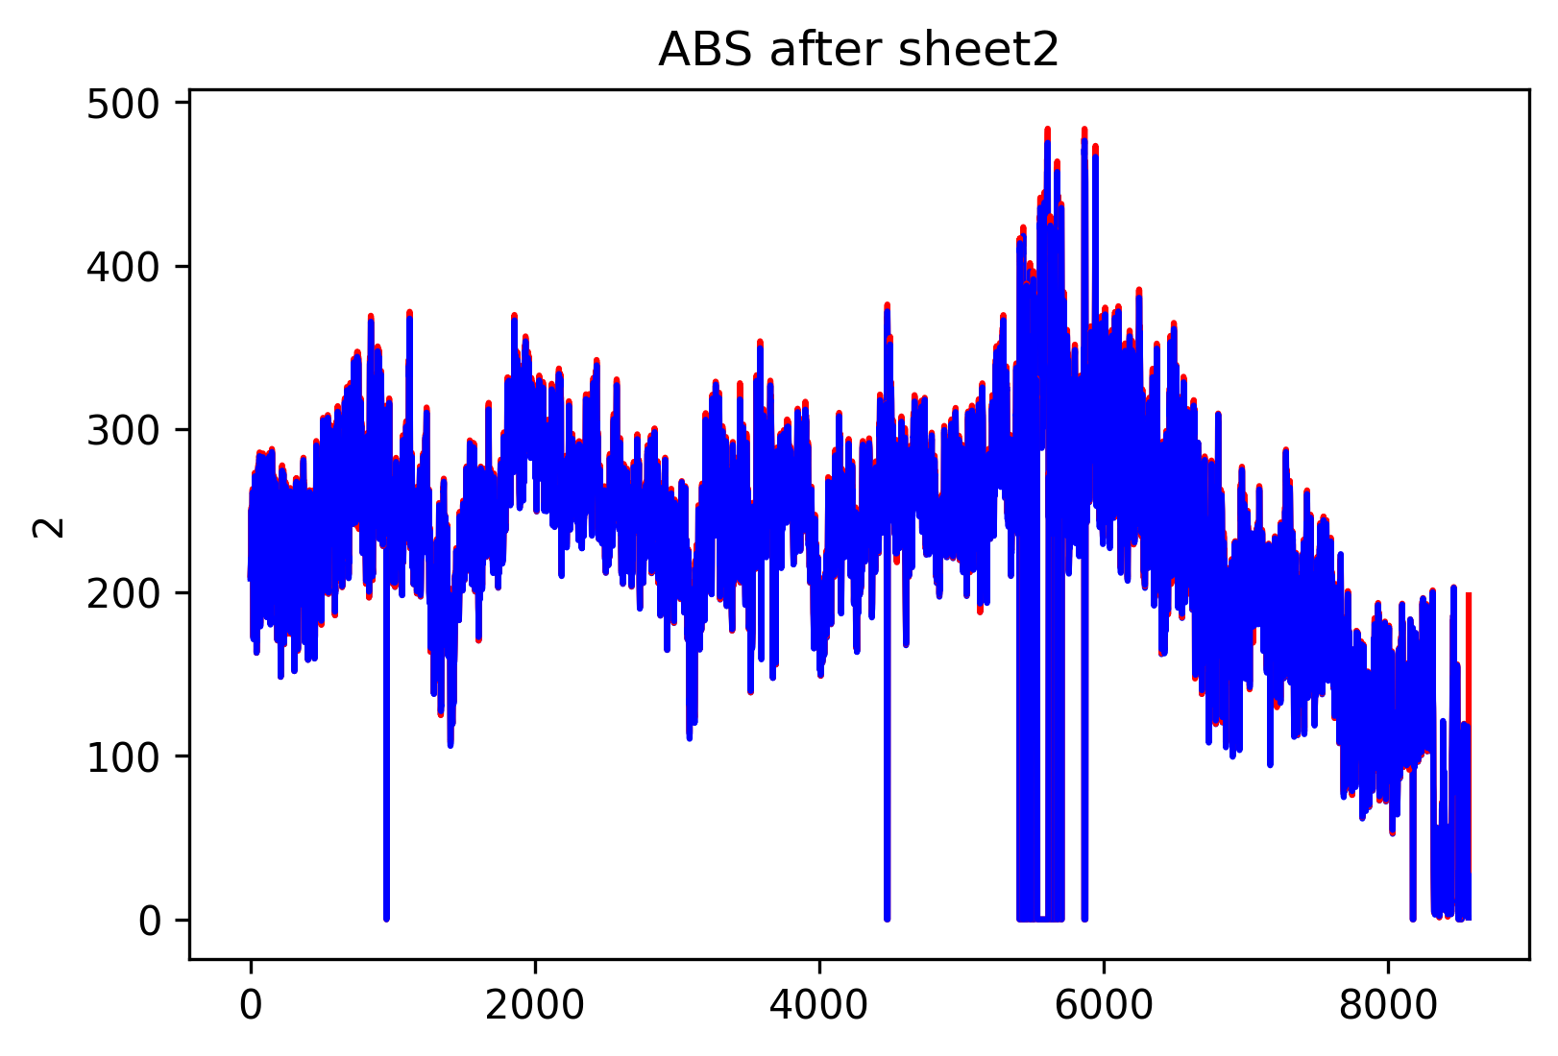
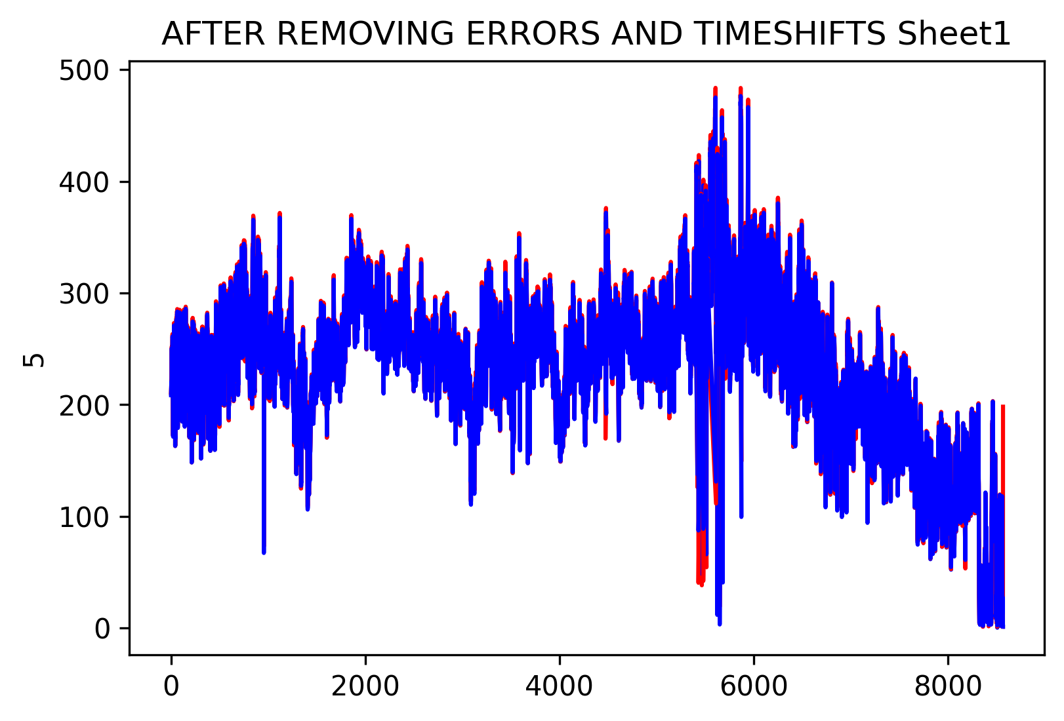
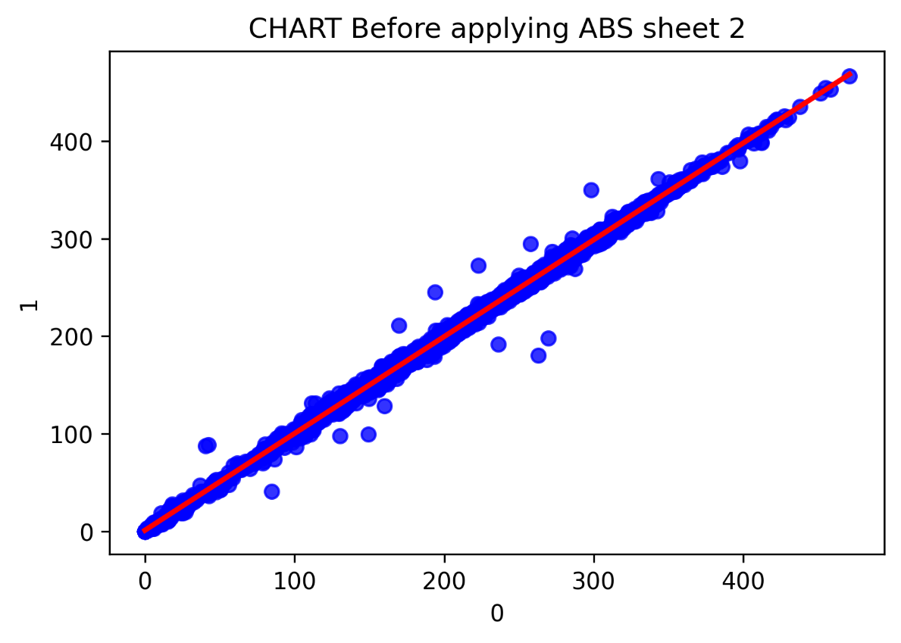
210.83638472 | 208.47274812 | 210.83638472 | 208.47274812 | 2.3636366 | 210.83638472 | 208.47274812 | 2.3636366
215.16365788 | 213.70911228 | 215.16365788 | 213.70911228 | 1.4545456 | 215.16365788 | 213.70911228 | 1.4545456
220.7272948 | 220.50911296 | 220.7272948 | 220.50911296 | 0.21818184 | 220.7272948 | 220.50911296 | 0.21818184
220.87274936 | 220.40002204 | 220.87274936 | 220.40002204 | 0.47272732 | 220.87274936 | 220.40002204 | 0.47272732

214.65456692 | 214.69093056 | 214.65456692 | 214.69093056 | 0.03636364 | 214.65456692 | 214.69093056 | 0.03636364
230.65456852 | 226.83638632 | 230.65456852 | 226.83638632 | 3.8181822 | 230.65456852 | 226.83638632 | 3.8181822
251.30911604 | 249.38184312 | 251.30911604 | 249.38184312 | 1.92727292 | 251.30911604 | 249.38184312 | 1.92727292
251.34547968 | 250.61820688 | 251.34547968 | 250.61820688 | 0.7272728 | 251.34547968 | 250.61820688 | 0.7272728

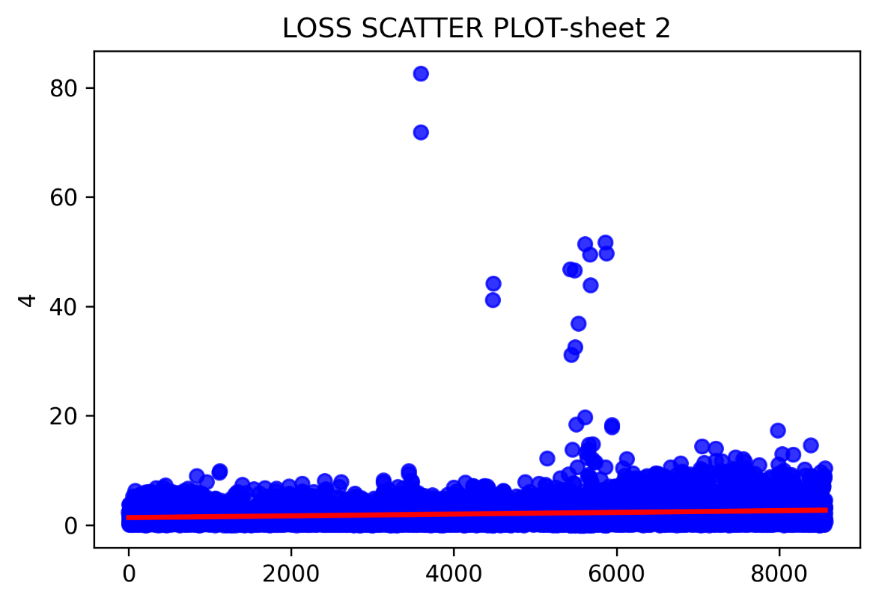
235.52729628 | 238.50911476 | 235.52729628 | 238.50911476 | 2.98181848 | 235.52729628 | 238.50911476 | 2.98181848
219.78184016 | 219.41820376 | 219.78184016 | 219.41820376 | 0.3636364 | 219.78184016 | 219.41820376 | 0.3636364
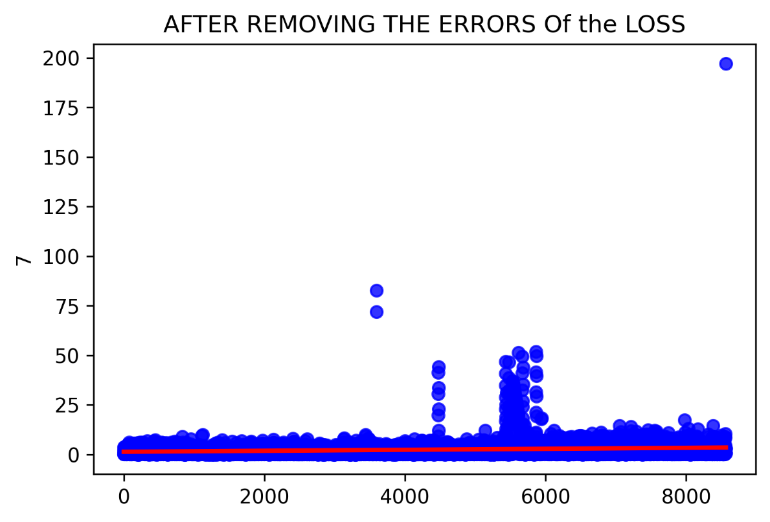
238.65456932 | 234.83638712 | 238.65456932 | 234.83638712 | 3.8181822 | 238.65456932 | 234.83638712 | 3.8181822
250.21820684 | 249.16366128 | 250.21820684 | 249.16366128 | 1.05454556 | 250.21820684 | 249.16366128 | 1.05454556
245.12729724 | 244.80002448 | 245.12729724 | 244.80002448 | 0.32727276 | 245.12729724 | 244.80002448 | 0.32727276
256.07275288 | 253.4545708 | 256.07275288 | 253.4545708 | 2.61818208 | 256.07275288 | 253.4545708 | 2.61818208
262.3636626 | 261.20002612 | 262.3636626 | 261.20002612 | 1.16363648 | 262.3636626 | 261.20002612 | 1.16363648
260.69093516 | 260.61820788 | 260.69093516 | 260.61820788 | 0.07272728 | 260.69093516 | 260.61820788 | 0.07272728
237.01820552 | 238.94547844 | 237.01820552 | 238.94547844 | 1.92727292 | 237.01820552 | 238.94547844 | 1.92727292
215.454567 | 218.3636582 | 215.454567 | 218.3636582 | 2.9090912 | 215.454567 | 218.3636582 | 2.9090912
184.10910932 | 185.85456404 | 184.10910932 | 185.85456404 | 1.74545472 | 184.10910932 | 185.85456404 | 1.74545472
181.49092724 | 182.76365464 | 181.49092724 | 182.76365464 | 1.2727274 | 181.49092724 | 182.76365464 | 1.2727274
172.3636536 | 172.69092636 | 172.3636536 | 172.69092636 | 0.32727276 | 172.3636536 | 172.69092636 | 0.32727276
172.43638088 | 171.30910804 | 172.43638088 | 171.30910804 | 1.12727284 | 172.43638088 | 171.30910804 | 1.12727284
195.56365592 | 191.74547372 | 195.56365592 | 191.74547372 | 3.8181822 | 195.56365592 | 191.74547372 | 3.8181822
210.3636574 | 209.8182028 | 210.3636574 | 209.8182028 | 0.5454546 | 210.3636574 | 209.8182028 | 0.5454546
209.4545664 | 209.49093004 | 209.4545664 | 209.49093004 | 0.03636364 | 209.4545664 | 209.49093004 | 0.03636364
212.21820304 | 208.80002088 | 212.21820304 | 208.80002088 | 3.41818216 | 212.21820304 | 208.80002088 | 3.41818216
229.23638656 | 228.83638652 | 229.23638656 | 228.83638652 | 0.40000004 | 229.23638656 | 228.83638652 | 0.40000004
232.61820508 | 231.34547768 | 232.61820508 | 231.34547768 | 1.2727274 | 232.61820508 | 231.34547768 | 1.2727274
237.01820552 | 235.56365992 | 237.01820552 | 235.56365992 | 1.4545456 | 237.01820552 | 235.56365992 | 1.4545456
256.58184384 | 253.01820712 | 256.58184384 | 253.01820712 | 3.56363672 | 256.58184384 | 253.01820712 | 3.56363672
272.65457272 | 271.0909362 | 272.65457272 | 271.0909362 | 1.56363652 | 272.65457272 | 271.0909362 | 1.56363652
263.20002632 | 264.32729916 | 263.20002632 | 264.32729916 | 1.12727284 | 263.20002632 | 264.32729916 | 1.12727284
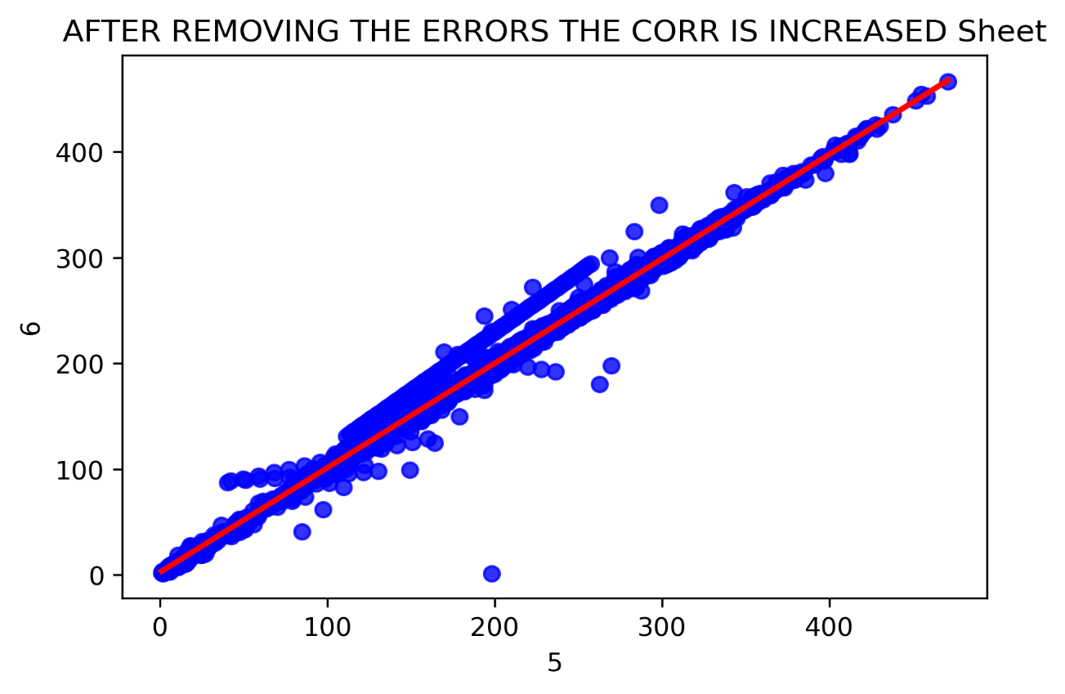
233.2727506 | 236.0000236 | 233.2727506 | 236.0000236 | 2.727273 | 233.2727506 | 236.0000236 | 2.727273
232.76365964 | 231.01820492 | 232.76365964 | 231.01820492 | 1.74545472 | 232.76365964 | 231.01820492 | 1.74545472
240.25456948 | 238.47275112 | 240.25456948 | 238.47275112 | 1.78181836 | 240.25456948 | 238.47275112 | 1.78181836
254.3636618 | 252.29093432 | 254.3636618 | 252.29093432 | 2.07272748 | 254.3636618 | 252.29093432 | 2.07272748
257.0909348 | 256.03638924 | 257.0909348 | 256.03638924 | 1.05454556 | 257.0909348 | 256.03638924 | 1.05454556
251.6363888 | 251.56366152 | 251.6363888 | 251.56366152 | 0.07272728 | 251.6363888 | 251.56366152 | 0.07272728
245.23638816 | 244.3636608 | 245.23638816 | 244.3636608 | 0.87272736 | 245.23638816 | 244.3636608 | 0.87272736
 |  | 241.60002416 | 242.40002424 | 0.80000008 | 241.60002416 | 242.40002424 | 0.80000008
 |  | 220.69093116 | 222.5454768 | 1.85454564 | 220.69093116 | 222.5454768 | 1.85454564
 |  | 192.69092836 | 196.80001968 | 4.10909132 | 192.69092836 | 196.80001968 | 4.10909132
 |  | 163.12728904 | 163.20001632 | 0.07272728 | 163.12728904 | 163.20001632 | 0.07272728
 |  | 171.92728992 | 171.96365356 | 0.03636364 | 171.92728992 | 171.96365356 | 0.03636364
 |  | 169.8181988 | 169.96365336 | 0.14545456 | 169.8181988 | 169.96365336 | 0.14545456
 |  | 177.16365408 | 174.94547204 | 2.21818204 | 177.16365408 | 174.94547204 | 2.21818204
 |  | 201.85456564 | 199.56365632 | 2.29090932 | 201.85456564 | 199.56365632 | 2.29090932
 |  | 206.25456608 | 205.85456604 | 0.40000004 | 206.25456608 | 205.85456604 | 0.40000004
 |  | 222.50911316 | 219.23638556 | 3.2727276 | 222.50911316 | 219.23638556 | 3.2727276
 |  | 229.20002292 | 228.83638652 | 0.3636364 | 229.20002292 | 228.83638652 | 0.3636364
 |  | 224.80002248 | 224.3636588 | 0.43636368 | 224.80002248 | 224.3636588 | 0.43636368
 |  | 226.43638628 | 225.85456804 | 0.58181824 | 226.43638628 | 225.85456804 | 0.58181824
 |  | 229.67275024 | 228.69093196 | 0.98181828 | 229.67275024 | 228.69093196 | 0.98181828
 |  | 254.65457092 | 249.41820676 | 5.23636416 | 254.65457092 | 249.41820676 | 5.23636416
 |  | 275.6363912 | 274.03639104 | 1.60000016 | 275.6363912 | 274.03639104 | 1.60000016
 |  | 277.20002772 | 276.363664 | 0.83636372 | 277.20002772 | 276.363664 | 0.83636372
 |  | 258.25457128 | 260.50911696 | 2.25454568 | 258.25457128 | 260.50911696 | 2.25454568
 |  | 241.41820596 | 241.12729684 | 0.29090912 | 241.41820596 | 241.12729684 | 0.29090912
 |  | 251.67275244 | 248.80002488 | 2.87272756 | 251.67275244 | 248.80002488 | 2.87272756
 |  | 270.000027 | 267.67275404 | 2.32727296 | 270.000027 | 267.67275404 | 2.32727296
 |  | 265.96366296 | 265.16366288 | 0.80000008 | 265.96366296 | 265.16366288 | 0.80000008
 |  | 283.38184652 | 280.21820984 | 3.16363668 | 283.38184652 | 280.21820984 | 3.16363668
...

