Sheet1
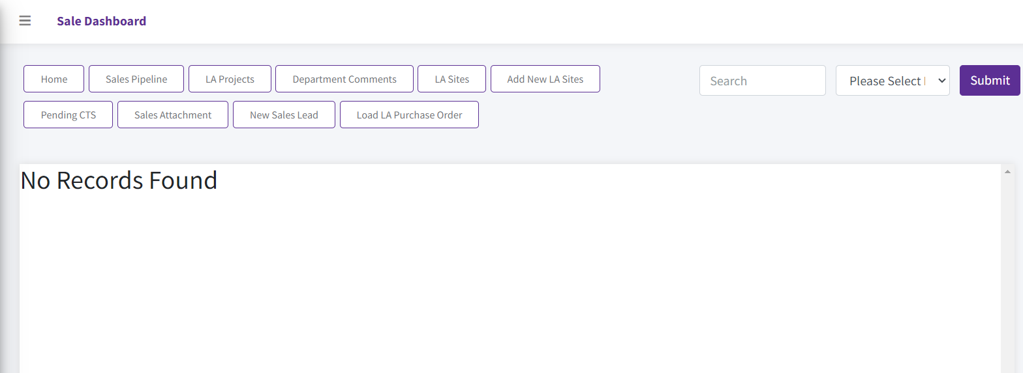
Planning, Build and Service Delivery Home Pages are not working correct

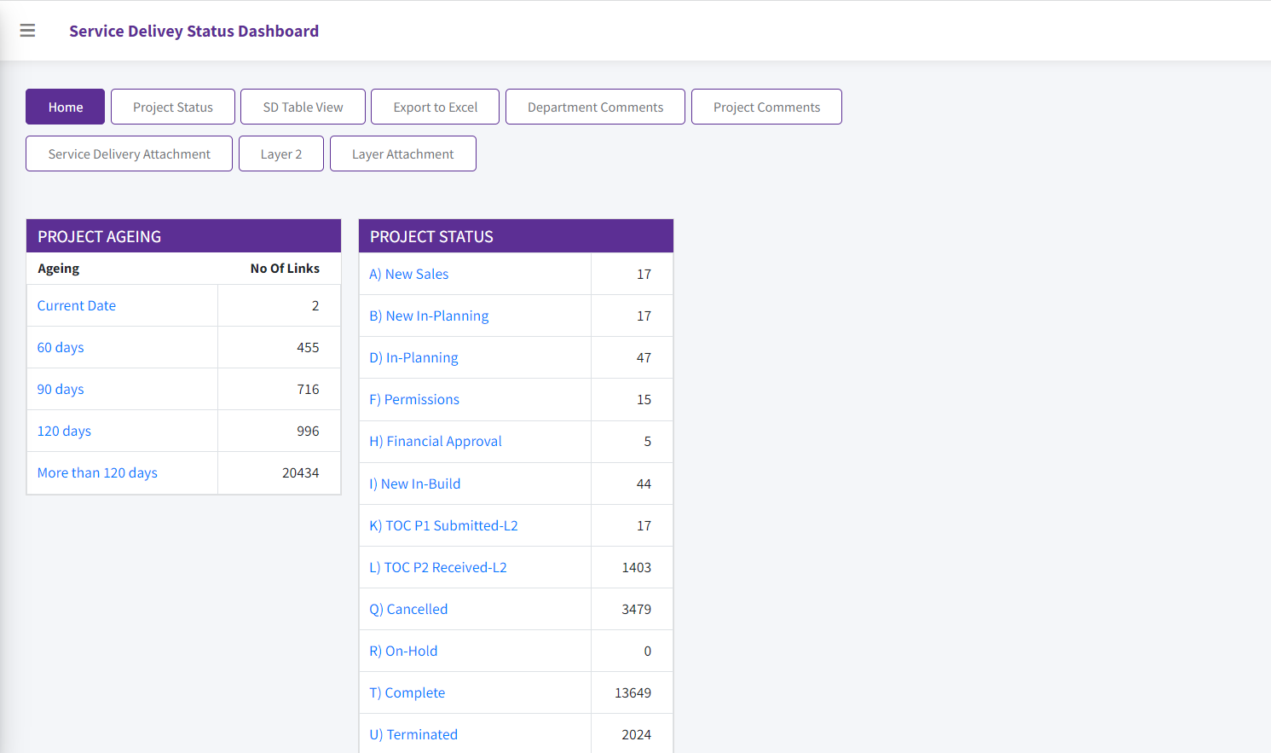

If you do select "H) Finacial Approval" as highlighted above indicating 5 x orders with that status on O2CAP
Firstly if goes to the "Sales Dashboard" and if doesn' display any data.
Secondly you get the below screen showing "No Records Found"
Please check all the links as none is displaying the correct records in the view.

