Sheet1
commands
commands usage

git status
to check what is your main branch ie master or not.
eg
it also shows info. Like no.of commits done, untracked file or not. Also master branch or not.

git add . Issue
it has happening because the file which I was trying to push to staging area was already opened by me. And I was editing that excel file.
once I closed that file, I was able to stage the files.

git add filename
This command is used to add files to staging area

git add -A
this will add the files from present working directory to our staging area

.gitignore
this small file will contain list of files which will not be added to staging area or ignored once you run git add -A command

git status
it will show list of files which are added to staging area as green and files changed or modifed as red or untracked
eg
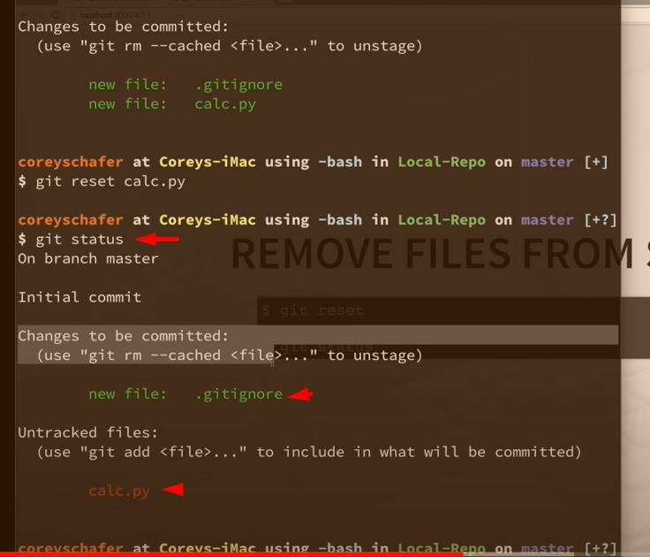

git reset filename
This command is used to remove the file from the staging area

git reset
only running this command.. Will remove everything from the staging area. Ie all the files from staging area
eg

D and M
D -->stands from deleted file from the current folder
M -->any file which is modified by current user.

git log
This command helps us to see the commit id, of the commit we just made
eg

git commit -m "initial commit"
This command is used to commit all the files in staging area and send it to local repo with a commit message
eg

git remote add origin http_url/ssh_url
This command is used to connect to central repo.
eg

git push -u origin main
This command to push the changes to central repo

git config --list
To see all the configs for current git repository
eg
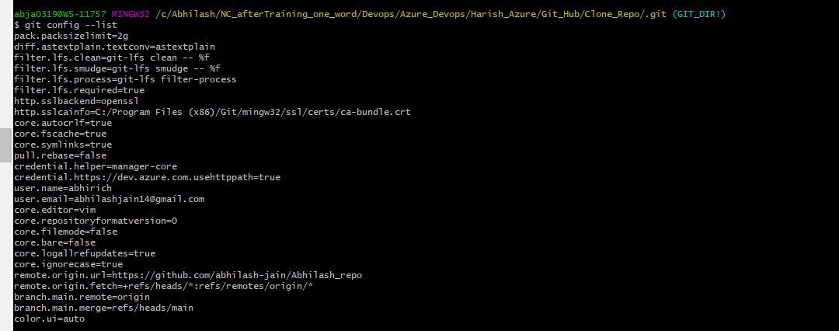

git config --global property_name "the name you want to give "
Command to change the properties or configs of the git directory
eg
eg
git config --global user.name "abhilash jain"

git config --global user.email "abhirich@gmail.com"

git clone remote_url localPath
This command helps you clone central repo. To your local device
eg
git clone https://github.com/abhilash-jain/Abhilash_repo .

git remote
git remote command helps us create, view, and delete connections to other repositories

git remote -v
to check the no. of connections our currrrent repo have with other repositories

git branch -a
To view all the branches our current repository have.

Branch
its just a pointer to these commits.

git branch branch_Name
we can create a new branch by the command
eg
git branch testing

git branch
to check what is your current branch

git checkout Branch_Name_To_SwitchTo
This command will get you out of current branch and will place you in testing branch
eg
git checkout testing

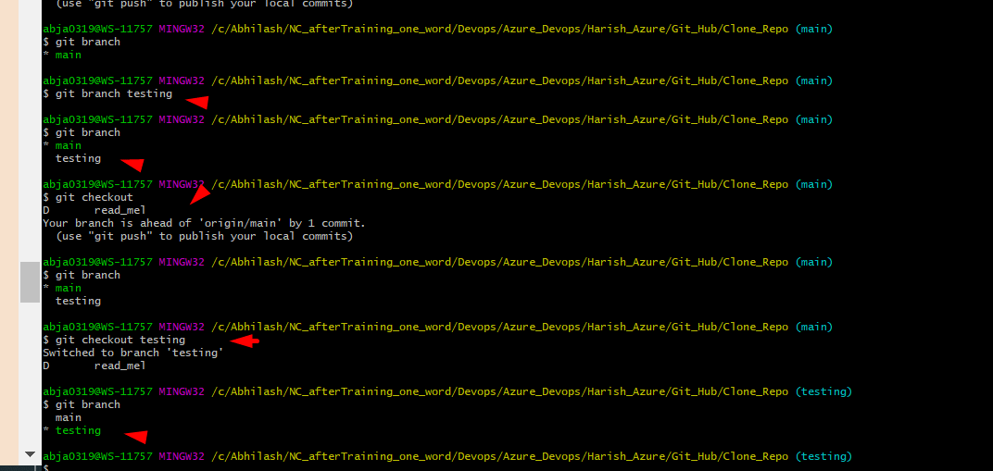

git merge testing
This command is used to merge all the changes

git log
to check if the changes of the branch testing has been successfully merged or not , we can run the command

git branch -d testing
if all good, than now we can remove the testing branch if we want

