Sheet1
How to create a new Repository in GitHub
Creating a new Repository
1. Login to your Git Hub account
2. On the dashboard click on the Green Button stating New repository.
3. Make sure to verify the Git hub account by going into the mail which was provided when creating the account.ie your gmail id.
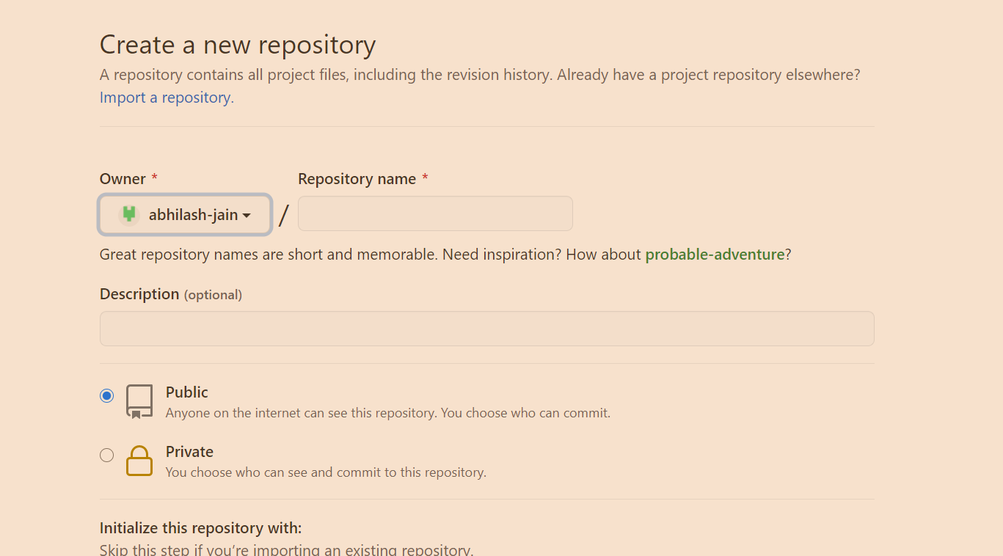

4. Once verification has been done, the following screen comes
we need to provide details like repository name, Description not mandatory, add if you want, public private need to define and than click on -->create repository

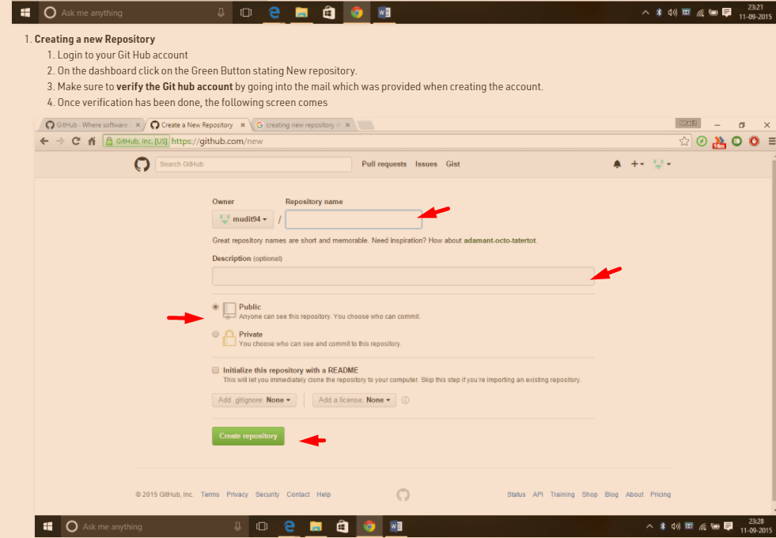

lets create the repository by the name Abhilash_repo
it will look like

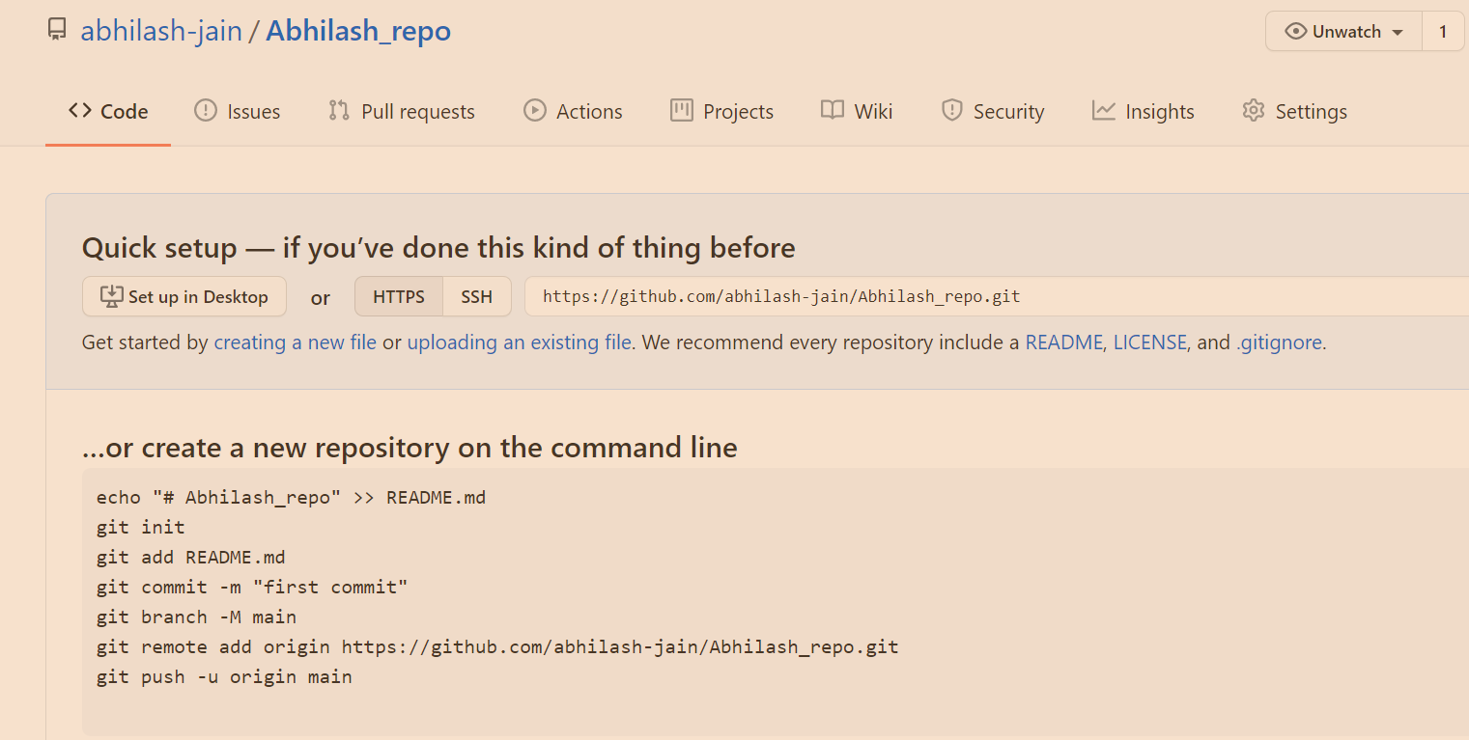

note
here our Git hub is created.
now we will learn how to upload files to Git hub

