Sheet1
How to upload files to GITHUB

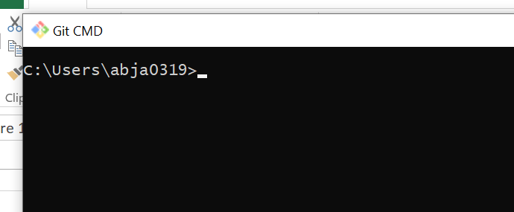
step 1.
install GIT. And run git from cmd prompt.

step 2.
create a empty directory wherever you want on c drive and than run the command
git init

git init command will initialize that directory as a GIT directory
eg

Note :
This also creates one hidden .git -->folder
as we can see on screen as well

step 2
run the command
git add .
This willl add the files to our local workspace area

Note :Git bash is good than git cmd to run commands
as
git bash allows you to run the linux commands which is more comfortable.

Chaging path on git bash
cd
cd Abhilash/NC_afterTraining_one_word/Devops/Azure_Devops/Harish_Azure/Git_Hub/GeeksForGeeks/

