Sheet1
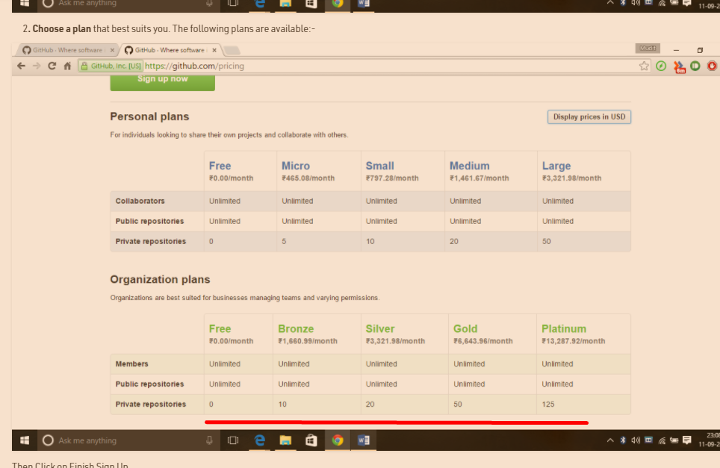
one word, info.

what is GIT :
Git is a distributed version control system.

What is a version Control System?
version control system maintains different versions of your projects , builds , so you can rollback to any version whenever you want. .
we can do it very easily with causing any troubles .and we do it by giving names to our different versions of our project eg .5.1.1 , 5.1.2 and so on

Distributed version control system
it means that every developer maintains a local repository of its own in his local machine. And have aceess to central repository so that they can push the changes whenever they want.

repository
A repository is a area where we keep all our project images and files.

Git Repository Structure
it has 4 parts.
working directory
staging area
local repository
central repository

Working directory :
This is our directory where we keep all our code and images . Also we keep modified files if any

Staging Area (or index)
this is area where we put our code to be reviewed by other team members before committing it.

Local Repository
this is the area where we commit our changes before finally pushing it to central repository.this is local copy of central repo. Thus provided by version control system

Central repository.
This is the main project files on the central server whose each copy is maintened by devs on local servers.

Imp. Commands

git add
used to transfer your files from your current working directory to staging area

git commit
used to transfer files from staging area to local repository area

git push
used to trasfer or push files from local repo . To central repo.

transfer changes/compressed files
Git is light weigh and transfer files thru internal compressions mechanism.

HTTPS
its default way to access to github central repository.

Note
if we access github by ssh , than we don’t need to provide username/passw each time. To push changes to gitHub

Working with git – Important Git commands

GIT USER CONFIGURATION commands
git --version
to check git version

git config --global user.name "abhilash"
git config --global user.email "abhilashjain14@gmail.com"

Initialize Working Directory:
git init
This will create your initial working directory
ie git folder is made

git clone http_url
This willl help clone a existing repo. If you already have one.

Connecting to a repository
git remote add origin http_url/ssh_url
This will help you to connect to your central repository.

push/pull commands
push wll transfer changes from local to central

and
pull will download the changes or code from central to local repository.
eg
git pull origin master

Note
First always pull, so you are updated with the current versions of central repo. Before doing a push on the central repo.
it helps us know if code we are trying to deploy is not already deployed by any other person.

Note
Git allows a team of people to work together, all using the same files. And it helps the team cope up with the confusion that tends to happen when multiple people are editing the same files.

GIT PLANS ALLOWED
PRIVATE REPO =0 , IN FREE version.

