Business Startup Checklist
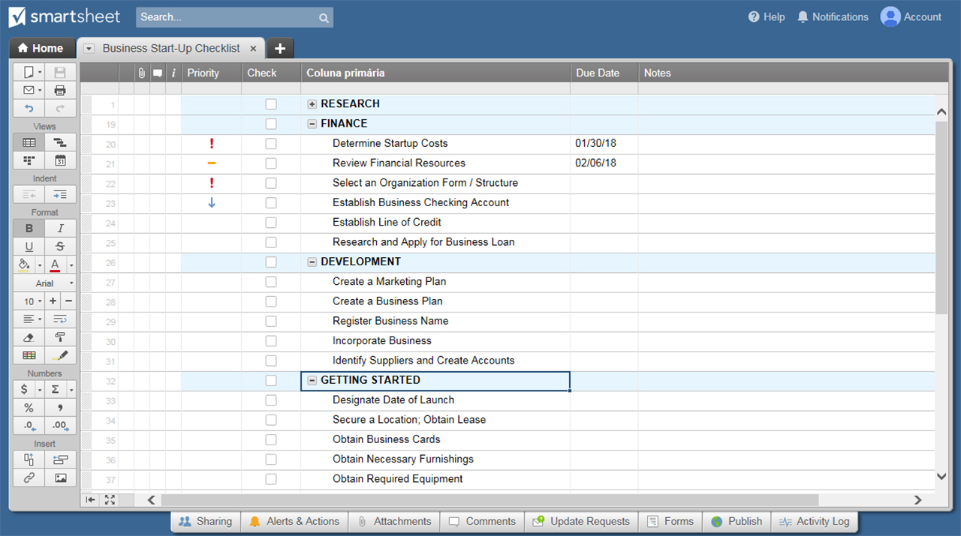
BUSINESS STARTUP CHECKLIST TEMPLATE
X | ITEM DESCRIPTION
 | RESEARCH | Identify and Assess Financial Risks
 | Review Business Codes - Local + State | Develop Business Goals
 | Complete a Comprehensive Competitive Analysis | Develop Personal Goals
 | Identify Top Competitors | Identify Strengths
 | Identify Customers | Identify Weaknesses
 | Define Customer Base | Research Ideal Locations

 | RELATIONSHIPS | Hire an Accountant
 | Join a Professional Organization | Select a Banker
 | Hire a Lawyer | Select an Insurance Rep

 | FINANCE | Establish a Business Checking Account
 | Determine Startup Costs | Establish a Line of Credit
 | Review Financial Resources | Research and Apply for a Business Loan
 | Select an Organization Form/Structure

 | DEVELOPMENT | Register Business Name
 | Create a Marketing Plan | Incorporate Business
 | Create a Business Plan | Identify Suppliers and Create Accounts

 | GETTING STARTED | Obtain Supplies
 | Designate a Date of Launch | Obtain Any Required Licenses and Permits
 | Secure a Location; Obtain Lease | Obtain Federal Employer ID Number
 | Obtain Business Cards | Obtain State Employer ID Number
 | Obtain Necessary Furnishings | Obtain Required State, Federal, and Local Tax Forms
 | Obtain Required Equipment | Obtain Business Insurance

CLICK HERE TO CREATE YOUR BUSINESS STARTUP CHECKLIST IN SMARTSHEET

