Naukri Profile Snapshots
PLACEMENT READINESS PROGRAM · STANDARD OPERATING PROCEDURE
Naukri Profile — Real Screenshots Reference (Sample: Abhilash Waghmare)

 | SCREENSHOT 1 — Profile Header | Name · Designation · Company · Location · Experience · Salary · Contact · Notice Period · 100% Completion (Profile photo replaced with professional avatar)

 | SCREENSHOT 2 — Resume Upload + Resume Headline | Updated resume uploaded · Keyword-rich headline filled
 | 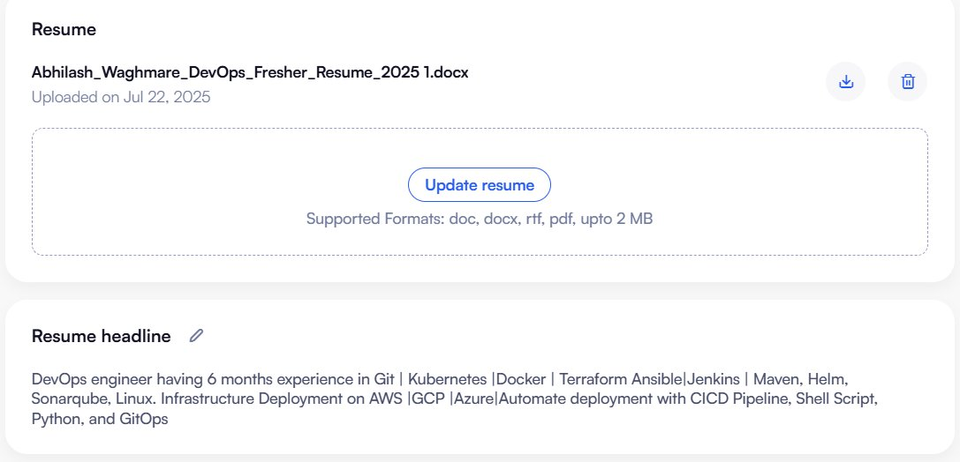

 | SCREENSHOT 3 — Key Skills | All DevOps skills added as pills

 | SCREENSHOT 4 — Employment (Full Description) | Full-Time · 6 Months · 15 Days Notice · Detailed R&R with all keywords
 | 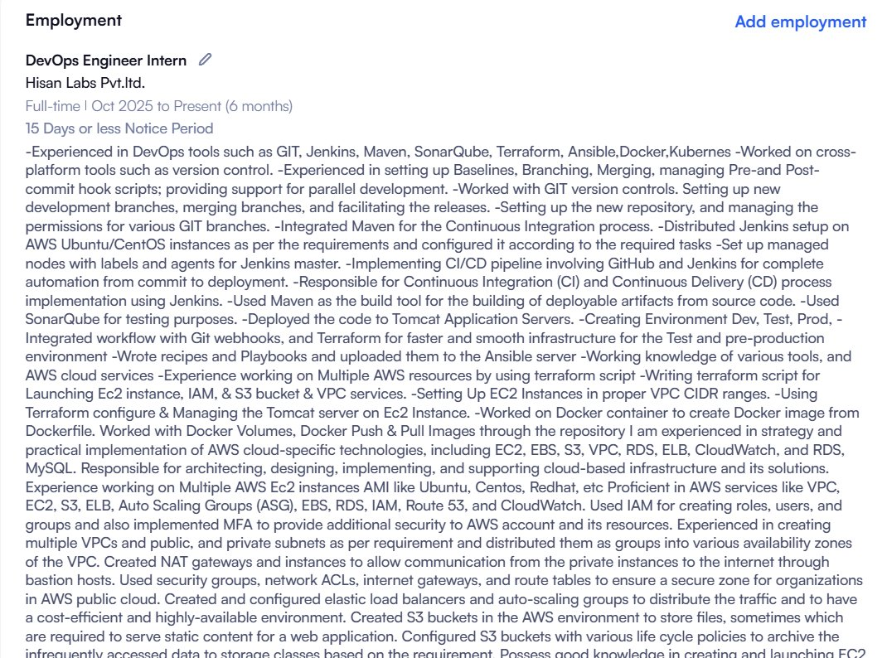

 | SCREENSHOT 5 — Employment (Collapsed View) | Shows Top 5 Key Skills listed under employment

 | SCREENSHOT 6 — Education | B.Tech CSE (RTMNU) · Class XII · Class X — Reverse Chronological Order
 | 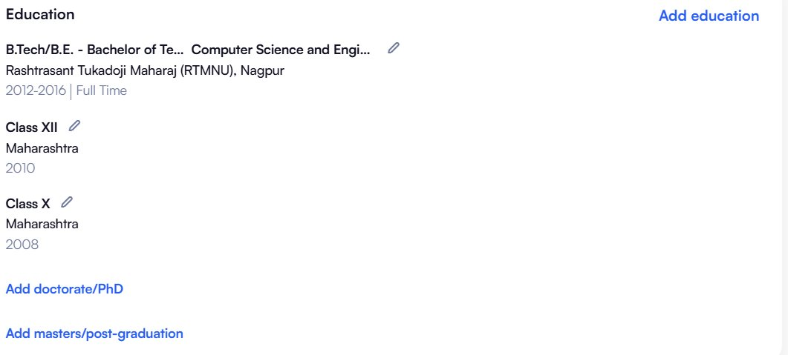

 | SCREENSHOT 7 — IT Skills | 10 skills filled with experience duration (all 0 Yr 6 Months — consistent)
 | 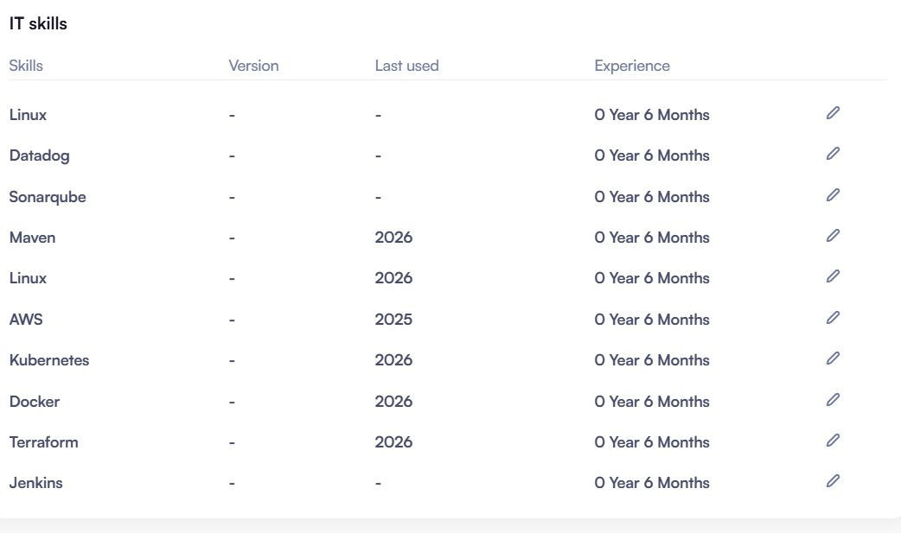

 | SCREENSHOT 8 — Projects | Keywords-only description · No confidential info · DevOps terms highlighted
 | 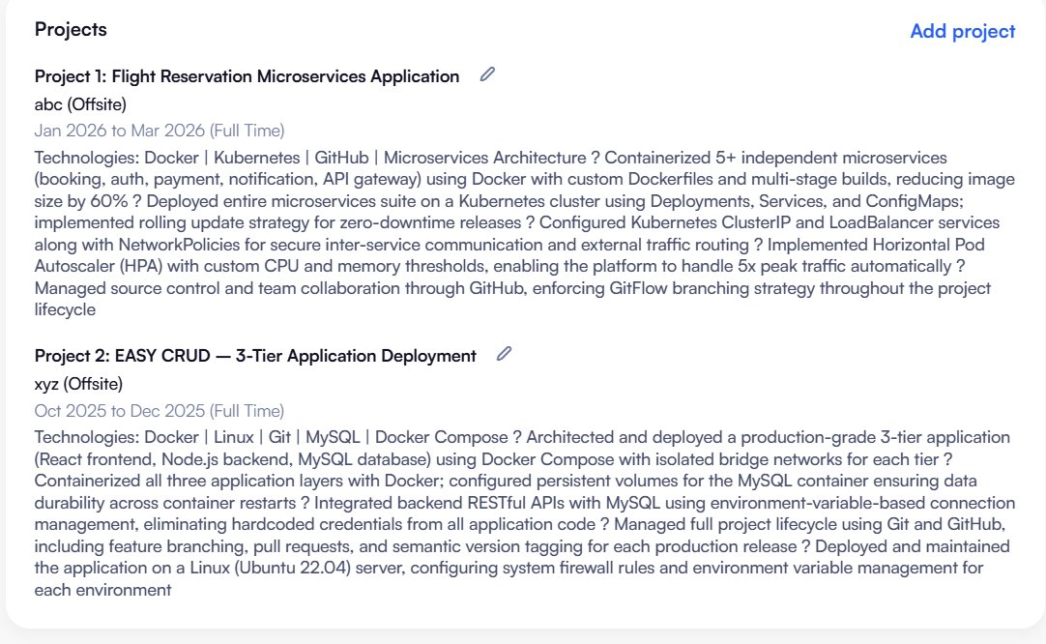

 | SCREENSHOT 9 — Profile Summary + Accomplishments | All 4000 chars filled with DevOps keywords
 | 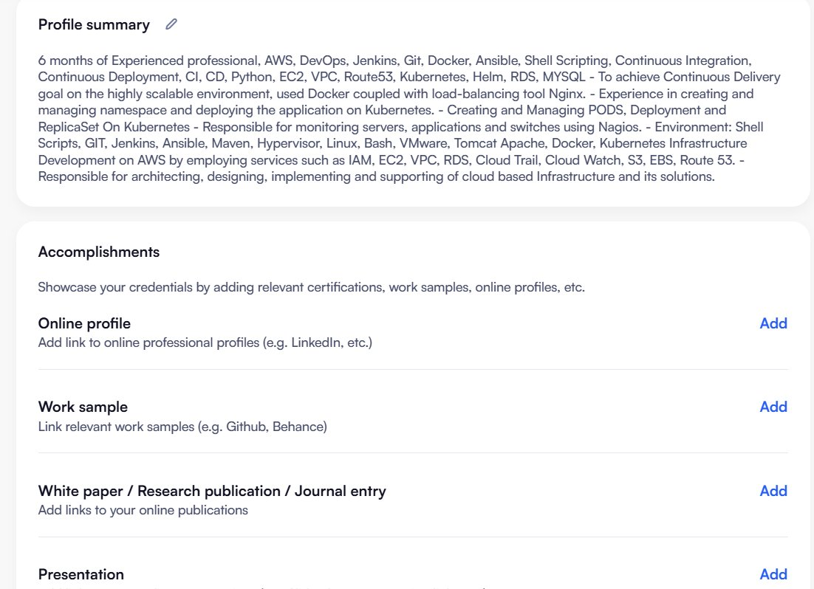

 | SCREENSHOT 10 — Career Profile | Industry · Department · Role · Employment Type (Full Time) · Shift (Flexible) · Locations · No Expected Salary
 | 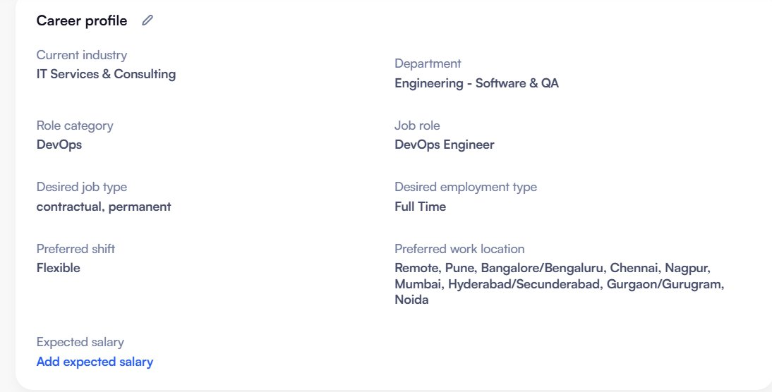

 | SCREENSHOT 11 — Personal Details + Languages | Marital Status (Single/Unmarried) · All languages marked Expert
 | 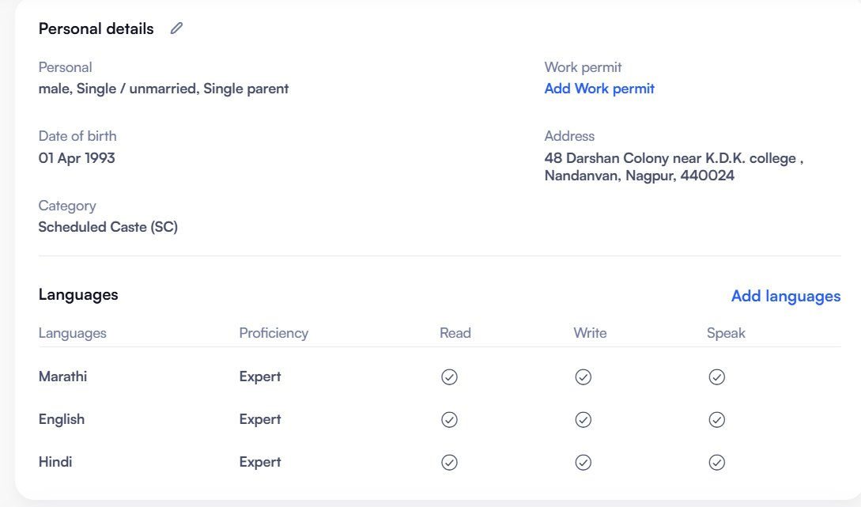

 | ⚡ HOW TO USE: Refer to these screenshots while setting up your own Naukri profile. Match every section exactly — Employment Type (Full Time), Top 5 Skills, Notice Period (≤15 days), No Expected Salary, all IT Skills filled consistently, and Profile Completion 100%.

Placement Readiness Program | CDEC | Confidential — Internal Use Only

Recruitment Workflow
PLACEMENT READINESS PROGRAM · STANDARD OPERATING PROCEDURE
Recruitment Workflow — Sample Project: Persistent | Ecommerce.com

 | SECTION 1 — PROJECT OVERVIEW
 | Field | Details
 | Organization | Persistent
 | Project Name | Ecommerce.com
 | Mandatory Skills | Terraform | Kubernetes | Docker
 | Additional Skills | GitLab | Jenkins | Datadog
 | Vacancies | 2 Positions
 | Company Types | Product-Based Companies | Service-Based Companies

 | Hiring Sources
 | Job Portals | Naukri.com | LinkedIn
 | Consultancies (eg.) | Cloudblitz | Greamio | ABC Consultancy | XYZ Consultancy
 | Tie-ups | Trusted recruitment partner organizations
 | References | Alumni networks | Employee referrals | DevOps communities

 | SECTION 2 — RECRUITMENT WORKFLOW STAGES
 | Stage | Sub-Section | Details
 | 1. Candidate Sourcing | Sources | Job portals (Naukri, LinkedIn,Indeed, Glassdoor, Internshala, RemoteOk, ) · Consultancies · Employee referrals · Alumni networks · Recruitment tie-ups
 |  | Tasks | Collect resumes from all sources Optimize job postings for better visibility (SEO-friendly descriptions on job portals)

 | 2. Resume Screening | Tasks | Shortlist candidates based on required skills: Terraform, Kubernetes, Docker Prioritize candidates with relevant hands-on project experience

 | 3. Initial HR Call | Purpose | Introduce the job role, team structure, company culture, and technologies involved
 |  | Verify | Candidate availability (notice period / immediate joining) Salary expectations and budget alignment Personal & professional info on resume
 |  | Answer | HR queries related to role, policies, benefits, and next steps in the process

 | SECTION 3 — INTERVIEW ROUNDS (6 Rounds + HR Round)
 | Round | Field | Details
 | 1. Screening Round | Objective | Evaluate foundational knowledge and suitability for the role. Ensure basic job requirement alignment.
 |  | Focus Areas | Overall DevOps concepts · Basic Terraform, Kubernetes, Docker · Past project experience · Communication skills
 |  | Conducted By | Technical Team

 | 2. Machine Test | Objective | Evaluate hands-on skills. Test problem-solving in practical scenarios. Duration: 1–2 hours.
 |  | Focus Areas | Write Terraform modules for infra provisioning · Deploy app using Kubernetes & Docker · Automate CI/CD with GitLab/Jenkins · Monitoring setup with Datadog (optional)
 |  | Conducted By | L1 (Level 1 Engineer)

 | 3. Technical Round | Objective | In-depth analysis of technical expertise. Evaluate problem-solving and real-world troubleshooting.
 |  | Focus Areas | Advanced Terraform, Kubernetes, Docker · CI/CD pipeline tools (GitLab, Jenkins) · Real-world troubleshooting scenarios · Monitoring tools (Datadog)
 |  | Conducted By | Senior Technical Panel / Technical Leads

 | 4. Managerial Round | Objective | Evaluate team collaboration, leadership potential, and problem-solving mindset.
 |  | Focus Areas | Conflict handling and cross-functional teamwork · Time management under pressure · Leadership and mentoring abilities · Hypothetical team challenge problem-solving
 |  | Conducted By | Project Manager / Hiring Manager

 | 5. Client Round | Objective | Assess alignment with client expectations, cultural fit, and client-specific requirements.
 |  | Focus Areas | Communication and client interaction skills · Understanding of business and client priorities · Adapting to specific client environments and practices
 |  | Conducted By | Client Representatives / Stakeholders

 | 6. Director Round | Objective | Final validation of candidate suitability. Ensure alignment with organizational goals and culture.
 |  | Focus Areas | High-level review of technical and managerial fit · Long-term vision and commitment · Salary and career progression expectations
 |  | Conducted By | Senior Leadership / Department Director

 | HR Round (Final) | Objective | Discuss final HR policies, compensation, and joining formalities.
 |  | Focus Areas | Finalize salary, bonuses, and benefits · Discuss joining steps: offer letter, background checks, paperwork · Key policies: working hours, remote work, leave · Address outstanding candidate queries
 |  | Conducted By | HR Team

 | SECTION 4 — OFFER LETTER & ONBOARDING
 | Step | Action | Details
 | Issue Offer Letter |  | Send formal offer letter with role details, compensation package, benefits, and joining date. Ensure all terms and conditions are clearly outlined.
 | Follow-Up & Confirmation |  | Contact candidate to confirm receipt and obtain formal acceptance of the offer.
 | Onboarding Guidance |  | Guide candidate through onboarding: documents needed (ID proof, education certs) · First-day information · Pre-joining training details · Introduction to team members and leaders

 | ⚡ NOTE: This workflow is based on the Persistent — Ecommerce.com project as a reference model. The number of interview rounds, hiring sources, and onboarding steps may vary per organization and project requirements.

Placement Readiness Program | CDEC | Confidential — Internal Use Only

 | RECRUITMENT WORKFLOW DIAGRAM — Visual Reference for Students
 | Complete end-to-end recruitment flow — from candidate sourcing to joining. Each interview round shows a Pass/Fail decision gate.
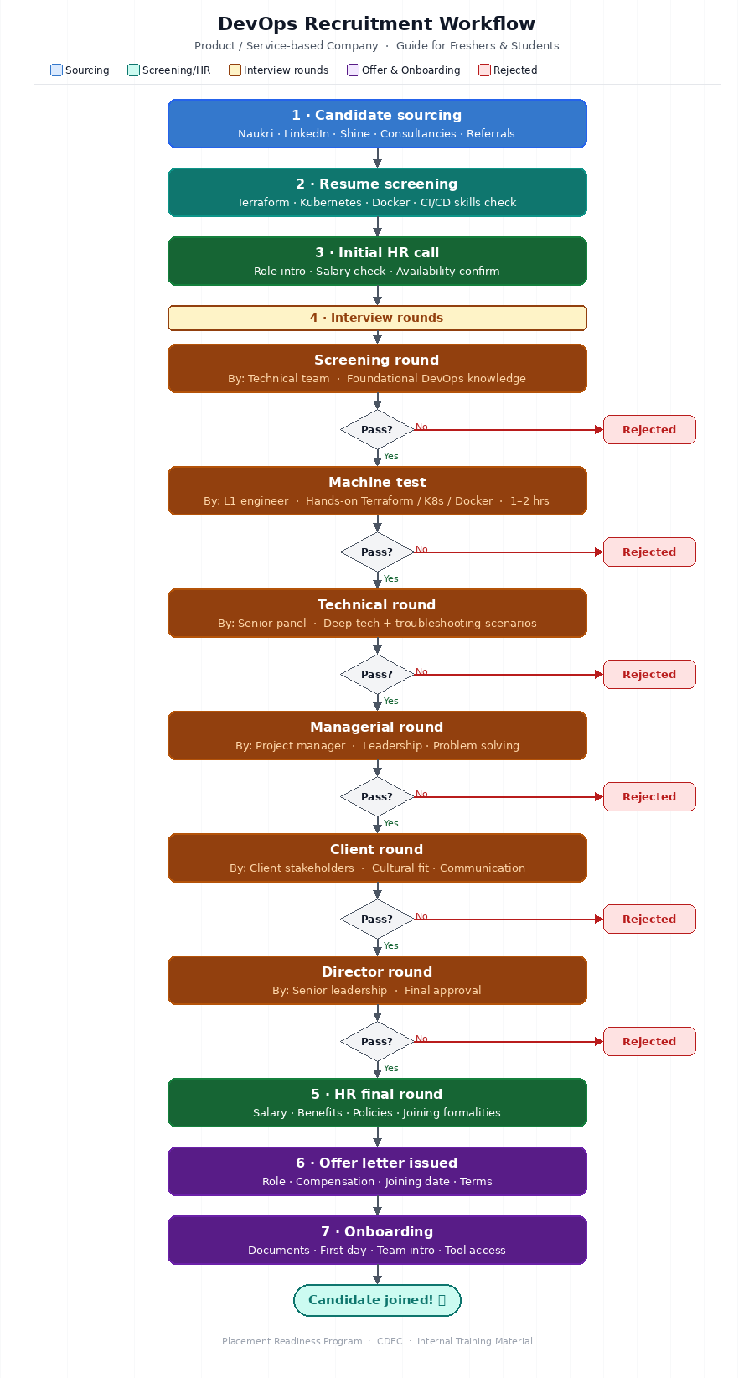
 | Placement Readiness Program | CDEC | Confidential — Internal Use Only

