Sheet1
file name | matrix | SDS | WDS | PSNE | output verified
g1.nfg |  | [1,0,0,1,0,0] | [1,0,0,1,0,0] | [[1,0,0,1,0,0]] | SDS, WDS verified. PSNE wrong
g2.nfg | 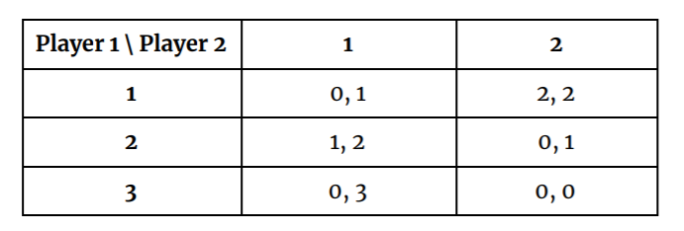 | [0,0,0,0,0] | [0,0,0,0,0] | [[1,0,0,0,1],[0,1,0,1,0]] | SDS, WDS verified. PSNE wrong
g3.nfg | 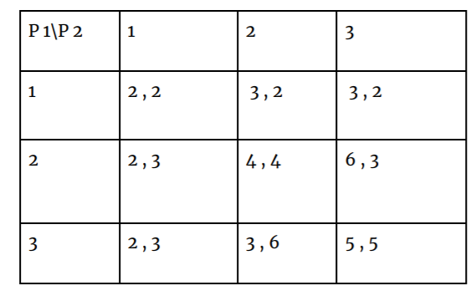 | [0,0,0,0,0,0] | [0,1,0,0,1,0] | [[1,0,0,1,0,0],[0,1,0,0,1,0]] | SDS, WDS verified. PSNE wrong
g4.nfg |  | [0,0,0,0] | [0,0,0,0] | [[1,0,1,0],[0,1,0,1]] | SDS, WDS verified. PSNE wrong
g5.nfg |  | [0,0,1,1] | [0,0,1,1] | [[0,0,1,1]] | SDS, WDS verified. PSNE wrong
g6.nfg |  | [1,1] | [1,1] | [[1,1]] | SDS, WDS verified. PSNE wrong

