Example
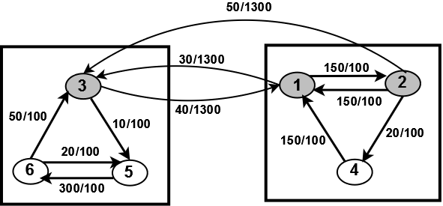
A (referral) | 1 | 2 | 3 | 4 | 5 | 6
1 | 0 | 150 | 30 | 0 | 0 | 0 |  | Rank Score |  | Ranking
2 | 150 | 0 | 50 | 20 | 0 | 0 |  | PRANKW | HINSIDE | PRANKW | HINSIDE
3 | 40 | 0 | 0 | 0 | 10 | 0 | 1 | 0.3401 | 0.3437 | 1 | 3
4 | 150 | 0 | 0 | 0 | 0 | 0 | 2 | 0.2658 | 0.1947 | 2 | 1
5 | 0 | 0 | 0 | 0 | 0 | 300 | 3 | 0.1798 | 0.3477 | 3 | 2
6 | 0 | 0 | 50 | 0 | 20 | 0 | 4 | 0.0456 | 0.0287 | 6 | 5
 |  |  |  |  |  |  | 5 | 0.0777 | 0.0518 | 5 | 6
 |  |  |  |  |  |  | 6 | 0.0911 | 0.0334 | 4 | 4

D (distance) | 1 | 2 | 3 | 4 | 5 | 6
1 | 0 | 100 | 1300 | 100 | 900 | 1100
2 | 100 | 0 | 1300 | 100 | 1000 | 1200 | Node | Type
3 | 1300 | 1300 | 0 | 1250 | 100 | 100 | 1 | 1
4 | 100 | 100 | 1250 | 0 | 1000 | 1100 | 2 | 1
5 | 900 | 1000 | 100 | 1000 | 0 | 100 | 3 | 1
6 | 1100 | 1200 | 100 | 1100 | 100 | 0 | 4 | 2
Description:
Pagerank ranks node 1 highest as 1 has highest relation strength of in-edges. However, HINSIDE ranks node 3 highest as node 3 receives two in-edges with large relation distance from two other highly ranked nodes, node 2 and node 1, whereas node 1 receives only one large relation distance in-edge from node 3. Node 2 is ranked second by Pagerank as this node receives large relation strength edge from better ranked node, node 1. But HINSIDE ranks node 1 at second position due to competition factor introduced by an edge from node 4 and a large relation distance edge from highest ranked node node 3. Among type 2 nodes, Pagerank ranks node 6 as highest as it receives a really large relation strength edge from node 5 which overcomes an in-edge from a better ranked node, node 3 to node 5. On the other hand, HINSIDE, ranks node 5 better than node 6 as it receives an in-edge from highest ranked node, node 3 which makes node 5 more competent than node 6 and hence overcomes the large relation strength edge from node 5 to node 6. Node 4 is ranked lowest by both Pagerank and HINSIDE as node 5 doesn't have any in-edge with large relation strength and is not affected by competition or large relation distance factor. Additionally, node 4 receives edges from different type nodes, node 1 and node 2 and if we look at authority transfer rates. it is low in comparison to edge from same type which further dampens the rank score of node 4.
 |  |  |  |  |  |  | 5 | 2
 |  |  |  |  |  |  | 6 | 2
Authority Transfer Rate | 1 | 2
1 | 0.7 | 0.3
2 | 0.3 | 0.7

