BOP Graphic
Verdant Power - RITE Balance of Plant (BOP)

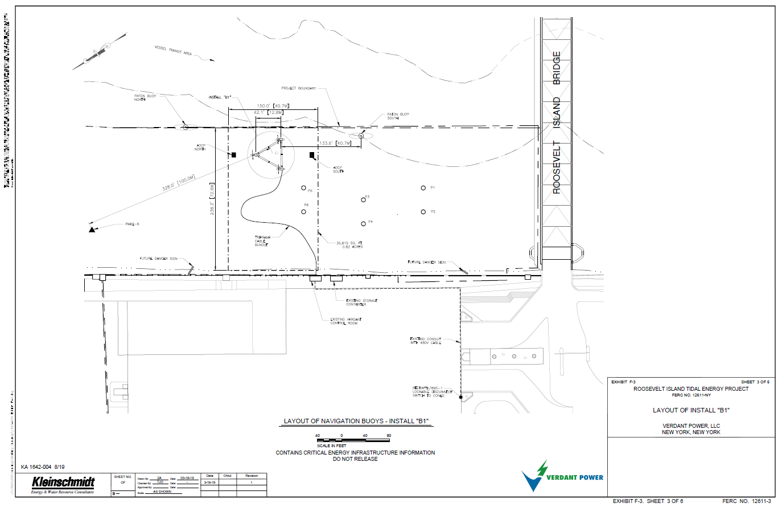

ADCP N and ADCP S

480 V Power Cable

SCADA- within RITE Control Room

