Model Performance_lightgbm
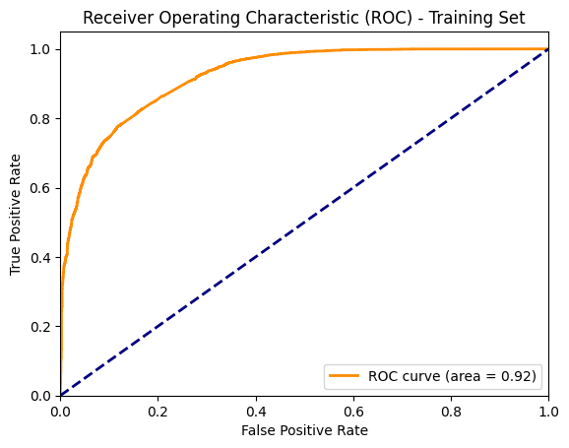
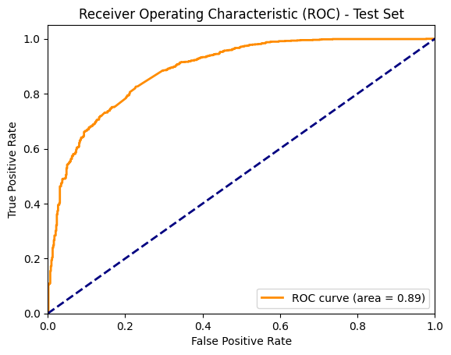
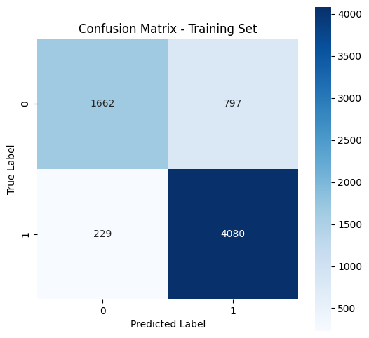
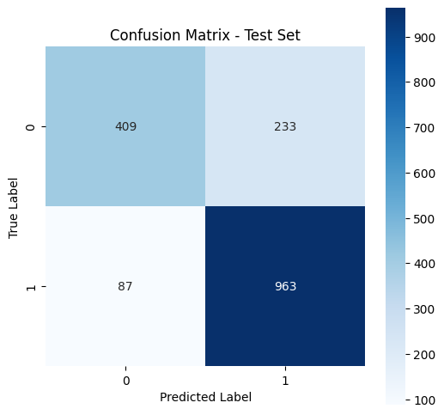
Model Performance - LightGBM

Training Set Performance |  |  |  | Test Set Performance

 | precision | recall | f1-score |  | precision | recall | f1-score
0 | 0.88 | 0.68 | 0.76 | 0 | 0.82 | 0.64 | 0.72
1 | 0.84 | 0.95 | 0.89 | 1 | 0.81 | 0.92 | 0.86

Model Performance_logisticreg
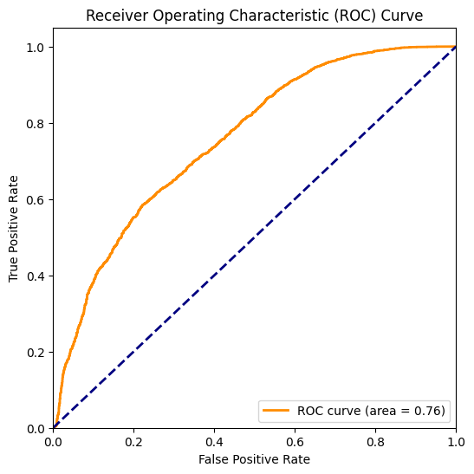
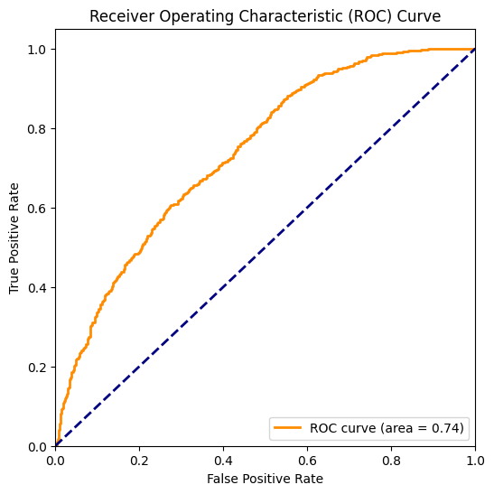
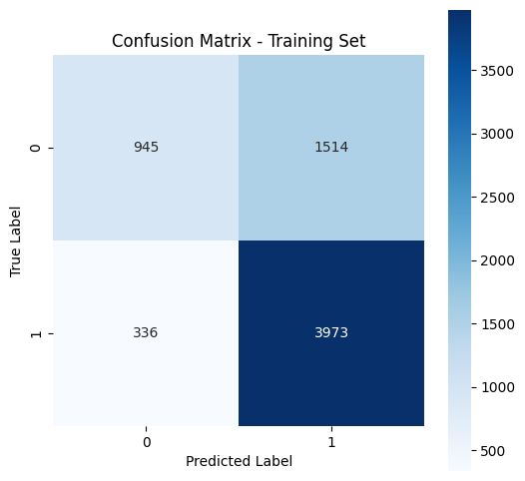
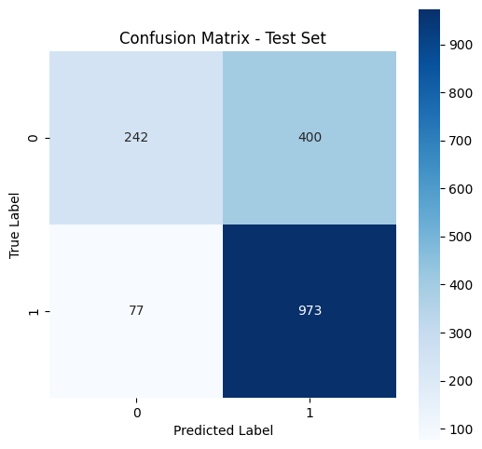
Model Performance - Logistic Regression

Training Set Performance |  |  |  | Test Set Performance

 | precision | recall | f1-score |  | precision | recall | f1-score
0 | 0.74 | 0.38 | 0.51 | 0 | 0.76 | 0.38 | 0.5
1 | 0.72 | 0.92 | 0.81 | 1 | 0.71 | 0.93 | 0.8

