Table 1
Prevalence of Current Smoking Among Adults in New York by County NYS BRFSS 2016
County level prevalence of current smoking was obtained from the 2016 New York State (NYS) Behavioral Risk Factor Surveillance System (BRFSS). The BRFSS defines a current smoker as an adult over the age of 18 who has smoked at least 100 cigarettes in their lifetime and currently smokes on at least some days. Current smoking rates in NYS vary by county from 7.0% to 29.0%, with a state rate of 14.2%. The five counties with the lowest smoking rates in the state are Rockland (7.0%), Westchester (8.4%), Nassau (8.5%), New York (9.6%), and Queens (10.9%). The five counties with the highest smoking rates in the state are Oswego (29.0%), Franklin (28.8%), Orleans (28.6%), Jefferson (28.0%), and Montgomery (26.8%). County level estimates can be used to identify areas of concern, track progress for program interventions, and evaluate the effectiveness of tobacco control policies. Monitoring county level rates can be helpful towards the development of future program interventions. Local level tobacco control programs can also use this information to educate local decision‐makers and increase community engagement.
Prevalence of Current Smoking Among Adults in NY by County NYS BRFSS 2016
 | 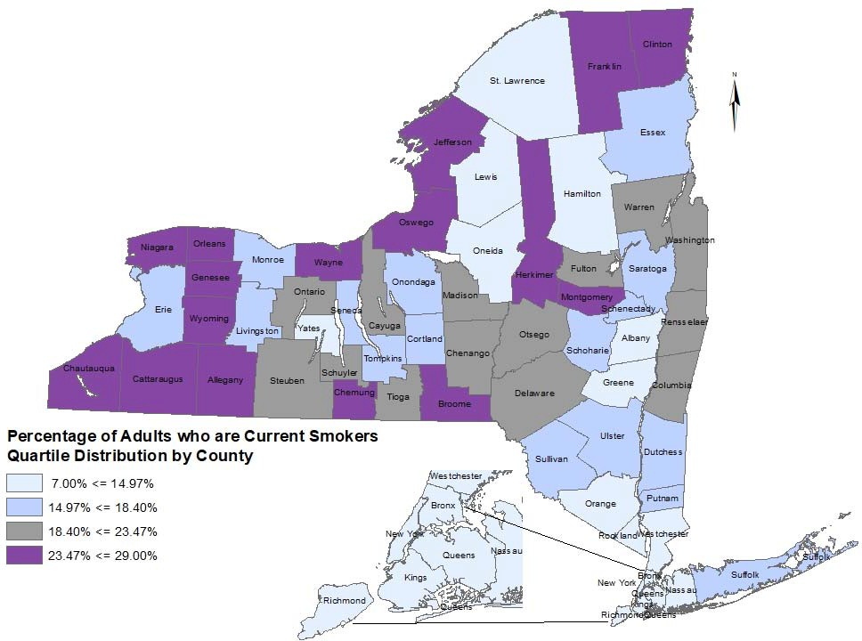
Prevalence of Current Smoking Among Adults in NY by County
County | Percent of Adult Current Smokers (%) | [95%CI]* | County | Percent of Adult Current Smokers (%) | [95%CI]*
Albany | 14.3 | [11.0‐17.7] | Niagara | 23.6 | [17.6‐29.6]
Allegany | 23.5 | [17.9‐29.0] | Oneida | 14.6 | [10.3‐18.9]
Bronx | 11.4 | [8.5‐14.2] | Onondaga | 17.2 | [13.8‐20.6]
Broome | 24.5 | [18.6‐30.4] | Ontario | 21.9 | [15.6‐28.2]
Cattaraugus | 26.7 | [21.9‐31.6] | Orange | 12.4 | [9.3‐15.5]
Cayuga | 21.0 | [16.6‐25.4] | Orleans | 28.6 | [21.2‐35.9]
Chautauqua | 25.8 | [22.0‐29.6] | Oswego | 29.0 | [22.5‐35.5]
Chemung | 25.9 | [19.6‐32.1] | Otsego | 19.7 | [13.6‐25.9]
Chenango | 20.1 | [14.5‐25.7] | Putnam | 16.5 | [11.1‐21.9]
Clinton | 24.7 | [20.0‐29.4] | Queens | 10.9 | [8.3‐13.4]
Columbia | 18.9 | [13.7‐24.0] | Rensselaer | 18.7 | [13.7‐23.8]
Cortland | 18.3 | [12.6‐24.0] | Richmond | 12.8 | [8.0‐17.7]
Delaware | 23.4 | [17.3‐29.5] | Rockland | 7.0 | [4.2‐9.7]
Dutchess | 16.0 | [11.9‐20.0] | Saratoga | 16.5 | [12.7‐20.4]
Erie | 17.8 | [13.5‐22.0] | Schenectady | 18.4 | [13.5‐23.4]
Essex | 16.8 | [11.7‐21.9] | Schoharie | 18.1 | [12.1‐24.1]
Franklin | 28.8 | [22.1‐35.6] | Schuyler | 19.0 | [11.9‐26.1]
Fulton | 19.1 | [14.6‐23.5] | Seneca | 15.3 | [9.7‐20.8]
Genesee | 24.4 | [19.3‐29.6] | St. Lawrence | 14.4 | [9.7‐19.1]
Greene | 14.9 | [10.3‐19.5] | Steuben | 22.6 | [16.4‐28.7]
Hamilton | 14.5 | [7.9‐21.1] | Suffolk | 17.8 | [13.6‐22.0]
Herkimer | 25.1 | [19.1‐31.1] | Sullivan | 18.4 | [13.2‐23.5]
Jefferson | 28.0 | [20.6‐35.3] | Tioga | 20.8 | [14.4‐27.2]
Kings | 13.2 | [10.8,15.7] | Tompkins | 16.1 | [10.1‐22.0]
Lewis | 14.4 | [8.2‐20.7] | Ulster | 15.2 | [10.9‐19.5]
Livingston | 16.9 | [10.9‐23.0] | Warren | 23.2 | [18.0,28.4]
Madison | 21.1 | [13.5‐28.6] | Washington | 22.3 | [16.8‐27.8]
Monroe | 15.8 | [11.7‐19.9] | Wayne | 24.5 | [19.1‐29.9]
Montgomery | 26.8 | [19.1‐34.5] | Westchester | 8.4 | [5.0‐11.7]
Nassau | 8.5 | [5.4‐11.5] | Wyoming | 25.0 | [18.9‐31.1]
New York | 9.6 | [7.5‐11.8] | Yates | 13.3 | [8.7‐18.0]
*When comparing rates, the 95% confidence interval (95% CI) provides the statistical range containing the true population rate with a 95% probability.

