1.Linear-OhmsLaw
Practical 4 – Linear Curve Fitting (Ohm's Law)
Research Methodology | Rajdhani College, University of Delhi | Submitted by: Abhinav Sharma
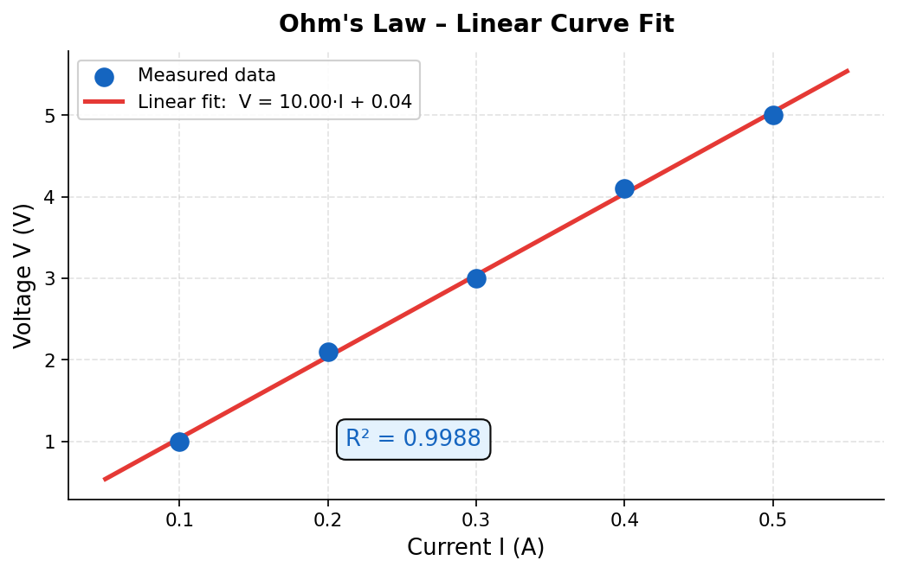
Dataset
Sl. No. | Current I (A) | Voltage V (V)
1 | 0.1 | 1
2 | 0.2 | 2.1
3 | 0.3 | 3
4 | 0.4 | 4.1
5 | 0.5 | 5

Summary Statistics |  |  | Curve Fitting Results
Fit Type | Linear |  | Fit Type | Linear
Equation Form | V = m·I + c |  | Equation Form | V = m·I + c
Best-Fit Eq. | V = 10.00·I + 0.04 (V) |  | Best-Fit Eq. | V = 10.00·I + 0.04 (V)
R² Value | 0.9988 |  | R² Value | 0.9988
Resistance | R = 1 / slope = 10.00 Ω |  | Resistance | R = 1 / slope = 10.00 Ω
Interpretation | Near-perfect fit confirms Ohm's Law. Intercept 0.04 is a small measurement offset. |  | Interpretation | Near-perfect fit confirms Ohm's Law. Intercept 0.04 is a small measurement offset.

2.Polynomial-Diode
Practical 4 – Polynomial Curve Fitting (Diode V–I Characteristics)
Research Methodology | Rajdhani College, University of Delhi | Submitted by: Abhinav Sharma
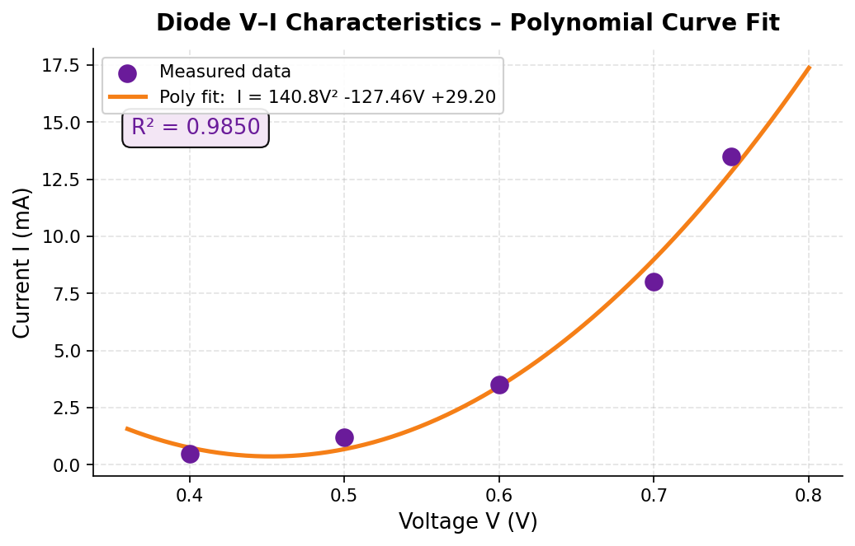
Dataset
Sl. No. | Voltage V (V) | Current I (mA)
1 | 0.4 | 0.5
2 | 0.5 | 1.2
3 | 0.6 | 3.5
4 | 0.7 | 8
5 | 0.75 | 13.5

Summary Statistics |  |  | Curve Fitting Results
Fit Type | Polynomial – 2nd Order |  | Fit Type | Polynomial – 2nd Order
Equation Form | I = aV² + bV + c |  | Equation Form | I = aV² + bV + c
Best-Fit Eq. | I = 140.84V² − 127.46V + 29.20 (mA) |  | Best-Fit Eq. | I = 140.84V² − 127.46V + 29.20 (mA)
R² Value | 0.9850 |  | R² Value | 0.9850
Physics | Nonlinear forward-bias V–I of a silicon diode |  | Physics | Nonlinear forward-bias V–I of a silicon diode
Interpretation | R² = 0.985 → good polynomial approximation of Shockley exponential model. |  | Interpretation | R² = 0.985 → good polynomial approximation of Shockley exponential model.

3.Exponential-RC
Practical 4 – Exponential Curve Fitting (RC Charging Transient)
Research Methodology | Rajdhani College, University of Delhi | Submitted by: Abhinav Sharma
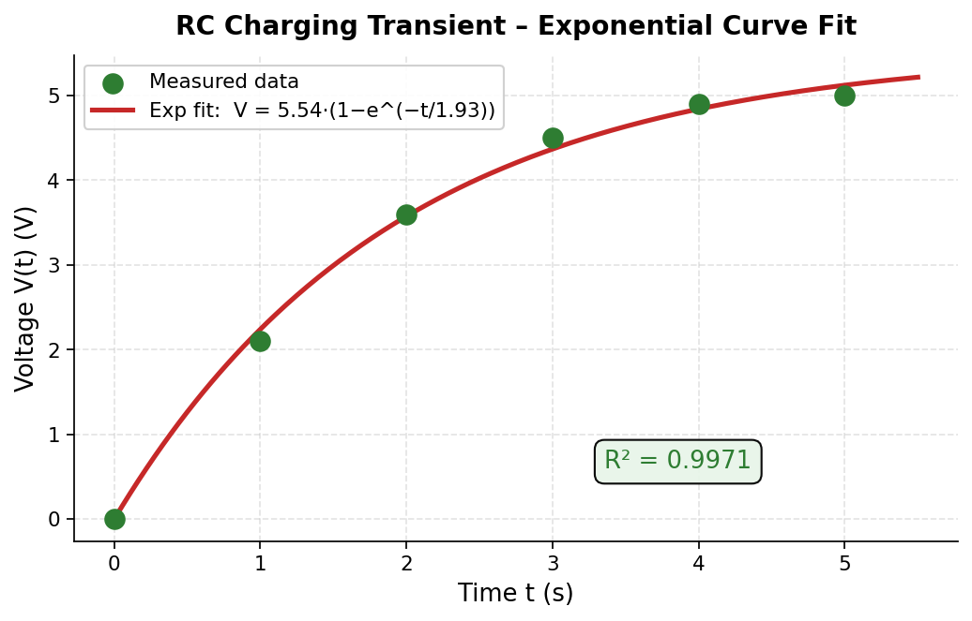
Dataset
Sl. No. | Time t (s) | Voltage V(t) (V)
1 | 0 | 0
2 | 1 | 2.1
3 | 2 | 3.6
4 | 3 | 4.5
5 | 4 | 4.9
6 | 5 | 5

Summary Statistics |  |  | Curve Fitting Results
Fit Type | Exponential – RC Saturation |  | Fit Type | Exponential – RC Saturation
Equation Form | V(t) = V₀ · (1 − e^(−t/τ)) |  | Equation Form | V(t) = V₀ · (1 − e^(−t/τ))
Best-Fit Eq. | V(t) = 5.54 · (1 − e^(−t / 1.93)) (V) |  | Best-Fit Eq. | V(t) = 5.54 · (1 − e^(−t / 1.93)) (V)
R² Value | 0.9971 |  | R² Value | 0.9971
Time Constant | τ = 1.93 s → RC = 1.93 s (extracted from fit) |  | Time Constant | τ = 1.93 s → RC = 1.93 s (extracted from fit)
Interpretation | Excellent fit. Capacitor charges toward 5.54 V with time constant 1.93 s. |  | Interpretation | Excellent fit. Capacitor charges toward 5.54 V with time constant 1.93 s.

4.Power-Sensor
Practical 4 – Power Curve Fitting (Pressure Sensor Calibration)
Research Methodology | Rajdhani College, University of Delhi | Submitted by: Abhinav Sharma
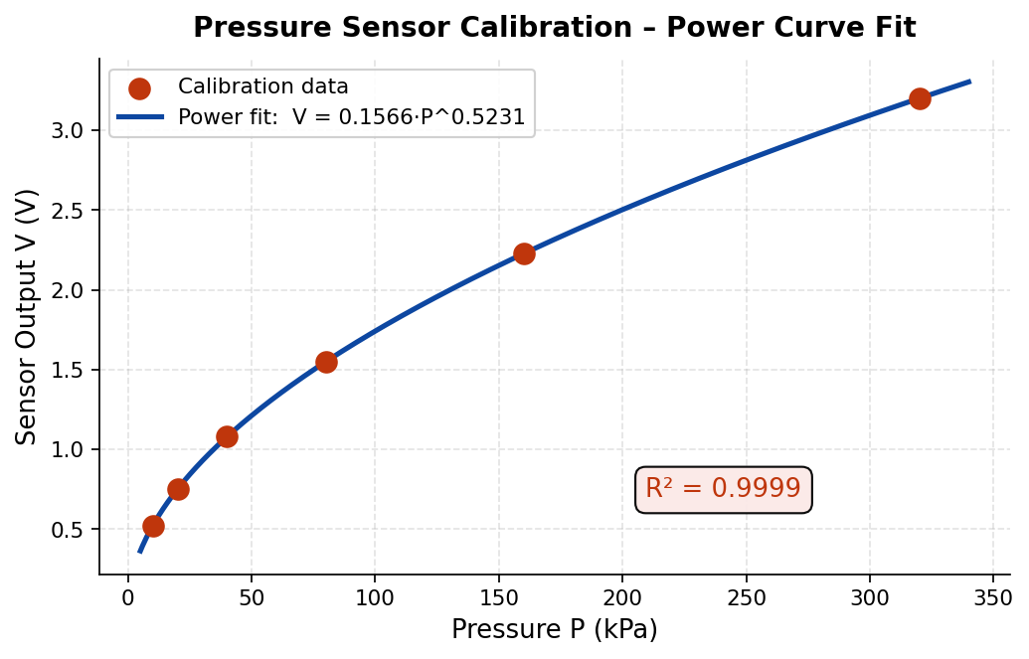
Dataset
Sl. No. | Pressure P (kPa) | Sensor Output V (V)
1 | 10 | 0.52
2 | 20 | 0.75
3 | 40 | 1.08
4 | 80 | 1.55
5 | 160 | 2.23
6 | 320 | 3.2

Summary Statistics |  |  | Curve Fitting Results
Fit Type | Power Law |  | Fit Type | Power Law
Equation Form | V = a · P^b |  | Equation Form | V = a · P^b
Best-Fit Eq. | V = 0.1566 · P^(0.5231) (V) |  | Best-Fit Eq. | V = 0.1566 · P^(0.5231) (V)
R² Value | 0.9999 |  | R² Value | 0.9999
Physics | Exponent b ≈ 0.52 ≈ √P → piezoresistive MEMS sensor behaviour |  | Physics | Exponent b ≈ 0.52 ≈ √P → piezoresistive MEMS sensor behaviour
Interpretation | R² ≈ 1.000 → essentially perfect fit. Use equation to convert V → pressure. |  | Interpretation | R² ≈ 1.000 → essentially perfect fit. Use equation to convert V → pressure.

5.Log-AmplifierFreq
Practical 4 – Logarithmic Curve Fitting (Amplifier Frequency Response)
Research Methodology | Rajdhani College, University of Delhi | Submitted by: Abhinav Sharma
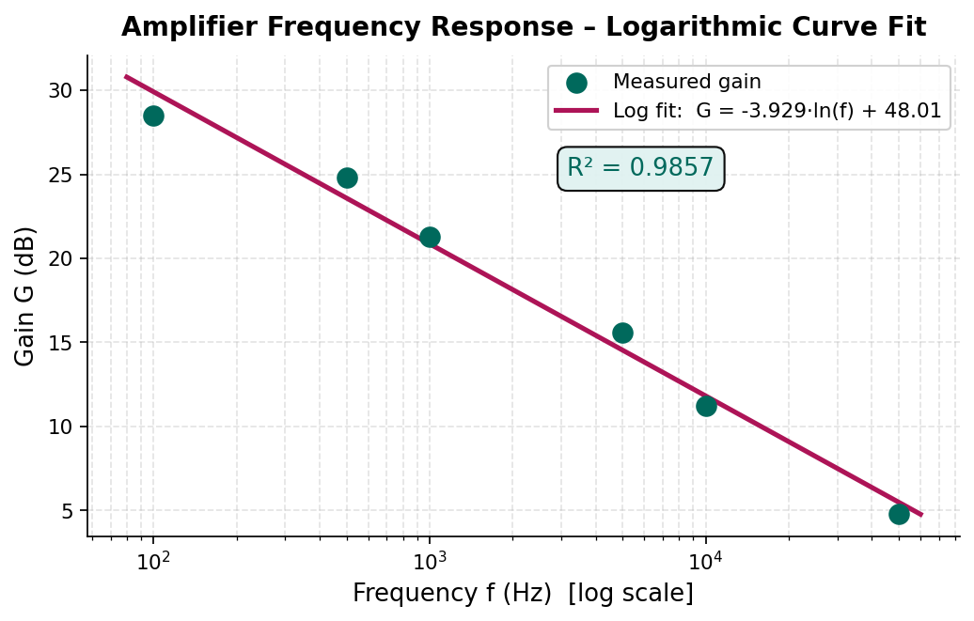
Dataset
Sl. No. | Frequency f (Hz) | Gain G (dB)
1 | 100 | 28.5
2 | 500 | 24.8
3 | 1000 | 21.3
4 | 5000 | 15.6
5 | 10000 | 11.2
6 | 50000 | 4.8

Summary Statistics |  |  | Curve Fitting Results
Fit Type | Logarithmic |  | Fit Type | Logarithmic
Equation Form | G = a · ln(f) + b |  | Equation Form | G = a · ln(f) + b
Best-Fit Eq. | G = −3.929 · ln(f) + 48.01 (dB) |  | Best-Fit Eq. | G = −3.929 · ln(f) + 48.01 (dB)
R² Value | 0.9857 |  | R² Value | 0.9857
Physics | Gain roll-off with frequency → Bode plot of a single-pole amplifier |  | Physics | Gain roll-off with frequency → Bode plot of a single-pole amplifier
Interpretation | Negative slope confirms gain falls at higher f. R² = 0.986 → strong logarithmic fit. |  | Interpretation | Negative slope confirms gain falls at higher f. R² = 0.986 → strong logarithmic fit.

