Sheet1
MATHEMETICS
98
AKHIL AGARWAL | DEVANGI AGARWAL | KOSHA MODI | ADITYA AGARWAL
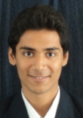 | 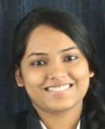 | 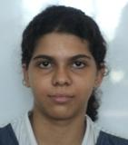 | 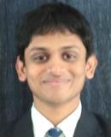

PHYSICS
95
AASTHA ANAND | KOSHA MODI | SHUBHAM KANSAL
 |  | 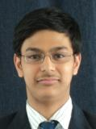

CHEMISTRY | BIOLOGY | COMPUTER SCIENCE
98 | 98 | 98
AASTHA ANAND | SMRITI ARORA | SHUBHANKAR SINGH
 | 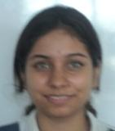 | 

ENGLISH | HINDI | BENGALI
96 | 95 | 91
NAROISE ZAKIR | KRITIKA CHOWDHARY | SUPROVO GHOSH
 |  | 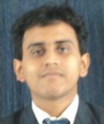

ECONOMICS
97
ADARSH RATHI | NEHA PODDAR | UDBHAV BHANIRAMKA
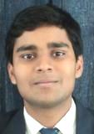 | 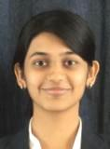 | 

ACCOUNTS | BUSINESS STUDIES
99 | 98
AKHIL AGARWAL | AYUSHI MODI | NEHA PODDAR
 | 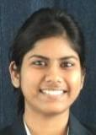

PHYSICAL EDUCATION
96
AASTHA ANAND | YASHVARDHAN RAJGARHIA
 | 

ENTREPREUNERSHIP |  | POLITICAL SCIENCE
96 |  | 95
PRIYANKA SUTODIYA | URVI MALANI | AMAN GOYAL | PRIYANKA SUTODIYA
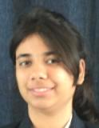 | 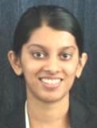 | 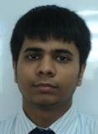

PSYCHOLOGY |  | GEOGRAPHY
93 |  | 86
NIKITA NAGORI | POULAMI GHOSH | ANKITA KABRA
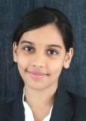 |  | 

