Numerical_3
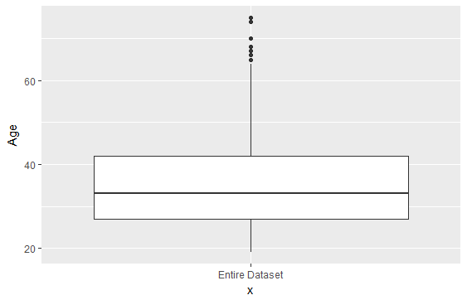
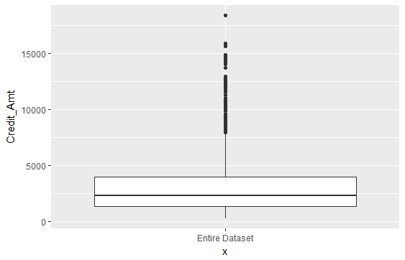
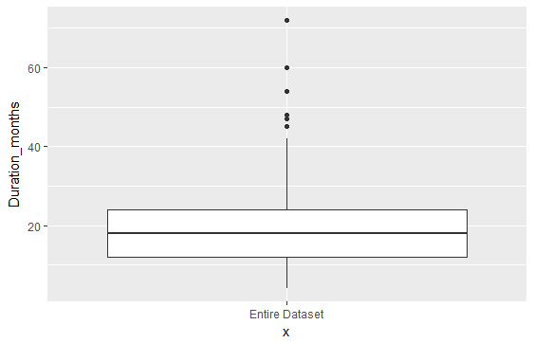
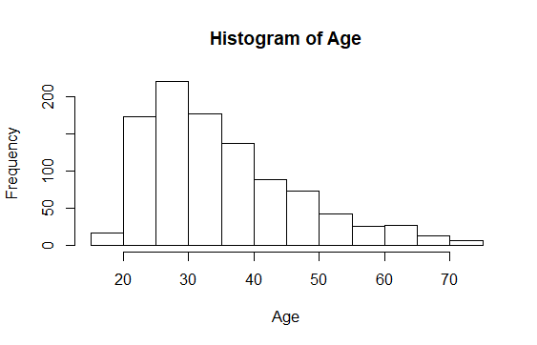
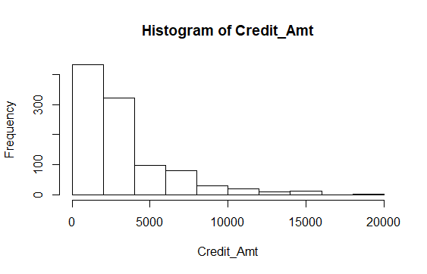
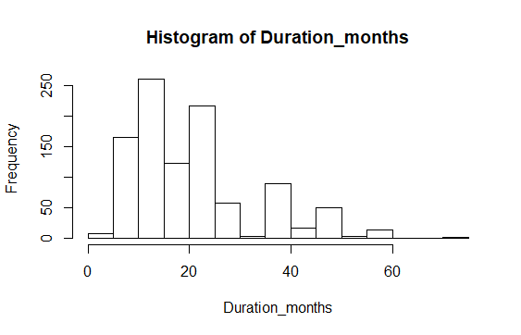
Variable
 | Min | Q1 | Median | Q3 | Max | Mean | SD
Duration in Months | 4 | 12 | 18 | 24 | 72 | 20.9 | 12.06
Credit Amount | 250 | 1366 | 2320 | 3972 | 18420 | 3271 | 2822.7
Age | 19 | 27 | 33 | 42 | 75 | 35.55 | 11.37

Cross tables 2
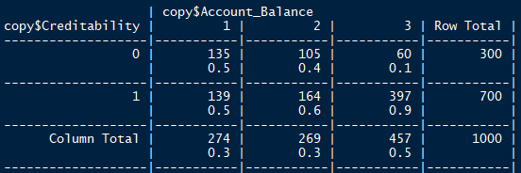

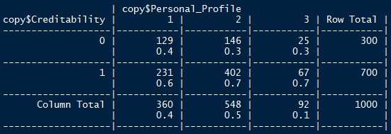
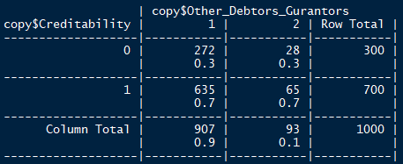

Model50
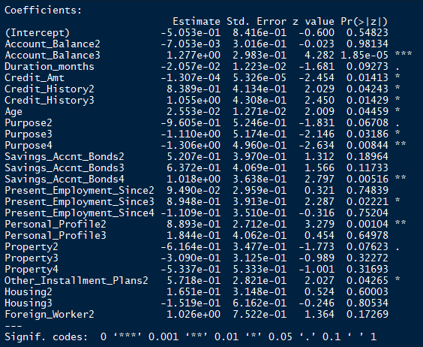

Final LR model
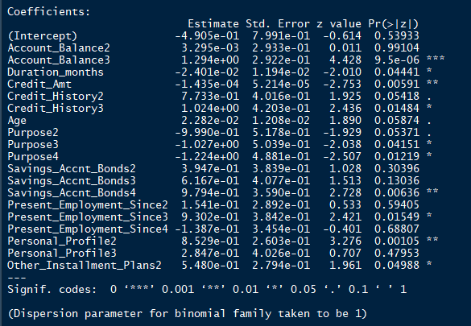

Confusion Matrix
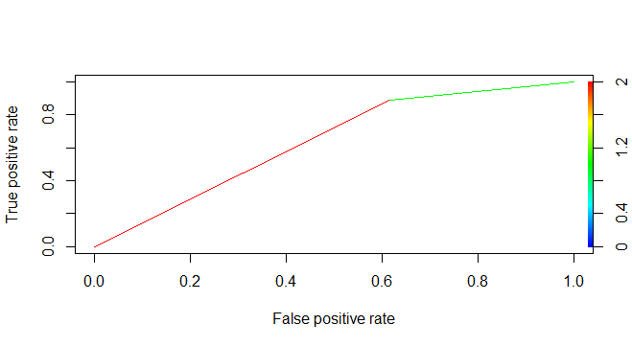
Test Data |  | 50% Threshold |  | 75% Threshold
 |  | Creditable | Non-Creditable | Creditable | Non-Creditable
Creditable | 352 | 313 | 39 | 227 | 125
Non-Creditable | 148 | 91 | 57 | 35 | 113
Total | 500 | Accuracy= (313+57)/500 = 74% |  | Accuracy= (227+113)/500 = 68%

 | False positive rate | 18.20% |  | 7%
 | False Negative Rate |  | 7.8% |  | 25%

Decision Tree
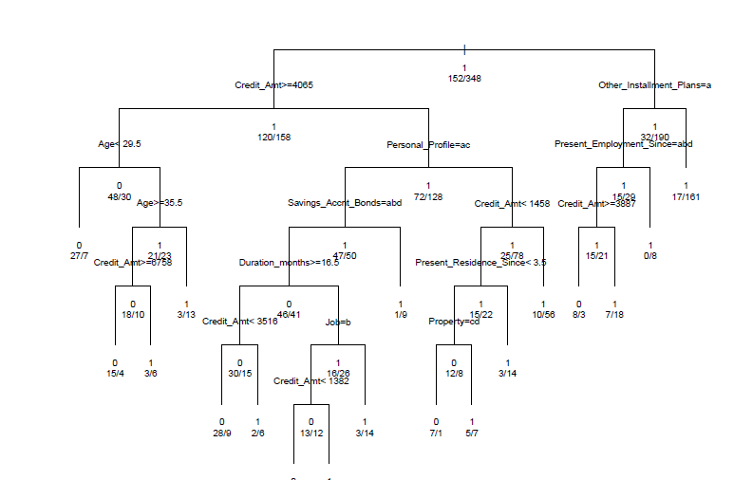
Test Data
 |  | Creditable | Non-Creditable | Variable Importance | Index
Creditable | 352 | 297 | 94 | Credit_Amt | 26.4184077
Non-Creditable | 148 | 55 | 54 | Account_Balance | 20.5468385
Total | 500 | Accuracy= (297+54)/500 = 70.2% |  | Duration_months | 13.869885
 |  |  |  | Age | 13.1539984
 | False positive rate | 11.00% |  | Savings_Accnt_Bonds | 8.8033722
 | False Negative Rate |  | 18.8% | Present_Residence_Since | 6.0663156
 |  |  |  | Property | 5.9861816
 |  |  |  | Present_Employment_Since | 5.8453504
 |  |  |  | Personal_Profile | 5.8423141
 |  |  |  | Job | 4.8234472
 |  |  |  | Other_Installment_Plans | 4.2492385
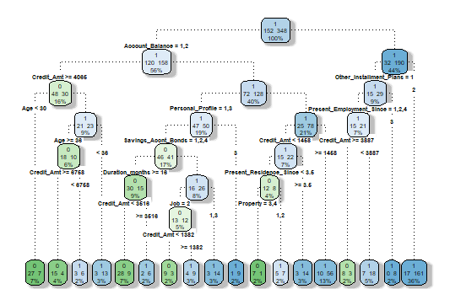
 |  |  |  | Credit_History | 4.1878936
 |  |  |  | Housing | 3.9766585
 |  |  |  | Telephone | 2.0827816
 |  |  |  | Purpose | 1.7494341
 |  |  |  | Num_of_dependents | 1.2046008
 |  |  |  | Installment_Rate | 0.5066854
 |  |  |  | Other_Debtors_Gurantors | 0.2478278

Random Forest
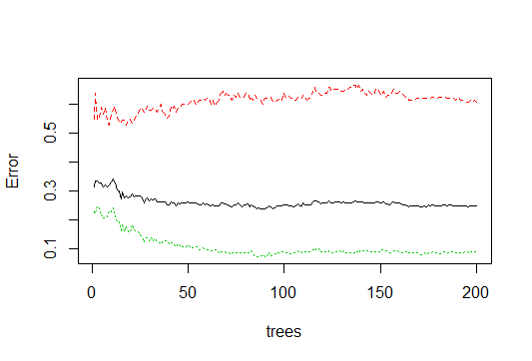
Test Data
 |  | Creditable | Non-Creditable | Variance Importance plot
Creditable | 352 | 323 | 99
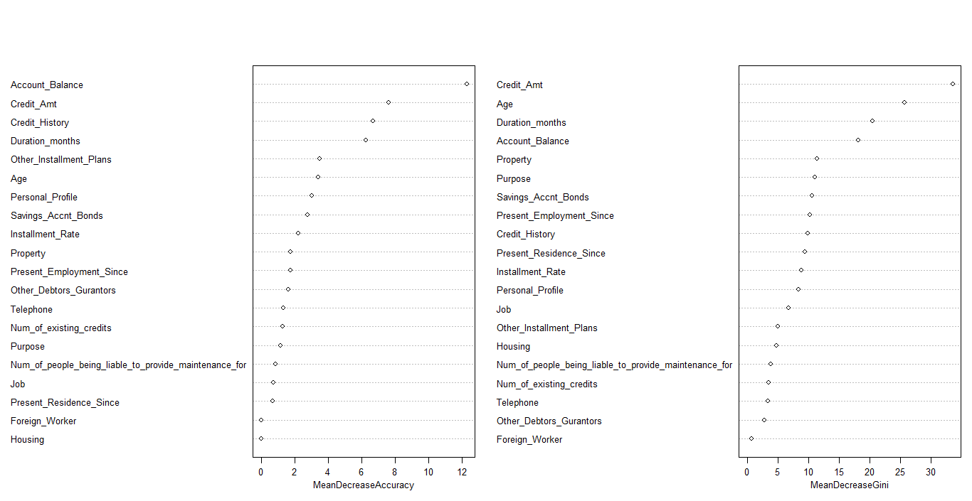
Non-Creditable | 148 | 29 | 49
Total | 500 | Accuracy= (323+49)/500 = 74.4%

 | False positive rate | 5.80%
 | False Negative Rate |  | 19.8%

