Q-1)
Question 1. There is an assumption that there is no significant difference between boys and girls with respect to intelligence. Tests are conducted on two groups and the following are the observations.

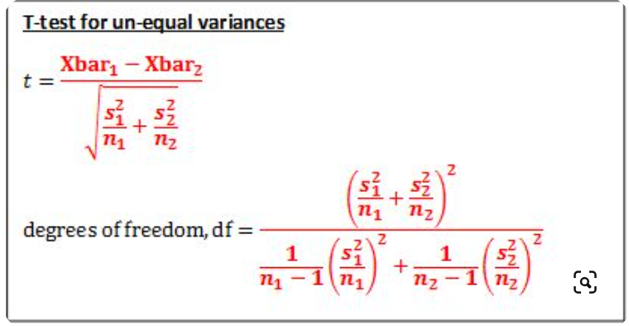
Validate the claim with 5% LoS (Level of Significance).

 | Mean | StandardDeviation | Size
Girls | 89 | 4 | 50
Boys | 82 | 9 | 120

From the statement we can say that the null hypothese H0 is μgirls = μboys ​
And the Alternative Ha is μgirls ≠ μboys

t = | 7.02

df = | 167.27 |  | Numerator | 0.990025
 |  |  | Denominator | 0.005918577431 | G | 0.0020897959184
t critical = | 2.26 |  |  |  | B | 0.0038287815126

The calcualate t value is > critical t value so we reject the null hypothese.

Q-2)
Question 2. Analyze the below data and tell whether you can conclude that smoking causes cancer or not?

Category | Diagnosed as Cancer | Without Cancer | Total
Smokers | 220 | 230 | 450
Non-Smokers | 350 | 640 | 990
Total | 570 | 870 | 1440

Here, we need to calculate the values of E
O11 = | 220 |  | df = | (row - 1) * (column - 1)
O12 = | 230 |  | df = | (2-1)*(2-1)
O21 = | 350 |  | df = | 1
O22 = | 640

E11 = | 178.125
E12 = | 271.875
E21 = | 391.875
E22 = | 598.125

Now fror the Chi-squr we need to sum all the values

Cell 1 | 9.8442982456
Cell 2 | 6.4497126437
Cell 3 | 4.4746810207
Cell 4 | 2.9316875653

X² = | 23.700379475

p-value | 1.1258253642E-06

Here p value is very low than significance value. Hence, we reject the null hypothese.

