Predictions
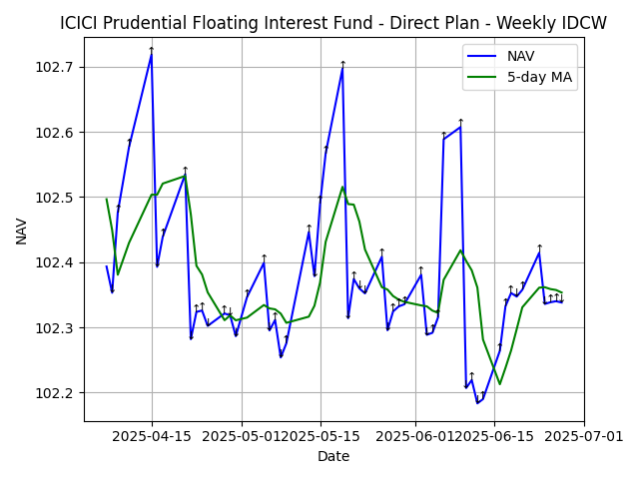
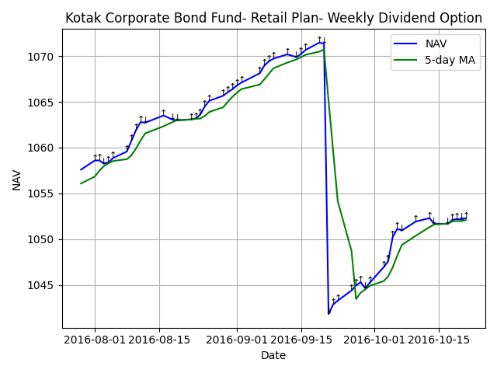
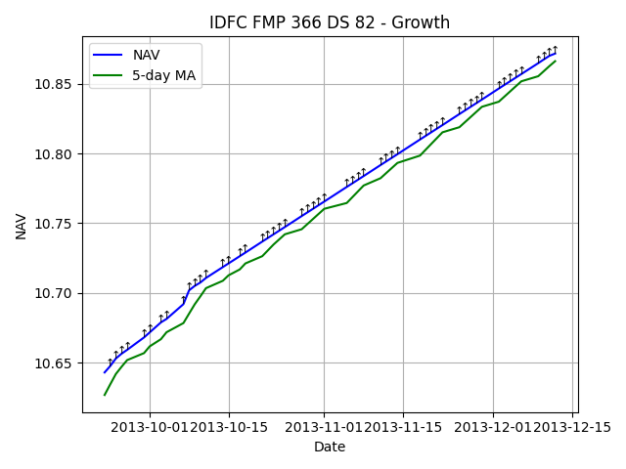
Scheme Name | Current NAV | Predicted NAV | % Change | Recommendation
ICICI Prudential Floating Interest Fund - Direct Plan - Weekly IDCW | 102.34 | 102.34 | 0.00% | HOLD
Kotak Corporate Bond Fund- Retail Plan- Weekly Dividend Option | 1052.31 | 1051.24 | -0.10% | HOLD
IDFC FMP 366 DS 82 - Growth | 10.87 | 10.87 | -0.05% | HOLD

Developed by Abhishek Ravikant Yadav

