Sheet8
Top 10 Goals
Row Labels | Sum of GoalsScored
Brazil | 259
France | 255
Germany | 244
India | 180
Italy | 185
Korea/Japan | 161
Mexico | 227
South Africa | 145
Spain | 146
USA | 141
Grand Total | 1943

dash2data1
Winner
Row Labels | Count of Winner
Argentina | 1
Brazil | 2
Chile | 1
England | 1
France | 2
Germany | 2
India | 1
Italy | 2
Korea/Japan | 1
Mexico | 2
South Africa | 1
Spain | 1
Sweden | 1
Switzerland | 1
Uruguay | 1
USA | 1
Grand Total | 21

dash2data4
Top 10 Goals
Row Labels | Sum of GoalsScored
Brazil | 259
France | 255
Germany | 244
India | 180
Italy | 185
Korea/Japan | 161
Mexico | 227
South Africa | 145
Spain | 146
USA | 141
Grand Total | 1943

Dashboard
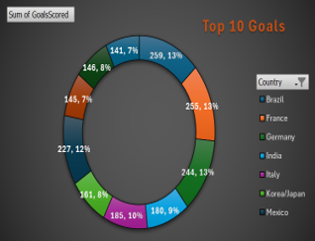
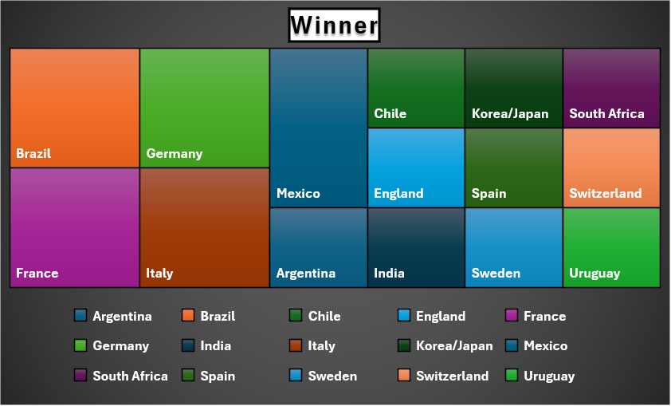
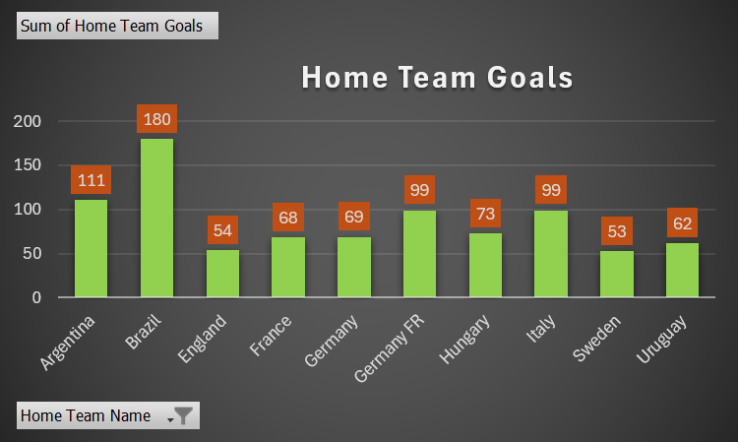
FIFA WORLD ANALYSIS 1930-2014
Year
Country
Winner
GoalsScore
MatchesPlayed
Attendance
1930
Uruguay
Uruguay
70
18
590.549

Dashboard2
COUNTRY
YEAR
1930
Uruguay

Sheet7
Home Team Goals
Row Labels | Sum of Home Team Goals
Austria | 5
Czechoslovakia | 8
Germany | 10
Hungary | 4
Italy | 12
Spain | 3
Sweden | 3
Switzerland | 3
Grand Total | 48

Sheet10
Away Team Name | Home Team Name | Sum of Away Team Goals | Sum of Home Team Goals
Argentina | Sweden | 2 | 3
Argentina Total |  | 2 | 3
Austria | Germany | 2 | 3
 | Italy | 0 | 1
Austria Total |  | 2 | 4
Belgium | Germany | 2 | 5
Belgium Total |  | 2 | 5
Brazil | Spain | 1 | 3
Brazil Total |  | 1 | 3
Czechoslovakia | Italy | 1 | 2
Czechoslovakia Total |  | 1 | 2
Egypt | Hungary | 2 | 4
Egypt Total |  | 2 | 4
France | Austria | 2 | 3
France Total |  | 2 | 3
Germany | Czechoslovakia | 1 | 3
Germany Total |  | 1 | 3
Hungary | Austria | 1 | 2
Hungary Total |  | 1 | 2
Netherlands | Switzerland | 2 | 3
Netherlands Total |  | 2 | 3
Romania | Czechoslovakia | 1 | 2
Romania Total |  | 1 | 2
Spain | Italy | 1 | 2
Spain Total |  | 1 | 2
Sweden | Germany | 1 | 2
Sweden Total |  | 1 | 2
Switzerland | Czechoslovakia | 2 | 3
Switzerland Total |  | 2 | 3
USA | Italy | 1 | 7
USA Total |  | 1 | 7
Grand Total |  | 22 | 48

dash2data3
Attendance
 | Total
1930 | 590549
1934 | 363000
1938 | 375700
1950 | 1045246
1954 | 768607
1958 | 819810
1962 | 893172
1966 | 1563135
1970 | 1603975
1974 | 1865753
1978 | 1545791
1982 | 2109723
1986 | 2394031
1990 | 2516215
1994 | 3587538
1998 | 2785100
2002 | 2705197
2006 | 3359439
2010 | 3178856
2014 | 4319243
(blank)
Row Labels | Sum of Attendance
1930 | 590549
1934 | 363000
1938 | 375700
1950 | 1045246
1954 | 768607
1958 | 819810
1962 | 893172
1966 | 1563135
1970 | 1603975
1974 | 1865753
1978 | 1545791
1982 | 2109723
1986 | 2394031
1990 | 2516215
1994 | 3587538
1998 | 2785100
2002 | 2705197
2006 | 3359439
2010 | 3178856
2014 | 4319243
(blank)
Grand Total | 38390080

Sheet2

COUNTRY
YEAR
WINNER
GOALSCORE
MATCHPLAYED
ATTENDANCE
1930
Uruguay
Uruguay
70
18
590.549

 | Total
Argentina | 1
Brazil | 2
Chile | 1
England | 1
France | 2
Germany | 2
India | 1
Italy | 2
Korea/Japan | 1
Mexico | 2
South Africa | 1
Spain | 1
Sweden | 1
Switzerland | 1
Uruguay | 1
USA | 1
 | Total
Brazil | 259
France | 255
Germany | 244
India | 180
Italy | 185
Korea/Japan | 161
Mexico | 227
South Africa | 145
Spain | 146
USA | 141
 | Total
Argentina | 102
Brazil | 259
Chile | 89
England | 89
France | 255
Germany | 244
India | 180
Italy | 185
Korea/Japan | 161
Mexico | 227
South Africa | 145
Spain | 146
Sweden | 126
Switzerland | 140
Uruguay | 70
USA | 141

 | Sum of QualifiedTeams | Sum of MatchesPlayed
1930 | 13 | 18
1934 | 16 | 17
1938 | 15 | 18
1950 | 13 | 22
1954 | 16 | 26
1958 | 16 | 35
1962 | 16 | 32
1966 | 16 | 32
1970 | 16 | 32
1974 | 16 | 38
1978 | 16 | 38
1982 | 24 | 52
1986 | 24 | 52
1990 | 24 | 52
1994 | 24 | 52
1998 | 32 | 64
2002 | 32 | 64
2006 | 32 | 64
2010 | 32 | 64
2014 | 32 | 64
2015 | 35 | 66
 | Total
1930 | 590549
1934 | 363000
1938 | 375700
1950 | 1045246
1954 | 768607
1958 | 819810
1962 | 893172
1966 | 1563135
1970 | 1603975
1974 | 1865753
1978 | 1545791
1982 | 2109723
1986 | 2394031
1990 | 2516215
1994 | 3587538
1998 | 2785100
2002 | 2705197
2006 | 3359439
2010 | 3178856
2014 | 4319243
 | Brazil - Argentina | Brazil - Cameroon | Brazil - Costa Rica | Brazil - England | Brazil - Germany | Brazil - Hungary | Brazil - Italy | Brazil - Japan | Brazil - Netherlands | Brazil - Northern Ireland | Brazil - Portugal | Brazil - Scotland
Sum of Away Team Goals | 5 | 4 | 5 | 2 | 2 | 3 | 3 | 4 | 4 | 3 | 1 | 0
Sum of Home Team Goals | 2 | 1 | 2 | 1 | 0 | 7 | 5 | 1 | 6 | 0 | 3 | 0

